Sheet1
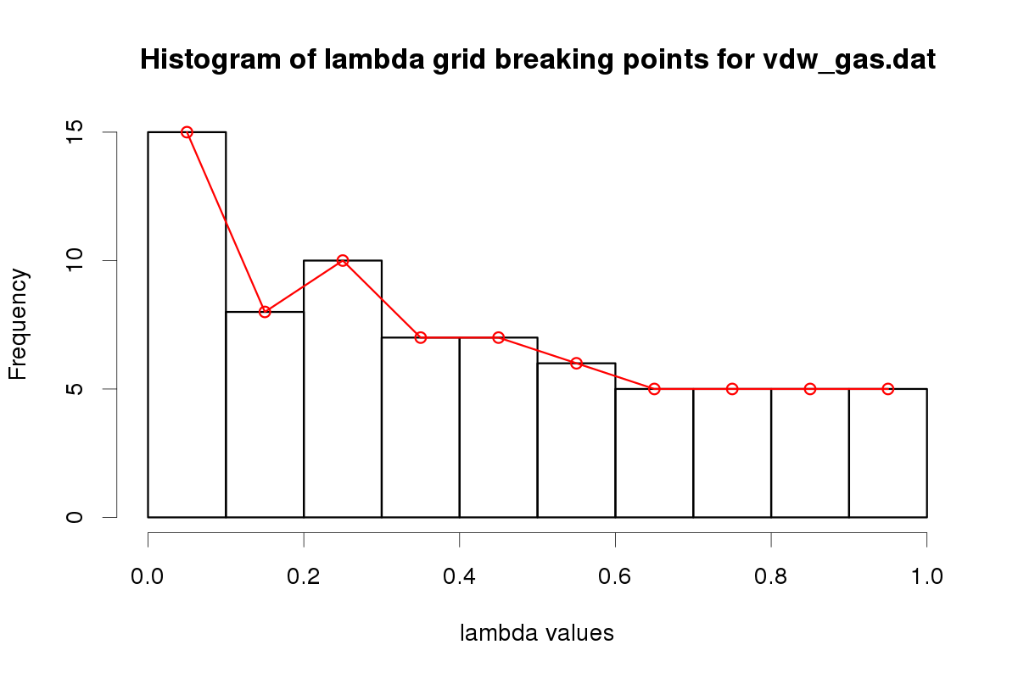
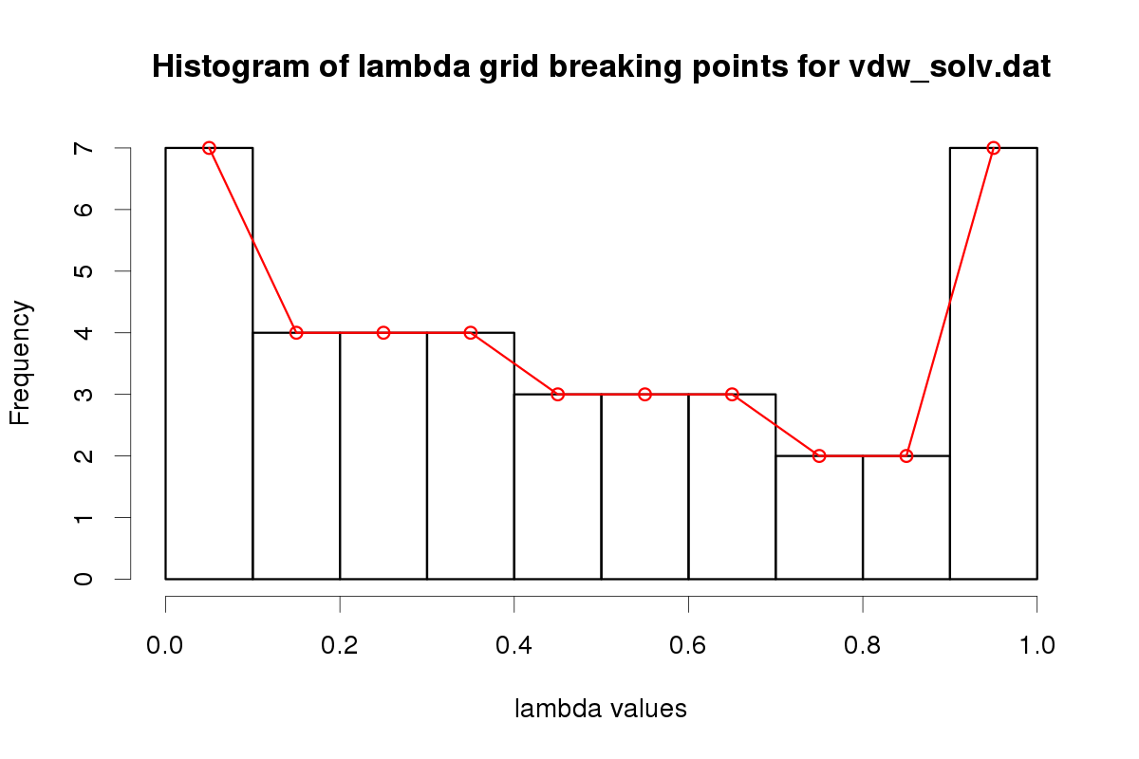
 |  |  | Parameters from Krsystel using original scripts from Tristan with or without interface

 | Exptl. |  |  |  | PC/MTP
 | density(g/cm^3) | delta_H_vap(kcal/mol) | delta_G_hyd(kcal/mol) |  | density(g/cm^3) | delta_H_vap(kcal/mol) | delta_G_hyd(kcal/mol)
Toluene | 0.86 | none | -0.9 | PC | 1.03 | 7.99 | -0.86
trifluoromethylbenzene | 1.19 | none | -0.25 | MTP | 1.08 | 10.35 | -0.34
2-iodophenol | none | none | -6.2 | MTP | none | none | -6.50

LJ parameters

Compound | Atom name | epsilon | Rmin/2
PhCH3 - PC | CA | -0.05 | 2.00
 | HA | -0.05 | 1.30
 | C | -0.08 | 2.06
 | H | -0.02 | 1.32
PhCF3 - MTP | CA | -0.07 | 1.84
 | HA | -0.02 | 1.09
 | C | -0.03 | 2.10
 | F | -0.08 | 1.60
PhIOH - MTP | CA | -0.08 | 2.00
 | HA | -0.01 | 1.20
 | O | -0.19 | 1.75
 | I | -0.53 | 2.40
 | HO | -0.05 | 1.10

 | Exptl. |  |  |  | PC |  |  | MTP
 | density(g/cm^3) | delta_H_vap(kcal/mol) | delta_G_hyd(kcal/mol) |  | density(g/cm^3) | delta_H_vap(kcal/mol) | delta_G_hyd(kcal/mol) | density(g/cm^3) | delta_H_vap(kcal/mol) | delta_G_hyd(kcal/mol)
PhH | 0.88 | 7.89 | -0.86 |  | 0.86 | 7.53 | -0.77 | 0.9 | 7.88 | -0.89
PhF | 1.02 | 8.26 | -0.8 |  | 1.05 | 7.95 | -0.48 | 1.05 | 8.60 | -0.75
PhCl | 1.11 | 9.97 | -1.12 |  | 1.11 | 9.68 | -0.66 | 1.14 | 10.13 | -1.11
PhBr | 1.5 | 10.65 | -1.46 |  | 1.44 | 10.54 | -0.55 | 1.47 | 11.98 | -1.4
PhI | 1.83 | 11.85 | -1.83 |  | 1.76 | 11.39 | -1.35 | 1.84 | 12.43 | -1.97
pyrrol | 0.97 | 10.78 | -4.78 |  | 1 | 11.11 | -4.11 | 0.99 | 10.87 | -3.74

LJ parameters
 |  | PC |  |  | MTP
 | Atom name | epsilon | Rmin/2 |  | epsilon | Rmin/2
 | CA | -0.05 | 2.00 |  | -0.08 | 2.00
 | HA | -0.05 | 1.30 |  | -0.01 | 1.20
 | F | -0.15 | 1.10 |  | -0.07 | 1.70
 | Cl | -0.44 | 1.90 |  | -0.29 | 2.00
 | Br | -0.5 | 2.17 |  | -0.46 | 2.30
 | I | -0.57 | 2.33 |  | -0.53 | 2.43
 | N (pyrrol) | -0.31 | 2.00 |  | -0.11 | 2.20

 |  |  | Values from Florent using the interface with Tristan's scripts, or modified lambda breaking version : see “Method” rightmost column

 |  | NMA
 |  |  |  |  |  |  | Phenol
 |  | Unmodified epsilons and sigmas
 |  | Experimental (Pubchem & Mobley DB) | Calculated | Method
 | ρ | 0.9371 | 0.95 | INTERFACE |  |  | Experimental comparison
 | ∆H | 14.1969 | 13.82 | INTERFACE
 | ∆G | -10 | -7.09 | INTERFACE |  |  | ρ | 1.073 | Note : this simulation used parameters generated from swissparam which is less precise that cgenff, may need to run it again
 |  |  | Cazade & Bereau & Meuwly |  |  |  | ∆H | 13.75
 |  |  | 0.9 | SCRIPT TRISTAN |  |  | ∆G | -6.6
 |  |  | 13.76 | SCRIPT TRISTAN
 |  |  | -7.34 +/- 0.40 | SCRIPT TRISTAN
 |  |  |  |  |  |  |  |  | SIGMA*1.0 |  | SIGMA*1.05 | SIGMA*1.10 | Method
 |  | Scaled epsilons and sigmas |  | Method |  |  | EPSILON*1.0 | ρ | 1.099 |  | 0.9934 | 0.9004 | INTERFACE
 |  | Epsilon*1.05 | sigma*1.05 | Epsilon*1.1 | sigma*1.1 | INTERFACE |  |  |  | ∆H | 19.871 |  | 18.4993 | 17.563 | INTERFACE
 | ρ | 0.883 | 0.805 | INTERFACE |  |  |  | ∆G | -6.496 |  | -12.78375 | -28.96785 | INTERFACE
 | ∆H | 13.569 | 13.469 | INTERFACE
 | ∆G | -6.21 | -5.67 | INTERFACE |  |  | EPSILON*1.05 | ρ | 1.093 |  | 0.9973 | 0.9068 | INTERFACE
 |  | Cazade & Bereau & Meuwly | Cazade & Bereau & Meuwly |  |  |  |  | ∆H | 20.19 |  | 18.8933 | 18.0134 | INTERFACE
 | ρ | 0.87 | 0.83 | SCRIPT TRISTAN |  |  |  | ∆G | -3.76869 |  | -13.69526 | -30.26755 | INTERFACE
 | ∆H | 13.28 | 12.77 | SCRIPT TRISTAN
 | ∆G | -6.14 +/- 0.14 | -5.43 +/- 0.41 | SCRIPT TRISTAN |  |  | EPSILON*1.10 | ρ | 1.099 |  | 0.9951 | 0.8999 | INTERFACE
 |  |  |  |  |  |  |  | ∆H | 20.604 |  | 18.3849 | 17.67194 | INTERFACE
 |  |  |  |  |  |  |  | ∆G | -3.74234 |  | -14.03508 | -32.66905 | INTERFACE
 |  | Epsilon*1.025 | sigma*1.025 | Epsilon*1.075 | sigma*1.075
 | ρ | 0.915 | 0.843 | INTERFACE
 | ∆H | 13.68 | 13.29 | INTERFACE
 | ∆G | -6.37 | -5.68 | INTERFACE
 |  | Cazade & Bereau & Meuwly | Cazade & Bereau & Meuwly |  |  |  | Benzonitrile
 | ρ | 0.89 | 0.84 | SCRIPT TRISTAN
 | ∆H | 13.51 | 12.88 | SCRIPT TRISTAN
 | ∆G | -6.65 +/- 0.34 | -5.72 +/- 0.32 | SCRIPT TRISTAN |  |  | Experimental comparison | Values (g/cm3 and kcal/mol)
 |  |  |  |  |  |  | ρ | 1.0093
Scaling | density | deltaH | detaG |  |  |  | ∆H | 10.639
1 | 0.95 | 13.82 | -7.09 | INTERFACE |  |  | ∆G | -4.1
1.025 | 0.915 | 13.68 | -6.37 | INTERFACE
1.05 | 0.883 | 13.569 | -6.21 | INTERFACE |  |  | Calculated | Run 1 | Run 2 | Method
1.075 | 0.843 | 13.29 | -5.68 | INTERFACE |  |  | ρ | 0.998 | 1.0035 | INTERFACE
1.1 | 0.805 | 13.469 | -5.67 | INTERFACE |  |  | ∆H | 19.28 | 16.02 | INTERFACE
 |  |  |  |  |  |  | ∆G | -3.9 | -4.74 | INTERFACE

 |  | Lambda breaking optimisation for NMA |  |  |  |  | The difference between the Run 1 and Run2 was in the choice of the MTP parameters
 |  |  |  |  |  |  | obtained from the fit from Gaussian : because the ∆H was twice what is expected for
 |  |  |  |  |  |  | Run 1, a more careful choice was made for Run 2, by using different starting values for
 |  |  |  |  |  |  | the fit, and by trying to minimize further the RMSE for each multipole term. In the end
 |  | Method | ∆G |  |  |  | it reduced ∆H from 19 to 16 which is still too high but closer to ref. from Table 2.
 |  | Experimental (Pubchem & Mobley DB) | -10
 |  | Tristan et al | -7.34 +/- 0.40
 |  | Standard breaking | -7.09
 |  | OPTIMISED LAMBDAS (set 1) WITH BREAKING DISABLED | -3.81
 |  | OPTIMISED LAMBDAS (set 2) WITH BREAKING DISABLED | -6.22
 |  | OPTIMISED LAMBDAS (set 3) WITH BREAKING DISABLED | -6.89

 |  | Manual lambda windows were (SET1) : | from 0.0 to 0.1 : grid by 0.010
 |  |  | from 0.1 to 0.9 : grid by 0.100
 |  |  | from 0.9 to 1.0 : grid by 0.025

 |  | Manual lambda windows were (SET2) : | from 0.0 to 0.1 : grid by 0.020
 |  |  | from 0.1 to 0.9 : grid by 0.100
 |  |  | from 0.9 to 1.0 : grid by 0.02

 |  | Manual lambda windows were (SET3) : | from 0.0 to 0.1 : grid by 0.025
 |  |  | from 0.1 to 0.9 : grid by 0.100
 |  |  | from 0.9 to 1.0 : grid by 0.025

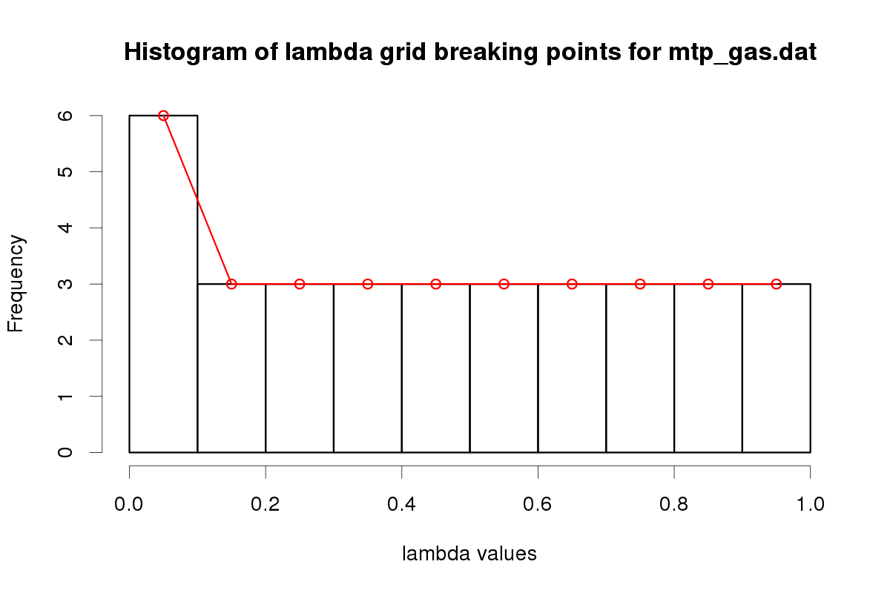

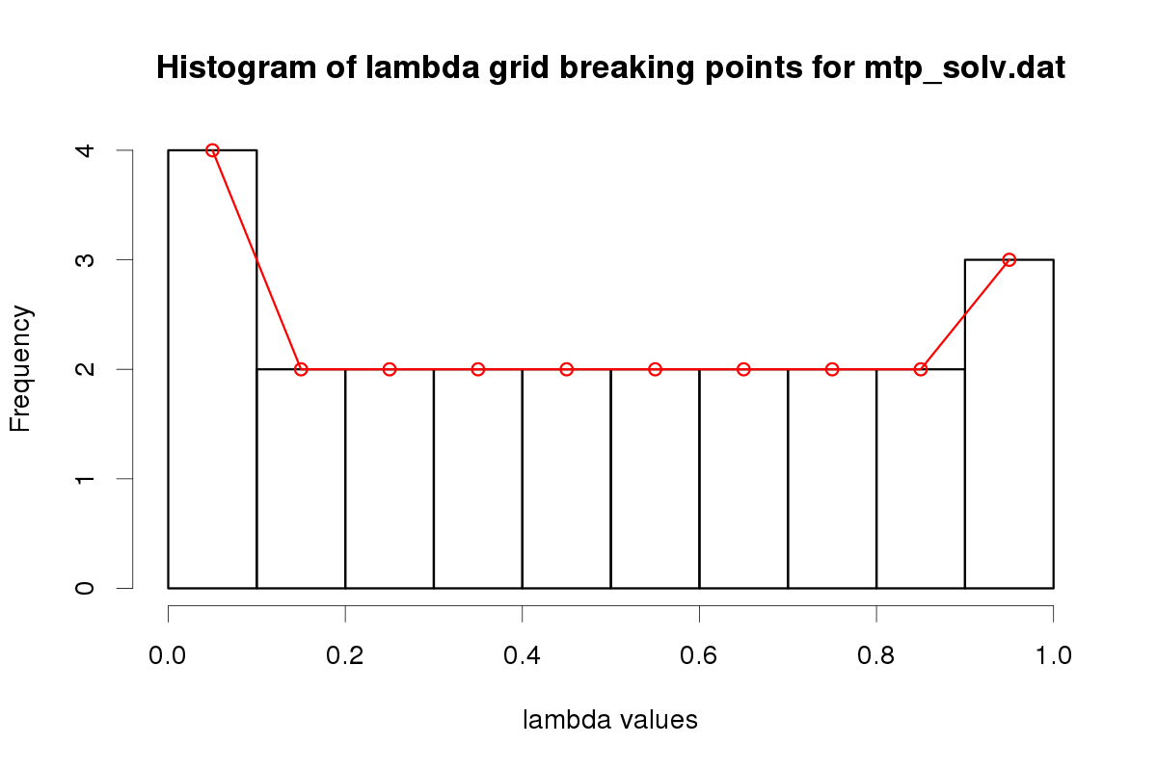

 |  |  |  |  | Concerning the optimisation of the lambda breaking when performing the Thermodynamic Integration, based on the histograms (left) :

 |  |  |  |  | To keep, for MTP gas simulations, the default original grid used by Tristan, i.e. :
 |  |  |  |  | from 0.0 to 1.0 : grid by 0.100

 |  |  |  |  | To use by default the following breaking points for VDW gas simulations :
 |  |  |  |  | from 0.0 to 0.1 : grid by 0.010
 |  |  |  |  | from 0.1 to 1.0 : grid by 0.100

 |  |  |  |  | For both VDW and MTP in solvent, to use a "3 sub-grids" approach :
 |  |  |  |  | from 0.0 to 0.1 : grid by 0.010
 |  |  |  |  | from 0.1 to 0.9 : grid by 0.100
 |  |  |  |  | from 0.9 to 1.0 : grid by 0.025

