Sheet1
Top Predictors of Severe Injury for pedestrians and bicyclists
 | Severity Ratio min | Severity Ratio max | Severity Ratio
Injury Status : Not Conscious States | 4.9 | 4.3 | 4.6
Injury Type : Severe Bleeding | 5.0 | 4.2 | 4.5
Injury Type : Internal | 3.8 | 3.0 | 3.5
Injury Type : Amputation | 5.0 | 2.2 | 3.4
Injury Type : Concussion | 3.3 | 2.3 | 2.8
Injury Location : Eye | 4.3 | 1.4 | 2.7
Age70 : age >= 70 | 2.8 | 2.4 | 2.6
Vehicle Type : Truck | 3.1 | 1.8 | 2.5
Injury Location : Head | 2.5 | 2.2 | 2.4
Vehicle Type : Motorcycle | 2.9 | 1.4 | 2.2
Injury Type : Fracture-Dislocation | 2.4 | 2.0 | 2.2
Time of Day : 3am-6am | 2.2 | 1.7 | 2.0
Pedestrian Action : Crossing, Against Signal | 1.7 | 1.4 | 1.6
Injury Location : Entire Body | 1.7 | 1.4 | 1.5
Time of Day : midnight-3am | 1.7 | 1.3 | 1.5

Top Predictors of Severe Injury for pedestrians and bicyclists

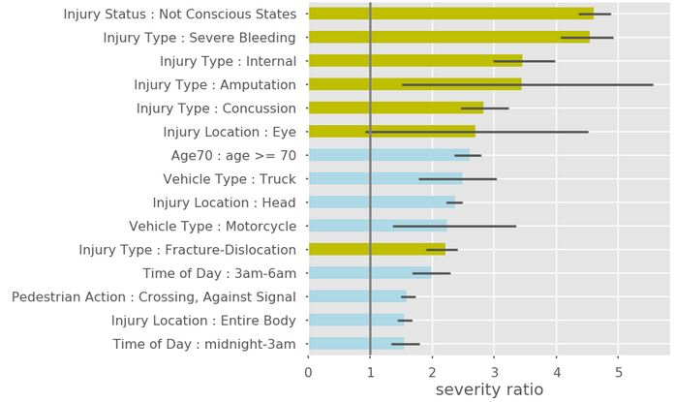

CAPTION:
DOT’s KSI definitions (green bars) tracks with hospital outcomes. Severity ratio is the probability an injured person will have a severe outcome if the crash attribute was present, divided by the overall probability an injured person will have a severe outcome. Black bars indicate 90 percent confidence intervals.

Source: SeverityRatio.ipynb

