Regions
region_name | region_abb | comment
PADD 1: East Coast | PADD1
PADD 2: Midwest | PADD2
PADD 3: Gulf Coast | PADD3
PADD 4: Rocky Mountain | PADD4
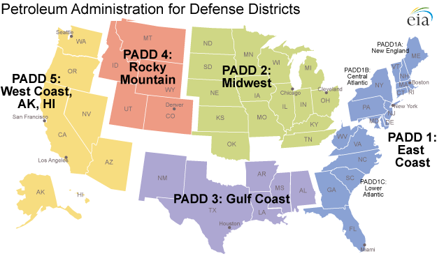
PADD 5: West Coast | PADD5 | Includes AK, HI
Canada | CAN
Outside North America | ONA
Mexico | MEX

