Dashboard
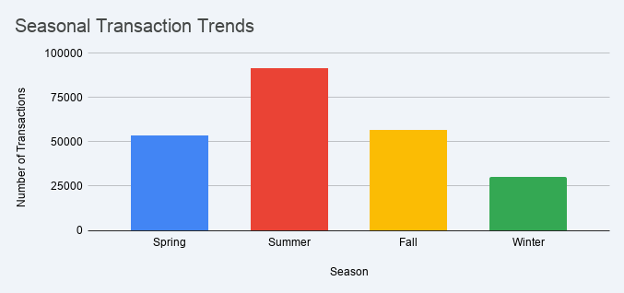
 | EXECUTIVE RETAIL PERFORMANCE DASHBOARD

 | 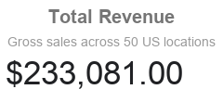 | 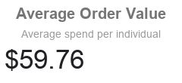 | 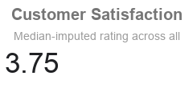 | 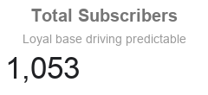

Revenue Contribution by Department
Subscription Revenue Impact

Chart1 Seasonal Transaction Tre
Seasonal Transaction Trends

Season | Spring | Summer | Fall | Winter
Spring | 53300
Summer |  | 91200
Fall |  |  | 56600
Winter |  |  |  | 30300

Chart2 Seasonal Transaction Tre
Seasonal Transaction Trends

Season | Spring | Summer | Fall | Winter
Spring | 53300
Summer |  | 91200
Fall |  |  | 56600
Winter |  |  |  | 30300

