Ark1
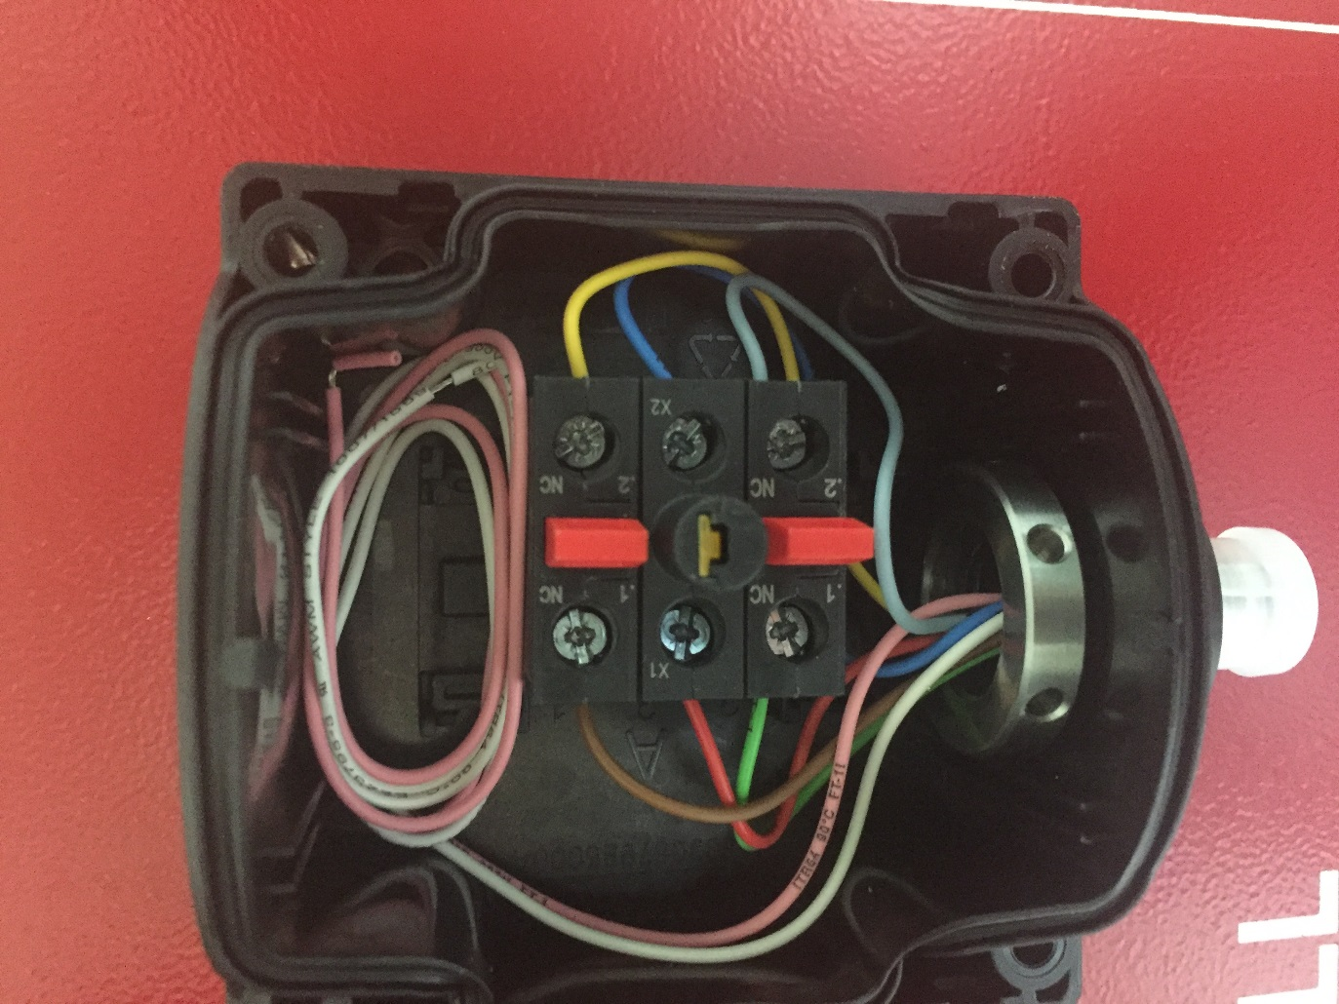
Type | Slot | NC/NO | X1 Color | X1 Signal | X2 Color | X2 Signal
Estop1 | 1 | NC | Green | Estop1_A1 | Grey | Estop1_A
Estop1 | 2 | NO LED | Red | Estop1_Y | Blue | GND
Estop1 | 3 | NC | Brown | Estop1_B1 | Yellow | Estop1_B

