Ark1
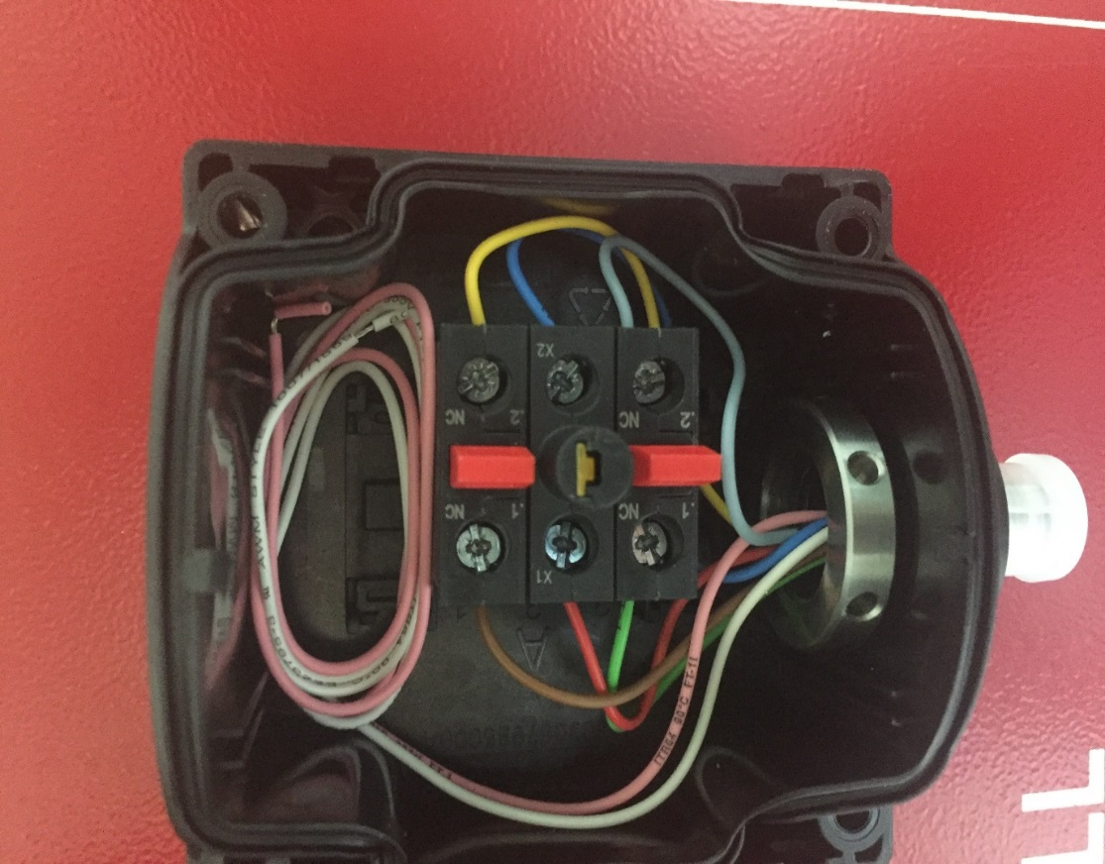
Type | Slot | NC/NO | LeftPin/Color | LeftPin Signal | RightPin Color | RightPin Signal
Estop1 | 1 | NC | 2/Grey | Estop1_A | 1/Green | Estop1_A1
Estop1 | 2 | NO LED | X2/Blue | GND | X1/Red | Estop1_Y
Estop1 | 3 | NC | 2/Yellow | Estop1_B | 1/Brown | Estop1_B1

