岗位列表
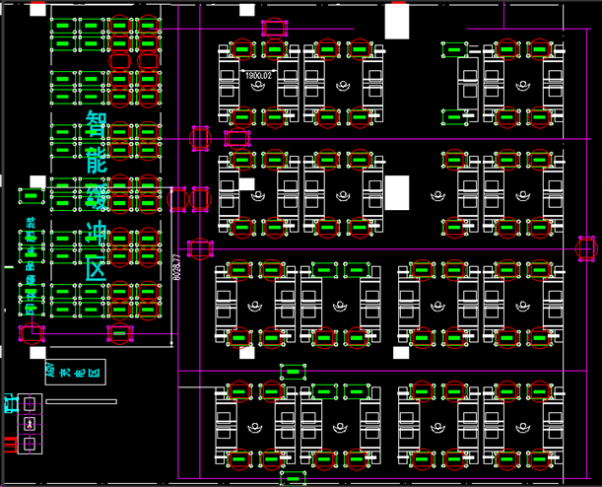

调测区定义，注：每个位置还有一个点seatN_2代表小车单独放产品的点
seat54_1 | seat55_1 | seat56_1 | seat57_1 |  | seat58_1 | seat59_1 | seat60_1

seat47_1 | seat48_1 | seat49_1 | seat50_1 |  | seat51_1 | seat52_1 | seat53_1

seat40_1 | seat41_1 | seat42_1 | seat43_1 |  | seat44_1 | seat45_1 | seat46_1

seat33_1 | seat34_1 | seat35_1 | seat36_1 |  | seat37_1 | seat38_1 | seat39_1

seat25_1 | seat26_1 | seat27_1 | seat28_1 | seat29_1 | seat30_1 | seat31_1 | seat32_1

seat17_1 | seat18_1 | seat19_1 | seat20_1 | seat21_1 | seat22_1 | seat23_1 | seat24_1

seat9_1 | seat10_1 | seat11_1 | seat12_1 | seat13_1 | seat14_1 | seat15_1 | seat16_1

seat1_1 | seat2_1 | seat3_1 | seat4_1 | seat5_1 | seat6_1 | seat7_1 | seat8_1

智能缓冲区
stockA_row10_col1 stockA_row10_col2 stockA_row10_col3 stockA_row10_col4
stockA_row9_col1 stockA_row9_col2 stockA_row9_col3 stockA_row9_col4

stockA_row8_col1 stockA_row8_col2 stockA_row8_col3 stockA_row8_col4
stockA_row7_col1 stockA_row7_col2 stockA_row7_col3 stockA_row7_col4

stockA_row6_col1 stockA_row6_col2 stockA_row6_col3 stockA_row6_col4
stockA_row5_col1 stockA_row5_col2 stockA_row5_col3 stockA_row5_col4

stockA_row4_col1 stockA_row4_col2 stockA_row4_col3 stockA_row4_col4
stockA_row3_col1 stockA_row3_col2 stockA_row3_col3 stockA_row3_col4

stockA_row2_col1 stockA_row2_col2 stockA_row2_col3 stockA_row2_col4
stockA_row1_col1 stockA_row1_col2 stockA_row1_col3 stockA_row1_col4

起始区
begin_1 | begin_2 | begin_3

错误区
stockE_row2_col1 stockE_row2_col2 stockE_row2_col3 stockE_row2_col4
stockE_row1_col1 stockE_row1_col2 stockE_row1_col3 stockE_row1_col4

包装区
stockB_row4_col1 stockB_row4_col2 stockB_row4_col3
stockB_row3_col1 stockB_row3_col2 stockB_row3_col3
stockB_row2_col1 stockB_row2_col2 stockB_row2_col3
stockB_row1_col1 stockB_row1_col2 stockB_row1_col3

