Sheet1
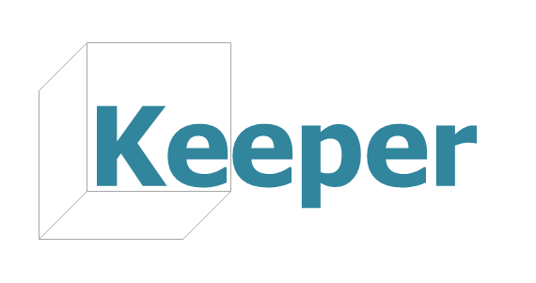
Tabelle zur Bewertung möglicher Software Lösungen
 | git Systeme |  |  | cloud Systeme |  |  |  | other
 | GitLab 8.2+ (CE und EE) | GitHub (CE und EE) | gitSwarm | ownCloud | pydio (CE und EE) | seafile (CE und EE) | Powerfolder | Helix Swarm | figshare

Daten speichern
Daten archivieren |  |  |  |  | unlimited
Zugang zu Daten verschaffen
Zugang zu Daten verschaffen fein granular |  |  |  | with client | local config file | local config file in CE, client in EE | client
Daten versionieren | git based | git based | git based | simple control, limited number of versions | git based, not recommended for BLOBs | git based, improved for BLOBs handling, see link | unlimited | p4
Projektübersichtsseiten intern
Projektübersichtsseiten extern
Browsing und simple search |  |  |  | filename&content search (CE) | filename&content search (CE) | no filename search; FT search in EE
Datenstrukturen können abgelegt werden
Projektmetadaten visualisieren
Technische Faktoren
DVCS features (Lokale Datenhaltung & Webanwendung) | Centralized / distributed | Centralized / distributed | Centralized / distributed |  |  |  |  | Centralized / distributed
BLOBs support | Git LFS support in CE, should be manually controlled via command line | Git LFS support in EE, should be manually controlled via command line | BLOBs should be moved from git control to p4 | only with client | with client, upload is not stable (many interrupted sync attempts) | with client, upload is fast and efficient due to advanced sync algorithm and LBFS, see https://pdos.csail.mit.edu/papers/lbfs:sosp01/lbfs.pdf | with client, not stable (complains of GWDG users) | Native support of the files of any types and sizes
Performance |  |  |  |  |  | fastest syncing rates
Scalability | Scalable for small-to medium-size projects (i.e 100's users and 100's repos)https://forum.gitlab.com/t/scalability/754/2 | 12M users & 31M projects @ GitHub.com | same as by GitLab | good scalable, see CERN report https://tnc2014.terena.org/core/presentation/73 | good scalable, see presentaion Pydio@ CERN https://indico.cern.ch/event/336753/session/4/contribution/1/attachments/658850/905698/Pydio__CERN.pdf | can be set as cluster, http://manual.seafile.com/deploy_pro/deploy_in_a_cluster.html, no usage reports | report: https://www.powerfolder.com/powerfolder-introduces-federated-high-scalable-easy-use-sync-and-share-solution-to-international-education-and-research-networks-zurich/ | https://www.perforce.com/scalability: "Helix is optimized for 1000's of users and massive automation.", see Pixar report https://www.perforce.com/sites/default/files/storageforfilmassets-wp.pdf
Recommended max size of repo | 10GB | 1GB | 10GB | not limited | not limited | not limited | not limited | not limited
Authentifizierung | OAuth2, LDAP, CAS | OAuth2, LDAP, CAS, SAML | OAuth2, LDAP | LDAP, Active Directory | LDAP, Active Directory, CAS | LDAP, Active Directory | LDAP, Active Directory, Kerberos | LDAP
Client OS | Native support for git Linux/Mac; Win via Cygwin | Native support for git Linux/Mac; Win via Cygwin | Native support for git Linux/Mac; Win via Cygwin | free GUI clients for desktop platforms; non free for mobile platforms | free GUI clients for desktop platforms and mobile platforms | free GUI clients for desktop platforms and mobile platforms; terminal client for linux | free GUI clients for desktop platforms (java) and mobile platforms | free GUI and terminal clients for desktop platforms
Notification system | hooks | hooks | hooks | Activities and Notifications, emails | Watches and Notifications, emails | Simple desktop popup notifications; emails | Warnings and Notifcations
MPDL hosted
Implementation | Ruby | Ruby, Erlang, git | Based on GitLab, Ruby | PHP, javascript | lamp: PHP, Apache, MariaDB; javascript | C, Python | java | PHP
Handhabung
Nutzerfreundlichkeit
Aufwand Installation
Aufwand Maintenance
Kosten | Non-profits can use CE edition for free; EE needs subscription. See https://about.gitlab.com/pricing/ |  |  |  |  |  |  | free of charge for <=20 users/20 workspaces; 12-month/perpetual license scheme. See https://www.perforce.com/purchase/pricing-licensing
Documentation, community support | Community support over documentation |  |  |  |  |  |  | Very detailed documentation
Nice to Have
Narrow cloning
Submodules/monorepo | monorepo, submodules only with home-brewed scripting |  |  |  |  |  |  | monorepo/submodules
Collaborative work (groups, organizations) | GitLab env |  |  |  |  |  |  | GitSwarm env (based on GitLab) and Helix Swarm (p4 code review tool)
API
Clustering | https://about.gitlab.com/high-availability/ |  |  |  |  |  |  | https://www.perforce.com/perforce/doc.current/manuals/p4cmgr/

