Evidence
BUG-03 – Users Page / Report View overlap | 09677a14-4293-4420-9146-35326f73813c.png | Attached screenshot evidence. Relevant to BUG-03.
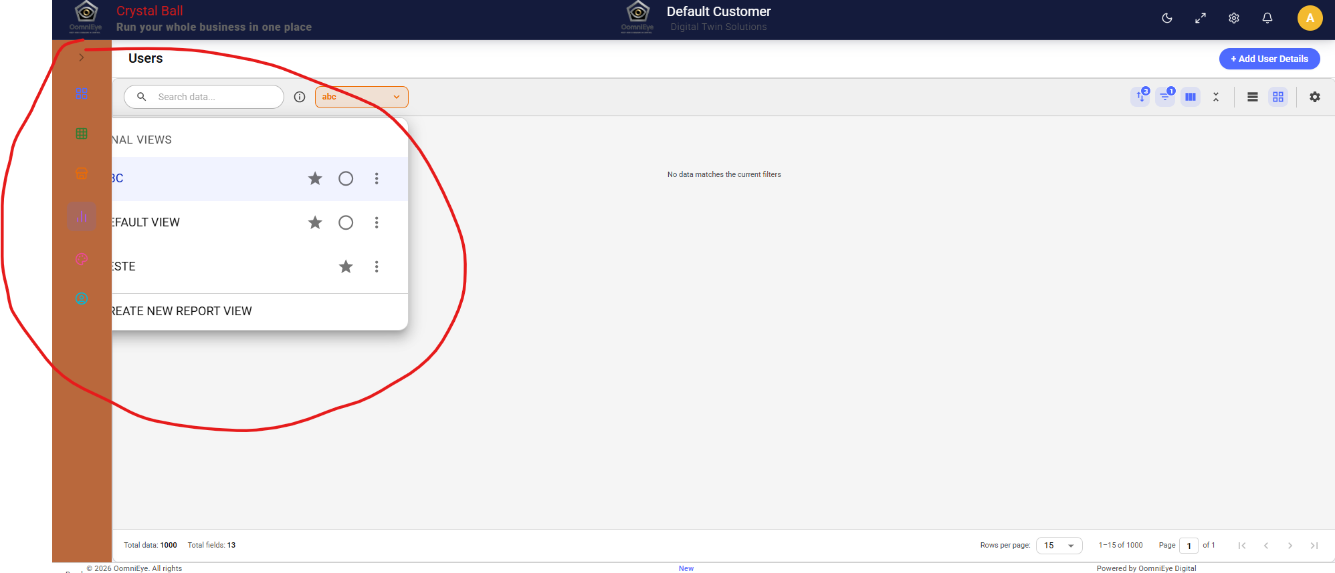

Additional evidence – video/CC area | 7db2678b-3ee8-49fd-84a1-68e6564cd5ae.png | Attached screenshot evidence. Keep as supporting evidence for the video/CC test execution; do not list as a defect unless separately confirmed and reported.
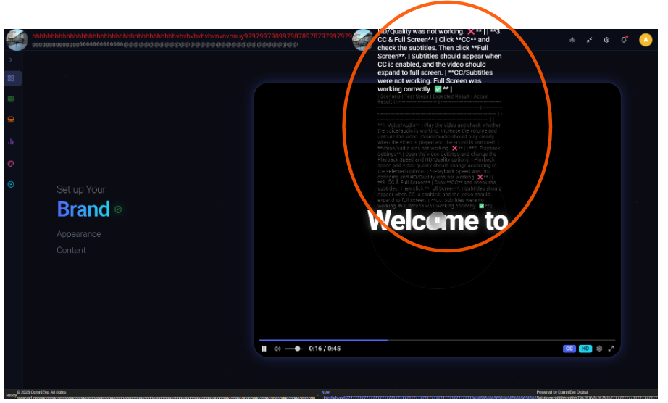

BUG-02 – Footer content overflow | 5430290c-404c-4537-b808-6478fc2ab0d1.png | Attached screenshot evidence. Relevant to BUG-02.
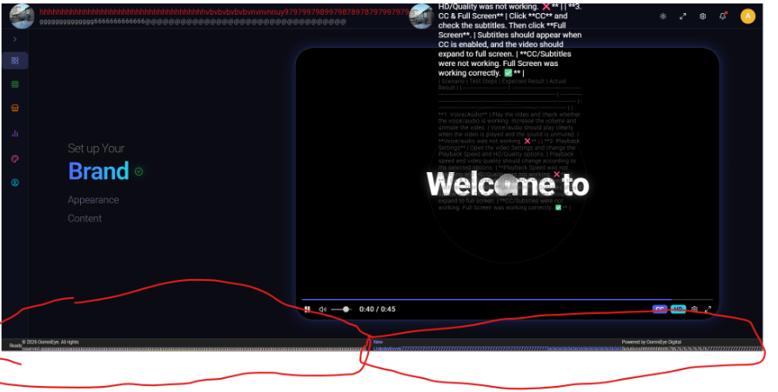

Evidence mapping
BUG-02 | Footer content overflow – use the footer screenshot above.
BUG-03 | Users/Report View overlap – use the Users page screenshot above.
Video screenshot | Supporting evidence only; report as a defect only if separately confirmed.

