MinBoundGeo_Enevelope_100HR3_Ve
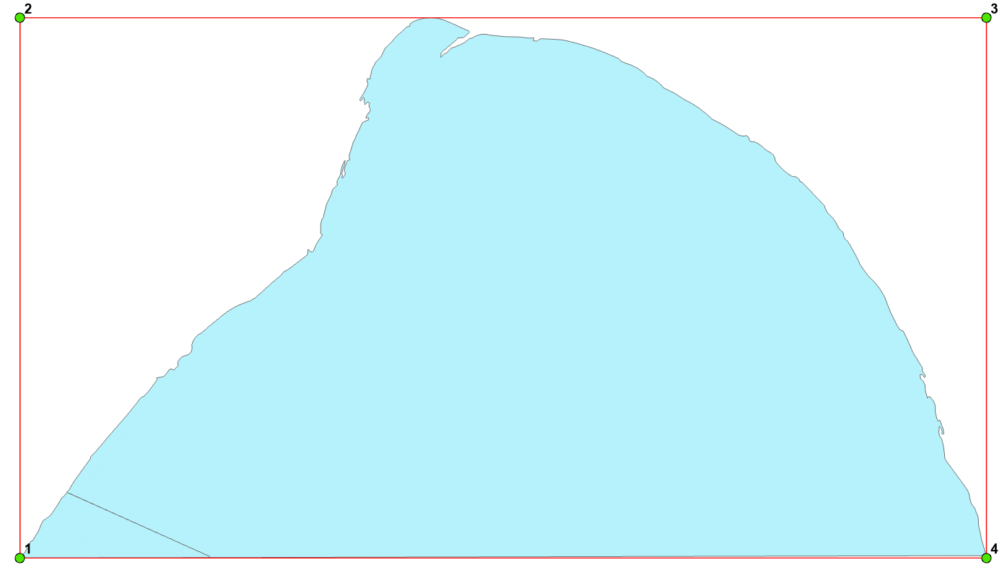
OBJECTID | ORIG_FID | Easting | Northing
1 | 1 | 571515.1228 | 150216.6608
2 | 1 | 571515.1228 | 154580.2344
3 | 1 | 579316.4375 | 154580.2344
4 | 1 | 579316.4375 | 150216.6608

