Routine0_resample2
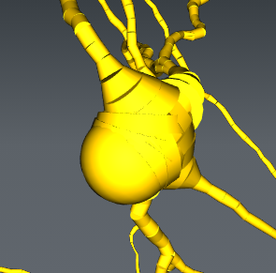
Cell ID | Rout0_Res2 | Notes | Rout0_Res5 | Notes | Rout0_Res10 | Notes | Rout0_Res20 | Notes | Rout1_Res5 | Notes
C1A | 2 |  |  |  |  |  |  |  |  |  | 1 | sphere as we want it | 2
C1B | 2 |  |  |  |  |  |  |  |  |  | 2 | sphere and discs | C16
C3A | 3 |  |  |  |  |  |  |  |  |  | 3 | discs only
C4A | 4 |  | 2 |  | 4 |  | 4 |  | 2 | bijna 1 | 4 | disc with very large cones
C6A | 2
C7A | 2
C9A | 3
C9B | 1 |  | 1 |  | 1 |  | 1 | or 4 | 1
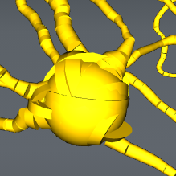
C10 | 2 |  |  |  |  |  |  |  |  |  |  | Correct morphology according to Naomi
C11A | 3 |  |  |  |  |  |  |  |  |  |  | Soma's with a dendrite as parent according to Mathijs | C1A
C12A | 2
C15A | 3
C16 | 2
C20A | 2
C21A | 2
C21B | 3
C23 | 1 |  | 1 |  | 1 |  | 1 |  | 1
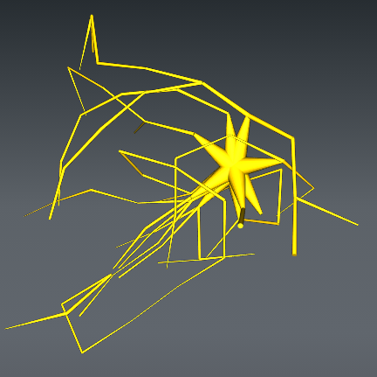
C25A | 2 |  |  |  |  |  |  |  |  |  |  |  | 5
C25C | 3 |  |  |  |  |  |  |  |  |  |  |  | C4A
C28A | 2
C28B | 2
C31 | 2
C32B | 3
C45A | 2
C46A | 3
C46B | 2
C48 | 2
C49A | 2 | bijna 1
C49B | 2
C49C | 2
C50A | 3
C50B | 2
C51A | 2
C51B | 2 | bijna 1
C51C | 2
C51D | 1 | of net 2 | 1 |  | 1 |  |  |  | 1

