Storage_Organisation
 | STORAGE
 |  |  |  | 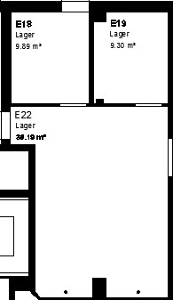
 | Storage Room E18
 |  | C1 | C2

 |  | C15 | C25 |  | C15 | Matten |  |  | C25 | Diverses
 |  |  |  |  | C14 | Lampen usw |  |  | C24 | Putzzeug
 |  | C14 | C24 |  | C13 | Verschiedene Ersatzteile |  |  | C23 | Putzzeug
 |  |  |  |  | C12 | Ersatzteile DELYK & DITOL |  |  | C22 | Öl
 |  | C13 | C23 |  | C11 | Kabeltrommeln |  |  | C21 | Beech - Liquid

 |  | C12 | C22

 |  | C11 | C21

 | Storage Room E22

 | C3 | R1 |  | R2 |  | R3 |  | R4

 | C35 | R15 |  | R25 |  | R35 |  | R45

 | C34 | R14 |  | R24 |  | R34 |  | R44

 | C33 | R13 |  | R23 |  | R33 |  | R43

 | C32 | R12 |  | R22 |  | R32 |  | R42
 |  | R11 |  | R21 |  | R31 |  | R41
 | C31

C35 | Warnwesten | R15 |  | R25 |  | R35 |  | R45
C34 | Diverses | R14 | Diverses | R24 | Camera | R34 | envelopes | R44 | Akten
C33 | Sauerstoff-Ausrüstung | R13 | tools | R23 | Camera | R33 | Diverses | R43 | Akten
C32 | Diverses | R12 | tools | R22 | Camera | R32 | AUX Power | R42 | Koffer
C31 | Headsets | R11 | Plastic-Boxes | R21 |  | R31 |  | R41

 | Storage Room E19

