Sheet1
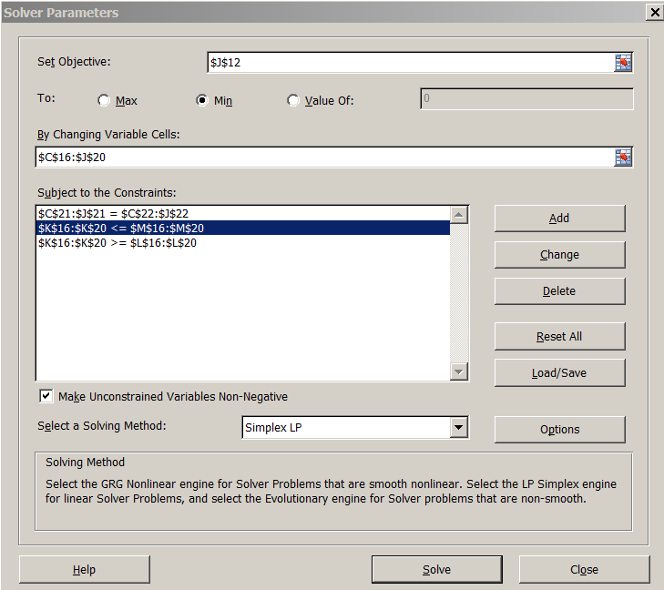
 | DATA | matching coefficients --- lower is better match
 |  | jobs j = 1,…,8
workers i = 1,…,5
 | Cij | 1 | 2 | 3 | 4 | 5 | 6 | 7 | 8
 | 1 | 4 | 3 | 3 | 2 | 4 | 1 | 4 | 1
 | 2 | 2 | 1 | 1 | 4 | 1 | 2 | 2 | 4
 | 3 | 4 | 4 | 1 | 1 | 1 | 1 | 3 | 2
 | 4 | 3 | 4 | 2 | 4 | 2 | 2 | 1 | 3
 | 5 | 2 | 1 | 4 | 4 | 1 | 4 | 4 | 2

 |  |  |  |  | LP
 |  |  |  |  | total cost of the matching |  |  |  | 9
 |  |  |  |  | at the solution
 | RESULT |  |  |  |  |  |  |  |  |  | can reset these to other values
 | Xij | 1 | 2 | 3 | 4 | 5 | 6 | 7 | 8 | solution | lower | upper
 | 1 | 0 | 0 | 0 | 0 | 0 | 1 | 0 | 1 | 2 | 1 | 2
 | 2 | 0 | 1 | 1 | 0 | 0 | 0 | 0 | 0 | 2 | 1 | 2
 | 3 | 0 | 0 | 0 | 1 | 0 | 0 | 0 | 0 | 1 | 1 | 2
 | 4 | 0 | 0 | 0 | 0 | 0 | 0 | 1 | 0 | 1 | 1 | 2
 | 5 | 1 | 0 | 0 | 0 | 1 | 0 | 0 | 0 | 2 | 1 | 2
 |  | 1 | 1 | 1 | 1 | 1 | 1 | 1 | 1
 |  | 1 | 1 | 1 | 1 | 1 | 1 | 1 | 1

