Daten
 | Quelle/source: | https://github.com/MSO-dlx/EnergyLogger2CSV

Hier klicken ;-)
this master worksheet is protected with a password to prevent accidental overwrites
Einlesedauer
 |  |  | Gesamt | Heute | Gestern | vor 2 Tagen | vor 3 Tagen | vor 4 Tagen | vor 5 Tagen | vor 6 Tagen | vor 7 Tagen | vor 8 Tagen | vor 9 Tagen
 | Info | INFO:
 | Verbrauch [kWh] |  | 0 | 0 | 0 | 0 | 0 | 0 | 0 | 0 | 0 | 0 | 0
 | Aufzeichnungszeit [h] |  | 0 | 0 | 0 | 0 | 0 | 0 | 0 | 0 | 0 | 0 | 0
 | Einschaltdauer [h] |  | 0 | 0 | 0 | 0 | 0 | 0 | 0 | 0 | 0 | 0 | 0
 | Geräte ID | 0
 | Tarif 1 [€] | 0.00 €
 | Tarif 2 [€] | 0.00 €
 | Startzeit | 0:00:00
 | Startdatum | 0/0/0

Index innerhalb einer Datei | Datum Uhrzeit | Uhrzeit | Spannung [V] | Strom [A] | Power Faktor [-] | Wirkleistung [W] | Scheinleistung [VA] | Blindleistung [var] | Arbeit [kWh] | Quelldatei

Steps
Place the log files into a directory
Click on the arrow "Hier klicken ;-)"
Enter the directory path of the log files
Select whether to log reading out files
Select whether to write data into (a) the Excel worksheet (with charts for quick eyeballing and with derived values), (b) a .csv file only, so in sum whether to write both Excel as well as .csv
Wait and watch magic happening
Select whether to open the readout log and/or the .csv if any
Beware: copy/paste may not work well/at all while a readout is running

bin-File-Structures_3
 |  | originaler Algorithmus in Excel

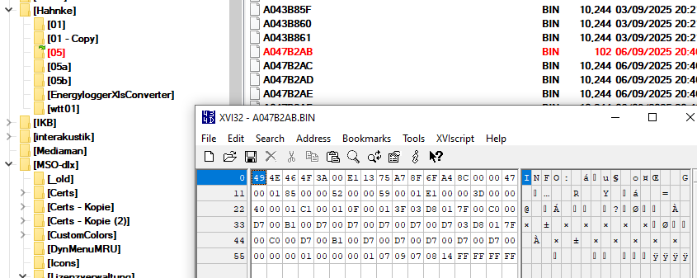
 |  |  | ReadDir()
 |  |  |  | Verzeichnis auswählen
 |  |  |  | Dateinamen *.bin einlesen
 |  |  |  | Dateinamen aufsteigend sortieren

 |  |  |  | Gesamtdatensatz enlog as EnergyLoggerStruct befüllen
 |  |  |  |  | Call ProcessInformationFile(ByteArray, EnLog.Info)
 |  |  |  |  | iTmp = ProcessDataFile(ByteArray, EnLog.Data(DataCtr))

 |  |  |  | 'Ausgabe in Excel Sheet
 |  |  |  |  | Daten-Datei nach "Daten"
 |  |  |  |  | Ino-Daten nach "InfoZsf"

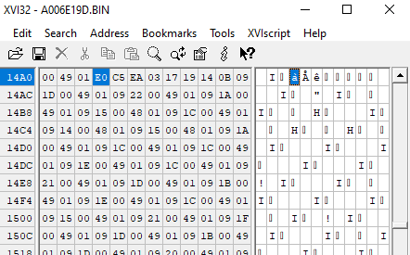
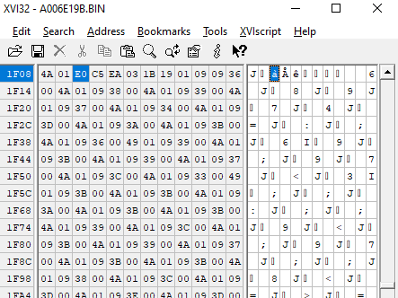
Anfangskennung kann mehrfach in Daten-Datei vorhanden sein | 2x |  |  |  | 3x
2x

