Part A Code
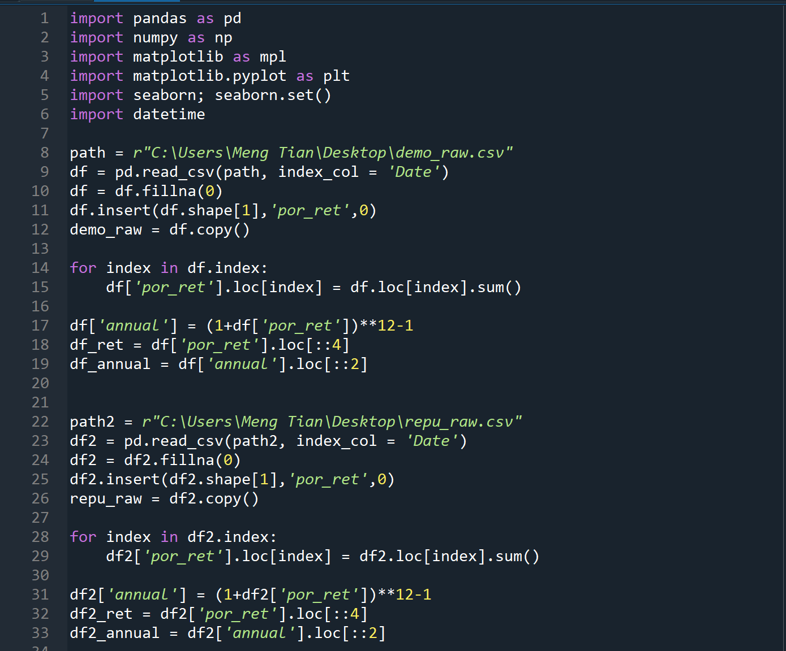

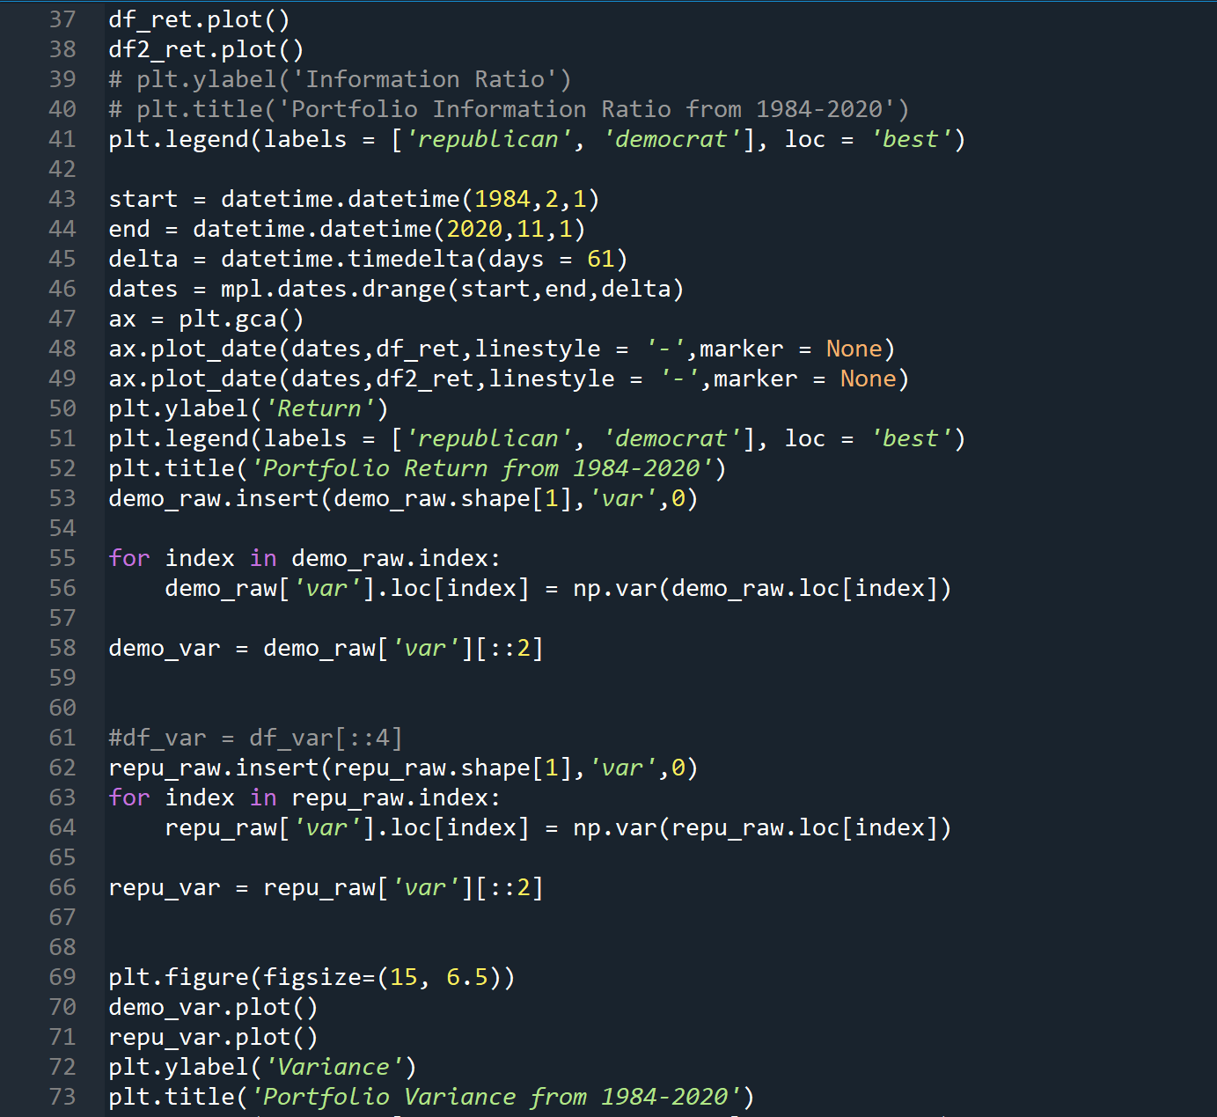

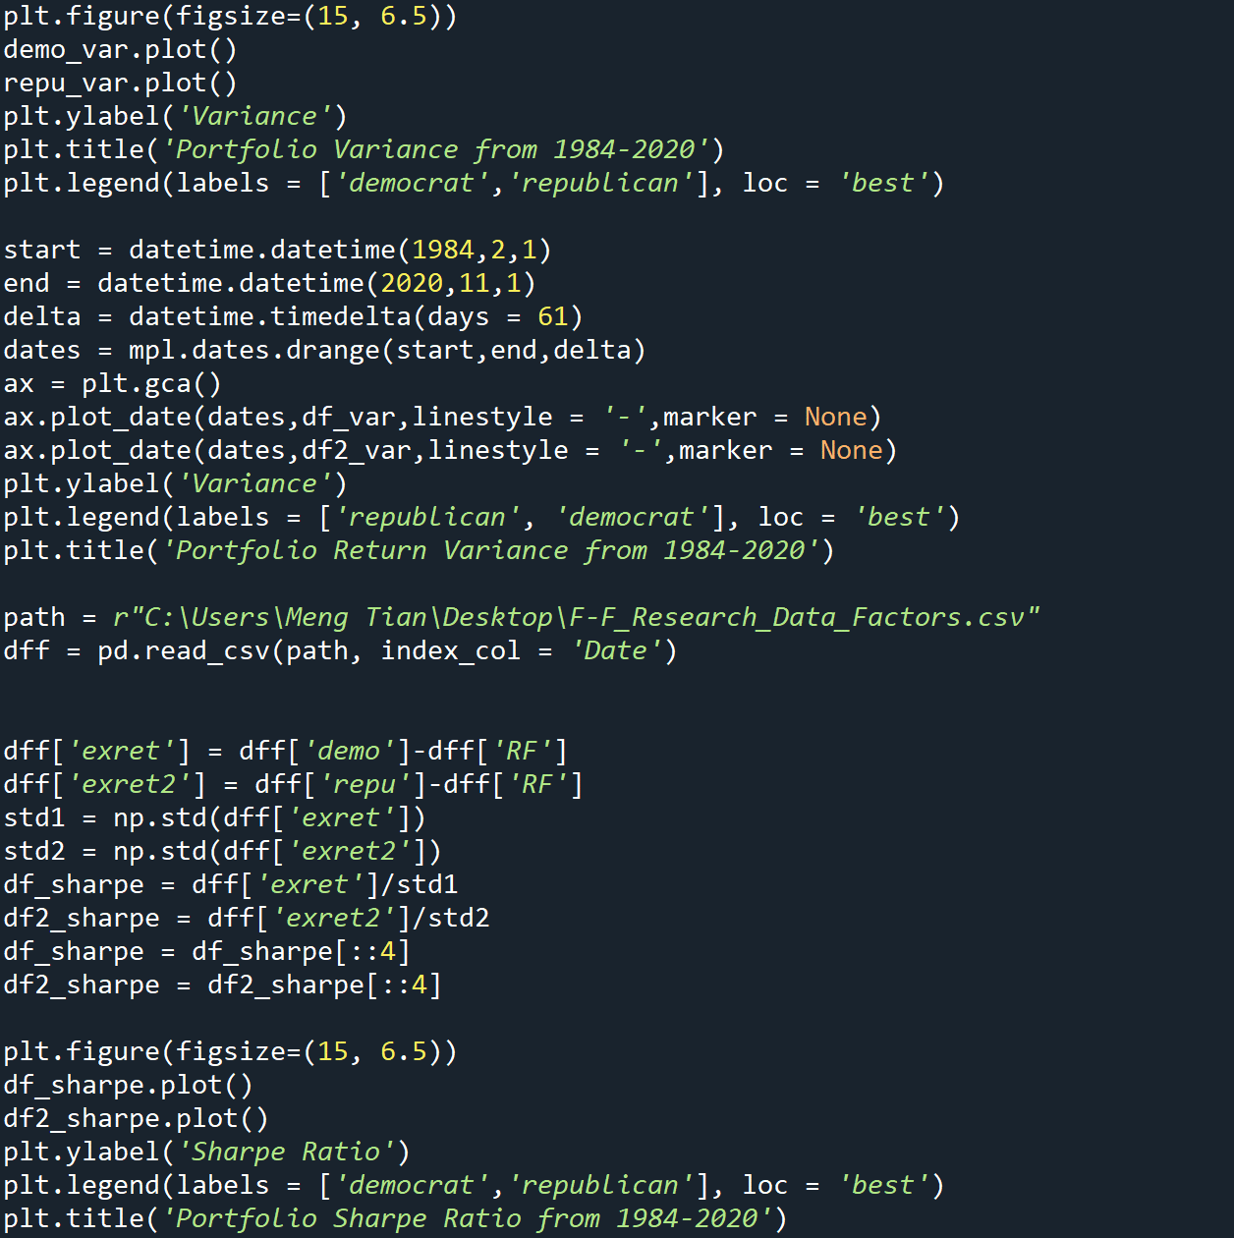

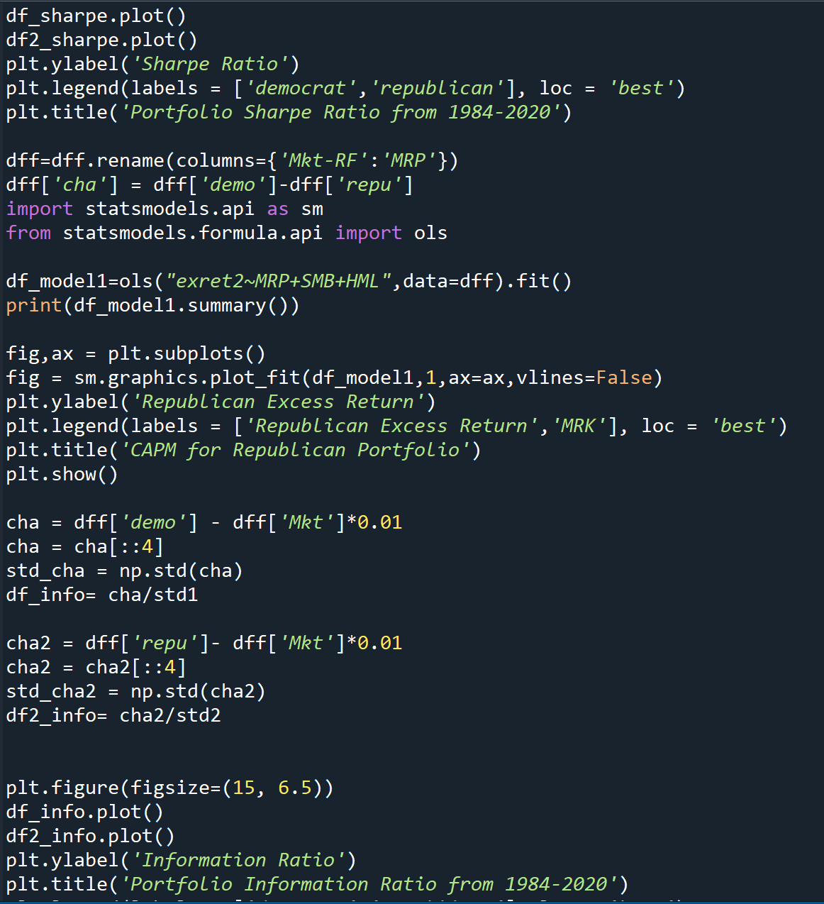

Part B Regression & Prediction
Date | Ticker | Price 10/1/2020 | DtD | DtR | RtD | RtR | Energy | Technology | Finance | Consumer | Communication | Healthcare | RealEstate | Utilities | Semiconductor | DtD*Energy | DtD*Technology | DtD*Finance | DtD*Consumer | DtD*Communication | DtD*Healthcare | DtD*RealEstate | DtD*Utilities | DtD*Semiconductor | Industrials | DtD*Industrials | DtR*Energy | DtR*Technology | DtR*Finance | DtR*Consumer | DtR*Communication | DtR*Healthcare | DtR*RealEstate | DtR*Utilities | DtR*Semiconductor | DtR*Industrials | RtD*Energy | RtD*Technology | RtD*Finance | RtD*Consumer | RtD*Communication | RtD*Healthcare | RtD*RealEstate | RtD*Utilities | RtD*Semiconductor | RtD*Industrials | RtR*Energy | RtR*Technology | RtR*Finance | RtR*Consumer | RtR*Communication | RtR*Healthcare | RtR*RealEstate | RtR*Utilities | RtR*Semiconductor | RtR*Industrials | GSPC | GDP | CPI | OilPrice | Interest | Energy*OilPrice | Finance*Interest | Consumer*CPI | Prediction | DtD | DtR | RtD | RtR |  | Price | DtD | DtR | RtD | RtR
2020-11-01 | EXC | 39.889999 | 0 | 0 | 0 | 1 | 0 | 0 | 0 | 0 | 0 | 0 | 0 | 1 | 0 | 0 | 0 | 0 | 0 | 0 | 0 | 0 | 0 | 0 | 0 | 0 | 0 | 0 | 0 | 0 | 0 | 0 | 0 | 0 | 0 | 0 | 0 | 0 | 0 | 0 | 0 | 0 | 0 | 1 | 0 | 0 | 0 | 0 | 0 | 0 | 0 | 0 | 0 | 0 | 0 | 0 | 0.084273202 | 21.16 | 260.28 | 42.45 | 0.972 | 0 | 0 | 0 | 7.50% | 10.80% | 8.82% | 9.14% | 7.50% |  |  | 44.19868905 | 43.40853481 | 43.53529956 | 42.88295585
2020-11-01 | F | 7.73 | 0 | 0 | 0 | 1 | 0 | 0 | 0 | 1 | 0 | 0 | 0 | 0 | 0 | 0 | 0 | 0 | 0 | 0 | 0 | 0 | 0 | 0 | 0 | 0 | 0 | 0 | 0 | 0 | 0 | 0 | 0 | 0 | 0 | 0 | 0 | 0 | 0 | 1 | 0 | 0 | 0 | 0 | 0 | 0 | 0 | 0 | 0 | 0 | 0 | 0 | 0 | 0 | 0 | 0 | 0.084273202 | 21.16 | 260.28 | 42.45 | 0.972 | 0 | 0 | 260.28 | 9.03% | 12.33% | 10.35% | 10.66% | 9.03% |  |  | 8.682841762 | 8.529723375 | 8.554288217 | 8.427875156
Democrat Wins
DtD | 0.110256887 | 0.098457181
RtD | 0.097435017 | 0.08243598
2020-11-01 | APTV | 96.489998 | 0 | 0 | 0 | 1 | 0 | 0 | 0 | 1 | 0 | 0 | 0 | 0 | 0 | 0 | 0 | 0 | 0 | 0 | 0 | 0 | 0 | 0 | 0 | 0 | 0 | 0 | 0 | 0 | 0 | 0 | 0 | 0 | 0 | 0 | 0 | 0 | 0 | 1 | 0 | 0 | 0 | 0 | 0 | 0 | 0 | 0 | 0 | 0 | 0 | 0 | 0 | 0 | 0 | 0 | 0.084273202 | 21.16 | 260.28 | 42.45 | 0.972 | 0 | 0 | 260.28 | 9.03% | 12.33% | 10.35% | 10.66% | 9.03% |  |  | 108.3838789 | 106.4725733 | 106.7792048 | 105.2012493
2020-11-01 | STZ | 164.544769 | 0 | 0 | 0 | 1 | 0 | 0 | 0 | 1 | 0 | 0 | 0 | 0 | 0 | 0 | 0 | 0 | 0 | 0 | 0 | 0 | 0 | 0 | 0 | 0 | 0 | 0 | 0 | 0 | 0 | 0 | 0 | 0 | 0 | 0 | 0 | 0 | 0 | 1 | 0 | 0 | 0 | 0 | 0 | 0 | 0 | 0 | 0 | 0 | 0 | 0 | 0 | 0 | 0 | 0 | 0.084273202 | 21.16 | 260.28 | 42.45 | 0.972 | 0 | 0 | 260.28 | 9.03% | 12.33% | 10.35% | 10.66% | 9.03% |  |  | 184.8274504 | 181.5680934 | 182.0909933 | 179.4000997
2020-11-01 | EL | 219.660004 | 0 | 0 | 0 | 1 | 0 | 0 | 0 | 1 | 0 | 0 | 0 | 0 | 0 | 0 | 0 | 0 | 0 | 0 | 0 | 0 | 0 | 0 | 0 | 0 | 0 | 0 | 0 | 0 | 0 | 0 | 0 | 0 | 0 | 0 | 0 | 0 | 0 | 1 | 0 | 0 | 0 | 0 | 0 | 0 | 0 | 0 | 0 | 0 | 0 | 0 | 0 | 0 | 0 | 0 | 0.084273202 | 21.16 | 260.28 | 42.45 | 0.972 | 0 | 0 | 260.28 | 9.03% | 12.33% | 10.35% | 10.66% | 9.03% |  |  | 246.7364885 | 242.3853908 | 243.0834391 | 239.4912148
2020-11-01 | SPWR | 15.99 | 0 | 0 | 0 | 1 | 0 | 0 | 0 | 0 | 0 | 0 | 0 | 0 | 1 | 0 | 0 | 0 | 0 | 0 | 0 | 0 | 0 | 0 | 0 | 0 | 0 | 0 | 0 | 0 | 0 | 0 | 0 | 0 | 0 | 0 | 0 | 0 | 0 | 0 | 0 | 0 | 0 | 0 | 1 | 0 | 0 | 0 | 0 | 0 | 0 | 0 | 0 | 0 | 0 | 0 | 0.084273202 | 21.16 | 260.28 | 42.45 | 0.972 | 0 | 0 | 0 | 5.24% | 8.54% | 6.56% | 6.88% | 5.24% |  |  | 17.35532402 | 17.03858883 | 17.08940278 | 16.82790927
2020-11-01 | KO | 48.060001 | 0 | 0 | 0 | 1 | 0 | 0 | 0 | 1 | 0 | 0 | 0 | 0 | 0 | 0 | 0 | 0 | 0 | 0 | 0 | 0 | 0 | 0 | 0 | 0 | 0 | 0 | 0 | 0 | 0 | 0 | 0 | 0 | 0 | 0 | 0 | 0 | 0 | 1 | 0 | 0 | 0 | 0 | 0 | 0 | 0 | 0 | 0 | 0 | 0 | 0 | 0 | 0 | 0 | 0 | 0.084273202 | 21.16 | 260.28 | 42.45 | 0.972 | 0 | 0 | 260.28 | 9.03% | 12.33% | 10.35% | 10.66% | 9.03% |  |  | 53.98413761 | 53.03214928 | 53.18487713 | 52.39892476
2020-11-01 | WMT | 138.75 | 0 | 0 | 0 | 1 | 0 | 0 | 0 | 1 | 0 | 0 | 0 | 0 | 0 | 0 | 0 | 0 | 0 | 0 | 0 | 0 | 0 | 0 | 0 | 0 | 0 | 0 | 0 | 0 | 0 | 0 | 0 | 0 | 0 | 0 | 0 | 0 | 0 | 1 | 0 | 0 | 0 | 0 | 0 | 0 | 0 | 0 | 0 | 0 | 0 | 0 | 0 | 0 | 0 | 0 | 0.084273202 | 21.16 | 260.28 | 42.45 | 0.972 | 0 | 0 | 260.28 | 9.03% | 12.33% | 10.35% | 10.66% | 9.03% |  |  | 155.8530782 | 153.1046725 | 153.5456003 | 151.2765431
2020-11-01 | HD | 266.709991 | 0 | 0 | 0 | 1 | 0 | 0 | 0 | 1 | 0 | 0 | 0 | 0 | 0 | 0 | 0 | 0 | 0 | 0 | 0 | 0 | 0 | 0 | 0 | 0 | 0 | 0 | 0 | 0 | 0 | 0 | 0 | 0 | 0 | 0 | 0 | 0 | 0 | 1 | 0 | 0 | 0 | 0 | 0 | 0 | 0 | 0 | 0 | 0 | 0 | 0 | 0 | 0 | 0 | 0 | 0.084273202 | 21.16 | 260.28 | 42.45 | 0.972 | 0 | 0 | 260.28 | 9.03% | 12.33% | 10.35% | 10.66% | 9.03% |  |  | 299.5861123 | 294.3030329 | 295.1505994 | 290.7889401
2020-11-01 | NEE | 73.209999 | 0 | 0 | 0 | 1 | 0 | 0 | 0 | 0 | 0 | 0 | 0 | 1 | 0 | 0 | 0 | 0 | 0 | 0 | 0 | 0 | 0 | 0 | 0 | 0 | 0 | 0 | 0 | 0 | 0 | 0 | 0 | 0 | 0 | 0 | 0 | 0 | 0 | 0 | 0 | 0 | 0 | 1 | 0 | 0 | 0 | 0 | 0 | 0 | 0 | 0 | 0 | 0 | 0 | 0 | 0.084273202 | 21.16 | 260.28 | 42.45 | 0.972 | 0 | 0 | 0 | 7.50% | 10.80% | 8.82% | 9.14% | 7.50% |  |  | 81.11772531 | 79.66755752 | 79.9002085 | 78.70296399
2020-11-01 | CSX | 78.940002 | 0 | 0 | 0 | 1 | 0 | 0 | 0 | 0 | 0 | 0 | 0 | 0 | 0 | 0 | 0 | 0 | 0 | 0 | 0 | 0 | 0 | 0 | 1 | 0 | 0 | 0 | 0 | 0 | 0 | 0 | 0 | 0 | 0 | 0 | 0 | 0 | 0 | 0 | 0 | 0 | 0 | 0 | 0 | 0 | 0 | 0 | 0 | 0 | 0 | 0 | 0 | 0 | 0 | 1 | 0.084273202 | 21.16 | 260.28 | 42.45 | 0.972 | 0 | 0 | 0 | 9.63% | 7.14% | 15.90% | 7.76% | 9.63% |  |  | 84.57664192 | 91.49310687 | 85.06449005 | 86.54235568
2020-11-01 | MCD | 213 | 0 | 0 | 0 | 1 | 0 | 0 | 0 | 1 | 0 | 0 | 0 | 0 | 0 | 0 | 0 | 0 | 0 | 0 | 0 | 0 | 0 | 0 | 0 | 0 | 0 | 0 | 0 | 0 | 0 | 0 | 0 | 0 | 0 | 0 | 0 | 0 | 0 | 1 | 0 | 0 | 0 | 0 | 0 | 0 | 0 | 0 | 0 | 0 | 0 | 0 | 0 | 0 | 0 | 0 | 0.084273202 | 21.16 | 260.28 | 42.45 | 0.972 | 0 | 0 | 260.28 | 9.03% | 12.33% | 10.35% | 10.66% | 9.03% |  |  | 239.2555363 | 235.0363621 | 235.7132458 | 232.2299364
2020-11-01 | SPG | 61.660442 | 0 | 0 | 0 | 1 | 0 | 0 | 0 | 0 | 0 | 0 | 1 | 0 | 0 | 0 | 0 | 0 | 0 | 0 | 0 | 0 | 0 | 0 | 0 | 0 | 0 | 0 | 0 | 0 | 0 | 0 | 0 | 0 | 0 | 0 | 0 | 0 | 0 | 0 | 0 | 0 | 1 | 0 | 0 | 0 | 0 | 0 | 0 | 0 | 0 | 0 | 0 | 0 | 0 | 0 | 0.084273202 | 21.16 | 260.28 | 42.45 | 0.972 | 0 | 0 | 0 | 6.02% | 9.32% | 7.34% | 7.66% | 6.02% |  |  | 67.4084463 | 66.18705595 | 66.38300407 | 65.374636
2020-11-01 | FSLR | 87.050003 | 0 | 0 | 0 | 1 | 0 | 0 | 0 | 0 | 0 | 0 | 0 | 0 | 1 | 0 | 0 | 0 | 0 | 0 | 0 | 0 | 0 | 0 | 0 | 0 | 0 | 0 | 0 | 0 | 0 | 0 | 0 | 0 | 0 | 0 | 0 | 0 | 0 | 0 | 0 | 0 | 0 | 0 | 1 | 0 | 0 | 0 | 0 | 0 | 0 | 0 | 0 | 0 | 0 | 0 | 0.084273202 | 21.16 | 260.28 | 42.45 | 0.972 | 0 | 0 | 0 | 5.24% | 8.54% | 6.56% | 6.88% | 5.24% |  |  | 94.48286478 | 92.75854963 | 93.03518218 | 91.61160426
2020-11-01 | NSC | 208.229675 | 0 | 0 | 0 | 1 | 0 | 0 | 0 | 0 | 0 | 0 | 0 | 0 | 0 | 0 | 0 | 0 | 0 | 0 | 0 | 0 | 0 | 0 | 1 | 0 | 0 | 0 | 0 | 0 | 0 | 0 | 0 | 0 | 0 | 0 | 0 | 0 | 0 | 0 | 0 | 0 | 0 | 0 | 0 | 0 | 0 | 0 | 0 | 0 | 0 | 0 | 0 | 0 | 0 | 1 | 0.084273202 | 21.16 | 260.28 | 42.45 | 0.972 | 0 | 0 | 0 | 9.63% | 7.14% | 15.90% | 7.76% | 9.63% |  | dem | 223.0981279 | 241.3425314 | 224.3849844 | 228.2833309
2020-11-01 | HON | 164.95 | 0 | 0 | 0 | 1 | 0 | 0 | 0 | 0 | 0 | 0 | 0 | 0 | 0 | 0 | 0 | 0 | 0 | 0 | 0 | 0 | 0 | 0 | 1 | 0 | 0 | 0 | 0 | 0 | 0 | 0 | 0 | 0 | 0 | 0 | 0 | 0 | 0 | 0 | 0 | 0 | 0 | 0 | 0 | 0 | 0 | 0 | 0 | 0 | 0 | 0 | 0 | 0 | 0 | 1 | 0.084273202 | 21.16 | 260.28 | 42.45 | 0.972 | 0 | 0 | 0 | 9.63% | 7.14% | 15.90% | 7.76% | 9.63% |  | rep | 176.7281065 | 191.1804864 | 177.7474953 | 180.8355866
2020-11-01 | GOOG | 1621.01 | 0 | 0 | 0 | 1 | 0 | 0 | 0 | 0 | 1 | 0 | 0 | 0 | 0 | 0 | 0 | 0 | 0 | 0 | 0 | 0 | 0 | 0 | 0 | 0 | 0 | 0 | 0 | 0 | 0 | 0 | 0 | 0 | 0 | 0 | 0 | 0 | 0 | 0 | 1 | 0 | 0 | 0 | 0 | 0 | 0 | 0 | 0 | 0 | 0 | 0 | 0 | 0 | 0 | 0 | 0.084273202 | 21.16 | 260.28 | 42.45 | 0.972 | 0 | 0 | 0 | 1.70% | 4.99% | 3.01% | 3.33% | 1.70% |  |  | 1701.976223 | 1669.866723 | 1675.018063 | 1648.508769
2020-11-01 | COP | 28.27236 | 0 | 0 | 0 | 1 | 1 | 0 | 0 | 0 | 0 | 0 | 0 | 0 | 0 | 0 | 0 | 0 | 0 | 0 | 0 | 0 | 0 | 0 | 0 | 0 | 0 | 0 | 0 | 0 | 0 | 0 | 0 | 0 | 0 | 0 | 1 | 0 | 0 | 0 | 0 | 0 | 0 | 0 | 0 | 0 | 0 | 0 | 0 | 0 | 0 | 0 | 0 | 0 | 0 | 0 | 0.084273202 | 21.16 | 260.28 | 42.45 | 0.972 | 42.45 | 0 | 0 | 11.27% | 14.57% | 12.59% | 12.91% | 11.27% |  |  | 32.39210216 | 31.83207394 | 31.92191948 | 31.45956559
Republican Wins
DtR | 0.108385038 | 0.081518191
RtR | 0.086937823 | 0.067019272
2020-11-01 | MRO | 3.96 | 0 | 0 | 0 | 1 | 1 | 0 | 0 | 0 | 0 | 0 | 0 | 0 | 0 | 0 | 0 | 0 | 0 | 0 | 0 | 0 | 0 | 0 | 0 | 0 | 0 | 0 | 0 | 0 | 0 | 0 | 0 | 0 | 0 | 0 | 1 | 0 | 0 | 0 | 0 | 0 | 0 | 0 | 0 | 0 | 0 | 0 | 0 | 0 | 0 | 0 | 0 | 0 | 0 | 0 | 0.084273202 | 21.16 | 260.28 | 42.45 | 0.972 | 42.45 | 0 | 0 | 11.27% | 14.57% | 12.59% | 12.91% | 11.27% |  |  | 4.537036334 | 4.458595349 | 4.471179666 | 4.406419547
2020-11-01 | C | 40.91294 | 0 | 0 | 0 | 1 | 0 | 0 | 1 | 0 | 0 | 0 | 0 | 0 | 0 | 0 | 0 | 0 | 0 | 0 | 0 | 0 | 0 | 0 | 0 | 0 | 0 | 0 | 0 | 0 | 0 | 0 | 0 | 0 | 0 | 0 | 0 | 0 | 1 | 0 | 0 | 0 | 0 | 0 | 0 | 0 | 0 | 0 | 0 | 0 | 0 | 0 | 0 | 0 | 0 | 0 | 0.084273202 | 21.16 | 260.28 | 42.45 | 0.972 | 0 | 0.972 | 0 | 6.91% | 10.21% | 8.23% | 8.55% | 6.91% |  |  | 45.09054265 | 44.28012565 | 44.41014117 | 43.74106872
2020-11-01 | CRM | 232.27 | 0 | 0 | 0 | 1 | 0 | 1 | 0 | 0 | 0 | 0 | 0 | 0 | 0 | 0 | 0 | 0 | 0 | 0 | 0 | 0 | 0 | 0 | 0 | 0 | 0 | 0 | 0 | 0 | 0 | 0 | 0 | 0 | 0 | 0 | 0 | 1 | 0 | 0 | 0 | 0 | 0 | 0 | 0 | 0 | 0 | 0 | 0 | 0 | 0 | 0 | 0 | 0 | 0 | 0 | 0.084273202 | 21.16 | 260.28 | 42.45 | 0.972 | 0 | 0 | 0 | 8.47% | 11.76% | 9.78% | 10.10% | 8.47% |  |  | 259.5930376 | 254.9921569 | 255.7302779 | 251.9318353
2020-11-01 | QCOM | 123.36 | 0 | 0 | 0 | 1 | 0 | 1 | 0 | 0 | 0 | 0 | 0 | 0 | 0 | 0 | 0 | 0 | 0 | 0 | 0 | 0 | 0 | 0 | 0 | 0 | 0 | 0 | 0 | 0 | 0 | 0 | 0 | 0 | 0 | 0 | 0 | 1 | 0 | 0 | 0 | 0 | 0 | 0 | 0 | 0 | 0 | 0 | 0 | 0 | 0 | 0 | 0 | 0 | 0 | 0 | 0.084273202 | 21.16 | 260.28 | 42.45 | 0.972 | 0 | 0 | 0 | 8.47% | 11.76% | 9.78% | 10.10% | 8.47% |  |  | 137.8714303 | 135.4278748 | 135.8198953 | 133.8025195
2020-11-01 | GILD | 58.15 | 0 | 0 | 0 | 1 | 0 | 0 | 0 | 0 | 0 | 1 | 0 | 0 | 0 | 0 | 0 | 0 | 0 | 0 | 0 | 0 | 0 | 0 | 0 | 0 | 0 | 0 | 0 | 0 | 0 | 0 | 0 | 0 | 0 | 0 | 0 | 0 | 0 | 0 | 0 | 1 | 0 | 0 | 0 | 0 | 0 | 0 | 0 | 0 | 0 | 0 | 0 | 0 | 0 | 0 | 0.084273202 | 21.16 | 260.28 | 42.45 | 0.972 | 0 | 0 | 0 | 7.58% | 10.88% | 8.90% | 9.21% | 7.58% |  |  | 64.47459349 | 63.32273913 | 63.50753157 | 62.55657174
2020-11-01 | AMZN | 3036.15 | 0 | 0 | 0 | 1 | 0 | 0 | 0 | 1 | 0 | 0 | 0 | 0 | 0 | 0 | 0 | 0 | 0 | 0 | 0 | 0 | 0 | 0 | 0 | 0 | 0 | 0 | 0 | 0 | 0 | 0 | 0 | 0 | 0 | 0 | 0 | 0 | 0 | 1 | 0 | 0 | 0 | 0 | 0 | 0 | 0 | 0 | 0 | 0 | 0 | 0 | 0 | 0 | 0 | 0 | 0.084273202 | 21.16 | 260.28 | 42.45 | 0.972 | 0 | 0 | 260.28 | 9.03% | 12.33% | 10.35% | 10.66% | 9.03% |  |  | 3410.402331 | 3350.261271 | 3359.909724 | 3310.257847
2020-11-01 | CVX | 69.5 | 0 | 0 | 0 | 1 | 1 | 0 | 0 | 0 | 0 | 0 | 0 | 0 | 0 | 0 | 0 | 0 | 0 | 0 | 0 | 0 | 0 | 0 | 0 | 0 | 0 | 0 | 0 | 0 | 0 | 0 | 0 | 0 | 0 | 0 | 1 | 0 | 0 | 0 | 0 | 0 | 0 | 0 | 0 | 0 | 0 | 0 | 0 | 0 | 0 | 0 | 0 | 0 | 0 | 0 | 0.084273202 | 21.16 | 260.28 | 42.45 | 0.972 | 42.45 | 0 | 0 | 11.27% | 14.57% | 12.59% | 12.91% | 11.27% |  |  | 79.62727909 | 78.25060019 | 78.47146132 | 77.33488852
2020-11-01 | FB | 263.11 | 0 | 0 | 0 | 1 | 0 | 0 | 0 | 0 | 1 | 0 | 0 | 0 | 0 | 0 | 0 | 0 | 0 | 0 | 0 | 0 | 0 | 0 | 0 | 0 | 0 | 0 | 0 | 0 | 0 | 0 | 0 | 0 | 0 | 0 | 0 | 0 | 0 | 0 | 1 | 0 | 0 | 0 | 0 | 0 | 0 | 0 | 0 | 0 | 0 | 0 | 0 | 0 | 0 | 0 | 0.084273202 | 21.16 | 260.28 | 42.45 | 0.972 | 0 | 0 | 0 | 1.70% | 4.99% | 3.01% | 3.33% | 1.70% |  |  | 276.2518208 | 271.0400513 | 271.8761775 | 267.5733909
2020-11-01 | MRK | 75.21 | 0 | 0 | 0 | 1 | 0 | 0 | 0 | 0 | 0 | 1 | 0 | 0 | 0 | 0 | 0 | 0 | 0 | 0 | 0 | 0 | 0 | 0 | 0 | 0 | 0 | 0 | 0 | 0 | 0 | 0 | 0 | 0 | 0 | 0 | 0 | 0 | 0 | 0 | 0 | 1 | 0 | 0 | 0 | 0 | 0 | 0 | 0 | 0 | 0 | 0 | 0 | 0 | 0 | 0 | 0.084273202 | 21.16 | 260.28 | 42.45 | 0.972 | 0 | 0 | 0 | 7.58% | 10.88% | 8.90% | 9.21% | 7.58% |  |  | 83.39009762 | 81.90031315 | 82.13931985 | 80.90936819
2020-11-01 | PYPL | 186.13 | 0 | 0 | 0 | 1 | 0 | 1 | 0 | 0 | 0 | 0 | 0 | 0 | 0 | 0 | 0 | 0 | 0 | 0 | 0 | 0 | 0 | 0 | 0 | 0 | 0 | 0 | 0 | 0 | 0 | 0 | 0 | 0 | 0 | 0 | 0 | 1 | 0 | 0 | 0 | 0 | 0 | 0 | 0 | 0 | 0 | 0 | 0 | 0 | 0 | 0 | 0 | 0 | 0 | 0 | 0.084273202 | 21.16 | 260.28 | 42.45 | 0.972 | 0 | 0 | 0 | 8.47% | 11.76% | 9.78% | 10.10% | 8.47% |  |  | 208.0253674 | 204.338443 | 204.9299377 | 201.8860486
2020-11-01 | AXP | 90.8605 | 0 | 0 | 0 | 1 | 0 | 0 | 1 | 0 | 0 | 0 | 0 | 0 | 0 | 0 | 0 | 0 | 0 | 0 | 0 | 0 | 0 | 0 | 0 | 0 | 0 | 0 | 0 | 0 | 0 | 0 | 0 | 0 | 0 | 0 | 0 | 0 | 1 | 0 | 0 | 0 | 0 | 0 | 0 | 0 | 0 | 0 | 0 | 0 | 0 | 0 | 0 | 0 | 0 | 0 | 0.084273202 | 21.16 | 260.28 | 42.45 | 0.972 | 0 | 0.972 | 0 | 6.91% | 10.21% | 8.23% | 8.55% | 6.91% |  |  | 100.1382265 | 98.33843173 | 98.62717349 | 97.14128036
2020-11-01 | V | 181.71 | 0 | 0 | 0 | 1 | 0 | 1 | 0 | 0 | 0 | 0 | 0 | 0 | 0 | 0 | 0 | 0 | 0 | 0 | 0 | 0 | 0 | 0 | 0 | 0 | 0 | 0 | 0 | 0 | 0 | 0 | 0 | 0 | 0 | 0 | 0 | 1 | 0 | 0 | 0 | 0 | 0 | 0 | 0 | 0 | 0 | 0 | 0 | 0 | 0 | 0 | 0 | 0 | 0 | 0 | 0.084273202 | 21.16 | 260.28 | 42.45 | 0.972 | 0 | 0 | 0 | 8.47% | 11.76% | 9.78% | 10.10% | 8.47% |  |  | 203.0854215 | 199.48605 | 200.0634985 | 197.0918922
 |  |  |  |  |  |  |  |  |  |  |  |  |  |  |  |  |  |  |  |  |  |  |  |  |  |  |  |  |  |  |  |  |  |  |  |  |  |  |  |  |  |  |  |  |  |  |  |  |  |  |  |  |  |  |  |  |  |  |  |  |  |  |  |  |  |  |  |  |  |  | Portfolio Index
 |  | 39.889999 | 7.73 | 96.489998 | 164.544769 | 219.660004 | 15.99 | 48.060001 | 138.75 | 266.709991 | 73.209999 | 78.940002 | 213 | 61.660442 | 87.050003 | 208.229675 | 164.95 | 1621.01 | 28.27236 | 3.96 | 40.91294 | 232.27 | 123.36 | 58.15 | 3036.15 | 69.5 | 263.11 | 75.21 | 186.13 | 90.8605 | 181.71 |  |  |  |  |  |  |  |  |  |  |  |  |  |  |  |  |  |  |  |  |  |  |  |  |  |  |  |  |  |  |  |  |  |  |  |  |  |  |  | Original | DtD | DtR | RtD | RtR
 |  | 43.32 | 8.2 | 106.690002 | 199.917465 | 246.210007 | 19.26 | 52.57 | 143.539993 | 269.970001 | 75.510002 | 88.199997 | 213.220001 | 79.099998 | 86.110001 | 229.438995 | 196.99 | 1763 | 33.38 | 5.09 | 47.64 | 247.66 | 140.11 | 60.62 | 3035.02 | 83.07 | 272.43 | 81.11 | 183.36 | 115.95 | 213.31 |  |  |  |  |  |  |  |  |  |  |  |  |  |  |  |  |  |  |  |  |  |  |  |  |  |  |  |  |  |  |  |  |  |  |  |  |  |  | Dem | 114.6609922 | 127.3031562 | 127.0885282 | 125.832988 | 124.6293693
 | Intercept | 0.04 | 0.035754735 |  |  |  |  |  |  |  |  |  |  |  |  |  |  |  |  |  |  |  |  |  |  |  |  |  |  |  |  |  |  |  |  |  |  |  |  |  |  |  |  |  |  |  |  |  |  |  |  |  |  |  |  |  |  |  |  |  |  |  |  |  |  |  |  |  |  | Rep | 411.70372 | 452.2389077 | 445.2650624 | 445.6429197 | 439.2958034
 | DtD | 0.01 | 0.011805999
 | DtR | -0.01 | -0.008002331 |  |  |  |  |  |  |  |  |  |  |  |  |  |  |  |  |  |  |  |  |  |  |  |  |  |  |  |  |  |  |  |  |  |  |  |  |  |  |  |  |  |  |  |  |  |  |  |  |  |  |  |  |  |  |  |  |  |  |  |  |  |  |  |  |  |  |  | Portfolio Return
 | RtD | 0 | -0.004824473 |  |  |  |  |  |  |  |  |  |  |  |  |  |  |  |  |  |  |  |  |  |  |  |  |  |  |  |  |  |  |  |  |  |  |  |  |  |  |  |  |  |  |  |  |  |  |  |  |  |  |  |  |  |  |  |  |  |  |  |  |  |  |  |  |  |  |  | Actual | DtD | DtR | RtD | RtR
 | RtR | -0.02 | -0.021178038 |  |  |  |  |  |  |  |  |  |  |  |  |  |  |  |  |  |  |  |  |  |  |  |  |  |  |  |  |  |  |  |  |  |  |  |  |  |  |  |  |  |  |  |  |  |  |  |  |  |  |  |  |  |  |  |  |  |  |  |  |  |  |  |  |  |  | Dem | 0.082179403 | 0.110256887 | 0.108385038 | 0.097435017 | 0.086937823
 | Energy | -0.01 | -0.009359891 |  |  |  |  |  |  |  |  |  |  |  |  |  |  |  |  |  |  |  |  |  |  |  |  |  |  |  |  |  |  |  |  |  |  |  |  |  |  |  |  |  |  |  |  |  |  |  |  |  |  |  |  |  |  |  |  |  |  |  |  |  |  |  |  |  |  | Rep | 0.049094237 | 0.098457181 | 0.081518191 | 0.08243598 | 0.067019272
 | Technology | 0.01 | 0.014388345
 | Finance | 0 | -0.002822829
 | Consumer | 0.01 | 0.008240169
 | Communication | 0.01 | 0.013704197
 | Healthcare | 0 | 0.002843269
 | RealEstate | 0 | 0.000118843
 | Utilities | 0 | -0.001907881
 | Semiconductor | 0.01 | 0.011845627
 | DtD:Energy | -0.03 | -0.028608168
 | DtD:Technology | 0.02 | 0.022380542
 | DtD:Finance | -0.02 | -0.016608685
 | DtD:Consumer | -0.02 | -0.02062232
 | DtD:Communication | 0.14 | 0.143561524
 | DtD:Healthcare | 0.02 | 0.016790734
 | DtD:RealEstate | -0.04 | -0.039217216
 | DtD:Utilities | -0.1 | -0.095713173
 | DtD:Semiconductor | 0.06 | 0.05677888
 | Industrials | 0 | -0.001295115
 | DtD:Industrials | -0.03 | -0.02693612
 | DtR:Energy | 0.11 | 0.106631315
 | DtR:Technology | -0.01 | -0.007945737
 | DtR:Finance | 0.06 | 0.056406762
 | DtR:Consumer | -0.01 | -0.011677761
 | DtR:Communication | -0.11 | -0.107303787
 | DtR:Healthcare | 0.03 | 0.030552307
 | DtR:RealEstate | 0.03 | 0.02518166
 | DtR:Utilities | 0.02 | 0.018975316
 | DtR:Semiconductor | -0.2 | -0.199311347
 | DtR:Industrials | 0.08 | 0.080488941
 | RtD:Energy | 0.05 | 0.050105679
 | RtD:Technology | 0 | 0.00361113
 | RtD:Finance | 0.01 | 0.005330885
 | RtD:Consumer | 0.02 | 0.019702091
 | RtD:Communication | -0.06 | -0.063391524
 | RtD:Healthcare | 0.01 | 0.006284825
 | RtD:RealEstate | -0.01 | -0.006533889
 | RtD:Utilities | 0.01 | 0.010286838
 | RtD:Semiconductor | -0.03 | -0.026094846
 | RtD:Industrials | 0 | -0.004125662
 | RtR:Energy | 0.05 | 0.047089338
 | RtR:Technology | -0.11 | -0.109547915
 | RtR:Finance | 0.02 | 0.023550233
 | RtR:Consumer | 0.03 | 0.026259693
 | RtR:Communication | -0.08 | -0.084156264
 | RtR:Healthcare | -0.03 | -0.025665476
 | RtR:RealEstate | 0.06 | 0.055582807
 | RtR:Utilities | 0.01 | 0.014760264
 | RtR:Semiconductor | 0 | -5.94E-18
 | RtR:Industrials | 0.03 | 0.030949282
 | GSPC | 1.05 | 1.046728485
 | GDP | 0 | 3.07E-05
 | CPI | 0 | -0.000142142
 | OilPrice | 0 | 2.91E-05
 | Interest | 0 | -0.00105707
 | Energy:OilPrice | 0 | 0.00012568
 | Finance:Interest | 0 | -3.48E-05
 | Consumer:CPI | 0 | -1.66E-05

Part B Code For Data Cleaning
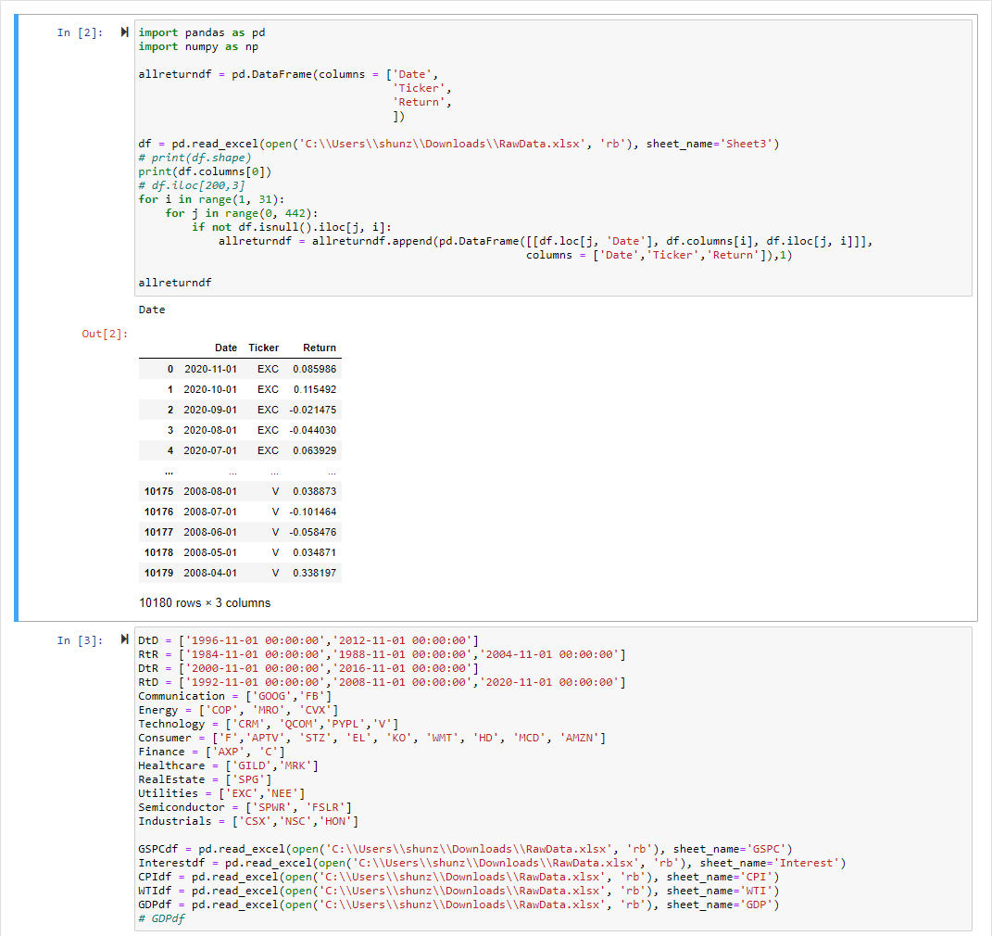

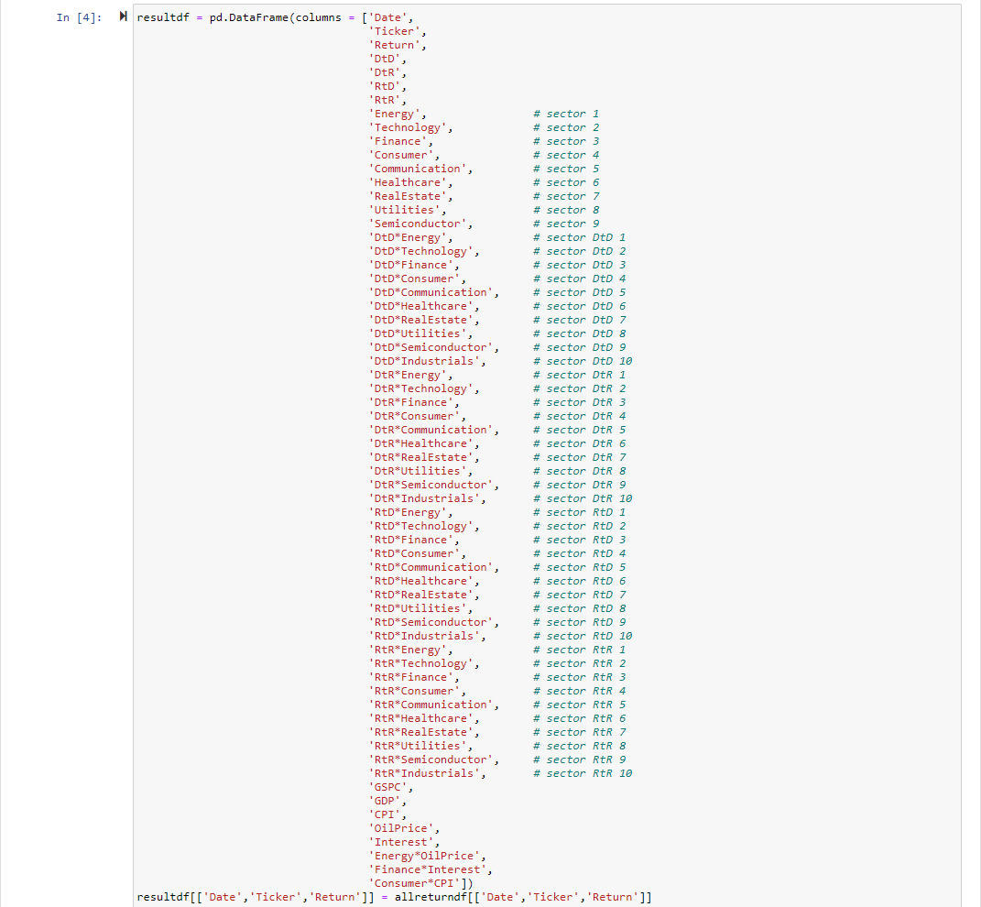

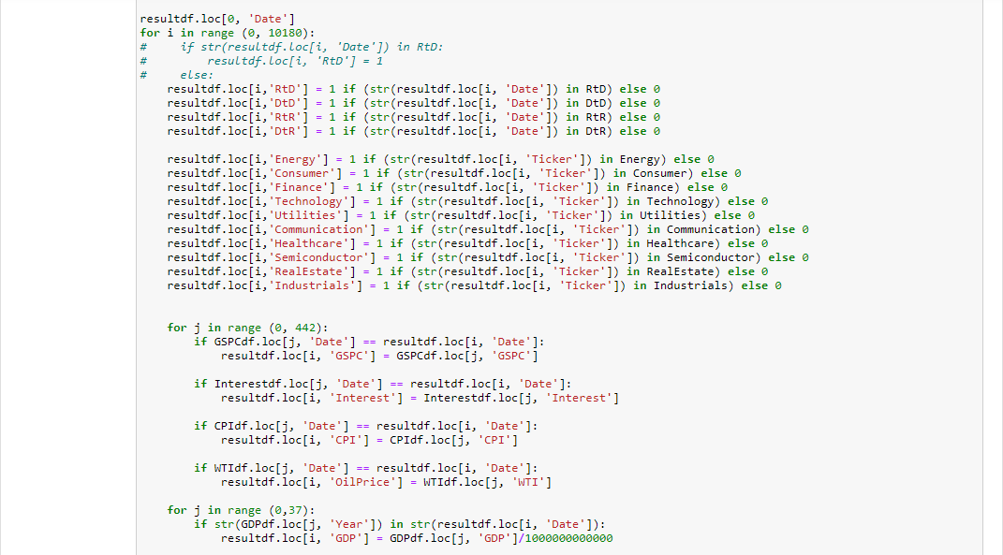

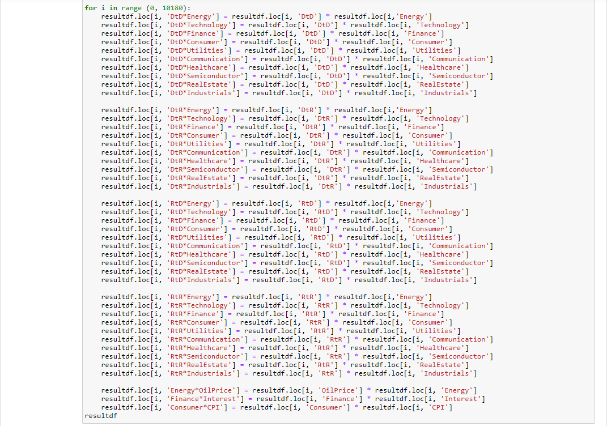

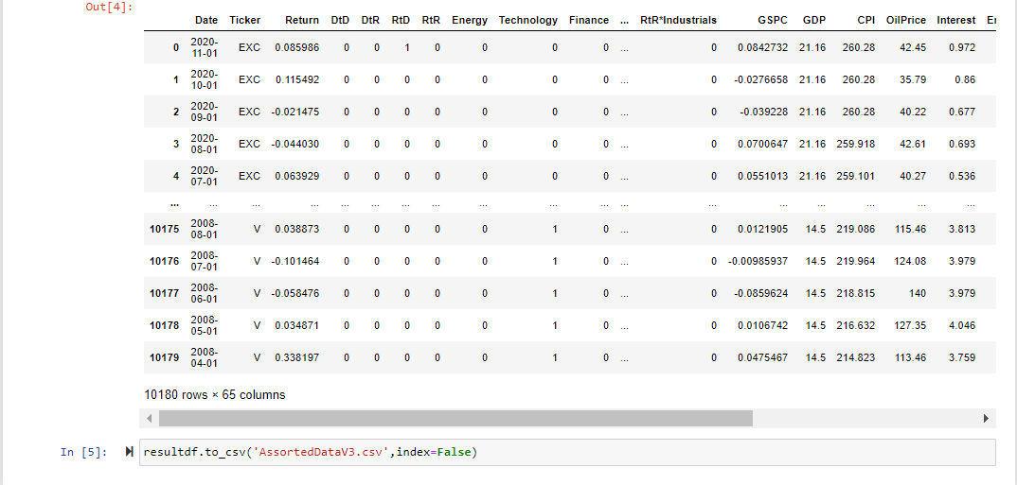

Part B Code For Regression
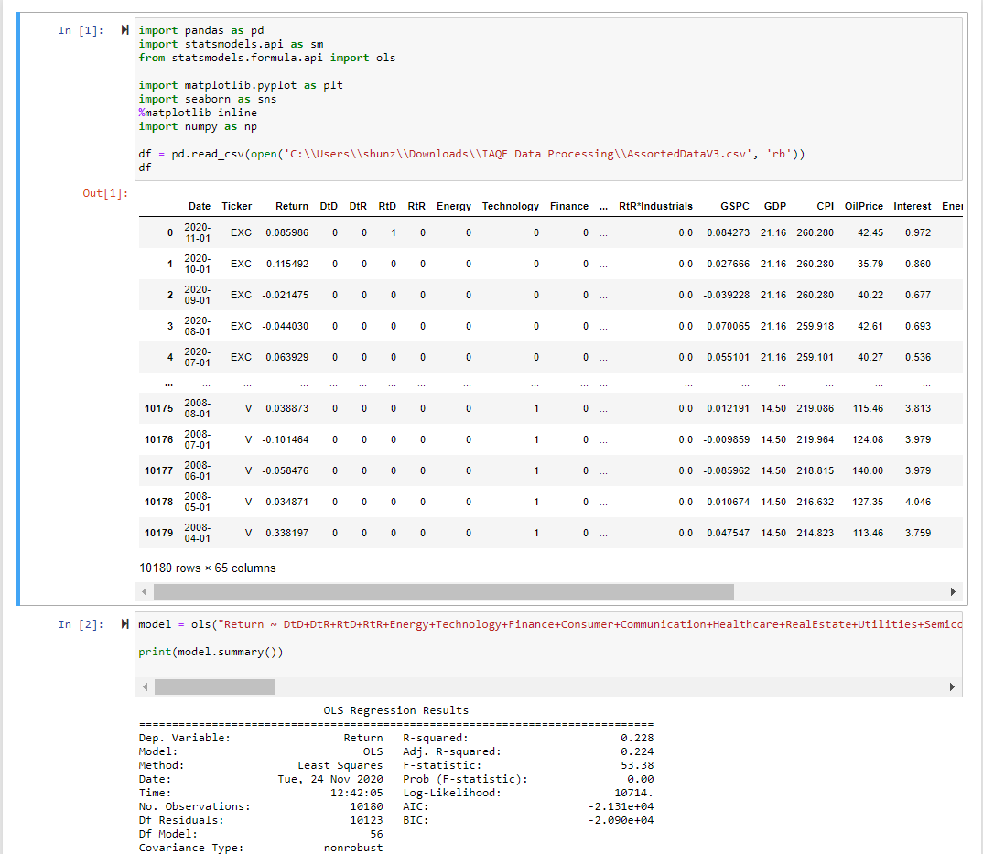

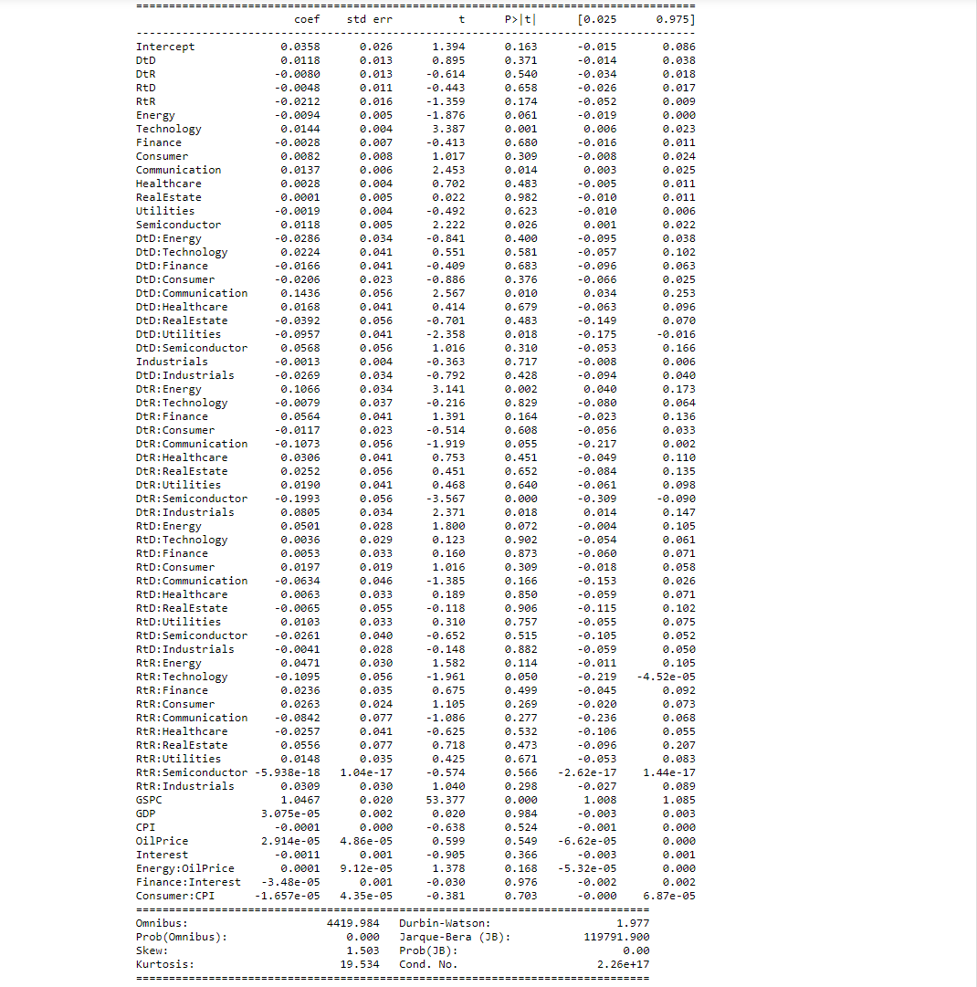

Part C
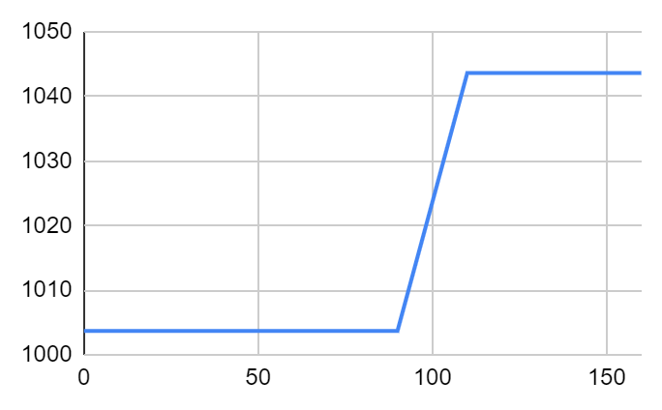
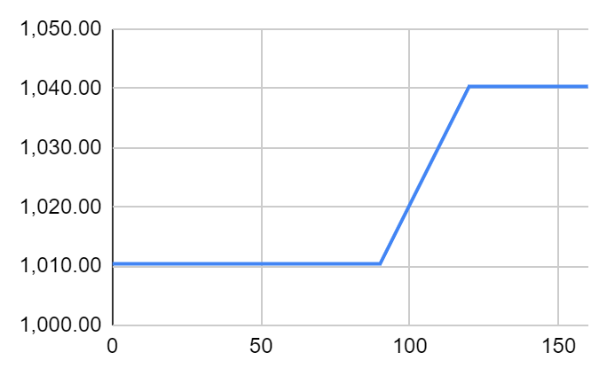
 |  |  |  |  |  |  |  |  |  |  |  |  |  |  |  |  | Stdev |  |  |  |  |  |  |  |  |  |  |  |  |  |  |  | Stdev
 |  |  |  |  |  |  |  |  |  |  |  |  |  |  |  |  | 0.2584028105 |  |  |  |  |  |  |  |  |  |  |  |  |  |  |  | 0.2740091926
 | S&P 500 | Exelon Corp. | Ford Motor | Aptiv PLC | Constellation Brands Inc. | Estee Lauder Cos. | SunPower Corp. | Coca-Cola Co. | Walmart Inc. | Home Depot Inc. | NextEra Energy Inc. | CSX Corp. | McDonald's Corp. | Simon Property Group Inc. | First Solar Inc. | Norfolk Southern Corp. | Average | Honeywell International Inc. | Alphabet Inc. | ConocoPhillips | Marathon Oil Corp. | Citigroup Inc. | Salesforce.com Inc. | QUALCOMM Inc. | Gilead Sciences Inc. | Amazon.com Inc. | Chevron Corp. | Facebook Inc. | Merck & Co. | PayPal Holdings Inc. | American Express Co. | Visa Inc. | Average
 | ^GSPC | EXC | F | APTV | STZ | EL | SPWR | KO | WMT | HD | NEE | CSX | MCD | SPG | FSLR | NSC |  | HON | GOOG | COP | MRO | C | CRM | QCOM | GILD | AMZN | CVX | FB | MRK | PYPL | AXP | V
Date
2020-11-01 | 8.43% | 8.60% | 6.08% | 10.57% | 21.50% | 12.09% | 20.45% | 9.38% | 3.45% | 1.22% | 3.14% | 11.73% | 0.10% | 28.28% | -1.08% | 10.19% | 9.71% | 19.42% | 8.76% | 18.07% | 28.54% | 16.44% | 6.63% | 13.58% | 4.25% | -0.04% | 19.53% | 3.54% | 7.84% | -1.49% | 27.61% | 17.39% | 12.67%
2020-10-01 | -2.77% | 11.55% | 16.07% | 5.25% | -12.81% | 0.65% | 27.82% | -1.87% | -0.83% | -3.45% | 5.51% | 1.64% | -2.96% | -2.89% | 31.50% | -2.28% | 4.86% | 0.21% | 10.30% | -12.85% | -3.18% | -3.92% | -7.58% | 5.39% | -7.01% | -3.58% | -3.47% | 0.46% | -8.67% | -5.53% | -8.99% | -9.13% | -3.84%
2020-09-01 | -3.92% | -2.15% | -2.35% | 6.46% | 3.18% | -1.35% | 11.80% | -0.32% | 1.18% | -2.57% | -0.08% | 1.93% | 3.40% | -4.67% | -13.57% | 1.18% | 0.14% | -0.01% | -10.07% | -13.33% | -22.54% | -15.67% | -7.82% | -1.19% | -5.33% | -8.76% | -12.98% | -10.68% | -2.72% | -3.48% | -1.32% | -5.53% | -8.09%
2020-08-01 | 7.01% | -4.40% | 3.18% | 10.77% | 3.52% | 12.24% | 83.14% | 4.85% | 7.30% | 7.36% | -0.55% | 7.18% | 9.90% | 11.02% | 28.61% | 10.57% | 12.98% | 10.83% | 10.20% | 2.37% | -3.83% | 3.25% | 39.93% | 12.77% | -4.00% | 9.05% | -0.01% | 15.58% | 6.27% | 4.12% | 9.36% | 11.34% | 8.48%
2020-07-01 | 5.51% | 6.39% | 8.72% | -0.22% | 1.86% | 4.70% | 21.80% | 6.69% | 8.03% | 6.61% | 17.52% | 2.29% | 5.32% | -8.82% | 20.30% | 9.48% | 7.38% | 3.31% | 4.91% | -11.02% | -10.29% | -2.13% | 4.01% | 16.68% | -8.83% | 14.71% | -5.93% | 11.71% | 4.59% | 12.54% | -1.97% | -1.43% | 2.06%
2020-06-01 | 1.84% | -4.24% | 6.48% | 3.41% | 1.78% | -4.45% | 6.09% | -4.28% | -3.03% | 0.82% | -6.02% | -2.23% | -0.33% | 18.51% | 6.18% | -0.97% | 1.18% | -0.13% | -1.07% | 0.62% | 14.61% | 7.79% | 7.17% | 12.77% | -1.14% | 12.96% | -1.27% | 0.88% | -4.20% | 12.40% | 0.14% | -0.89% | 4.04%
2020-05-01 | 4.53% | 3.32% | 12.18% | 8.34% | 4.86% | 11.94% | -1.77% | 1.72% | 2.06% | 13.03% | 10.57% | 8.08% | -0.66% | -13.58% | 5.93% | 4.20% | 4.68% | 2.78% | 5.95% | 0.19% | -12.75% | -1.34% | 7.93% | 2.81% | -7.35% | -1.28% | -0.33% | 9.96% | 1.74% | 26.02% | 4.77% | 9.24% | 3.22%
2020-04-01 | 12.68% | 0.73% | 5.38% | 41.25% | 14.88% | 10.71% | 44.97% | 4.62% | 7.45% | 18.53% | -3.95% | 15.58% | 13.43% | 21.71% | 22.05% | 17.19% | 15.64% | 6.06% | 15.98% | 36.69% | 86.02% | 15.29% | 12.48% | 17.21% | 13.41% | 26.89% | 26.97% | 22.73% | 3.97% | 28.47% | 6.59% | 10.92% | 21.98%
2020-03-01 | -12.51% | -13.96% | -30.60% | -36.80% | -16.52% | -12.99% | -40.84% | -17.27% | 5.52% | -14.29% | -4.31% | -18.38% | -14.31% | -54.74% | -21.21% | -19.58% | -20.69% | -17.05% | -13.18% | -35.94% | -60.08% | -33.63% | -15.50% | -13.60% | 7.79% | 3.50% | -21.46% | -13.34% | 0.50% | -11.34% | -22.12% | -11.23% | -17.11%
2020-02-01 | -8.41% | -9.41% | -19.75% | -7.88% | -8.45% | -5.92% | 0.59% | -8.41% | -5.95% | -4.50% | -5.76% | -7.72% | -9.25% | -7.56% | -7.68% | -12.42% | -8.01% | -6.38% | -6.62% | -18.53% | -27.18% | -14.15% | -6.53% | -8.22% | 9.75% | -6.22% | -12.88% | -4.68% | -10.39% | -5.18% | -15.06% | -8.65% | -9.39%
2020-01-01 | -0.16% | 4.39% | -5.16% | -10.72% | -0.76% | -5.51% | 9.23% | 5.51% | -3.23% | 5.12% | 10.75% | 5.50% | 8.28% | -10.61% | -11.40% | 7.25% | 0.58% | -2.14% | 7.27% | -8.61% | -16.27% | -6.86% | 12.09% | -2.56% | -1.83% | 8.71% | -11.09% | -1.63% | -5.41% | 5.29% | 4.32% | 5.89% | -0.86%
2019-12-01 | 2.86% | 3.52% | 2.65% | 1.39% | 2.38% | 5.92% | 4.14% | 4.43% | -0.21% | -0.97% | 4.12% | 1.48% | 2.26% | -0.13% | 1.30% | 0.33% | 2.18% | -0.38% | 2.46% | 8.49% | 17.06% | 7.11% | -0.15% | 5.60% | -3.36% | 2.61% | 3.90% | 1.79% | 4.32% | 0.15% | 3.64% | 2.01% | 3.68%
2019-11-01 | 3.40% | -2.40% | 7.08% | 4.84% | -2.24% | 4.94% | -14.50% | -1.89% | -0.01% | -5.72% | -1.90% | 1.81% | -1.13% | 0.35% | 6.66% | 6.86% | 0.18% | 3.37% | 3.56% | 9.41% | 1.04% | 4.54% | 4.09% | 3.87% | 5.54% | 1.36% | -0.38% | 5.21% | 0.60% | 3.76% | 2.81% | 4.74% | 3.57%
2019-10-01 | 2.04% | -5.84% | -6.11% | 2.44% | -8.18% | -6.37% | -20.15% | 0.71% | 0.35% | 1.42% | 2.30% | 1.44% | -8.39% | -3.19% | -10.72% | 1.30% | -3.93% | 2.09% | 3.37% | -3.12% | -6.03% | 4.02% | 5.42% | 6.29% | 1.46% | 2.35% | -0.86% | 7.62% | 3.63% | 0.49% | -0.85% | 2.41% | 1.89%
2019-09-01 | 1.72% | 3.04% | -0.11% | 5.40% | 1.83% | 0.70% | -12.38% | -1.09% | 4.38% | 1.80% | 6.95% | 3.74% | -0.97% | 5.97% | -6.54% | 3.75% | 1.10% | 3.30% | 2.60% | 9.20% | 4.04% | 8.16% | -4.89% | -1.92% | -0.25% | -2.27% | 1.78% | -4.09% | -2.65% | -5.01% | -1.74% | -4.73% | 0.10%
2019-08-01 | -1.81% | 4.88% | -2.34% | -5.11% | 3.83% | 7.49% | 7.10% | 4.58% | 3.52% | 6.65% | 5.75% | -4.80% | 3.44% | -8.18% | -3.75% | -8.93% | 0.94% | -4.55% | -2.35% | -11.23% | -15.85% | -9.57% | 1.02% | 6.30% | -3.02% | -4.85% | -4.38% | -4.41% | 4.19% | -1.22% | -2.91% | 1.58% | -3.42%
2019-07-01 | 1.31% | -6.01% | -6.84% | 8.44% | 6.38% | 0.93% | 9.35% | 4.17% | -0.10% | 3.47% | 1.13% | -9.01% | 1.47% | 1.53% | -1.81% | -4.12% | 0.60% | -1.22% | 12.56% | -3.15% | -0.99% | 1.61% | 1.83% | -2.95% | -2.10% | -1.42% | -1.07% | 0.64% | -0.36% | -3.55% | 0.75% | 2.56% | 0.21%
2019-06-01 | 6.89% | 0.44% | 7.46% | 26.57% | 5.24% | 13.63% | 43.30% | 3.64% | 9.50% | 9.54% | 4.01% | 4.23% | 5.35% | -0.28% | 13.16% | 2.59% | 9.89% | 6.77% | -2.06% | 3.98% | 8.42% | 13.40% | 0.21% | 13.84% | 8.53% | 6.68% | 10.38% | 8.75% | 5.86% | 4.29% | 7.61% | 7.74% | 6.96%
2019-05-01 | -6.58% | -5.63% | -7.44% | -25.27% | -16.64% | -6.27% | 3.32% | 0.14% | -1.36% | -6.80% | 1.94% | -6.48% | 0.35% | -6.68% | -5.67% | -4.35% | -5.79% | -5.37% | -7.14% | -6.59% | -22.83% | -12.09% | -8.43% | -22.42% | -4.29% | -7.86% | -5.17% | -8.24% | 0.64% | -2.68% | -1.80% | -1.89% | -7.74%
2019-04-01 | 3.93% | 1.64% | 21.13% | 7.81% | 20.73% | 3.78% | 10.91% | 5.61% | 6.01% | 6.95% | 0.58% | 6.43% | 4.04% | -4.67% | 16.45% | 9.17% | 7.77% | 9.26% | 1.29% | -5.42% | 1.97% | 13.63% | 4.41% | 52.78% | 1.01% | 8.19% | -2.53% | 16.02% | -4.72% | 8.60% | 7.26% | 5.28% | 7.80%
2019-03-01 | 1.79% | 3.95% | 0.11% | -4.09% | 4.09% | 5.78% | 0.93% | 3.35% | -1.47% | 3.65% | 3.67% | 3.30% | 3.95% | 1.71% | 0.55% | 4.77% | 2.28% | 3.70% | 4.77% | -1.19% | 0.96% | -2.07% | -3.23% | 6.82% | -0.02% | 8.59% | 4.05% | 3.25% | 2.31% | 5.88% | 1.45% | 5.63% | 2.73%
2019-02-01 | 2.97% | 1.74% | 1.40% | 5.03% | -2.59% | 15.04% | 11.02% | -5.80% | 3.30% | 0.88% | 4.88% | 10.61% | 2.83% | -0.53% | 3.87% | 6.89% | 3.90% | 7.27% | 0.32% | 0.24% | 5.13% | -0.74% | 7.69% | 7.82% | -7.13% | -4.59% | 4.30% | -3.14% | 9.22% | 10.49% | 5.34% | 9.71% | 3.46%
2019-01-01 | 7.87% | 5.90% | 15.03% | 28.52% | 7.98% | 4.86% | 16.90% | 1.65% | 3.44% | 6.82% | 2.97% | 5.75% | 0.68% | 8.41% | 19.15% | 12.17% | 9.35% | 8.71% | 7.80% | 8.56% | 10.11% | 23.82% | 10.95% | -12.04% | 12.87% | 14.43% | 5.39% | 27.16% | -1.91% | 5.55% | 7.74% | 2.33% | 8.77%

 | Exelon Corp. | Ford Motor | Aptiv PLC | Constellation Brands Inc. | Estee Lauder Cos. | SunPower Corp. | Coca-Cola Co. | Walmart Inc. | Home Depot Inc. | NextEra Energy Inc. | CSX Corp. | McDonald's Corp. | Simon Property Group Inc. | First Solar Inc. | Norfolk Southern Corp. | Index | Honeywell International Inc. | Alphabet Inc. | ConocoPhillips | Marathon Oil Corp. | Citigroup Inc. | Salesforce.com Inc. | QUALCOMM Inc. | Gilead Sciences Inc. | Amazon.com Inc. | Chevron Corp. | Facebook Inc. | Merck & Co. | PayPal Holdings Inc. | American Express Co. | Visa Inc. | Index
 | EXC | F | APTV | STZ | EL | SPWR | KO | WMT | HD | NEE | CSX | MCD | SPG | FSLR | NSC |  | HON | GOOG | COP | MRO | C | CRM | QCOM | GILD | AMZN | CVX | FB | MRK | PYPL | AXP | V
Date | Adj Close | https://finance.yahoo.com/
2020-11-01 | 43.32 | 8.2 | 106.690002 | 199.917465 | 246.210007 | 19.26 | 52.57 | 143.539993 | 269.970001 | 75.510002 | 88.199997 | 213.220001 | 79.099998 | 86.110001 | 229.438995 | 112.8009016 | 196.99 | 1763 | 33.38 | 5.09 | 47.64 | 247.66 | 140.11 | 60.62 | 3035.02 | 83.07 | 272.43 | 81.11 | 183.36 | 115.95 | 213.31 | 132
2020-10-01 | 39.889999 | 7.73 | 96.489998 | 164.544769 | 219.660004 | 15.99 | 48.060001 | 138.75 | 266.709991 | 73.209999 | 78.940002 | 213 | 61.660442 | 87.050003 | 208.229675 | 104.2349367 | 164.95 | 1621.01 | 28.27236 | 3.96 | 40.91294 | 232.27 | 123.36 | 58.15 | 3036.15 | 69.5 | 263.11 | 75.21 | 186.13 | 90.8605 | 181.71 | 125.82
2020-09-01 | 35.759998 | 6.66 | 91.68 | 188.724075 | 218.25 | 12.51 | 48.973568 | 139.910004 | 276.253174 | 69.389999 | 77.669998 | 219.490005 | 63.496216 | 66.199997 | 213.078949 | 104.7277196 | 164.61 | 1469.6 | 32.4411 | 4.09 | 42.58225 | 251.32 | 117.0531 | 62.53478 | 3148.73 | 72 | 261.9 | 82.35104 | 197.03 | 99.83302 | 199.97 | 126.45
2020-08-01 | 36.544811 | 6.82 | 86.120003 | 182.9151 | 221.228226 | 11.19 | 49.132286 | 138.281509 | 283.544739 | 69.442291 | 76.199074 | 212.278091 | 66.6082 | 76.589996 | 210.594788 | 104.6939708 | 164.6192 | 1634.18 | 37.42975 | 5.28 | 50.49419 | 272.65 | 118.4655 | 66.05787 | 3450.96 | 82.73721 | 293.2 | 84.6543 | 204.14 | 101.1674 | 211.67 | 138.09
2020-07-01 | 38.227989 | 6.61 | 77.75 | 176.688385 | 197.101852 | 6.11002 | 46.860676 | 128.870193 | 264.09726 | 69.822868 | 71.096542 | 193.149994 | 59.99791 | 59.549999 | 190.459824 | 96.14291321 | 148.5302 | 1482.96 | 36.56282 | 5.49 | 48.90254 | 194.85 | 105.0474 | 68.80904 | 3164.68 | 82.74706 | 253.67 | 79.66061 | 196.07 | 92.51209 | 190.1126 | 125.32
2020-06-01 | 35.930946 | 6.08 | 77.919998 | 173.465942 | 188.261505 | 5.016372 | 43.922199 | 119.289581 | 247.716721 | 59.41394 | 69.502007 | 183.397049 | 65.80043 | 49.5 | 173.971329 | 90.8578499 | 143.777 | 1413.61 | 41.0904 | 6.12 | 49.9684 | 187.33 | 90.02728 | 75.4704 | 2758.82 | 87.96188 | 227.07 | 76.16619 | 174.23 | 94.37581 | 192.8784 | 114.48
2020-05-01 | 37.523796 | 5.71 | 75.349998 | 170.44017 | 197.032013 | 4.728225 | 45.888279 | 123.010948 | 245.709335 | 63.221161 | 71.083733 | 184.00943 | 55.523327 | 46.619999 | 175.679169 | 90.9997597 | 143.9685 | 1428.92 | 40.83847 | 5.34 | 46.35701 | 174.79 | 79.83123 | 76.3434 | 2442.37 | 89.08888 | 225.09 | 79.50517 | 155.01 | 94.24694 | 194.6194 | 107.5
2020-04-01 | 36.319042 | 5.09 | 69.550003 | 162.534988 | 176.008743 | 4.81336 | 45.111679 | 120.522179 | 217.378815 | 57.175125 | 65.770828 | 185.234055 | 64.251167 | 44.009998 | 168.594482 | 86.2019809 | 140.0694 | 1348.66 | 40.76102 | 6.12 | 46.98595 | 161.95 | 77.64989 | 82.39555 | 2474 | 89.38035 | 204.71 | 78.14594 | 123 | 89.9603 | 178.1519 | 104.77
2020-03-01 | 36.054581 | 4.83 | 49.240002 | 141.4841 | 158.986572 | 3.320236 | 43.121319 | 112.162949 | 183.401077 | 59.525261 | 56.902737 | 163.299484 | 52.790462 | 36.060001 | 143.86203 | 75.45533295 | 132.0641 | 1162.81 | 29.82041 | 3.29 | 40.75469 | 143.98 | 66.24581 | 72.65543 | 1949.72 | 70.39674 | 166.8 | 75.16114 | 95.74 | 84.40002 | 160.6079 | 86.68
2020-02-01 | 41.904282 | 6.96 | 77.911842 | 169.487473 | 182.728241 | 5.612312 | 52.125637 | 106.299118 | 213.97937 | 62.203629 | 69.720024 | 190.569534 | 116.649788 | 45.77 | 178.889755 | 92.16830462 | 159.2162 | 1339.33 | 46.55054 | 8.24109 | 61.40297 | 170.4 | 76.67475 | 67.40744 | 1883.75 | 89.63454 | 192.47 | 74.78993 | 107.99 | 108.3763 | 180.9202 | 93.05
2020-01-01 | 46.258987 | 8.672508 | 84.574898 | 185.140335 | 194.233353 | 5.579568 | 56.9104 | 113.02179 | 224.057556 | 66.00338 | 75.548996 | 210.00238 | 126.19368 | 49.580002 | 204.259033 | 100 | 170.0649 | 1434.23 | 57.13545 | 11.31657 | 71.5238 | 182.31 | 83.53924 | 61.42085 | 2008.72 | 102.8867 | 201.91 | 83.46463 | 113.89 | 127.5922 | 198.0507 | 100
2019-12-01 | 44.314919 | 9.144482 | 94.729073 | 186.56601 | 205.559296 | 5.108055 | 53.938194 | 116.79213 | 213.146561 | 59.594994 | 71.610237 | 193.945755 | 141.177704 | 55.959999 | 190.446213 |  | 173.7761 | 1337.02 | 62.51924 | 13.51619 | 76.79125 | 162.64 | 85.73386 | 62.56377 | 1847.84 | 115.7259 | 205.25 | 88.24215 | 108.17 | 122.3066 | 187.0319
2019-11-01 | 42.806149 | 8.908496 | 93.426384 | 182.227798 | 194.064026 | 4.905043 | 51.652111 | 117.037827 | 215.22551 | 57.236362 | 70.562576 | 189.658325 | 141.360245 | 55.240002 | 189.828186 |  | 174.4307 | 1304.96 | 57.62576 | 11.54604 | 71.69381 | 162.89 | 81.18627 | 64.73974 | 1800.8 | 111.3826 | 201.64 | 84.5844 | 108.01 | 118.0132 | 183.3504
2019-10-01 | 43.857021 | 8.319652 | 89.11731 | 186.409851 | 184.930206 | 5.736739 | 52.648392 | 117.047661 | 228.284866 | 58.342804 | 69.309921 | 191.823288 | 140.864746 | 51.790001 | 177.63913 |  | 168.745 | 1260.11 | 52.6704 | 11.42711 | 68.58249 | 156.49 | 78.16425 | 61.341 | 1776.66 | 111.8105 | 191.65 | 84.07989 | 104.1 | 114.784 | 175.0529
2019-09-01 | 46.575794 | 8.861395 | 86.997597 | 203.010727 | 197.518982 | 7.184021 | 52.27586 | 116.634895 | 225.08519 | 57.033192 | 68.323578 | 209.38678 | 145.511017 | 58.009998 | 175.355194 |  | 165.2964 | 1219 | 54.36882 | 12.16051 | 65.92928 | 148.44 | 73.53809 | 60.45857 | 1735.91 | 112.7805 | 178.08 | 81.13452 | 103.59 | 115.7627 | 170.929
2019-08-01 | 45.200134 | 8.871069 | 82.543297 | 199.36795 | 196.148605 | 8.199083 | 52.852009 | 111.74102 | 221.098007 | 53.328934 | 65.861702 | 211.447891 | 137.315933 | 62.07 | 169.021011 |  | 160.0182 | 1188.1 | 49.78879 | 11.68879 | 60.95676 | 156.07 | 74.97453 | 60.6112 | 1776.29 | 110.8046 | 185.67 | 83.34167 | 109.05 | 117.8083 | 179.4247
2019-07-01 | 43.096027 | 9.083755 | 86.989548 | 192.021515 | 182.476944 | 7.655534 | 50.537811 | 107.946556 | 207.303055 | 50.429771 | 69.183296 | 204.414841 | 149.541031 | 64.489998 | 185.597778 |  | 167.6391 | 1216.68 | 56.08755 | 13.89031 | 67.40768 | 154.5 | 70.53024 | 62.49993 | 1866.78 | 115.878 | 194.23 | 79.98756 | 110.4 | 121.3437 | 176.6265
2019-06-01 | 45.850498 | 9.750978 | 80.22094 | 180.509216 | 180.802658 | 7.000655 | 48.517044 | 108.054138 | 200.348694 | 49.86747 | 76.032829 | 201.446396 | 147.291489 | 65.68 | 193.570572 |  | 169.7095 | 1080.91 | 57.9103 | 14.02852 | 66.33725 | 151.73 | 72.67138 | 63.83791 | 1893.63 | 117.1298 | 193 | 80.28028 | 114.46 | 120.4363 | 172.2108
2019-05-01 | 45.649349 | 9.074224 | 63.382011 | 171.524994 | 159.114182 | 4.885396 | 46.81152 | 98.679451 | 182.892731 | 47.945549 | 72.945442 | 191.21756 | 147.708847 | 58.040001 | 188.687576 |  | 158.9433 | 1103.63 | 55.69621 | 12.93887 | 58.49625 | 151.41 | 63.83464 | 58.82046 | 1775.07 | 106.1179 | 177.47 | 75.83782 | 109.75 | 111.9187 | 159.8393
2019-04-01 | 48.374249 | 9.803402 | 84.819458 | 205.761963 | 169.76593 | 4.728225 | 46.744827 | 100.041351 | 196.235184 | 47.033615 | 77.999794 | 190.54245 | 158.288757 | 61.529999 | 197.273956 |  | 167.9589 | 1188.48 | 59.62593 | 16.76642 | 66.54359 | 165.35 | 82.28192 | 61.45675 | 1926.52 | 111.9061 | 193.4 | 75.35911 | 112.77 | 113.9739 | 162.9106
2019-03-01 | 47.595703 | 8.093403 | 78.673264 | 170.436264 | 163.580414 | 4.263261 | 44.262245 | 94.368088 | 183.491623 | 46.762695 | 73.288284 | 183.145294 | 166.043732 | 52.84 | 180.710373 |  | 153.7294 | 1173.31 | 63.04554 | 16.44172 | 58.56213 | 158.37 | 53.85581 | 60.83981 | 1780.75 | 114.8142 | 166.69 | 79.09251 | 103.84 | 106.2642 | 154.7468
2019-02-01 | 45.786552 | 8.084186 | 82.025826 | 163.744003 | 154.646606 | 4.223969 | 42.826504 | 95.780754 | 177.037048 | 45.106548 | 70.947502 | 176.179153 | 163.253586 | 52.549999 | 172.482468 |  | 148.2472 | 1119.92 | 63.80439 | 16.28567 | 59.79828 | 163.65 | 50.41841 | 60.84917 | 1639.83 | 110.3495 | 161.45 | 77.30469 | 98.07 | 104.7475 | 146.4957
2019-01-01 | 45.004436 | 7.972937 | 78.097733 | 168.099915 | 134.426468 | 3.804846 | 45.46183 | 92.723198 | 175.497498 | 43.006443 | 64.142708 | 171.330017 | 164.118683 | 50.59 | 161.36203 |  | 138.2017 | 1116.37 | 63.65394 | 15.49101 | 60.24689 | 151.97 | 46.76381 | 65.51908 | 1718.73 | 105.8 | 166.69 | 70.78101 | 88.76 | 99.44051 | 133.5294

 |  |  |  |  |  |  |  |  |  |  |  |  |  |  |  |  | S0 | 100
 | Parameters of zero coupon bond |  |  |  |  |  |  | S0 | 100 |  |  |  |  |  |  |  | sigma | 0.27
Risk-free | 1.51% |  |  |  |  |  |  | sigma | 0.26 |  |  |  |  |  |  |  | Maturity | 0.01
Aa2 credit spread for jb | 0.78% |  |  |  |  |  |  | Maturity | 0.01 |  |  |  |  |  |  |  | r | 1.51%
discount rate | 2.29% |  |  |  |  |  |  | r | 1.51%
Value of ZCB | 977.6127
Balance of Funds | 22.3873 |  |  |  |  |  |  |  |  |  | Democratic Bull Spread |  |  |  |  |  |  |  |  | Republican Bull Spread
 |  |  |  |  |  |  |  |  |  |  | sell | 110 call | 7.03 | 120 call | 4.3516 |  |  |  |  | sell | 120 call | 4.92 | 110 call | 7.6558
 |  |  |  |  |  |  |  |  |  |  | buy | 90 call | 16.39 | 90 call | 16.39 |  |  |  |  | buy | 90 call | 16.923 | 90 call | 16.923
ZCB | 1,015.10 |  |  |  |  |  |  |  |  |  |  | debt | -9.36 | debt | -12.03 |  |  |  |  |  | debt | -12.01 | debt | -9.2672
 |  |  |  |  |  |  |  |  |  |  |  | max payoff | 10.64 | max payoff | -2.03 |  |  |  |  |  | max payoff | 17.99 | max payoff | 10.7328
 |  |  |  |  |  |  |  |  |  |  |  | number of contract | 2 | number of contract | 1 |  |  |  |  |  | number of contract | 1 | number of contract | 2

 |  |  |  |  |  |  |  |  |  |  |  | max payoff | 1043.6697 |  | 1,020.35 |  |  |  |  |  | max payoff | 1,040.38 |  | 1043.8529
 |  |  |  |  |  |  |  |  |  |  |  | min payoff | 1003.6697 |  | 1,010.35 |  |  |  |  |  | min payoff | 1,010.38 |  | 1003.8529

 |  |  |  |  |  |  |  |  |  |  | 0 | 1003.6697 |  |  |  |  |  |  |  |  | 0 | 1,010.38
 |  |  |  |  |  |  |  |  |  |  | 90 | 1003.6697 |  |  |  |  |  |  |  |  | 90 | 1,010.38
 |  |  |  |  |  |  |  |  |  |  | 110 | 1043.6697 |  |  |  |  |  |  |  |  | 120 | 1,040.38
 |  |  |  |  |  |  |  |  |  |  | 160 | 1043.6697 |  |  |  |  |  |  |  |  | 160 | 1,040.38

