ASX-16Nov2023
6M Chart (Price-Cyan,Boll[20,2]-Blue,EMA[50]-Gold,SMA[200]-Brown,Vol,MACD[12,26,9],RSI) | Symbol | Name | Industry | Market Cap (Short) | Market Cap (Raw) | $Price | %Change | Volume | %Volume | RSI | SMA200 | EMA50 | SMA20 | BollBandUpper | BollBandLower | MACD | MACD Signal
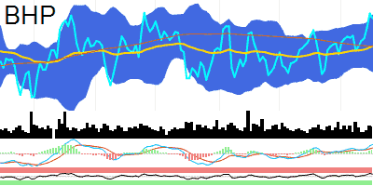 | BHP | BHP GROUP | Materials | 236B | 236000524000 | 46.56 | -0.6 | 8478184 | 18.68 | 62.6 | 44.96 | 44.96 | 45.13 | 46.75 | 43.5 | 0.42 | 0.27
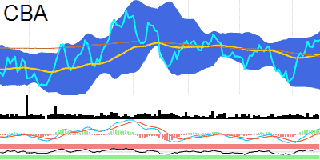 | CBA | COMMONWEALTH BANK OF AUSTRALIA | Financials | Banks | 171.4B | 171389721000 | 102.29 | 0.14 | 1993737 | 0.9 | 62 | 99.95 | 100.26 | 99.37 | 103.49 | 95.25 | 0.66 | 0.2
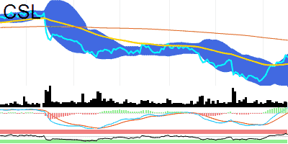 | CSL | CSL | Health Care | Pharmaceuticals, Biotechnology & Life Sciences | 124.7B | 124732172000 | 258.21 | -0.9 | 747500 | 7.66 | 65.9 | 277.69 | 250.41 | 243.24 | 261.72 | 224.76 | 2.87 | 0.14
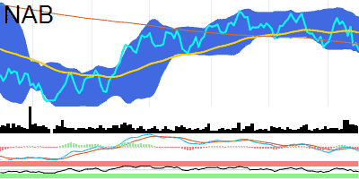 | NAB | NATIONAL AUSTRALIA BANK | Financials | Banks | 86.8B | 86833498000 | 27.75 | -1.18 | 5950449 | 18.14 | 39.27 | 28.04 | 28.61 | 28.5 | 29.4 | 27.61 | -0.16 | -0.07
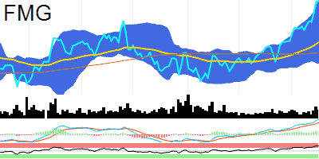 | FMG | FORTESCUE METALS GROUP | Materials | 77.6B | 77589916000 | 25.2 | 0.08 | 6433925 | 38.1 | 80.91 | 21.43 | 22.22 | 22.96 | 25.25 | 20.67 | 0.88 | 0.68
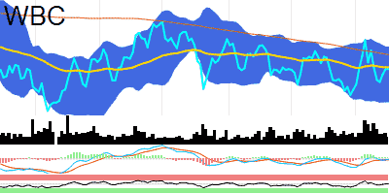 | WBC | WESTPAC BANKING CORPORATION | Financials | Banks | 74.2B | 74216978000 | 21.15 | 0 | 4656916 | -38.18 | 50.35 | 21.54 | 21.2 | 21.01 | 21.74 | 20.27 | -0.02 | -0.03
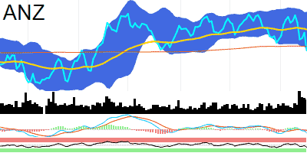 | ANZ | ANZ GROUP HOLDINGS | Financials | Banks | 72.7B | 72697890000 | 24.19 | -3.28 | 10278846 | 50.4 | 36.34 | 24.38 | 25.16 | 25.1 | 25.95 | 24.25 | -0.13 | -0.03
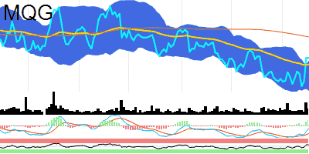 | MQG | MACQUARIE GROUP | Financials | Financial Services | 65B | 64955148000 | 168.07 | -0.03 | 1008204 | 13.02 | 58.3 | 175.22 | 165.9 | 162.02 | 166.89 | 157.14 | -0.5 | -1.45
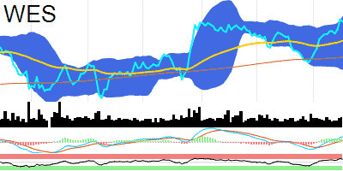 | WES | WESFARMERS | Consumer Discretionary | Consumer Discretionary Distribution & Retail | 61.2B | 61224251000 | 53.99 | -0.37 | 1709979 | 29.06 | 67.93 | 50.63 | 52.18 | 51.96 | 54.44 | 49.49 | 0.46 | 0.16
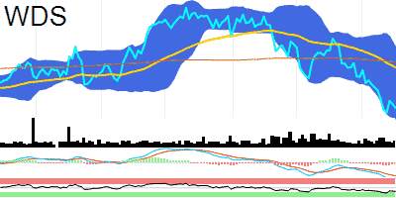 | WDS | WOODSIDE ENERGY GROUP | Energy | 61B | 61006830000 | 32.13 | -0.8 | 4430184 | 16.19 | 31.55 | 35.29 | 34.9 | 33.86 | 36.33 | 31.39 | -0.97 | -0.83
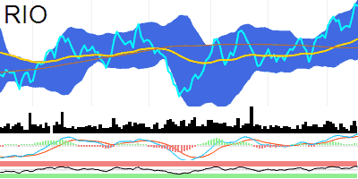 | RIO | RIO TINTO | N/A | 46.5B | 46465134000 | 125.17 | -0.35 | 1164367 | -1.96 | 67.74 | 115.21 | 117.3 | 119.45 | 126.44 | 112.46 | 2.26 | 1.84
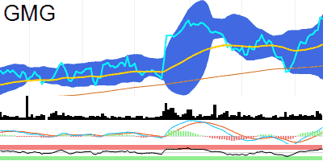 | GMG | GOODMAN GROUP | Real Estate | Equity Real Estate Investment Trusts (REITs) | 44.6B | 44554811000 | 23.46 | -0.38 | 3424699 | 1.06 | 71.73 | 20.52 | 21.86 | 21.7 | 23.7 | 19.71 | 0.42 | 0.18
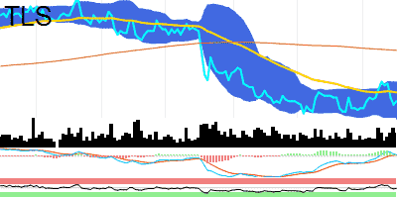 | TLS | TELSTRA GROUP | Communication Services | Telecommunication Services | 44.5B | 44484545000 | 3.85 | 0.52 | 26350429 | 31.24 | 47.1 | 4.14 | 3.9 | 3.85 | 3.96 | 3.75 | 0.01 | 0
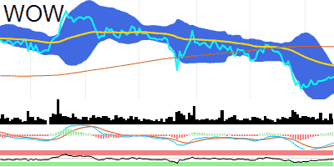 | WOW | WOOLWORTHS GROUP | Consumer Staples | Consumer Staples Distribution & Retail | 43.7B | 43671629000 | 35.75 | 0.28 | 1675279 | -13.97 | 45.62 | 37.83 | 36.52 | 35.56 | 36.53 | 34.59 | -0.35 | -0.46
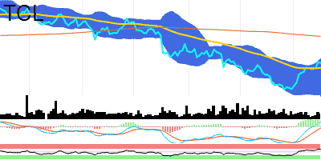 | TCL | TRANSURBAN GROUP | Industrials | Transportation | 39.5B | 39529690000 | 12.8 | -0.31 | 3849534 | -2.29 | 64.61 | 13.81 | 12.62 | 12.26 | 12.96 | 11.56 | 0.08 | -0.02
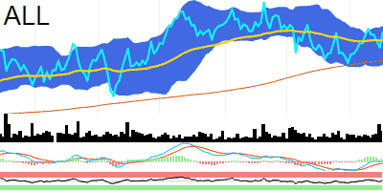 | ALL | ARISTOCRAT LEISURE | Consumer Discretionary | Consumer Services | 26.2B | 26208313000 | 40.41 | 2.36 | 1766037 | 58.06 | 55.29 | 38.67 | 39.93 | 39.61 | 40.78 | 38.43 | 0.05 | -0.07
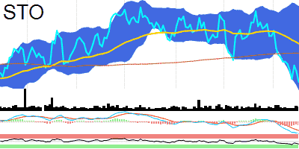 | STO | SANTOS | Energy | 22.9B | 22929277000 | 7.06 | -1.94 | 8139544 | 17.21 | 32.33 | 7.44 | 7.57 | 7.51 | 8.07 | 6.96 | -0.15 | -0.11
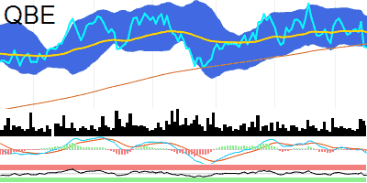 | QBE | QBE INSURANCE GROUP | Financials | Insurance | 22.4B | 22438608000 | 15.02 | -0.2 | 3517259 | 21.38 | 40.63 | 15.12 | 15.44 | 15.45 | 15.88 | 15.02 | -0.06 | -0.01
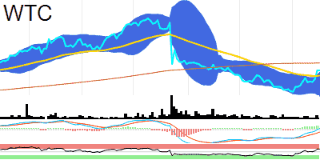 | WTC | WISETECH GLOBAL | Information Technology | Software & Services | 22.3B | 22288793000 | 66.87 | 0.06 | 391474 | -15.61 | 67.01 | 69.95 | 64.67 | 61.11 | 66.04 | 56.19 | 0.39 | -0.61
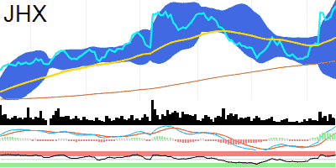 | JHX | JAMES HARDIE INDUSTRIES PLC | Materials | 21B | 21017474000 | 48.01 | 1.24 | 1251798 | 17.72 | 74.53 | 38.39 | 42.51 | 42.18 | 49.05 | 35.31 | 1.67 | 0.87
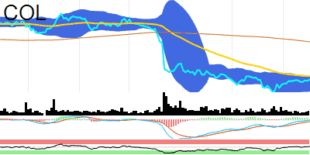 | COL | COLES GROUP | Consumer Staples | Consumer Staples Distribution & Retail | 20.8B | 20771837000 | 15.52 | 0.39 | 2369774 | -0.55 | 54.17 | 17.29 | 15.67 | 15.32 | 15.66 | 14.97 | -0.01 | -0.05
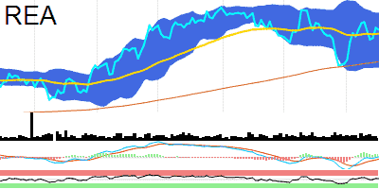 | REA | REA GROUP | Communication Services | Media & Entertainment | 20.7B | 20704089000 | 156.71 | -0.47 | 84893 | -48.7 | 53.37 | 144.5 | 155.12 | 152.7 | 162.97 | 142.42 | 0.21 | -0.51
 | NEM | NEWMONT CORPORATION | Materials | 19B | 19048102000 | 55.73 | 0.2 | 604843 | -51.18
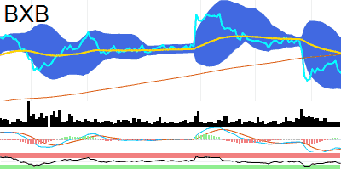 | BXB | BRAMBLES | Industrials | Commercial & Professional Services | 18.5B | 18520481000 | 13.31 | -0.75 | 2922580 | -25.81 | 36.57 | 13.89 | 13.94 | 13.62 | 14.42 | 12.81 | -0.19 | -0.21
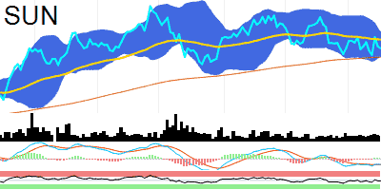 | SUN | SUNCORP GROUP | Financials | Insurance | 17B | 16996115000 | 13.38 | -0.37 | 2478963 | 4.39 | 45.53 | 13.17 | 13.59 | 13.48 | 13.78 | 13.17 | -0.08 | -0.08
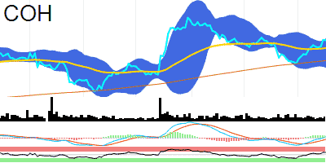 | COH | COCHLEAR | Health Care | Health Care Equipment & Services | 16.9B | 16865747000 | 257.42 | -0.11 | 146020 | 13.93 | 63.37 | 243.06 | 251.89 | 248.34 | 258.27 | 238.4 | 0.81 | -0.76
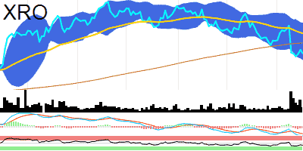 | XRO | XERO | Information Technology | Software & Services | 15.2B | 15157648000 | 100.07 | -1.84 | 419497 | -11.78 | 36.7 | 105.61 | 110.65 | 106.45 | 116.08 | 96.82 | -3.34 | -2.6
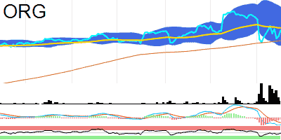 | ORG | ORIGIN ENERGY | Utilities | 15.1B | 15056815000 | 8.74 | 1.98 | 14125995 | -42.61 | 47.5 | 8.43 | 8.81 | 8.86 | 9.44 | 8.29 | -0.09 | -0.06
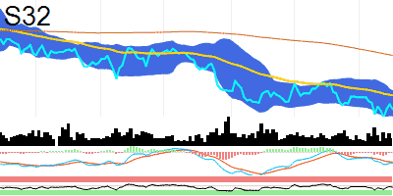 | S32 | SOUTH32 | Materials | 14.4B | 14357750000 | 3.17 | -1.86 | 14431674 | -12.52 | 42.81 | 3.85 | 3.35 | 3.24 | 3.41 | 3.08 | -0.06 | -0.05
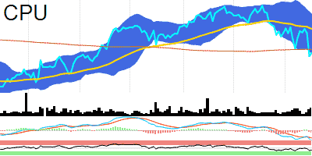 | CPU | COMPUTERSHARE | Industrials | Commercial & Professional Services | 14.3B | 14260087000 | 23.62 | 0.85 | 2512017 | 78.64 | 36.5 | 23.82 | 25.03 | 24.75 | 25.91 | 23.59 | -0.39 | -0.29
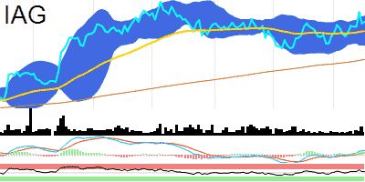 | IAG | INSURANCE AUSTRALIA GROUP | Financials | Insurance | 14.2B | 14203789000 | 5.85 | 0.34 | 4012548 | -7.64 | 56.42 | 5.38 | 5.73 | 5.74 | 5.92 | 5.56 | 0.04 | 0.02
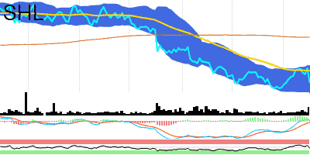 | SHL | SONIC HEALTHCARE | Health Care | Health Care Equipment & Services | 13.9B | 13875397000 | 29.23 | -4.16 | 2354991 | 143.29 | 42.8 | 33.31 | 30.27 | 29.49 | 30.72 | 28.26 | 0.03 | -0.06
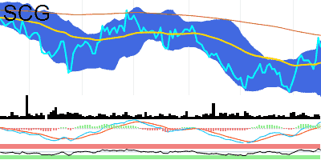 | SCG | SCENTRE GROUP | Real Estate | Equity Real Estate Investment Trusts (REITs) | 13.8B | 13754503000 | 2.65 | -1.85 | 9470260 | -6.55 | 61.24 | 2.72 | 2.56 | 2.52 | 2.68 | 2.36 | 0.03 | 0.01
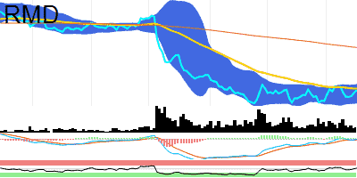 | RMD | RESMED INC | Health Care | Health Care Equipment & Services | 13.2B | 13205936000 | 23.32 | 1.7 | 2088207 | -34.33 | 53.84 | 29.45 | 23.56 | 22.81 | 24.13 | 21.49 | 0 | -0.05
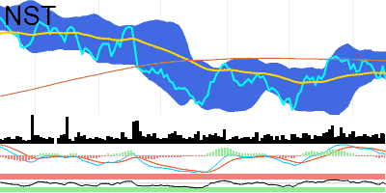 | NST | NORTHERN STAR RESOURCES | Materials | 13B | 13009183000 | 11.32 | -4.15 | 5498955 | 12.93 | 44.87 | 12.03 | 11.53 | 11.84 | 12.39 | 11.29 | 0.03 | 0.11
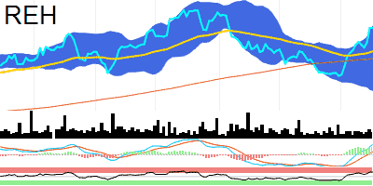 | REH | REECE | Industrials | Capital Goods | 12.7B | 12719429000 | 19.69 | 0 | 309412 | 0.96 | 73.45 | 18.26 | 18.6 | 18.28 | 19.76 | 16.79 | 0.3 | 0.09
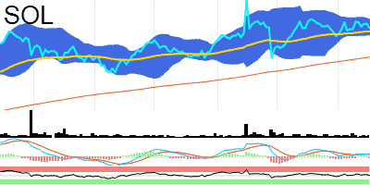 | SOL | WASHINGTON H SOUL PATTINSON & COMPANY | Financials | Financial Services | 12.2B | 12247640000 | 33.93 | -0.93 | 326687 | -1.02 | 49.53 | 31.97 | 33.73 | 34.02 | 34.55 | 33.48 | 0.1 | 0.11
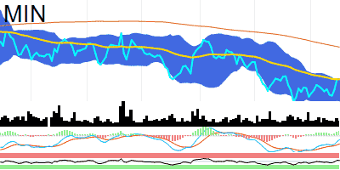 | MIN | MINERAL RESOURCES | Materials | 12.2B | 12218670000 | 62.6 | -0.32 | 767093 | -9.18 | 55.16 | 71.84 | 62.7 | 59.59 | 62.67 | 56.52 | -0.51 | -1.09
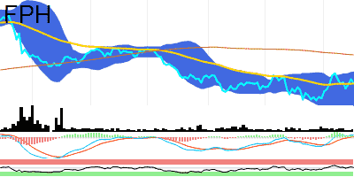 | FPH | FISHER & PAYKEL HEALTHCARE CORPORATION | Health Care | Health Care Equipment & Services | 11.7B | 11748198000 | 20.18 | -1.56 | 302508 | -0.3 | 52.16 | 22.36 | 20.15 | 19.77 | 21.05 | 18.49 | 0.11 | 0.05
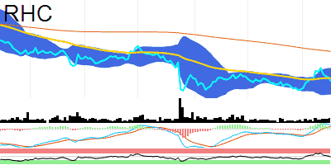 | RHC | RAMSAY HEALTH CARE | Health Care | Health Care Equipment & Services | 11.7B | 11652988000 | 50.79 | -1.68 | 672240 | 61.4 | 47.88 | 58.04 | 51.43 | 50.68 | 53.85 | 47.51 | 0.39 | 0.26
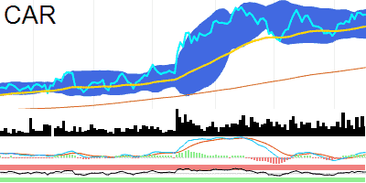 | CAR | CAR GROUP | Communication Services | Media & Entertainment | 11.1B | 11069230000 | 29.36 | 0.1 | 1001299 | -17.37 | 58.93 | 25.06 | 28.39 | 28.6 | 29.77 | 27.43 | 0.25 | 0.15
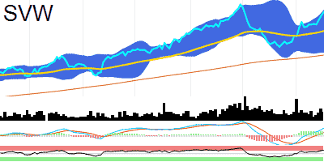 | SVW | SEVEN GROUP HOLDINGS | Industrials | Capital Goods | 11B | 11027551000 | 30.33 | 1.3 | 672169 | 9.23 | 71.66 | 25.66 | 28.28 | 28.24 | 30.52 | 25.96 | 0.47 | 0.21
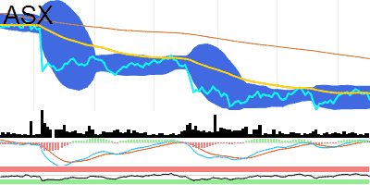 | ASX | ASX | Financials | Financial Services | 10.8B | 10847137000 | 56.03 | -1.81 | 413457 | 15.4 | 44.05 | 62.66 | 57.05 | 56.38 | 58.16 | 54.61 | 0.09 | 0.08
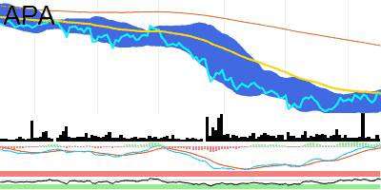 | APA | APA GROUP | Utilities | 10.8B | 10764017000 | 8.39 | -0.71 | 1553679 | -42.36 | 54.92 | 9.59 | 8.42 | 8.24 | 8.49 | 7.98 | 0.01 | -0.01
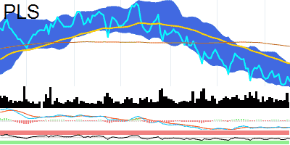 | PLS | PILBARA MINERALS | Materials | 10.7B | 10743782000 | 3.57 | -2.72 | 17661158 | -37.73 | 41.52 | 4.38 | 3.98 | 3.7 | 3.96 | 3.44 | -0.13 | -0.13
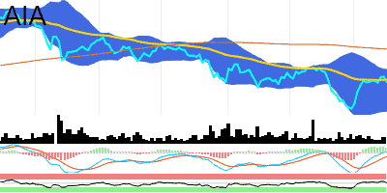 | AIA | AUCKLAND INTERNATIONAL AIRPORT | Industrials | Transportation | 10.6B | 10558192000 | 7.17 | -1.24 | 487327 | 21.42 | 51.84 | 7.71 | 7.21 | 7.04 | 7.38 | 6.7 | 0.01 | -0.02
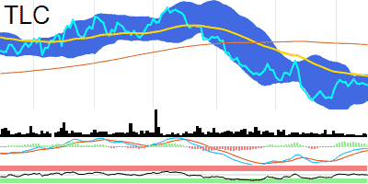 | TLC | THE LOTTERY CORPORATION | Consumer Discretionary | Consumer Services | 10.2B | 10171777000 | 4.57 | -0.22 | 2721994 | -0.86 | 47.54 | 4.97 | 4.66 | 4.54 | 4.67 | 4.42 | -0.01 | -0.02
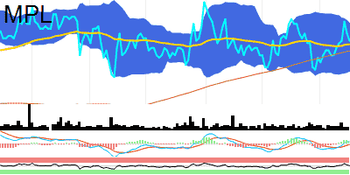 | MPL | MEDIBANK PRIVATE | Financials | Insurance | 9.6B | 9639011000 | 3.5 | -0.85 | 4528686 | -13.8 | 51.96 | 3.46 | 3.49 | 3.47 | 3.57 | 3.37 | 0.01 | 0
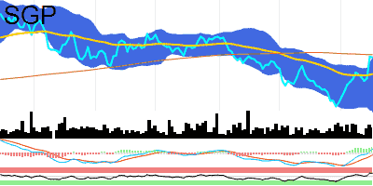 | SGP | STOCKLAND | Real Estate | Equity Real Estate Investment Trusts (REITs) | 9.6B | 9596430000 | 4.02 | -0.25 | 7939113 | 20.49 | 66.8 | 4.05 | 3.84 | 3.73 | 4.01 | 3.44 | 0.03 | -0.01
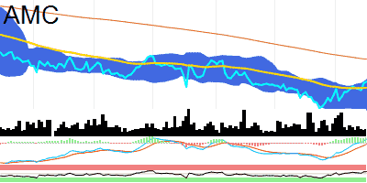 | AMC | AMCOR PLC | Materials | 9.2B | 9192462000 | 14.36 | 0.35 | 1230055 | -33.04 | 60.78 | 15.19 | 14.13 | 13.87 | 14.44 | 13.31 | 0.06 | -0.02
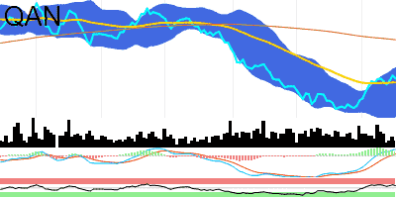 | QAN | QANTAS AIRWAYS | Industrials | Transportation | 9.2B | 9191343000 | 5.33 | -1.11 | 5364210 | -36.66 | 60.69 | 6.08 | 5.26 | 5.07 | 5.54 | 4.59 | 0.07 | 0.02
 | BSL | BLUESCOPE STEEL | Materials | 9.2B | 9181758000 | 20.44 | 1.29 | 1944509 | 20.95 | 69.02 | 19.88 | 19.48 | 19.17 | 20.54 | 17.81 | 0.28 | 0.11
 | PME | PRO MEDICUS | Health Care | Health Care Equipment & Services | 9.2B | 9164906000 | 87.74 | 0.52 | 140932 | 2.1 | 72.74 | 68.51 | 79.56 | 81.14 | 89.5 | 72.77 | 2.2 | 1.51
 | WOR | WORLEY | Industrials | Capital Goods | 9.1B | 9086461000 | 17.25 | -1.93 | 1071737 | 5.82 | 56.06 | 16.2 | 16.94 | 16.77 | 17.49 | 16.05 | 0.09 | -0.01
 | TPG | TPG TELECOM | Communication Services | Telecommunication Services | 8.9B | 8850466000 | 4.76 | -1.04 | 3766343 | 97.76 | 31.41 | 5.23 | 5.27 | 5.19 | 5.63 | 4.75 | -0.11 | -0.05
 | AFI | AUSTRALIAN FOUNDATION INVESTMENT COMPANY | N/A | 8.8B | 8813105000 | 7.07 | 0 | 253331 | -39.55 | 68.61 | 7.1 | 6.86 | 6.8 | 7.16 | 6.44 | 0.07 | 0.03
 | EDV | ENDEAVOUR GROUP | Consumer Staples | Consumer Staples Distribution & Retail | 8.8B | 8775802000 | 4.9 | 0.2 | 4712544 | -7.7 | 42 | 6.03 | 5.15 | 4.94 | 5.11 | 4.77 | -0.09 | -0.1
 | SPK | SPARK NEW ZEALAND | Communication Services | Telecommunication Services | 8.6B | 8573811000 | 4.69 | -0.85 | 1153886 | 88.65 | 59.25 | 4.67 | 4.6 | 4.62 | 4.76 | 4.47 | 0.04 | 0.04
 | ALX | ATLAS ARTERIA | Industrials | Transportation | 8.5B | 8487377000 | 5.85 | -2.01 | 1740867 | -12.74 | 59.59 | 6.19 | 5.69 | 5.56 | 5.98 | 5.14 | 0.07 | 0.02
 | VCX | VICINITY CENTRES | Real Estate | Equity Real Estate Investment Trusts (REITs) | 8.4B | 8376187000 | 1.84 | -2.13 | 10709962 | -5.04 | 60.3 | 1.9 | 1.78 | 1.76 | 1.86 | 1.67 | 0.02 | 0.01
 | TWE | TREASURY WINE ESTATES | Consumer Staples | Food, Beverage & Tobacco | 8.4B | 8359620000 | 10.75 | 0.56 | 3492032 | 24.1 | 34.85 | 12.14 | 11.49 | 11.47 | 12.46 | 10.49 | -0.26 | -0.15
 | SEK | SEEK | Communication Services | Media & Entertainment | 8.3B | 8257184000 | 23.18 | -0.56 | 1499217 | 106.91 | 62.18 | 23.26 | 22.19 | 21.69 | 23.27 | 20.11 | 0.17 | -0.04
 | ALD | AMPOL | Energy | 8.1B | 8142783000 | 34.17 | -0.2 | 819480 | 18.07 | 63.51 | 31.72 | 32.85 | 32.74 | 34.42 | 31.06 | 0.38 | 0.16
 | MGR | MIRVAC GROUP | Real Estate | Equity Real Estate Investment Trusts (REITs) | 8.1B | 8089013000 | 2.05 | -0.97 | 10044487 | -12.39 | 56.48 | 2.22 | 2.06 | 1.95 | 2.09 | 1.81 | -0.02 | -0.04
 | MCY | MERCURY NZ | Utilities | 8B | 8041293000 | 5.78 | 1.58 | 1249 | -82.49 | 56.11 | 5.82 | 5.64 | 5.5 | 5.86 | 5.13 | 0.01 | -0.02
 | IFT | INFRATIL | Industrials | Capital Goods | 7.9B | 7936230000 | 9.54 | -2.55 | 93092 | 134.37 | 52.24 | 8.96 | 9.42 | 9.39 | 9.83 | 8.94 | 0.06 | 0.02
 | GPT | GPT GROUP | Real Estate | Equity Real Estate Investment Trusts (REITs) | 7.9B | 7892179000 | 4.12 | -1.67 | 4712681 | -6.01 | 64.51 | 4.2 | 3.9 | 3.8 | 4.13 | 3.47 | 0.05 | 0
 | DXS | DEXUS | Real Estate | Equity Real Estate Investment Trusts (REITs) | 7.7B | 7711803000 | 7.17 | -1.1 | 4319067 | 15.15 | 56.74 | 7.75 | 7.11 | 6.82 | 7.31 | 6.33 | 0 | -0.07
 | ORI | ORICA | Materials | 7.2B | 7151217000 | 15.7 | -1.94 | 868858 | -18.18 | 60.42 | 15.51 | 15.27 | 15.03 | 15.87 | 14.2 | 0.12 | -0.01
 | AGL | AGL ENERGY | Utilities | 7.1B | 7057118000 | 10.49 | -0.47 | 1291844 | -10.48 | 43.06 | 9.74 | 10.71 | 10.61 | 10.87 | 10.36 | -0.07 | -0.06
 | EBO | EBOS GROUP | Health Care | Health Care Equipment & Services | 6.7B | 6715346000 | 35.01 | 0 | 0 | -100 | 65.57 | 36.59 | 33.31 | 33.39 | 36.13 | 30.64 | 0.7 | 0.52
 | IGO | IGO | Materials | 6.7B | 6701820000 | 8.85 | -4.32 | 3686670 | -16.67 | 28.8 | 13.23 | 10.96 | 9.76 | 11.24 | 8.28 | -0.69 | -0.7
 | NXT | NEXTDC | Information Technology | Software & Services | 6.7B | 6701496000 | 13.02 | -0.69 | 787116 | -13.32 | 63.5 | 11.97 | 12.5 | 12.31 | 13.09 | 11.54 | 0.13 | 0.02
 | IEL | IDP EDUCATION | Consumer Discretionary | Consumer Services | 6.7B | 6677286000 | 23.99 | -1.6 | 647077 | -20.2 | 61.91 | 24.86 | 22.89 | 22.65 | 24.83 | 20.46 | 0.46 | 0.28
 | AZJ | AURIZON HOLDINGS | Industrials | Transportation | 6.6B | 6644941000 | 3.61 | -0.55 | 4133803 | 5.23 | 61.32 | 3.56 | 3.56 | 3.5 | 3.65 | 3.36 | 0.02 | 0
 | EVN | EVOLUTION MINING | Materials | 6.6B | 6613862000 | 3.6 | -4.76 | 7279806 | 12.51 | 49.71 | 3.43 | 3.58 | 3.63 | 3.76 | 3.5 | 0.04 | 0.04
 | LYC | LYNAS RARE EARTHS | Materials | 6.4B | 6449391000 | 6.9 | -2.54 | 4308771 | 10.77 | 48.57 | 7.05 | 6.92 | 6.96 | 7.51 | 6.41 | 0.06 | 0.07
 | ARG | ARGO INVESTMENTS | N/A | 6.4B | 6424998000 | 8.47 | -1.4 | 182500 | -17.62 | 47.86 | 8.79 | 8.56 | 8.44 | 8.61 | 8.27 | -0.01 | -0.04
 | YAL | YANCOAL AUSTRALIA | Energy | 6.4B | 6390927000 | 4.84 | 0 | 594751 | -59.78 | 48.1 | 5.21 | 4.93 | 4.83 | 5.1 | 4.57 | -0.07 | -0.08
 | MEZ | MERIDIAN ENERGY | Utilities | 6.1B | 6052396000 | 4.78 | 0 | 43056 | 58.89 | 55.44 | 4.91 | 4.73 | 4.58 | 4.84 | 4.32 | 0 | -0.03
 | ALQ | ALS | Industrials | Commercial & Professional Services | 5.9B | 5858429000 | 12.1 | -0.08 | 964330 | 5.37 | 72.63 | 11.78 | 11.23 | 11.02 | 11.84 | 10.2 | 0.11 | -0.05
 | ALU | ALTIUM | Information Technology | Software & Services | 5.8B | 5824570000 | 44.15 | -0.79 | 265553 | -18.9 | 65.72 | 39.64 | 42.16 | 41.4 | 44.29 | 38.51 | 0.37 | -0.14
 | IPL | INCITEC PIVOT | Materials | 5.8B | 5807253000 | 2.99 | 0 | 5690033 | 1.93 | 61.2 | 3.06 | 2.94 | 2.84 | 3.01 | 2.68 | 0 | -0.03
 | AKE | ALLKEM | Materials | 5.8B | 5785858000 | 9.05 | -0.77 | 2629228 | -16.49 | 36.38 | 12.94 | 10.81 | 9.57 | 10.75 | 8.38 | -0.62 | -0.65
 | CWY | CLEANAWAY WASTE MANAGEMENT | Industrials | Commercial & Professional Services | 5.7B | 5660224000 | 2.54 | -1.55 | 3114897 | -20.75 | 62.09 | 2.55 | 2.45 | 2.4 | 2.62 | 2.18 | 0.04 | 0.01
 | WHC | WHITEHAVEN COAL | Energy | 5.6B | 5621957000 | 6.72 | -1.61 | 3415324 | -41.92 | 40.31 | 6.9 | 6.99 | 7.2 | 7.91 | 6.49 | -0.08 | -0.01
 | SDF | STEADFAST GROUP | Financials | Insurance | 5.6B | 5618620000 | 5.41 | 0 | 0 | -100 | 41.36 | 5.76 | 5.56 | 5.49 | 5.68 | 5.31 | -0.04 | -0.03
 | BLD | BORAL | Materials | 5.5B | 5537504000 | 5.02 | -0.2 | 1211948 | 6 | 73.01 | 4.2 | 4.64 | 4.68 | 5.03 | 4.33 | 0.11 | 0.06
 | TNE | TECHNOLOGY ONE | Information Technology | Software & Services | 5.3B | 5259731000 | 16.2 | -0.49 | 583126 | 4.82 | 66.66 | 15.26 | 15.49 | 15.34 | 16.29 | 14.39 | 0.17 | 0.03
 | CHC | CHARTER HALL GROUP | Real Estate | Equity Real Estate Investment Trusts (REITs) | 5.2B | 5212429000 | 11.02 | 0.18 | 3517662 | 98.06 | 76.8 | 10.97 | 9.78 | 9.51 | 10.9 | 8.12 | 0.3 | 0.1
 | JBH | JB HI-FI | Consumer Discretionary | Consumer Discretionary Distribution & Retail | 5.2B | 5203204000 | 47.59 | 0.06 | 541907 | 79.58 | 65.83 | 44.73 | 45.79 | 45.65 | 47.9 | 43.41 | 0.43 | 0.22
 | QUB | QUBE HOLDINGS | Industrials | Transportation | 5.2B | 5176466000 | 2.93 | -1.35 | 1664098 | -51.42 | 62.42 | 2.93 | 2.83 | 2.8 | 3.01 | 2.58 | 0.04 | 0.02
 | BEN | BENDIGO AND ADELAIDE BANK | Financials | Banks | 4.9B | 4945198000 | 8.71 | -2.9 | 2092862 | 90.08 | 38.87 | 8.96 | 8.97 | 8.9 | 9.24 | 8.56 | 0 | 0.01
 | HVN | HARVEY NORMAN HOLDINGS | Consumer Discretionary | Consumer Discretionary Distribution & Retail | 4.7B | 4747285000 | 3.81 | 1.06 | 2668278 | 31.34 | 57.17 | 3.71 | 3.75 | 3.66 | 3.82 | 3.49 | -0.01 | -0.03
 | DMP | DOMINO'S PIZZA ENTERPRISES | Consumer Discretionary | Consumer Services | 4.7B | 4667349000 | 51.97 | -3.37 | 312006 | -11.84 | 48.9 | 50.87 | 51.98 | 51.89 | 54.34 | 49.44 | 0.19 | 0.13
 | LLC | LENDLEASE GROUP | Real Estate | Real Estate Management & Development | 4.6B | 4620536000 | 6.7 | 2.92 | 3971518 | 63.33 | 57.36 | 7.49 | 6.78 | 6.37 | 6.62 | 6.13 | -0.09 | -0.15
 | VEA | VIVA ENERGY GROUP | Energy | 4.6B | 4617057000 | 2.99 | -1.97 | 2699183 | -37.19 | 57.87 | 3.02 | 2.92 | 2.89 | 3.05 | 2.73 | 0.03 | 0.01
 | NHC | NEW HOPE CORPORATION | Energy | 4.4B | 4421104000 | 5.23 | -0.19 | 1922833 | -26.02 | 30.45 | 5.51 | 5.75 | 5.6 | 6.37 | 4.82 | -0.24 | -0.22
 | FLT | FLIGHT CENTRE TRAVEL GROUP | Consumer Discretionary | Consumer Services | 4.1B | 4114939000 | 18.75 | -0.16 | 1142546 | 34.86 | 44.78 | 19.93 | 19.37 | 18.76 | 19.97 | 17.56 | 0 | -0.05
 | GQG | GQG PARTNERS INC | Financials | Financial Services | 4.1B | 4074871000 | 1.38 | -2.47 | 1011094 | -41.6 | 53.13 | 1.44 | 1.39 | 1.34 | 1.4 | 1.28 | -0.01 | -0.02
This is a demo version limited to 100 rows. To access the full data file, subscribe at nitrocharts.com/subscribe

