NDQ-15Nov2023
6M Chart (Price-Cyan,Boll[20,2]-Blue,EMA[50]-Gold,SMA[200]-Brown,Vol) | Symbol | Name | Industry | Market Cap (Short) | Market Cap (Raw) | $Price | %Change | Volume | %Volume | RSI | SMA200 | EMA50 | SMA20 | BollBandUpper | BollBandLower | MACD | MACD Signal
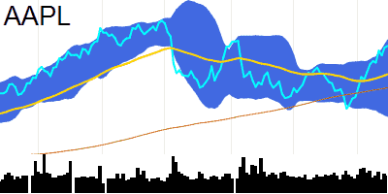 | AAPL | Apple Inc. Common Stock | Technology | Computer Manufacturing | 2924.1B | 2924072903520 | 188.01 | 0.3 | 53790500 | -4.08 | 68.95 | 173.92 | 178.46 | 177.16 | 190.02 | 164.3 | 2.97 | 1.43
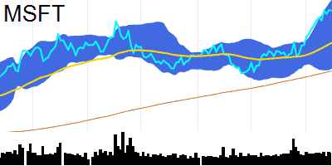 | MSFT | Microsoft Corporation Common Stock | Technology | Computer Software: Prepackaged Software | 2747.5B | 2747484415161 | 369.67 | -0.16 | 26860100 | 2.05 | 71.74 | 314.22 | 340.1 | 347.8 | 378.85 | 316.75 | 10.83 | 8.62
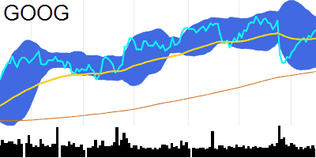 | GOOG | Alphabet Inc. Class C Capital Stock | Technology | Computer Software: Programming Data Processing | 1706.9B | 1706932080000 | 136.38 | 0.7 | 15840880 | -31.26 | 57.41 | 119.95 | 133.02 | 131.66 | 141.69 | 121.62 | -0.02 | -0.88
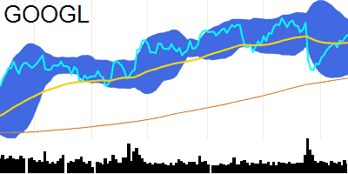 | GOOGL | Alphabet Inc. Class A Common Stock | Technology | Computer Software: Programming Data Processing | 1684.9B | 1684903920000 | 134.62 | 0.75 | 23861520 | -23.37 | 56.54 | 119.24 | 131.85 | 130.33 | 140.17 | 120.48 | -0.17 | -0.98
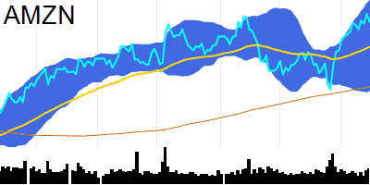 | AMZN | Amazon.com Inc. Common Stock | Consumer Discretionary | Catalog/Specialty Distribution | 1479.8B | 1479833179915 | 143.2 | -1.78 | 63875720 | 14.25 | 61.64 | 120.45 | 134.31 | 134.86 | 150.62 | 119.1 | 3.73 | 2.63
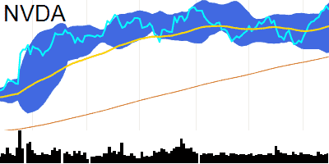 | NVDA | NVIDIA Corporation Common Stock | Technology | Semiconductors | 1207.5B | 1207533600000 | 488.88 | -1.55 | 47549740 | 15.68 | 66.22 | 372.03 | 447.01 | 443.12 | 503.29 | 382.94 | 13.45 | 6.13
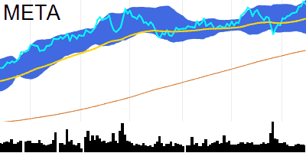 | META | Meta Platforms Inc. Class A Common Stock | Technology | Computer Software: Programming Data Processing | 855B | 855019029564 | 332.71 | -1.07 | 14531180 | -32.29 | 64.13 | 264.49 | 311.06 | 313.79 | 337.88 | 289.7 | 6.04 | 3.47
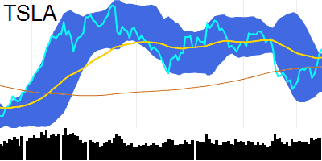 | TSLA | Tesla Inc. Common Stock | Consumer Discretionary | Auto Manufacturing | 772B | 771969270590 | 242.84 | 2.29 | 150354000 | 25.27 | 59.96 | 222.9 | 233.49 | 216.03 | 237.53 | 194.54 | -2.52 | -6.88
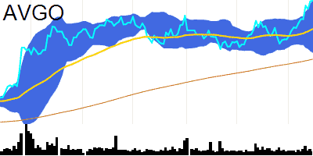 | AVGO | Broadcom Inc. Common Stock | Technology | Semiconductors | 402.6B | 402582210602 | 975.4 | 0.25 | 1609948 | -15.77 | 72.33 | 772.62 | 877.1 | 886.15 | 975.83 | 796.48 | 27.24 | 15.61
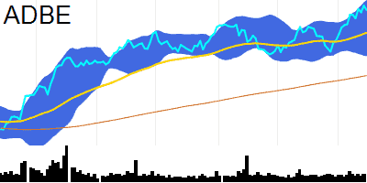 | ADBE | Adobe Inc. Common Stock | Technology | Computer Software: Prepackaged Software | 271B | 271044643000 | 595.31 | -1.49 | 3088889 | 20.19 | 64.64 | 458.01 | 547.55 | 557.35 | 614.97 | 499.73 | 16.56 | 11.57
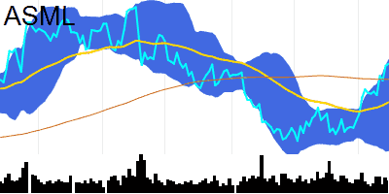 | ASML | ASML Holding N.V. New York Registry Shares | Technology | Industrial Machinery/Components | 267.5B | 267531620658 | 678 | 0.38 | 918711 | -2.36 | 70.68 | 656.38 | 624.49 | 620.21 | 683.4 | 557.02 | 17.61 | 10.41
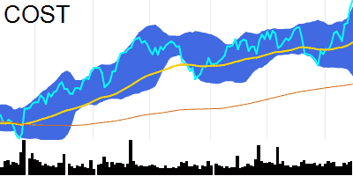 | COST | Costco Wholesale Corporation Common Stock | Consumer Discretionary | Department/Specialty Retail Stores | 264.2B | 264218718558 | 596.78 | 1.01 | 2165104 | 29.2 | 71.55 | 527.71 | 562.18 | 562.95 | 590.88 | 535.01 | 6.83 | 2.83
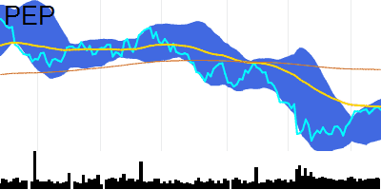 | PEP | PepsiCo Inc. Common Stock | Consumer Staples | Beverages (Production/Distribution) | 229.9B | 229945997477 | 167.25 | -0.51 | 5611162 | 10.15 | 54.65 | 179.19 | 168.21 | 164.39 | 170.32 | 158.46 | 0.43 | -0.32
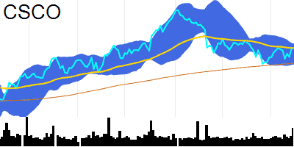 | CSCO | Cisco Systems Inc. Common Stock (DE) | Telecommunications | Computer Communications Equipment | 216B | 216042822678 | 53.28 | 0.21 | 32188150 | 97.41 | 52.69 | 51.45 | 53.29 | 52.56 | 53.77 | 51.34 | -0.19 | -0.33
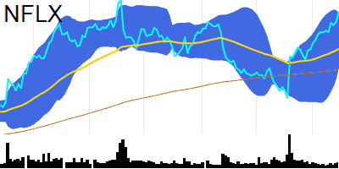 | NFLX | Netflix Inc. Common Stock | Consumer Discretionary | Consumer Electronics/Video Chains | 202.2B | 202181746298 | 461.94 | 2.96 | 5035283 | 6.29 | 75.08 | 384.15 | 412.23 | 423.93 | 460.38 | 387.48 | 16.07 | 12.31
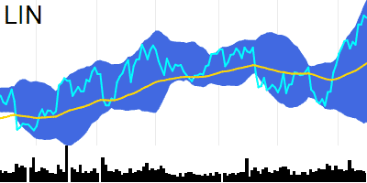 | LIN | Linde plc Ordinary Shares | Industrials | Major Chemicals | 195.3B | 195289643237 | 402.75 | -0.25 | 1139901 | -25.27 | 70.59 |  | 382.88 | 383.82 | 410.25 | 357.39 | 6.77 | 4.49
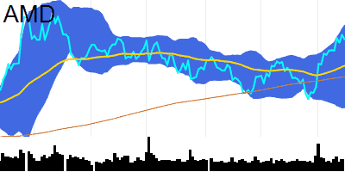 | AMD | Advanced Micro Devices Inc. Common Stock | Technology | Semiconductors | 190.6B | 190628869138 | 118 | -1.57 | 59555590 | 2.31 | 65.64 | 102.83 | 107.29 | 107.02 | 123.87 | 90.17 | 4.07 | 2.52
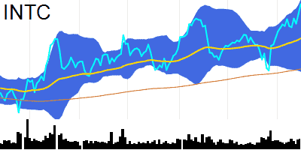 | INTC | Intel Corporation Common Stock | Technology | Semiconductors | 171.2B | 171211760000 | 40.61 | 3.04 | 47392140 | 17.46 | 68.14 | 32.71 | 36.45 | 36.74 | 41.06 | 32.42 | 1.02 | 0.66
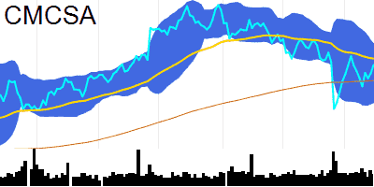 | CMCSA | Comcast Corporation Class A Common Stock | Telecommunications | Cable & Other Pay Television Services | 171.2B | 171186641725 | 42.53 | 1.58 | 17121490 | -17.54 | 50.56 | 41.31 | 43.02 | 41.89 | 44.16 | 39.62 | -0.45 | -0.59
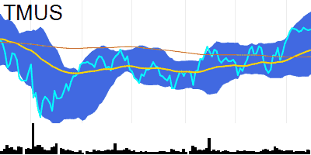 | TMUS | T-Mobile US Inc. Common Stock | Telecommunications | Telecommunications Equipment | 170.2B | 170233128832 | 147.2 | 0.13 | 4675026 | 4.9 | 62.54 | 140.76 | 142.34 | 143.95 | 151.24 | 136.66 | 1.91 | 1.75
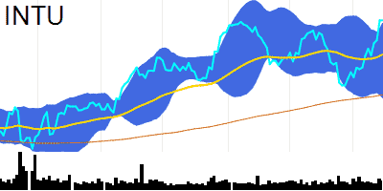 | INTU | Intuit Inc. Common Stock | Technology | Computer Software: Prepackaged Software | 155.7B | 155695358741 | 555.54 | 0.00359 | 1711334 | 13.5 | 68.53 | 468.72 | 515.64 | 508.71 | 552.11 | 465.31 | 6.74 | -0.38
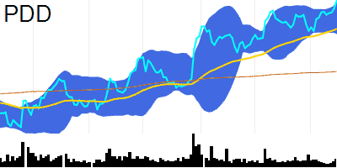 | PDD | PDD Holdings Inc. American Depositary Shares | Consumer Discretionary | Business Services | 151B | 150987155868 | 114.42 | 3.08 | 8663121 | 34 | 68.16 | 83.98 | 102.26 | 106.86 | 113.5 | 100.22 | 2.48 | 2.02
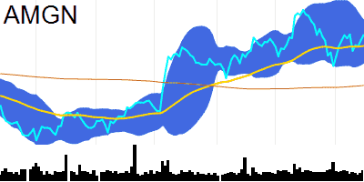 | AMGN | Amgen Inc. Common Stock | Health Care | Biotechnology: Biological Products (No Diagnostic Substances) | 146.1B | 146119656712 | 273.03 | 1.11 | 2795245 | 16.66 | 53.86 | 244.85 | 266.86 | 269.33 | 281.43 | 257.22 | -0.22 | -0.35
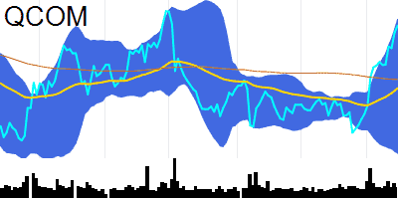 | QCOM | QUALCOMM Incorporated Common Stock | Technology | Computer peripheral equipment | 143.5B | 143487960000 | 128.92 | 1.22 | 7789083 | -12.4 | 78.58 | 116.77 | 114.79 | 115.23 | 130.32 | 100.13 | 4.23 | 2.59
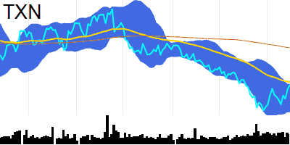 | TXN | Texas Instruments Incorporated Common Stock | Technology | Semiconductors | 137.9B | 137928955604 | 151.87 | 1.29 | 5956977 | -5.85 | 54.76 | 168.75 | 153.44 | 146.08 | 152.31 | 139.85 | -1.55 | -2.75
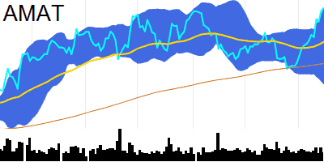 | AMAT | Applied Materials Inc. Common Stock | Technology | Industrial Machinery/Components | 130B | 129972264585 | 155.37 | 0.84 | 4383341 | -10.9 | 74.15 | 132.25 | 141.21 | 139.31 | 154.87 | 123.75 | 3.56 | 1.29
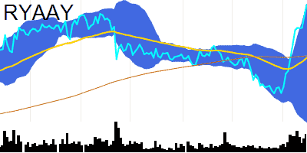 | RYAAY | Ryanair Holdings plc American Depositary Shares | Consumer Discretionary | Air Freight/Delivery Services | 129.8B | 129811380000 | 114.15 | 3.01 | 1006268 | 92.85 | 80.93 | 98.83 | 98.23 | 96.61 | 114.29 | 78.92 | 4.35 | 1.94
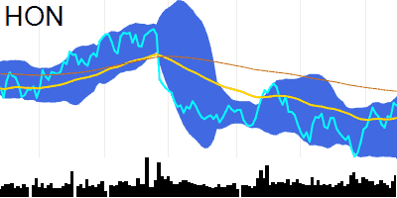 | HON | Honeywell International Inc. Common Stock | Industrials | Aerospace | 125B | 124960959570 | 189.55 | -0.36 | 4076819 | 41.96 | 59.1 | 193.33 | 186.25 | 183.73 | 191.81 | 175.65 | 0.98 | 0.11
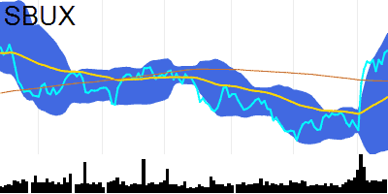 | SBUX | Starbucks Corporation Common Stock | Consumer Discretionary | Restaurants | 121.4B | 121446762000 | 106.03 | 0.41 | 7980174 | -2.21 | 70.72 | 100.43 | 97.45 | 98.46 | 109.18 | 87.74 | 3.11 | 2.24
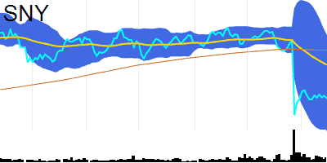 | SNY | Sanofi ADS | Health Care | Biotechnology: Pharmaceutical Preparations | 114.5B | 114534317895 | 45.42 | -0.68 | 2373190 | -20.32 | 33.93 | 52.1 | 50.07 | 47.57 | 54.21 | 40.93 | -1.92 | -1.97
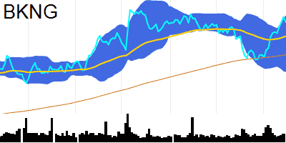 | BKNG | Booking Holdings Inc. Common Stock | Consumer Discretionary | Transportation Services | 108.9B | 108885013456 | 3120.82 | -1.66 | 284319 | 1.41 | 63.37 | 2790.26 | 2976.87 | 2902.08 | 3183 | 2621.16 | 42.31 | 0.4
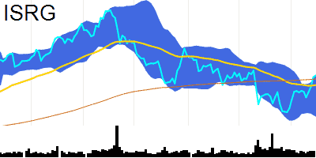 | ISRG | Intuitive Surgical Inc. Common Stock | Health Care | Industrial Specialties | 103.2B | 103234432206 | 293.22 | 0.55 | 1889778 | -10.51 | 62.37 | 289.91 | 284.16 | 273.71 | 292.65 | 254.76 | 1.14 | -2.17
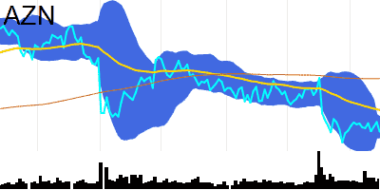 | AZN | AstraZeneca PLC American Depositary Shares | Health Care | Biotechnology: Pharmaceutical Preparations | 97.8B | 97788370000 | 63.13 | -1.71 | 6239828 | 10.46 | 42.06 | 69.22 | 65.61 | 63.65 | 64.88 | 62.42 | -0.71 | -0.84
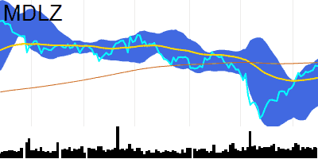 | MDLZ | Mondelez International Inc. Class A Common Stock | Consumer Staples | Packaged Foods | 95.2B | 95249081994 | 69.99 | -0.16 | 7262118 | 4.94 | 67.02 | 70.62 | 67.99 | 67.16 | 71.17 | 63.15 | 0.91 | 0.44
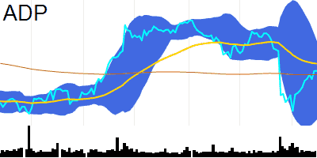 | ADP | Automatic Data Processing Inc. Common Stock | Technology | EDP Services | 94.8B | 94789300060 | 230.46 | 0.02 | 1553667 | -17.09 | 50.65 | 228.61 | 234.13 | 225.72 | 245.29 | 206.15 | -3.16 | -4.96
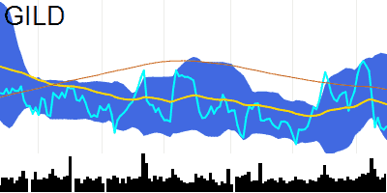 | GILD | Gilead Sciences Inc. Common Stock | Health Care | Biotechnology: Biological Products (No Diagnostic Substances) | 93.5B | 93502983801 | 75.04 | 0.43 | 7102130 | 20.23 | 40.28 | 78.75 | 77.27 | 78 | 82.25 | 73.75 | -0.43 | 0.22
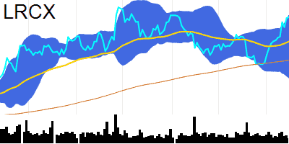 | LRCX | Lam Research Corporation Common Stock | Technology | Industrial Machinery/Components | 92B | 91977636800 | 697.9 | 0.43 | 629464 | -32.54 | 71.54 | 593.35 | 638.4 | 626.2 | 701.71 | 550.69 | 15.89 | 5.34
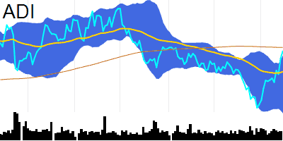 | ADI | Analog Devices Inc. Common Stock | Technology | Semiconductors | 90.1B | 90085196966 | 180.78 | 1.8 | 3293229 | 0.2 | 66.91 | 182.46 | 171.81 | 166.15 | 178.54 | 153.76 | 1.16 | -1.07
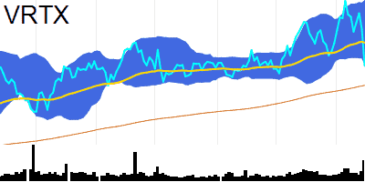 | VRTX | Vertex Pharmaceuticals Incorporated Common Stock | Health Care | Biotechnology: Pharmaceutical Preparations | 90B | 90019043499 | 349.34 | -5.57 | 3234868 | 151.53 | 38.97 | 338.33 | 362.36 | 368.32 | 386.05 | 350.59 | 2 | 3.88
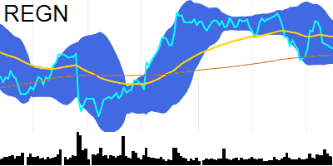 | REGN | Regeneron Pharmaceuticals Inc. Common Stock | Health Care | Biotechnology: Pharmaceutical Preparations | 86.3B | 86327411182 | 792.38 | -0.17 | 502147 | -1.39 | 41.53 | 782.23 | 809.3 | 801.68 | 833.5 | 769.86 | -4.93 | -4.05
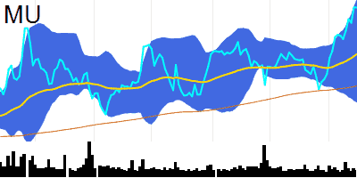 | MU | Micron Technology Inc. Common Stock | Technology | Semiconductors | 84.7B | 84702379093 | 77.14 | -0.04 | 9954004 | -11.59 | 72.83 | 65.02 | 69.93 | 70.39 | 78.21 | 62.56 | 2.1 | 1.25
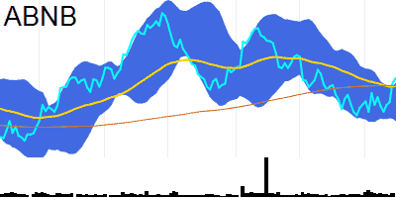 | ABNB | Airbnb Inc. Class A Common Stock | Consumer Discretionary | Hotels/Resorts | 83.2B | 83227024873 | 128.35 | 1.32 | 6851426 | 11.89 | 57.81 | 125.61 | 125.32 | 119.23 | 126.3 | 112.15 | -0.98 | -2.52
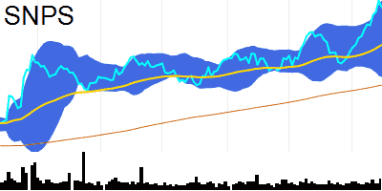 | SNPS | Synopsys Inc. Common Stock | Technology | Computer Software: Prepackaged Software | 80.5B | 80501006014 | 529.32 | -1.67 | 1284534 | 67.71 | 72.1 | 424.31 | 478.3 | 486.68 | 537.51 | 435.85 | 15.44 | 9.88
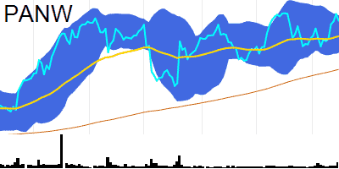 | PANW | Palo Alto Networks Inc. Common Stock | Technology | Computer peripheral equipment | 79.1B | 79055765653 | 256.18 | -1.91 | 9579043 | 163.47 | 57.73 | 219.87 | 244.62 | 246.24 | 259.89 | 232.59 | 2.42 | 0.93
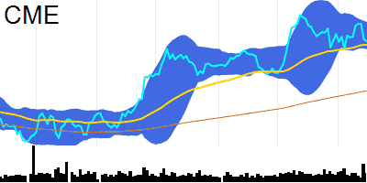 | CME | CME Group Inc. Class A Common Stock | Finance | Investment Bankers/Brokers/Service | 76B | 75980117515 | 211.06 | -0.33 | 1663908 | 6.4 | 47.36 | 193.96 | 209.84 | 213.08 | 217.63 | 208.53 | 0.85 | 1.17
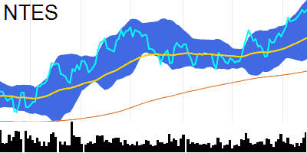 | NTES | NetEase Inc. American Depositary Shares | Technology | Computer Software: Prepackaged Software | 74.2B | 74194920663 | 115.08 | 0.7 | 1824838 | 95.56 | 69.48 | 96.13 | 106.39 | 108.97 | 118.01 | 99.94 | 3.02 | 2.54
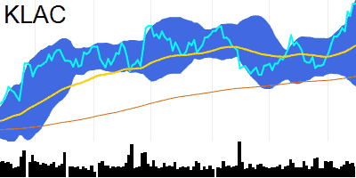 | KLAC | KLA Corporation Common Stock | Technology | Electronic Components | 74.1B | 74137485146 | 545.4 | -0.00733 | 881447 | -7.56 | 73.93 | 443.04 | 486.6 | 489.95 | 549.85 | 430.04 | 17.5 | 10.5
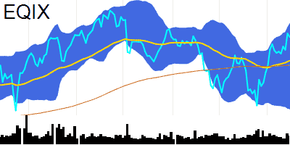 | EQIX | Equinix Inc. Common Stock REIT | Real Estate | Real Estate Investment Trusts | 73.3B | 73322954144 | 781 | -0.64 | 376537 | -4.55 | 62.47 | 740.35 | 747.01 | 738.84 | 800.09 | 677.58 | 11.79 | 6.47
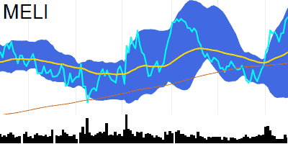 | MELI | MercadoLibre Inc. Common Stock | Consumer Discretionary | Catalog/Specialty Distribution | 72.9B | 72934660099 | 1442.55 | 0.84 | 322027 | -23.3 | 70.73 | 1251.01 | 1296.6 | 1294.22 | 1480.41 | 1108.03 | 43.83 | 26.48
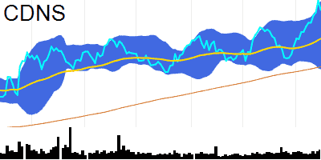 | CDNS | Cadence Design Systems Inc. Common Stock | Technology | Computer Software: Prepackaged Software | 72.3B | 72311358980 | 265.79 | -2.51 | 2123144 | 47.08 | 67.45 | 224.32 | 244.7 | 247.31 | 271.75 | 222.86 | 6.87 | 4.27
 | PYPL | PayPal Holdings Inc. Common Stock | Consumer Discretionary | Business Services | 62.8B | 62801668048 | 58.25 | 2.77 | 15222140 | -6.31 | 60.75 | 66.31 | 57.03 | 53.89 | 57.85 | 49.94 | -0.15 | -0.85
 | CHTR | Charter Communications Inc. Class A Common Stock New | Telecommunications | Cable & Other Pay Television Services | 61.8B | 61771511434 | 417.6 | 0.67 | 621075 | -42.7 | 49.51 | 383.33 | 420.71 | 413.08 | 441.78 | 384.37 | -5.19 | -6.42
 | CSX | CSX Corporation Common Stock | Industrials | Railroads | 61.2B | 61240300775 | 30.99 | -0.39 | 14571850 | 19.96 | 57.27 | 31.18 | 30.63 | 30.19 | 31.23 | 29.14 | 0.05 | -0.09
 | WDAY | Workday Inc. Class A Common Stock | Technology | EDP Services | 60.7B | 60655620000 | 231.51 | -0.39 | 1312114 | -1.46 | 64.64 | 211.06 | 221.61 | 216.77 | 233.88 | 199.66 | 2.98 | 0.33
 | MAR | Marriott International Class A Common Stock | Consumer Discretionary | Hotels/Resorts | 59.1B | 59081888477 | 201.17 | -0.59 | 1516215 | -7.17 | 62.17 | 183.79 | 194.53 | 191.66 | 201.28 | 182.03 | 1.36 | -0.32
 | MNST | Monster Beverage Corporation | Consumer Staples | Beverages (Production/Distribution) | 57.7B | 57661259506 | 55.42 | -0.47 | 4658000 | -18.51 | 64.58 | 55 | 53.49 | 52.86 | 57.97 | 47.75 | 1.1 | 0.68
 | ORLY | O'Reilly Automotive Inc. Common Stock | Consumer Discretionary | Auto & Home Supply Stores | 57.6B | 57584615604 | 973.34 | -0.98 | 661876 | 46.48 | 60.51 | 910.98 | 938.93 | 940.27 | 1016.07 | 864.47 | 17.6 | 12.97
 | ARM | Arm Holdings plc American Depositary Shares | (unknown) | 56.8B | 56828720620 | 55.43 | 3.74 | 5821817 | 14.95 | 55.27 |  | 52.66 | 51.5 | 55.98 | 47.03 | 0.39 | 0.18
 | CTAS | Cintas Corporation Common Stock | Consumer Discretionary | Apparel | 55.7B | 55738647534 | 547.24 | 0.13 | 526826 | 51.31 | 77.46 | 479.99 | 510.28 | 515.67 | 547.49 | 483.85 | 10.48 | 6.88
 | ROP | Roper Technologies Inc. Common Stock | Industrials | Industrial Machinery/Components | 55.6B | 55641504303 | 520.88 | -0.73 | 423519 | -19.48 | 68.48 | 467.28 | 496.51 | 496.75 | 527.97 | 465.54 | 7.78 | 4.37
 | LULU | lululemon athletica inc. Common Stock | Consumer Discretionary | Apparel | 52.5B | 52478793060 | 432.19 | 0.43 | 1257545 | 1.66 | 71.18 | 367.22 | 396.26 | 404.65 | 428.97 | 380.33 | 9.44 | 6.74
 | NXPI | NXP Semiconductors N.V. Common Stock | Technology | Semiconductors | 51.7B | 51745982676 | 200.75 | 3.01 | 2807521 | 3.63 | 63.05 | 189.76 | 190.89 | 182.4 | 196.6 | 168.2 | -0.27 | -3.05
 | MRVL | Marvell Technology Inc. Common Stock | Technology | Semiconductors | 49.3B | 49326276000 | 57.17 | 0.25 | 8896024 | 5.52 | 68.16 | 51.52 | 52.99 | 50.54 | 56.75 | 44.34 | 0.83 | -0.26
 | CRWD | CrowdStrike Holdings Inc. Class A Common Stock | Technology | EDP Services | 48.8B | 48782041582 | 204.29 | -1.77 | 3693483 | 52.91 | 69.32 | 149.05 | 178.71 | 185.95 | 206.77 | 165.14 | 7.34 | 5.31
 | TEAM | Atlassian Corporation Class A Common Stock | Technology | Computer Software: Prepackaged Software | 48.3B | 48339577600 | 187.32 | 0.6 | 1836000 | 17.58 | 53.64 | 175.06 | 186.34 | 180.23 | 191.97 | 168.49 | -3 | -4.39
 | PCAR | PACCAR Inc. Common Stock | Consumer Discretionary | Auto Manufacturing | 47.3B | 47312209909 | 90.45 | -0.24 | 1859430 | -17.16 | 67.39 | 79.22 | 85.3 | 85.26 | 90.51 | 80.02 | 1.26 | 0.58
 | CPRT | Copart Inc. (DE) Common Stock | Consumer Discretionary | Retail-Auto Dealers and Gas Stations | 47.1B | 47121044256 | 49.22 | -0.95 | 6243278 | 61.57 | 70.01 | 41.9 | 45.28 | 45.48 | 49.73 | 41.22 | 1.17 | 0.66
 | ADSK | Autodesk Inc. Common Stock | Technology | Computer Software: Prepackaged Software | 46.2B | 46196458512 | 216.11 | -0.58 | 1031468 | -4.48 | 62.71 | 205.63 | 207.12 | 203.78 | 215.84 | 191.72 | 1.65 | -0.39
 | JD | JD.com Inc. American Depositary Shares | Consumer Discretionary | Other Specialty Stores | 44.9B | 44929426929 | 28.59 | 7.04 | 32265330 | 156.21 | 60.67 | 35.95 | 28.36 | 25.93 | 27.8 | 24.06 | -0.33 | -0.71
 | MCHP | Microchip Technology Incorporated Common Stock | Technology | Semiconductors | 44.6B | 44636237085 | 82.5 | 1.5 | 6602378 | 15.65 | 64.31 | 80.69 | 77.44 | 74.97 | 81.13 | 68.82 | 0.57 | -0.53
 | KDP | Keurig Dr Pepper Inc. Common Stock | Consumer Staples | Beverages (Production/Distribution) | 44.6B | 44592938325 | 31.89 | 0.03 | 7162715 | -20.53 | 66.56 | 32.84 | 31 | 30.29 | 32.44 | 28.14 | 0.32 | 0.06
 | ODFL | Old Dominion Freight Line Inc. Common Stock | Industrials | Trucking Freight/Courier Services | 43.9B | 43944433012 | 402.74 | -0.52 | 620244 | -16.69 | 55.37 | 365.59 | 397.22 | 387.86 | 407.79 | 367.94 | -1.01 | -3.7
 | PAYX | Paychex Inc. Common Stock | Consumer Discretionary | Business Services | 42.3B | 42314761813 | 117.14 | 0.76 | 2240507 | 21.78 | 57.61 | 114.27 | 115.58 | 113.51 | 118.97 | 108.06 | -0.18 | -0.9
 | ROST | Ross Stores Inc. Common Stock | Consumer Discretionary | Clothing/Shoe/Accessory Stores | 42B | 41980230363 | 123.97 | -0.67 | 4072639 | 103.3 | 66.23 | 110.82 | 117.27 | 118.8 | 126.61 | 110.98 | 2.45 | 1.86
 | LI | Li Auto Inc. American Depositary Shares | Consumer Discretionary | Auto Manufacturing | 41.8B | 41804897332 | 40.53 | 1.71 | 5387063 | -1.34 | 64.33 | 32.21 | 36.75 | 36.19 | 41.61 | 30.76 | 1.16 | 0.6
 | KHC | The Kraft Heinz Company Common Stock | Consumer Staples | Packaged Foods | 41.2B | 41162638571 | 33.56 | -0.06 | 6432836 | -10.67 | 60.68 | 36.24 | 32.96 | 32.44 | 34.16 | 30.72 | 0.26 | 0.09
 | AEP | American Electric Power Company Inc. Common Stock | Utilities | Electric Utilities: Central | 40.2B | 40245262193 | 76.53 | -1.14 | 3404684 | -4.38 | 49.73 | 84.18 | 77.03 | 76.42 | 80.23 | 72.62 | 0.38 | 0.42
 | SGEN | Seagen Inc. Common Stock | Health Care | Biotechnology: Biological Products (No Diagnostic Substances) | 40B | 40009692851 | 212.07 | -0.88 | 1319574 | 14.16 | 43.02 | 197.85 | 211.5 | 214.53 | 217.24 | 211.83 | 0.1 | 0.55
 | EXC | Exelon Corporation Common Stock | Utilities | Power Generation | 39.5B | 39489002293 | 39.67 | 0.2 | 6703839 | 20.7 | 52.18 | 40.76 | 39.58 | 39.36 | 40.6 | 38.11 | 0.04 | 0.03
 | DXCM | DexCom Inc. Common Stock | Health Care | Medical/Dental Instruments | 39.5B | 39452642503 | 102.11 | 0.72 | 4159505 | -19.19 | 65.23 | 111.66 | 94.07 | 91.46 | 103.03 | 79.89 | 2.86 | 1.38
 | BIDU | Baidu Inc. ADS | Technology | Computer Software: Programming Data Processing | 39.4B | 39445836954 | 112.84 | 3.01 | 3603108 | 71.79 | 49.71 | 134.21 | 119.24 | 107.71 | 111.67 | 103.75 | -3.75 | -5.12
 | FTNT | Fortinet Inc. Common Stock | Technology | Computer peripheral equipment | 39.2B | 39209464329 | 51.06 | -0.51 | 6946374 | -20.48 | 36.26 | 64.16 | 56.78 | 53.88 | 60.33 | 47.43 | -2.15 | -1.97
 | CEG | Constellation Energy Corporation Common Stock | Utilities | Electric Utilities: Central | 39B | 38961371631 | 121.99 | -3.58 | 1982239 | 22.86 | 58.77 | 94 | 113.59 | 117.09 | 126.48 | 107.7 | 3.1 | 2.55
 | IDXX | IDEXX Laboratories Inc. Common Stock | Health Care | Biotechnology: In Vitro & In Vivo Diagnostic Substances | 38.3B | 38250291873 | 460.56 | 1.39 | 502477 | -10.07 | 64.72 | 477.37 | 439.76 | 421.02 | 456.85 | 385.2 | 2.35 | -4.11
 | DASH | DoorDash Inc. Class A Common Stock | Industrials | Industrial Machinery/Components | 37.9B | 37893540844 | 95.16 | 1.57 | 4340038 | 3.32 | 69.04 | 72.09 | 81.16 | 81.59 | 98.43 | 64.75 | 4.07 | 2.56
 | EA | Electronic Arts Inc. Common Stock | Technology | Computer Software: Prepackaged Software | 36.2B | 36157159470 | 134.43 | -0.00745 | 1750382 | -7.56 | 70.78 | 124.05 | 126.83 | 128.19 | 135.79 | 120.59 | 2.33 | 1.64
 | DDOG | Datadog Inc. Class A Common Stock | Technology | EDP Services | 36B | 35956914301 | 109.44 | 0.39 | 5196795 | -16.02 | 72.36 | 87.84 | 92.38 | 90.15 | 111.61 | 68.69 | 4.75 | 1.66
 | BKR | Baker Hughes Company Class A Common Stock | Industrials | Metal Fabrications | 34.9B | 34876066731 | 34.66 | -0.12 | 8082202 | 7.12 | 49.27 | 32.19 | 34.84 | 34.65 | 35.64 | 33.66 | -0.18 | -0.19
 | VRSK | Verisk Analytics Inc. Common Stock | Technology | EDP Services | 34.5B | 34476353627 | 237.79 | -0.11 | 920441 | -5.35 | 56.12 | 217.14 | 235.39 | 231.55 | 241.35 | 221.74 | 0.12 | -1.31
 | FAST | Fastenal Company Common Stock | Consumer Discretionary | RETAIL: Building Materials | 34.3B | 34347645348 | 60.11 | -1.46 | 3207155 | -1.64 | 59.74 | 55.53 | 57.87 | 58.75 | 60.92 | 56.58 | 0.82 | 0.73
 | CTSH | Cognizant Technology Solutions Corporation Class A Common Stock | Technology | EDP Services | 34.3B | 34301632272 | 68.41 | 1.53 | 3046389 | 0.66 | 61.31 | 64.92 | 66.72 | 65.24 | 67.79 | 62.7 | -0.03 | -0.51
 | CSGP | CoStar Group Inc. Common Stock | Consumer Discretionary | Business Services | 33.6B | 33591970652 | 82.26 | -0.58 | 1826351 | -24.51 | 64.42 | 77.86 | 78.04 | 75.49 | 82.63 | 68.35 | 0.92 | -0.15
 | TTD | The Trade Desk Inc. Class A Common Stock | Technology | Computer Software: Programming Data Processing | 33.4B | 33364711735 | 68.05 | 0.62 | 6301289 | -10.63 | 41.59 | 71.28 | 75.45 | 72.16 | 82.04 | 62.28 | -2.38 | -1.75
 | BIIB | Biogen Inc. Common Stock | Health Care | Biotechnology: Pharmaceutical Preparations | 33.3B | 33272953459 | 229.63 | 1.94 | 1346392 | 17.13 | 36.75 | 274.88 | 249.66 | 240.06 | 261.89 | 218.22 | -7.99 | -6.66
 | XEL | Xcel Energy Inc. Common Stock | Utilities | Power Generation | 33.2B | 33158642609 | 60.09 | -0.35 | 3439464 | -5.05 | 54.96 | 63.14 | 59.12 | 59.43 | 61.27 | 57.58 | 0.31 | 0.36
 | GEHC | GE HealthCare Technologies Inc. Common Stock | Technology | Computer Software: Prepackaged Software | 32.6B | 32558977500 | 71.52 | -0.96 | 2780070 | -5.7 | 61.8 | 74.64 | 68.5 | 67.59 | 73.85 | 61.33 | 1.2 | 0.72
 | DKNG | DraftKings Inc. Class A Common Stock | Consumer Discretionary | Services-Misc. Amusement & Recreation | 31.5B | 31465950472 | 36.62 | -1.11 | 17834860 | 5.52 | 68.78 | 25.47 | 30.72 | 31.15 | 39.3 | 22.99 | 2.05 | 1.34
 | ACGL | Arch Capital Group Ltd. Common Stock | Finance | Property-Casualty Insurers | 30.8B | 30846389998 | 82.66 | -3.32 | 2829098 | 27.86 | 45.8 | 75.04 | 82.58 | 84.51 | 88.5 | 80.52 | 0.72 | 1.02
 | NDAQ | Nasdaq Inc. Common Stock | Finance | Investment Bankers/Brokers/Service | 30.8B | 30763750872 | 53.32 | 0.4 | 2503802 | 16.84 | 66.51 | 52.58 | 50.56 | 50.55 | 53.45 | 47.65 | 0.76 | 0.38
 | GFS | GlobalFoundries Inc. Ordinary Shares | Technology | Semiconductors | 30.8B | 30751246400 | 56.14 | 0.63 | 1375625 | -18.7 | 57.54 | 60.31 | 54.83 | 52.58 | 56.72 | 48.44 | -0.38 | -1
This is a demo version limited to 100 rows. To access the full data file, subscribe at nitrocharts.com/subscribe

