SSE-16Nov2023
6M Chart (Price-Cyan,Boll[20,2]-Blue,EMA[50]-Gold,SMA[200]-Brown,Vol,MACD[12,26,9],RSI) | Symbol | Name | Industry | Market Cap (Short) | Market Cap (Raw) | $Price | %Change | Volume | %Volume | RSI | SMA200 | EMA50 | SMA20 | BollBandUpper | BollBandLower | MACD | MACD Signal
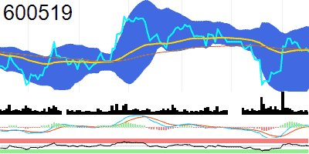 | 600519 | Kweichow Moutai Co.,Ltd | Main Board | 221.1M | 221097093.79 | 1760.05 | -0.73 | 1255757 | -49.18 | 50.33 | 1769.36 | 1765.61 | 1736.47 | 1857.22 | 1615.72 | 6.61 | 2.56
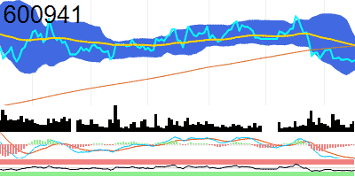 | 600941 | CHINA MOBILE | Main Board | 193.8M | 193780283.95 | 90.6 | 0.4 | 12201627 | 18.83 | 35.54 | 94.82 | 95 | 92.66 | 97.5 | 87.82 | -1.84 | -1.75
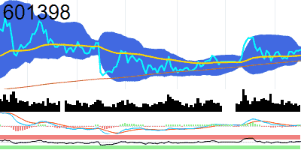 | 601398 | Industrial and Commercial Bank of China | Main Board | 171.1M | 171075003.4 | 4.8 | 0.21 | 178304921 | -26.04 | 55.44 | 4.69 | 4.74 | 4.76 | 4.83 | 4.69 | 0.01 | 0.01
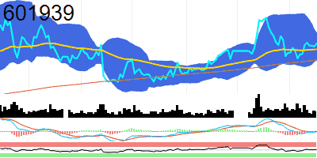 | 601939 | China Construction Bank Corporation | Main Board | 160M | 160007025.59 | 6.4 | 0.63 | 70789184 | -24.4 | 53.03 | 6.18 | 6.32 | 6.36 | 6.55 | 6.17 | 0 | 0
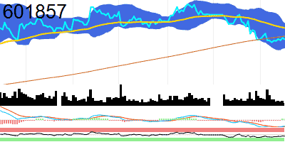 | 601857 | Petrochina Company | Main Board | 130.5M | 130493957.18 | 7.13 | -0.7 | 50110679 | -57.83 | 39.52 | 7.24 | 7.53 | 7.26 | 7.68 | 6.84 | -0.17 | -0.18
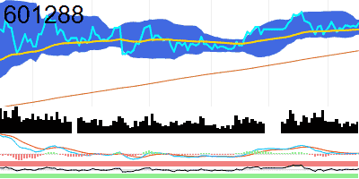 | 601288 | Agricultural Bank of China | Main Board | 127.7M | 127743807.36 | 3.65 | 0.83 | 311545298 | -0.24 | 54.96 | 3.43 | 3.6 | 3.62 | 3.67 | 3.56 | 0.01 | 0.01
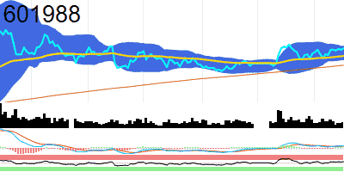 | 601988 | Bank of China | Main Board | 116.9M | 116871953.12 | 3.97 | 0.51 | 172051545 | -5.78 | 59.01 | 3.75 | 3.87 | 3.91 | 4 | 3.82 | 0.03 | 0.03
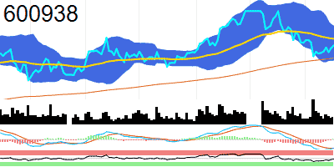 | 600938 | CNOOC | Main Board | 92.1M | 92089255.073 | 19.36 | 0.73 | 22699304 | -24.6 | 45.37 | 18.7 | 19.71 | 19.48 | 20.37 | 18.59 | -0.3 | -0.3
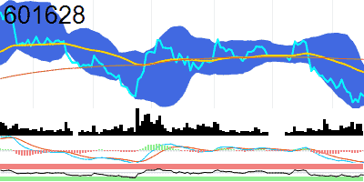 | 601628 | China Life Insurance Company | Main Board | 89.4M | 89372997.21 | 31.62 | -0.97 | 9430542 | -37.72 | 36.6 | 35.81 | 34.35 | 32.86 | 35.18 | 30.54 | -1.15 | -1.08
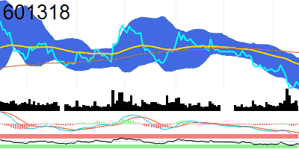 | 601318 | PING AN INSURANCE (GROUP) COMPANY OF CHINA, | Main Board | 78.1M | 78067275.76 | 42.87 | -1.13 | 38608889 | -26.71 | 31.92 | 48.14 | 46.25 | 44.66 | 47.23 | 42.1 | -1.21 | -1.07
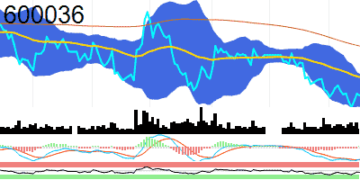 | 600036 | CHINA MERCHANTS BANK CO., | Main Board | 77M | 77021408.465 | 30.54 | -0.33 | 31571993 | -28.57 | 41.41 | 33.52 | 31.65 | 30.85 | 31.82 | 29.88 | -0.49 | -0.5
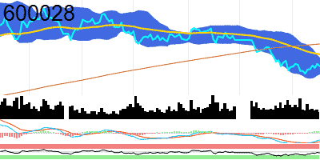 | 600028 | China Petroleum & Chemical Corporation | Main Board | 65.7M | 65685318.366 | 5.48 | -0.9 | 73794971 | -40.89 | 43.28 | 5.98 | 5.75 | 5.48 | 5.67 | 5.3 | -0.11 | -0.13
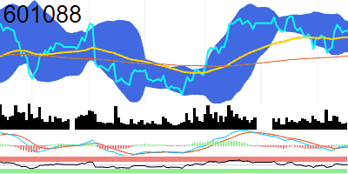 | 601088 | China Shenhua Energy Company | Main Board | 61.1M | 61135435.902 | 30.77 | 0.1 | 12905634 | -22.56 | 53.04 | 29.28 | 30.39 | 30.43 | 31.32 | 29.53 | 0.01 | -0.06
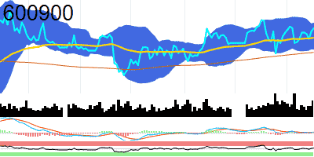 | 600900 | China Yangtze Power Co., | Main Board | 55.6M | 55567322.433 | 22.71 | 0.49 | 71263004 | 31.17 | 55.84 | 21.94 | 22.41 | 22.46 | 22.87 | 22.04 | 0.04 | 0.03
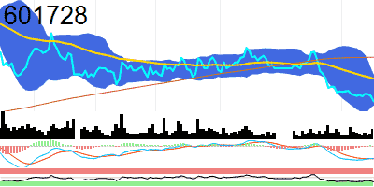 | 601728 | China Telecom Corporation | Main Board | 46.9M | 46943162.153 | 5.13 | -2.1 | 197488068 | 46.14 | 26.07 | 6.01 | 5.58 | 5.35 | 5.65 | 5.05 | -0.15 | -0.15
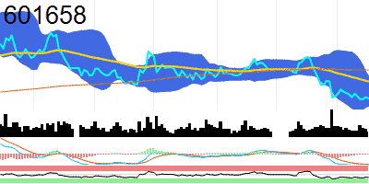 | 601658 | Postal Savings Bank of China Co.,Ltd | Main Board | 45M | 45019128.521 | 4.54 | -0.44 | 59512800 | -42.08 | 34.25 | 4.96 | 4.79 | 4.65 | 4.87 | 4.43 | -0.1 | -0.1
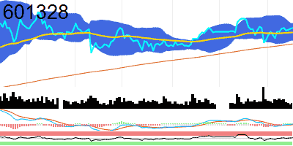 | 601328 | Bank of Communications Co.,Ltd | Main Board | 43.2M | 43220906.907 | 5.82 | 0.17 | 67925033 | -24.85 | 54.52 | 5.57 | 5.75 | 5.76 | 5.89 | 5.62 | 0.01 | 0
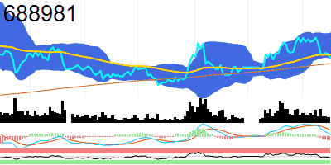 | 688981 | Semiconductor Manufacturing International Corporation | STAR Market | 42.4M | 42446921.564 | 53.42 | -1.66 | 19855533 | -38.72 | 42.17 | 52.05 | 54.18 | 56.28 | 59.42 | 53.14 | 0.2 | 0.81
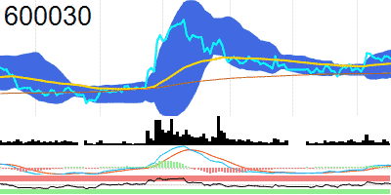 | 600030 | CITIC Securities Company | Main Board | 33.2M | 33242486.537 | 22.43 | -0.75 | 46210073 | -38.57 | 55.3 | 21.41 | 22.09 | 22.07 | 23.04 | 21.11 | 0.19 | 0.13
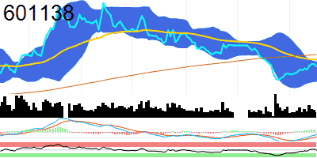 | 601138 | Foxconn Industrial Internet Co.,Ltd | Main Board | 31.7M | 31666152.164 | 15.94 | -2.86 | 82517451 | -28.11 | 48.02 | 18.09 | 17.16 | 15.03 | 16.76 | 13.31 | -0.36 | -0.7
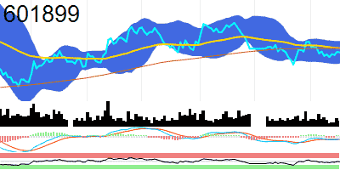 | 601899 | Zijin Mining Group Company | Main Board | 31.5M | 31512905.774 | 11.97 | -0.25 | 72428050 | -18.29 | 47.42 | 12.16 | 12.16 | 11.98 | 12.45 | 11.51 | -0.08 | -0.09
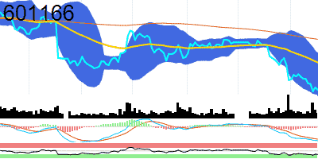 | 601166 | Industrial Bank Co.,Ltd | Main Board | 30.7M | 30683626.42 | 14.77 | -0.54 | 40511590 | -24.15 | 27.11 | 16.39 | 15.65 | 15.27 | 15.95 | 14.59 | -0.31 | -0.28
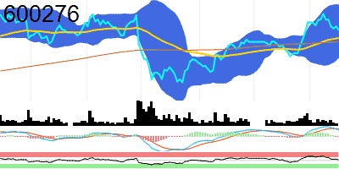 | 600276 | Jiangsu Hengrui Pharmaceuticals Co.,Ltd | Main Board | 29.9M | 29853730.642 | 46.8 | -1.12 | 13957572 | -52.56 | 52.94 | 44.97 | 45.53 | 46.56 | 50.66 | 42.46 | 0.83 | 0.97
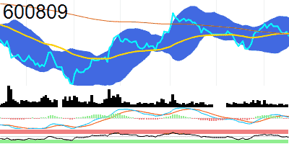 | 600809 | Shanxi Xinghuacun Fen Wine Factory Co.,Ltd | Main Board | 29M | 29035148.484 | 238 | -1.86 | 2518776 | -31.36 | 44.14 | 239.86 | 240.39 | 242.37 | 257.89 | 226.85 | 0.87 | 1.66
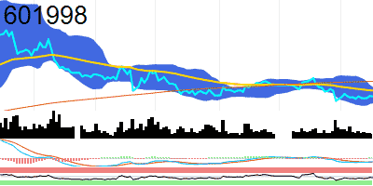 | 601998 | China Citic Bank Corporation | Main Board | 26.6M | 26637975.079 | 5.44 | -0.18 | 18351288 | -41.48 | 43.66 | 5.81 | 5.59 | 5.47 | 5.67 | 5.28 | -0.07 | -0.07
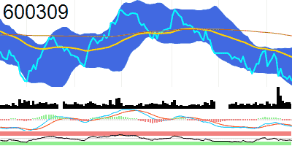 | 600309 | Wanhua Chemical Group Co.,Ltd | Main Board | 25.9M | 25855813.465 | 82.35 | -1.14 | 7677300 | -19.94 | 36.91 | 92.09 | 87.5 | 85.41 | 89.44 | 81.38 | -1.41 | -1.15
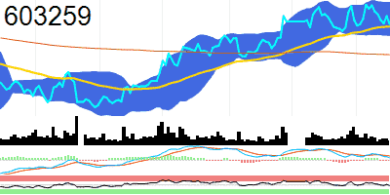 | 603259 | Wuxi Apptec Co.,Ltd | Main Board | 25.4M | 25358933.61 | 85.42 | -2.6 | 12472522 | -33.85 | 47.02 | 76.74 | 84.72 | 86.88 | 91.55 | 82.2 | 0.52 | 0.91
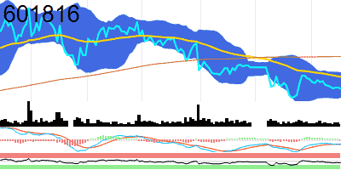 | 601816 | Beijing-Shanghai High Speed Railway Co.,Ltd | Main Board | 24.1M | 24062177.459 | 4.9 | -0.2 | 39642746 | -30.54 | 40.46 | 5.25 | 5.03 | 4.94 | 5.07 | 4.8 | -0.03 | -0.03
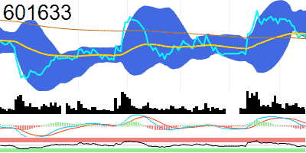 | 601633 | GREAT WALL MOTOR COMPANY | Main Board | 23.6M | 23602932.617 | 27.78 | -1.21 | 11293609 | -45.79 | 42.01 | 27.51 | 28.15 | 29.29 | 30.98 | 27.6 | -0.01 | 0.32
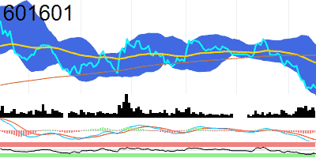 | 601601 | China Pacific Insurance (Group) Co., | Main Board | 23.3M | 23252365.297 | 24.17 | -1.75 | 39034331 | 12.38 | 26.76 | 28.43 | 27.49 | 26.56 | 29.88 | 23.24 | -1.22 | -0.97
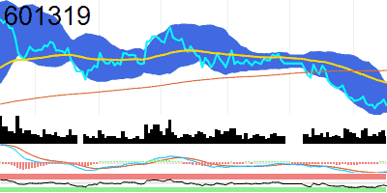 | 601319 | The People's Insurance Company (Group) of China | Main Board | 23.1M | 23084923.084 | 5.22 | -1.69 | 45665381 | -16.37 | 34.97 | 5.78 | 5.59 | 5.35 | 5.58 | 5.11 | -0.13 | -0.14
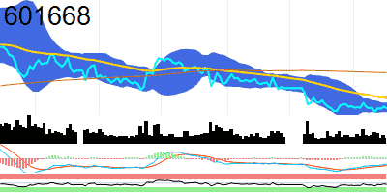 | 601668 | China State Construction Engineering Corporation | Main Board | 21.5M | 21546630.424 | 5.14 | -0.58 | 87296757 | -31.82 | 42.88 | 5.83 | 5.34 | 5.15 | 5.24 | 5.07 | -0.06 | -0.07
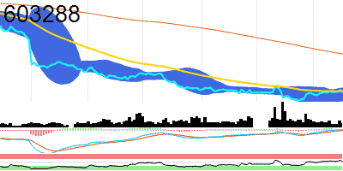 | 603288 | Foshan Haitian Flavouring and Food Company | Main Board | 21.3M | 21324903.086 | 38.35 | -2.04 | 9053944 | -21.26 | 54.04 | 54.58 | 38.63 | 37.22 | 39.97 | 34.48 | 0.25 | 0.02
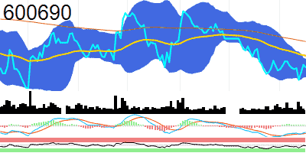 | 600690 | Haier Smart Home Co., | Main Board | 21.1M | 21103624.901 | 22.36 | -0.49 | 11507340 | -41.49 | 45.62 | 23.47 | 22.86 | 22.33 | 22.72 | 21.94 | -0.22 | -0.26
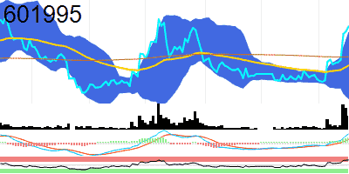 | 601995 | China International Capital Corporation | Main Board | 20.9M | 20921331.266 | 43.34 | 1.48 | 56646184 | 128.65 | 79.4 | 39.58 | 38.51 | 38.49 | 42.56 | 34.42 | 1.17 | 0.52
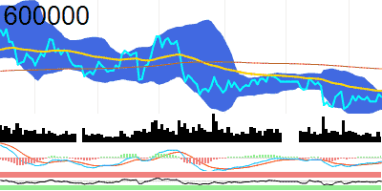 | 600000 | Shanghai Pudong Development Bank Co.,Ltd | Main Board | 20.3M | 20341058.242 | 6.93 | -0.43 | 14412881 | -34.31 | 48.97 | 7.24 | 7 | 6.9 | 7 | 6.79 | -0.03 | -0.04
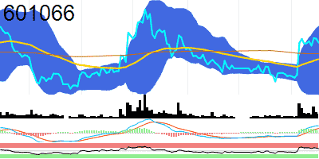 | 601066 | China Securities Co.,Ltd | Main Board | 20.3M | 20307026.979 | 26.18 | -0.91 | 17042240 | 2.65 | 63.12 | 25.51 | 25.18 | 25.11 | 27.18 | 23.04 | 0.47 | 0.3
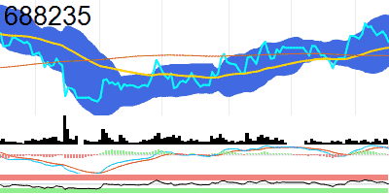 | 688235 | BEIGENE, | STAR Market | 19.6M | 19588901.15 | 144.75 | -2.69 | 1714326 | 23.46 | 49.35 | 136.55 | 141.29 | 145.48 | 160.73 | 130.22 | 2.95 | 3.42
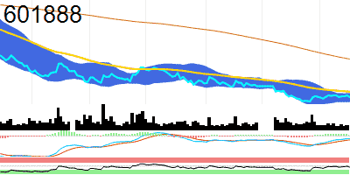 | 601888 | China Tourism Group Duty Free Corporation | Main Board | 19.5M | 19521753.939 | 94.36 | -1.86 | 9877367 | -21.85 | 43.45 | 135.01 | 100.15 | 93.84 | 98.19 | 89.5 | -1.2 | -1.82
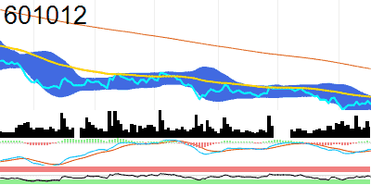 | 601012 | Longi Green Energy Technology Co., | Main Board | 18M | 17967538.571 | 23.71 | -2.79 | 122351654 | 0.45 | 43.3 | 31.82 | 25.38 | 24.01 | 25.55 | 22.46 | -0.57 | -0.7
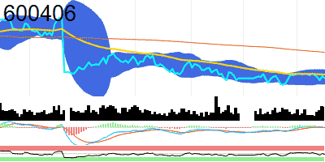 | 600406 | NARI Technology Co., | Main Board | 17.8M | 17841366.246 | 22.21 | -0.98 | 21627281 | 61.31 | 46.42 | 24.73 | 22.56 | 22.33 | 23.03 | 21.63 | -0.01 | 0.01
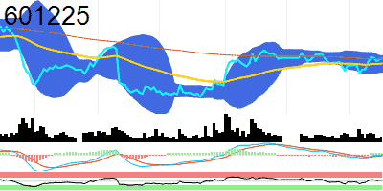 | 601225 | Shaanxi Coal Industry Company | Main Board | 17.8M | 17838800 | 18.4 | 0.16 | 20195710 | -15.74 | 55.34 | 18.38 | 18.08 | 18.06 | 18.61 | 17.51 | 0.03 | -0.03
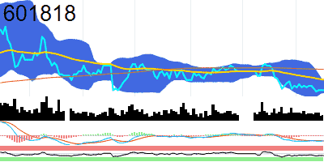 | 601818 | China Everbright Bank Company | Main Board | 17.4M | 17371152.012 | 2.94 | 0 | 73533715 | -20.58 | 37.95 | 3.08 | 3.01 | 2.97 | 3.01 | 2.92 | -0.03 | -0.03
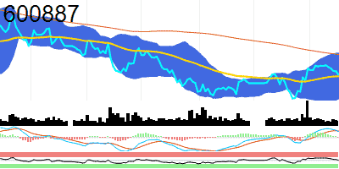 | 600887 | Inner Mongolia Yili Industrial Group Co.,Ltd | Main Board | 17.2M | 17201756.394 | 27.02 | -0.88 | 23280216 | -25.49 | 49.79 | 28.29 | 26.95 | 26.97 | 28.36 | 25.57 | 0.21 | 0.23
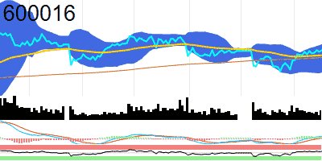 | 600016 | China Minsheng Banking Corp., | Main Board | 16.9M | 16856231.123 | 3.85 | 0.52 | 75295025 | 16.38 | 58.7 | 3.76 | 3.79 | 3.75 | 3.92 | 3.58 | 0.02 | 0.01
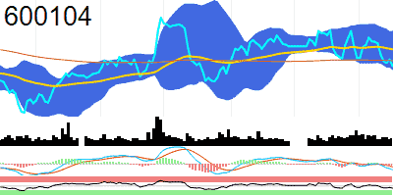 | 600104 | SAIC Motor Corporation | Main Board | 16.7M | 16730716.675 | 14.32 | -1.1 | 17440880 | -12.28 | 38.28 | 14.45 | 14.73 | 14.7 | 15.17 | 14.24 | -0.1 | -0.05
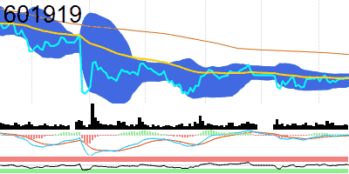 | 601919 | COSCO SHIPPING Holdings Co.,Ltd | Main Board | 15.8M | 15752039.034 | 9.74 | -0.2 | 40315462 | -12.02 | 52.31 | 10.35 | 9.74 | 9.68 | 9.85 | 9.52 | 0 | -0.01
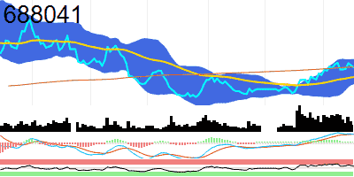 | 688041 | HYGON INFORMATION TECHNOLOGY CO., | STAR Market | 15.4M | 15391766.839 | 66.22 | -1.78 | 16405160 | -47.08 | 59.47 | 66.47 | 60.79 | 63.85 | 70.7 | 56.99 | 2.76 | 2.76
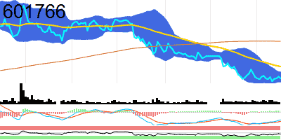 | 601766 | CRRC Corporation | Main Board | 15.2M | 15239096.831 | 5.31 | -0.75 | 37866732 | -25.64 | 41.1 | 6.19 | 5.59 | 5.34 | 5.46 | 5.22 | -0.09 | -0.1
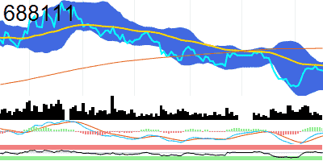 | 688111 | Beijing Kingsoft Office Software, Inc | STAR Market | 15.2M | 15174444.955 | 328.65 | -0.41 | 1980772 | -42.44 | 49.64 | 390.51 | 342.71 | 312.76 | 350.76 | 274.77 | -2.92 | -7.8
 | 600436 | ZHANGZHOU PIENTZEHUANG PHARMACEUTICAL CO., | Main Board | 14.9M | 14906761.625 | 247.08 | -1.64 | 1249725 | -6.66 | 37.85 | 283.06 | 259.83 | 248.84 | 256.84 | 240.85 | -3.31 | -3.96
 | 600188 | YANKUANG ENERGY GROUP COMPANY | Main Board | 14.8M | 14767150.879 | 19.85 | 1.22 | 26886166 | 12.97 | 53.62 | 26.48 | 19.87 | 19.48 | 20.25 | 18.71 | -0.08 | -0.15
 | 600025 | Huaneng Lancang River Hydropower Inc | Main Board | 14.6M | 14580000 | 8.1 | 0.75 | 23907602 | 3.47 | 73.15 | 7.24 | 7.61 | 7.74 | 8.14 | 7.35 | 0.14 | 0.11
 | 601688 | Huatai Securities Co.,Ltd | Main Board | 14.5M | 14483162.683 | 15.96 | -0.87 | 29633947 | -40.41 | 46.35 | 14.72 | 16.05 | 16.07 | 16.76 | 15.38 | 0.06 | 0.08
 | 601390 | China Railway Group | Main Board | 14.5M | 14480034.65 | 5.85 | -1.02 | 56231106 | -35.35 | 34.24 | 7.26 | 6.36 | 5.99 | 6.24 | 5.74 | -0.16 | -0.18
 | 601881 | China Galaxy Securities Co.,Ltd | Main Board | 14.3M | 14277090.709 | 13.53 | -1.53 | 109803219 | 7.05 | 71.57 | 11.37 | 12.12 | 12.6 | 13.79 | 11.41 | 0.52 | 0.42
 | 600050 | China United Network Communications | Main Board | 14.2M | 14216384.564 | 4.47 | -1.32 | 114010298 | -27.81 | 35.73 | 5.17 | 4.75 | 4.52 | 4.69 | 4.35 | -0.1 | -0.12
 | 600019 | Baoshan Iron & Steel Co.,Ltd | Main Board | 13.8M | 13780671.524 | 6.23 | 0.48 | 80351992 | -4.92 | 54.66 | 6.23 | 6.14 | 6.13 | 6.46 | 5.8 | 0.01 | 0
 | 601211 | Guotai Junan Securities Co., | Main Board | 13.6M | 13570626.884 | 15.24 | -0.33 | 16792423 | -22.36 | 63.29 | 14.76 | 14.84 | 14.89 | 15.55 | 14.23 | 0.17 | 0.13
 | 600905 | China Three Gorges Renewables (Group) Co.,Ltd | Main Board | 13.6M | 13567339.541 | 4.74 | -0.84 | 41762970 | -18.91 | 46.48 | 5.24 | 4.82 | 4.75 | 4.83 | 4.66 | -0.01 | -0.01
 | 601985 | China National Nuclear Power Co., | Main Board | 13.4M | 13426015.54 | 7.11 | -0.28 | 41447877 | -18.13 | 39.46 | 6.98 | 7.27 | 7.26 | 7.47 | 7.05 | -0.05 | -0.03
 | 600048 | POLY DEVELOPMENTS AND HOLDINGS GROUP CO., | Main Board | 13.1M | 13095665.099 | 10.94 | -0.82 | 58798388 | -6.08 | 30.68 | 13.54 | 11.97 | 11.13 | 11.52 | 10.74 | -0.33 | -0.39
 | 600837 | Haitong Securities Co., | Main Board | 13.1M | 13051135.8 | 9.99 | -0.4 | 18006411 | -35.56 | 53.06 | 9.62 | 9.93 | 9.89 | 10.2 | 9.58 | 0.04 | 0.02
 | 601800 | China Communications Construction Company | Main Board | 13M | 12994665.479 | 7.99 | -1.11 | 24547565 | -27.67 | 38.78 | 10.3 | 8.64 | 8.05 | 8.2 | 7.9 | -0.17 | -0.21
 | 603501 | Will Semiconductor Co.,Ltd. Shanghai | Main Board | 13M | 12957272.075 | 106.6 | -2.18 | 6209133 | -52.25 | 53.29 | 96.58 | 102.26 | 106.42 | 115.41 | 97.44 | 2.63 | 3.08
 | 601111 | Air China | Main Board | 12.8M | 12831027.928 | 7.92 | 0.89 | 45719776 | 9.75 | 55.5 | 9.19 | 7.95 | 7.7 | 8.23 | 7.18 | 0 | -0.03
 | 600585 | Anhui Conch Cement Company | Main Board | 12.6M | 12622938.743 | 23.82 | -0.46 | 10462343 | -34.53 | 43.69 | 26.46 | 24.69 | 23.92 | 24.64 | 23.19 | -0.37 | -0.42
 | 600999 | China Merchants Securities Co., | Main Board | 12.5M | 12488212.493 | 14.36 | -0.49 | 9124698 | -29.04 | 59.47 | 14.13 | 14.15 | 14.15 | 14.57 | 13.73 | 0.1 | 0.07
 | 601127 | SERES GROUP CO.,LTD | Main Board | 12.4M | 12438852.935 | 82.4 | -1.42 | 58897615 | -32.13 | 53.47 | 43.97 | 71.21 | 84.92 | 95.34 | 74.5 | 4.22 | 6.17
 | 600919 | Bank of Jiangsu Co.,Ltd | Main Board | 12.4M | 12368792.688 | 6.74 | -0.15 | 53026161 | -56.09 | 35.31 | 7.21 | 6.98 | 6.86 | 7.06 | 6.67 | -0.09 | -0.08
 | 600438 | Tongwei Co., | Main Board | 12.2M | 12245367.292 | 27.2 | -1.73 | 25886974 | -18.95 | 39.75 | 34.91 | 29.49 | 27.58 | 29.39 | 25.76 | -0.8 | -0.97
 | 600031 | SANY HEAVY INDUSTRY CO.,LTD | Main Board | 12M | 12024293.916 | 14.17 | -1.19 | 37669013 | -13.7 | 37.56 | 16.43 | 15.06 | 14.39 | 14.87 | 13.91 | -0.28 | -0.32
 | 600011 | Huaneng Power International,Inc | Main Board | 11.9M | 11930550.953 | 7.6 | 0.26 | 49364132 | -5.94 | 48.31 | 8.63 | 7.8 | 7.52 | 7.84 | 7.2 | -0.04 | -0.07
 | 600760 | Avic Shenyang Aircraft Company | Main Board | 11.8M | 11810928.113 | 42.86 | -0.58 | 6512174 | -29.25 | 56.08 | 49.89 | 42.63 | 41.94 | 43.58 | 40.31 | 0.16 | -0.07
 | 600150 | China CSSC Holdings | Main Board | 11.6M | 11574645.626 | 25.88 | -0.69 | 23493097 | -23.86 | 44.47 | 27.48 | 26.82 | 25.75 | 26.37 | 25.14 | -0.28 | -0.38
 | 601898 | China Coal Energy Company | Main Board | 11.5M | 11521778.495 | 8.69 | 0 | 17829333 | -13.21 | 52.79 | 8.57 | 8.62 | 8.62 | 8.87 | 8.37 | 0 | -0.01
 | 600018 | Shanghai International Port (Group) Co., | Main Board | 11.4M | 11432515.072 | 4.91 | -0.81 | 11267900 | -16.89 | 41 | 5.3 | 5.04 | 4.95 | 5.07 | 4.82 | -0.03 | -0.03
 | 603993 | CMOC GROUP | Main Board | 11.4M | 11361200.547 | 5.26 | -2.05 | 78478807 | -17.48 | 41.2 | 5.77 | 5.58 | 5.33 | 5.57 | 5.08 | -0.13 | -0.14
 | 600029 | China Southern Airlines Company | Main Board | 11M | 10981269.23 | 6.06 | 0.66 | 35941583 | 22.56 | 53.59 | 6.77 | 6.09 | 5.97 | 6.3 | 5.64 | 0 | -0.02
 | 601006 | Daqin Railway Co., | Main Board | 10.9M | 10892269.266 | 7.08 | 0 | 34369382 | -10.59 | 38.94 | 7.3 | 7.2 | 7.15 | 7.26 | 7.03 | -0.04 | -0.04
 | 600600 | Tsingtao Brewery Company | Main Board | 10.8M | 10761068.248 | 78.88 | -1.21 | 3249415 | -38 | 36.06 | 100.1 | 84.81 | 80.87 | 84.07 | 77.67 | -1.59 | -1.67
 | 601186 | China Railway Construction Corporation | Main Board | 10.7M | 10741417.327 | 7.91 | -0.88 | 31183790 | -28.21 | 41.23 | 9.52 | 8.36 | 7.94 | 8.07 | 7.81 | -0.12 | -0.15
 | 600989 | Ningxia Baofeng Energy Group Co.,Ltd | Main Board | 10.7M | 10655372.08 | 14.53 | 0.76 | 16831543 | 24.37 | 57.08 | 13.95 | 14.18 | 14.22 | 14.82 | 13.62 | 0.08 | 0.06
 | 601238 | GUANGZHOU AUTOMOBILE GROUP CO., | Main Board | 10.4M | 10381111.813 | 9.9 | -1.3 | 25702280 | -3.53 | 43.68 | 10.64 | 10.14 | 10.04 | 10.33 | 9.74 | -0.05 | -0.04
 | 600845 | Shanghai Baosight Software Co.,Ltd | Main Board | 10.3M | 10345554.852 | 43.06 | -0.12 | 3011447 | -22.52 | 46.62 | 49.98 | 44.34 | 42.68 | 44.02 | 41.34 | -0.25 | -0.44
 | 688012 | Advanced Micro-Fabrication Equipment Inc. China | STAR Market | 10.2M | 10200275.629 | 165 | -1.43 | 4931379 | -24.92 | 51.03 | 150.2 | 159.39 | 166.85 | 174.73 | 158.97 | 3.34 | 4.04
 | 688271 | SHANGHAI UNITED IMAGING HEALTHCARE CO., | STAR Market | 10.1M | 10108297.723 | 122.65 | 0.04 | 1630718 | -39.66 | 65.73 | 136.2 | 115.62 | 118.36 | 126.46 | 110.27 | 3.48 | 3.29
 | 601336 | New China Life Insurance Company | Main Board | 10.1M | 10085494.158 | 32.33 | -1.16 | 8432174 | -27.25 | 33.59 | 36.6 | 35.57 | 33.46 | 35.97 | 30.95 | -1.16 | -1.22
 | 600547 | Shandong Gold Mining Co.,Ltd | Main Board | 10.1M | 10078636.72 | 22.53 | -0.84 | 28186784 | 48.77 | 21.64 | 24.02 | 24.32 | 23.69 | 25.45 | 21.93 | -0.66 | -0.59
 | 688223 | JINKO SOLAR CO., | STAR Market | 10M | 10020000 | 10.02 | -2.72 | 66632563 | -14.33 | 55.27 | 12.11 | 9.92 | 9.55 | 10.45 | 8.66 | 0.14 | 0
 | 688036 | Shenzhen Transsion Holdings Co., | STAR Market | 10M | 9956240.8288 | 123.44 | -2.1 | 3905557 | -4.66 | 29.52 | 122.58 | 134.26 | 131 | 139.89 | 122.12 | -3.9 | -3.22
 | 601600 | Aluminum Corporation of China | Main Board | 10M | 9953723.0996 | 5.8 | -1.36 | 86315935 | -14.16 | 41.75 | 5.92 | 6.04 | 5.91 | 6.26 | 5.55 | -0.1 | -0.1
 | 600893 | Aecc Aviation Power Co,Ltd | Main Board | 9.9M | 9929338.5366 | 37.25 | -0.32 | 8044608 | -5.34 | 62.45 | 40.75 | 36.72 | 35.66 | 37.68 | 33.64 | 0.24 | -0.1
 | 600346 | Hengli Petrochemical Co.,Ltd | Main Board | 9.9M | 9925130.6983 | 14.1 | -0.7 | 6521901 | -52.45 | 45.62 | 15.34 | 14.35 | 14.14 | 15.09 | 13.18 | -0.03 | -0.02
 | 600660 | Fuyao Glass Industry Group Co.,Ltd | Main Board | 9.6M | 9603856.1978 | 36.8 | 0.99 | 8843136 | 25.78 | 45.87 | 35.97 | 37.28 | 36.98 | 38.02 | 35.95 | -0.32 | -0.27
 | 601169 | Bank of Beijing Co., | Main Board | 9.5M | 9493199.9381 | 4.49 | 0.22 | 35427861 | -32.33 | 43.29 | 4.57 | 4.55 | 4.51 | 4.58 | 4.44 | -0.03 | -0.03
 | 600115 | China Eastern Airlines Corporation | Main Board | 9.4M | 9362344.5594 | 4.2 | 0 | 38270120 | 10.72 | 46.39 | 4.81 | 4.3 | 4.19 | 4.4 | 3.98 | -0.02 | -0.03
 | 600886 | SDIC POWER HOLDINGS CO.,LTD | Main Board | 9.3M | 9265545.4877 | 12.43 | 0.89 | 15599070 | -12.19 | 59.57 | 12.02 | 12.16 | 12.08 | 12.49 | 11.67 | 0.06 | 0.03
 | 600009 | Shanghai International Airport Co.,Ltd | Main Board | 9.2M | 9212357.9207 | 37.02 | -0.91 | 7068993 | 1.55 | 48.82 | 46.98 | 37.93 | 36.71 | 38.5 | 34.92 | 0.01 | -0.1
 | 601989 | China Shipbuilding Industry Company | Main Board | 9.1M | 9098012.0943 | 3.99 | -0.75 | 33040430 | -33.82 | 44.69 | 4.27 | 4.1 | 3.99 | 4.09 | 3.9 | -0.03 | -0.04
This is a demo version limited to 100 rows. To access the full data file, subscribe at nitrocharts.com/subscribe

