Head
BulletinBoard

Login
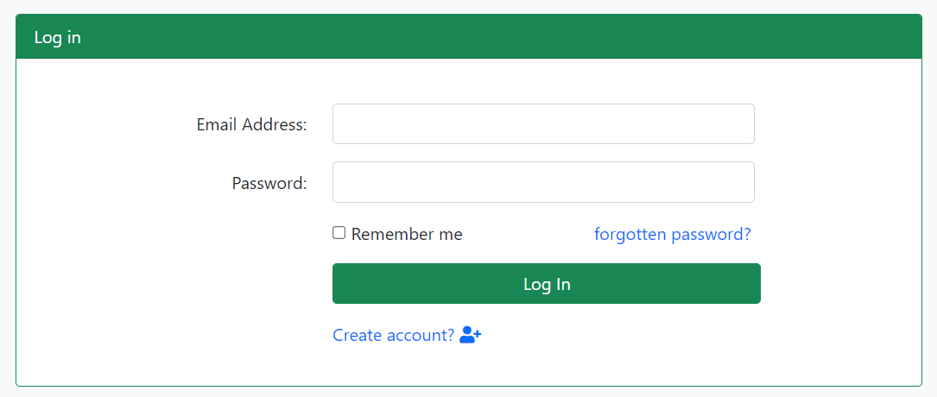

1

2

3
4

5

6

 | Validation Messages

 | When inputs may be blank.

 | Error Alert Messages

 | When user email is not exists in database. |  |  |  |  |  |  |  |  | While user password is incorrected.
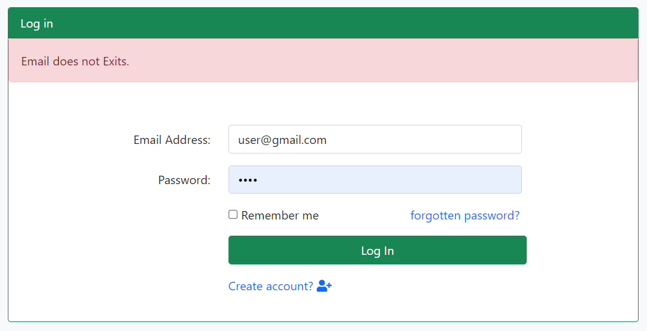
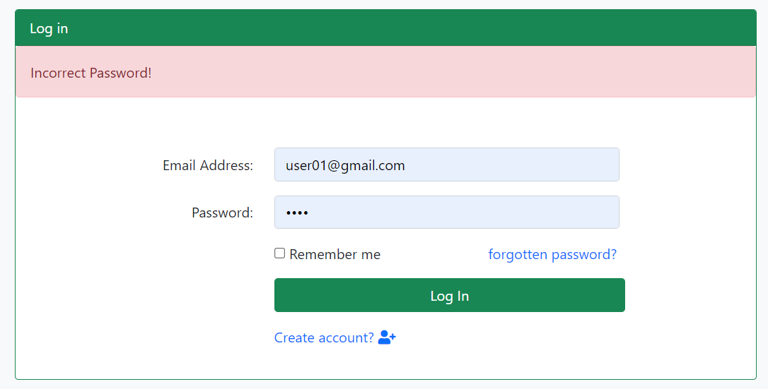

№ | Name | Type | Tab IDX | I/O | single item check |  |  | initial value | DB (CRUD) |  | Remarks
 |  |  |  |  | Required | Digits
 |  |  |  |  |  | Min | Max |  | Table Name | Column Name
1 | E-mail Address | Textbox |  | I | 〇 |  | 50 |  |  |  | Check Email Format.
2 | Password | Textbox |  | I | 〇 | 6 | 20 |  |  |  | Check Regex pattern.
3 | Remember Me | Checkbox |  | I |  |  |  |  |  |  | Close the window without signing out, the next time go back you will be signed in automactically. The brower to save a "Cookies".
4 | Forgot Your Password | Link |  | O |  |  |  |  |  |  | Go to reset password page
5 | Login | Button |  | O |  |  |  |  |  |  | Check validation and it is ok , login and display post list page. If it has error, show error message in this screen

HeaderLayout
1
3
2
4
5

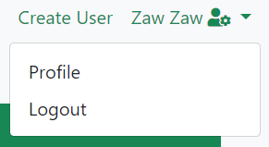

6

7

№ | Name | Type | Tab IDX | I/O | 単項目チェック |  |  | 初期値 | DB (CRUD) |  | Remarks
 |  |  |  |  | Required | Digits
 |  |  |  |  |  | Min | Max |  | Table Name | Column Name
1 | BulletinBoard | Link |  | O |  |  |  |  |  |  | Redirect to home page (post list)
2 | Users | Link |  | O |  |  |  |  |  |  | Go to user lists page and show all users from database
3 | Posts | Link |  | O |  |  |  |  |  |  | Go to post lists page and show as followings - after login with admin, show all posts that are not deleted - after login with user, show all posts that are not deleted and created by login user - before login, show all posts that have status 1
4 | Create User | Link |  | O |  |  |  |  |  |  | Go to create new user page
5 | admin | Link |  | O |  |  |  |  | users | name | Show current login user name from database and click on name , show dropdown menu
6 | Profile | Link |  | O |  |  |  |  |  |  | Go to profile page of login user
7 | Logout | Link |  | O |  |  |  |  |  |  | Logout

FooterLayout
2
1
2

№ | Name | Type | Tab IDX | I/O | single item check |  |  | initial value | DB (CRUD) |  | Remarks
 |  |  |  |  | Required | Digits
 |  |  |  |  |  | Min | Max |  | Table Name | Column Name
1 | Seattle Consulting Myanmar | Link |  | O |  |  |  |  |  |  | Go to :(http://seattleconsultingmyanmar.com/)
2 | Copyright © Seattle Consulting Myanmar Co., Ltd. All rights reserved. | Label |  | O |  |  |  |  |  |  | Just a label.

Post List
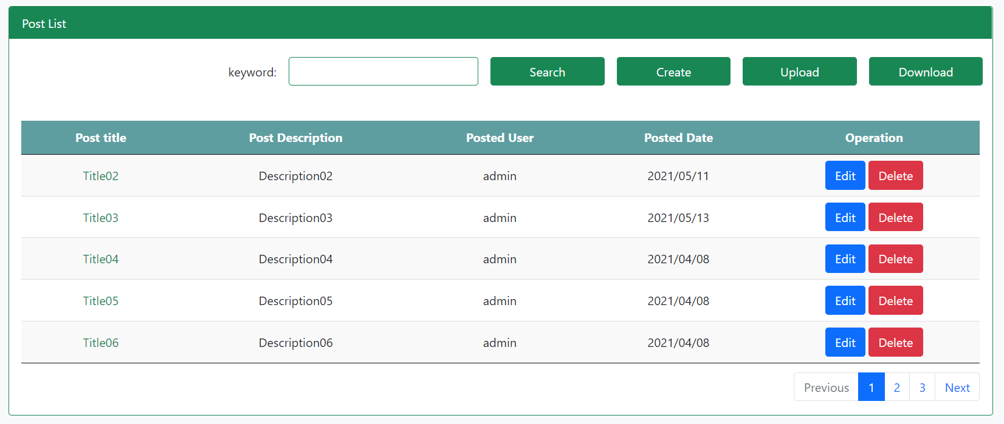

1
2
3
4
5

6
7
8
9
10

11

13
12

14

 | When Login user Type is Admin => |  |  |  |  |  |  | When Login User Type is User =>

 | Display all posts list.(without deleted posts) |  |  |  |  |  |  | Display only login user's posts.(without deleted posts)

 | In Search

 | Get the keyword from text box and search from post table using title,description match with the keywork.

 | When the keyword is blank, Display all the active posts.(without deleted posts)

 | When search result has empty. Display any message result can not find for any posts or descriptions.

№ | Name | Type | Tab IDX | I/O | 単項目チェック |  |  | 初期値 | DB (CRUD) |  | Remarks
 |  |  |  |  | Required | Digits
 |  |  |  |  |  | Min | Max |  | Table Name | Column Name
1 | Keyword | Textbox |  | I | × |  |  |  | posts | title, description
2 | Search | Button |  | O |  |  |  |  |  |  | get keyword and search from post table using title,description
3 | Create | Button |  | O |  |  |  |  |  |  | Go to create post page
4 | Upload | Button |  | O |  |  |  |  |  |  | Go to upload post page
5 | Dolwnload | Button |  | O |  |  |  |  | posts |  | Download post list with xlsx format from post table
6 | Post Title | Label |  | O |  |  |  |  | posts | title | Bind title of posts table in datatable
7 | Post Description | Label |  | O |  |  |  |  | posts | description | Bind description of posts table in datatable
8 | Posted User | Label |  | O |  |  |  |  | users | name | Bind name of users table in datatable
9 | Posted Date | Label |  | O |  |  |  |  | posts | created_at | Bind created_at of posts table in datatable
10 | Operation | Label |  | O |  |  |  |  |  |  | Lable for Edit and Delete button groups
11 | Edit | Button |  | O |  |  |  |  |  |  | Show edit post screen
12 | Delete | Button |  | O |  |  |  |  |  |  | Show delete confirm modal
13 | Post Title | Link |  | O |  |  |  |  |  |  | Show post detail modal
14 | Pagination | Link |  | O |  |  |  |  |  |  | Show pagination

Create Post
Back
 |  | Back to post list.

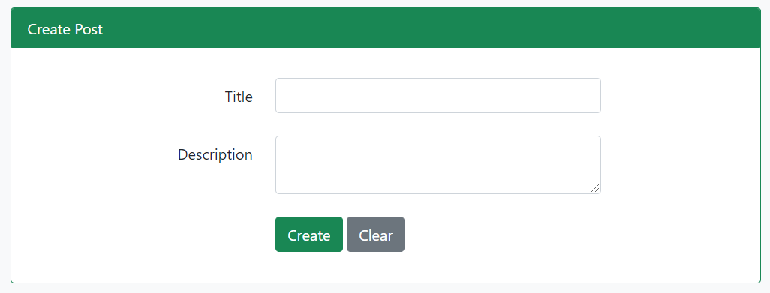

*
1

*
2

3
4

 | Validataion Messages

 | Click Create button while title and Description is blank. |  |  |  |  |  |  | When title is greater than 255 characters.

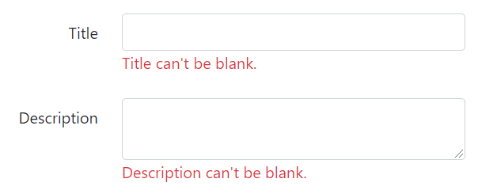

№ | Name | Type | Tab IDX | I/O | 単項目チェック |  |  | 初期値 | DB (CRUD) |  | Remarks
 |  |  |  |  | Required | Digits
 |  |  |  |  |  | Min | Max |  | Table Name | Column Name
1 | Title | Textbox |  | I | 〇 |  |  |  | posts | title
2 | Description | Text Area |  | I | 〇 |  |  |  | posts | description
3 | Create | Button |  | O |  |  |  |  |  |  | Go to post confirm page.
4 | Clear | Button |  | O |  |  |  |  |  |  | Clear and Reset the Form Data.

Confirm Post
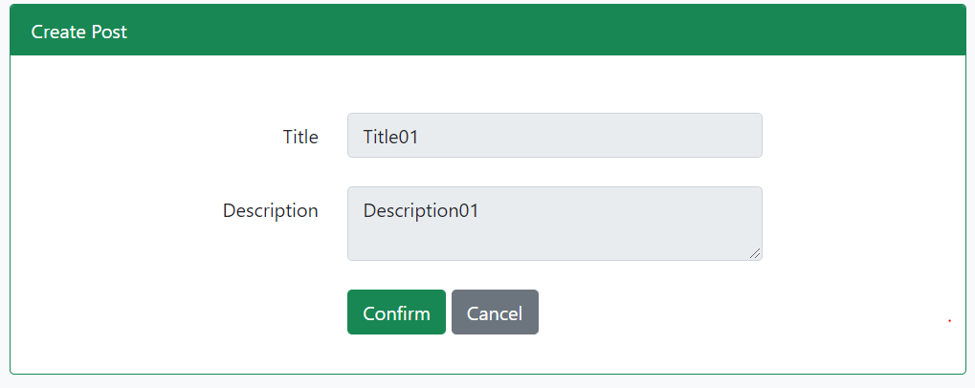

1

2

3
4

 | Successful message in post list page, After post create completely.

№ | Name | Type | Tab IDX | I/O | 単項目チェック |  |  | 初期値 | DB (CRUD) |  | Remarks
 |  |  |  |  | Required | Digits
 |  |  |  |  |  | Min | Max |  | Table Name | Column Name
1 | Title | Label |  | O |  |  |  |  | posts | title
2 | Description | Label |  | O |  |  |  |  | posts | description
3 | Confirm | Button |  | O |  |  |  |  |  |  | If error, go to Create Post Page and show error message. If OK, save post data to post table
4 | Cancel | Button |  | O |  |  |  |  |  |  | Go back to Create Post Page with old input value

Edit Post
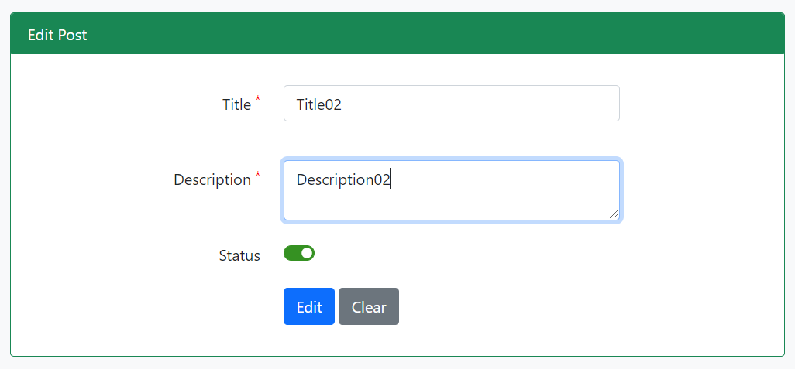

1

2

3

4
5

 | Validation Messages

 | When title and/or Description are blank. |  |  |  |  |  |  |  | When title is greater than 255 characters.

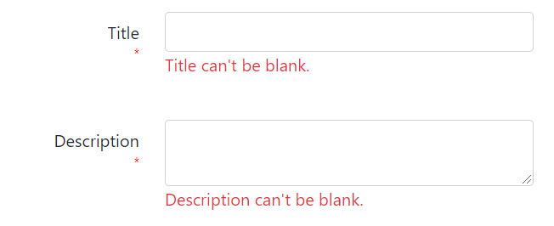

№ | Name | Type | Tab IDX | I/O | 単項目チェック |  |  | 初期値 | DB (CRUD) |  | Remarks
 |  |  |  |  | Required | Digits
 |  |  |  |  |  | Min | Max |  | Table Name | Column Name
1 | Title | Textbox |  | I | 〇 |  |  |  |  |  | Post Title with specific id from posts table
2 | Description | Text Area |  | I | 〇 |  |  |  |  |  | Post Description from posts table
3 | Status | Checkbox |  | I |  |  |  |  |  |  | Post Status from posts table
4 | Edit | Button |  |  |  |  |  |  |  |  | Go to Post Update Confirm Page
5 | Clear | Button |  |  |  |  |  |  |  |  | Clear post title and description value

Edit Confirm Post
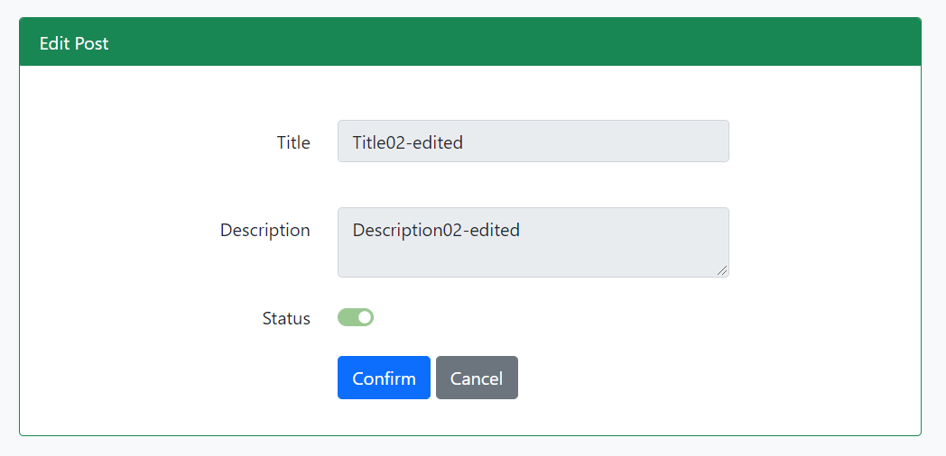

1

2

3

4
5

 | Successful message in post list page, After post edit completely.

№ | Name | Type | Tab IDX | I/O | 単項目チェック |  |  | 初期値 | DB (CRUD) |  | Remarks
 |  |  |  |  | Required | Digits
 |  |  |  |  |  | Min | Max |  | Table Name | Column Name
1 | Title | Label |  | O |  |  |  |  | posts | title
2 | Description | Label |  | O |  |  |  |  | posts | description
3 | Confirm | Button |  | O |  |  |  |  |  |  | If error, go to Create Post Page and show error message. If OK, save post data to post table
4 | Cancel | Button |  | O |  |  |  |  |  |  | Go back to Create Post Page with old input value

Delete Post
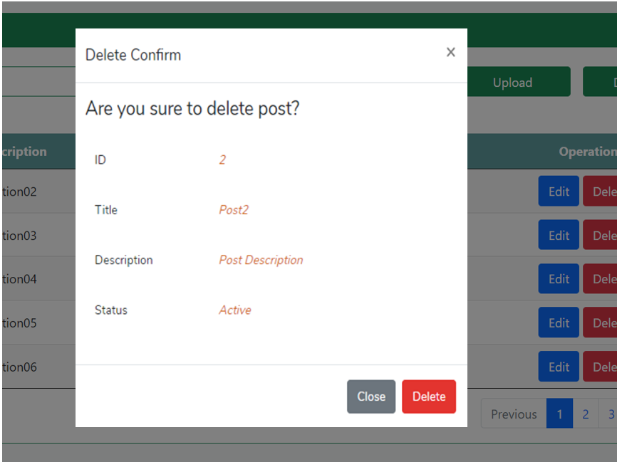

1

2

3

4

5

7

6

№ | Name | Type | Tab IDX | I/O | 単項目チェック |  |  | 初期値 | DB (CRUD) |  | Remarks
 |  |  |  |  | Required | Digits
 |  |  |  |  |  | Min | Max |  | Table Name | Column Name
1 | Delete | Button |  |  |  |  |  |  |  |  | Show Modal to confirm delete
2 | ID | Label |  | O |  |  |  |  | posts | id | Post id from database
3 | Title | Label |  | O |  |  |  |  | posts | title | Post title from database
4 | Description | Label |  | O |  |  |  |  | posts | description | Post description from database
5 | Status | Label |  | O |  |  |  |  | posts | status | Post stauts from database
6 | Close | Button |  |  |  |  |  |  |  |  | Close modal
7 | Delete | Button |  |  |  |  |  |  |  |  | Delete post from database

Post Detail
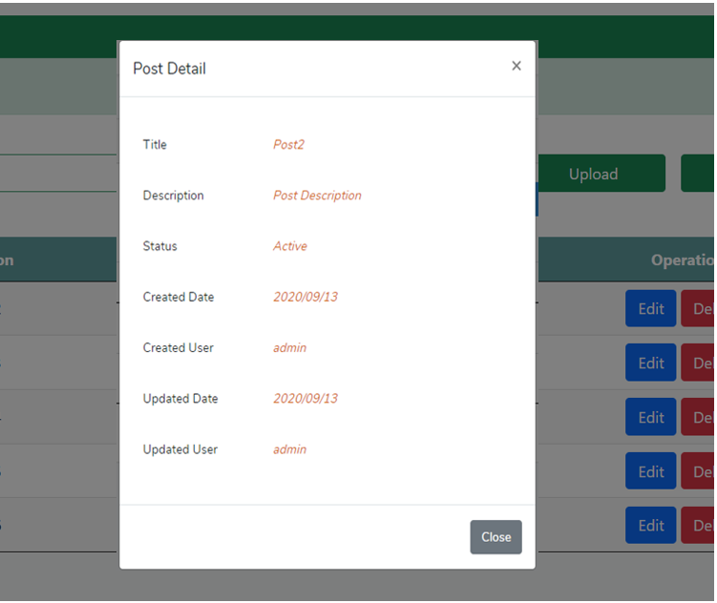

1

2

3

4

5

6

7

8

9

 | Display Post Details with Modal Pop-up

 | Using Modal Pop up with to view post details.

 | Close Post Details with Modal Pop-up

 | 1.Click the close button.

 | 2.Click the cancel button.

 | 3.Click the outside of the window pop-up.

№ | Name | Type | Tab IDX | I/O | 単項目チェック |  |  | 初期値 | DB (CRUD) |  | Remarks
 |  |  |  |  | Required | Digits
 |  |  |  |  |  | Min | Max |  | Table Name | Column Name
1 | Modal |  |  |  |  |  |  |  |  |  | Show modal with specific post details
2 | Title | Label |  | O |  |  |  |  | posts | title | Post Title from database
3 | Description | Label |  | O |  |  |  |  | posts | description | Post Description from database
4 | Status | Label |  | O |  |  |  |  | posts | status | Post Status from database
5 | Created Date | Label |  | O |  |  |  |  | posts | create_at | Created Date from database
6 | Created User | Label |  | O |  |  |  |  | users | name | Created User from database
7 | Updated Date | Label |  | O |  |  |  |  | posts | updated_at | Updated Date from database
8 | Updated User | Label |  | O |  |  |  |  | users | name | Updated User from database
9 | Close | Button |  |  |  |  |  |  |  |  | Close modal

Upload Post
BACK

 |  | Back to post List.

1

2
3

 | Error Alert Messages

 | Click the upload button, without any file. |  |  |  |  |  |  |  |  | Click the upload button , if Not a CSV file format.

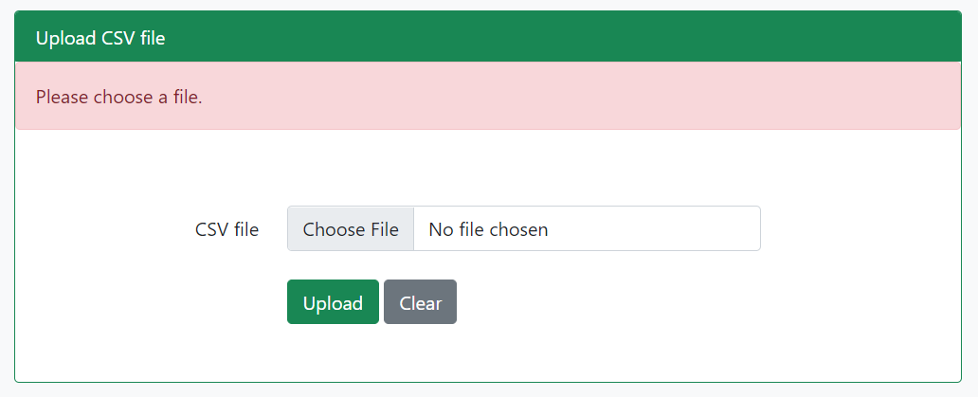
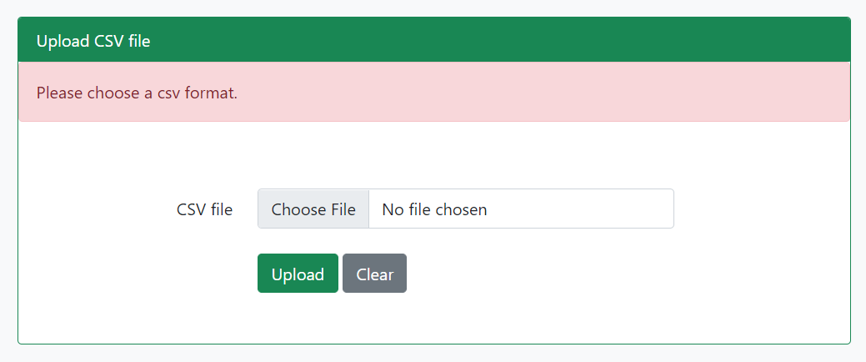

 | When upload CSV Data has greather than or less than 3 columns.
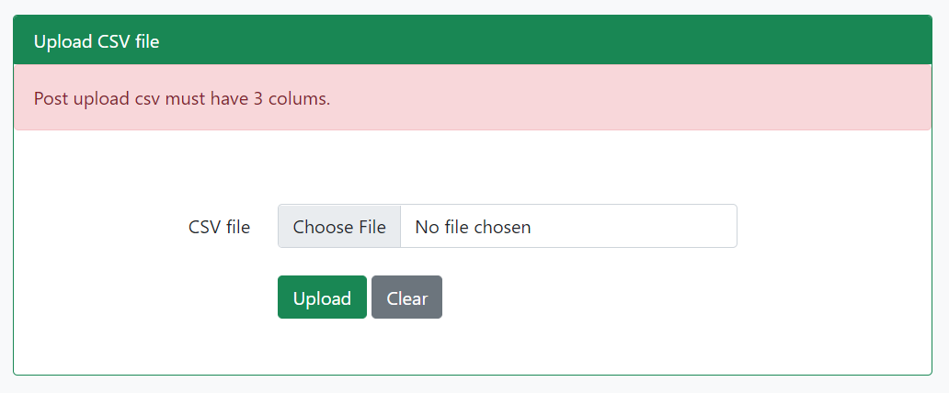
Sample CSV Upload File

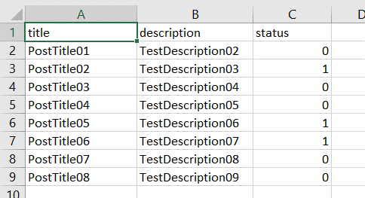

 | Save To the Database =>

 | Title , Description and Status from "CSV file".
 | create_user_id , updated_user_id for "Login user id".
 | Created_date and Updated for "Current Datetime".

№ | Name | Type | Tab IDX | I/O | 単項目チェック |  |  | 初期値 | DB (CRUD) |  | Remarks
 |  |  |  |  | Required | Digits
 |  |  |  |  |  | Min | Max |  | Table Name | Column Name
1 | CSV File | Label |  | O
1 | CSV File | File |  | I | 〇 |  |  |  |  |  | Upload CSV file CSV format is as follows: title,description and status.
2 | Upload | Button |  |  |  |  |  |  |  |  | If there is no Query Exception, upload Post CSV Data to Ddatabase
3 | Clear | Button |  |  |  |  |  |  |  |  | Clear CSV File

User List
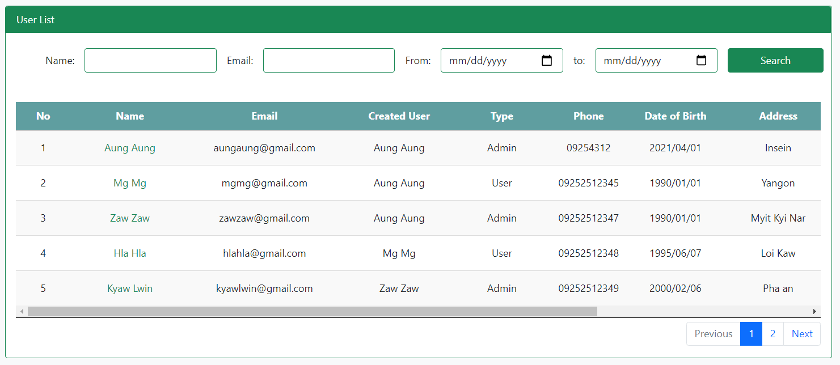

1
2
3
5
4

10
6
7
8
9
11
12

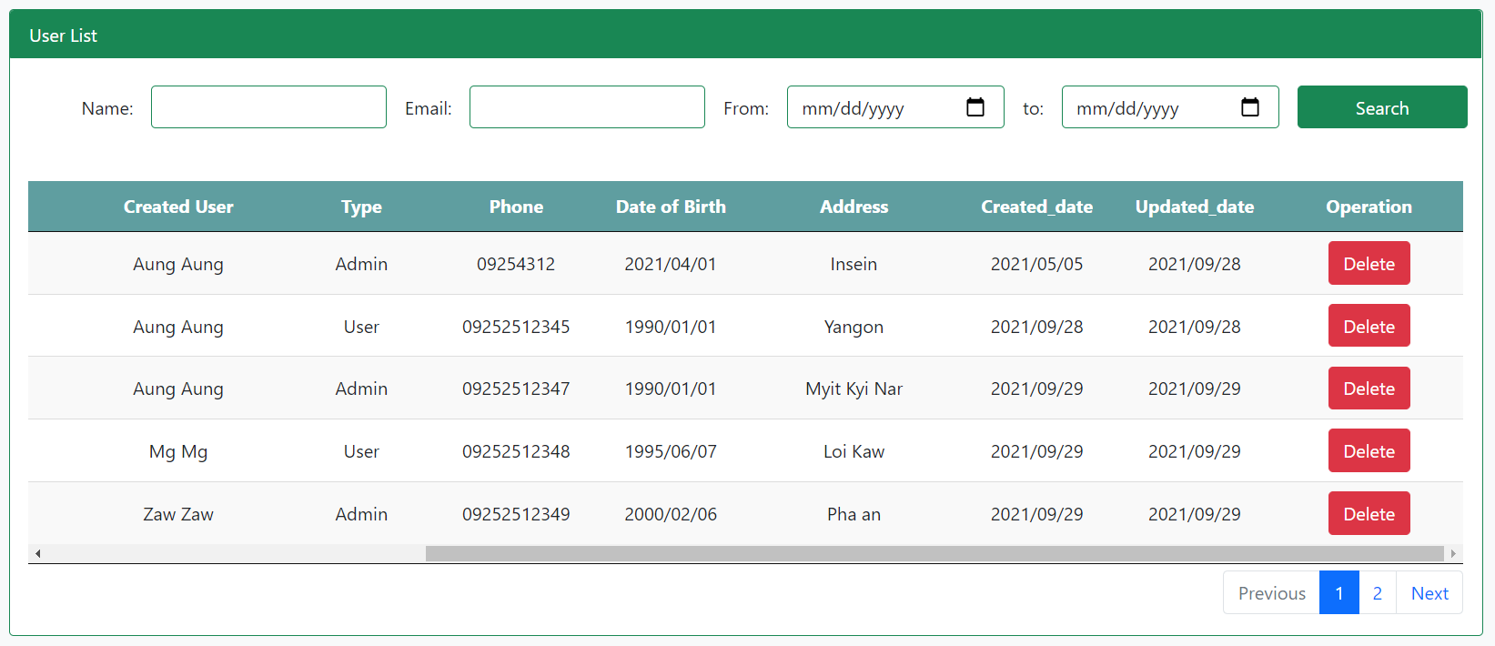

13
14
16
15

17

18

 | Display User List =>

 | When Login with Admin, display all user list.(without deleted users)

 | When login with User, display users who created by login user.(without deleted users)

№ | Name | Type | Tab IDX | I/O | 単項目チェック |  |  | 初期値 | DB (CRUD) |  | Remarks
 |  |  |  |  | Required | Digits
 |  |  |  |  |  | Min | Max |  | Table Name | Column Name
1 | Name | Textbox |  | I |  |  |  |  |  |  | Enter User's name keyword
2 | Email | Textbox |  | I |  |  |  |  |  |  | Enter User's email keyword
3 | From | Date Picker |  | I |  |  |  |  |  |  | Select User's created Date (Start)
4 | To | Date Picker |  | I |  |  |  |  |  |  | Select User's created Date (End)
5 | Search | Button |  |  |  |  |  |  |  |  | get keyword from search input box and search from user table using Name or Email or Date between start and end.
6 | ID | Label |  | O |  |  |  |  | users | id | ID of User
7 | Name | Label |  | O |  |  |  |  | users | name | Name of User (Link to display User detail)
8 | Email | Label |  | O |  |  |  |  | users | email | Email of User
9 | Create User | Label |  | O |  |  |  |  | users | created_user_id | Create Admin ID of User
10 | Type | Label |  | O |  |  |  |  | users | type | Type of User (Admin or User)
11 | Phone | Label |  | O |  |  |  |  | users | phone | Phone of User
12 | Date of Birth | Label |  | O |  |  |  |  | users | dob | Birthdate of User
13 | Address | Label |  | O |  |  |  |  | users | address | Address of User
14 | Created Date | Label |  | O |  |  |  |  | users | created_at | Created Date of User
15 | Updated Date | Label |  | O |  |  |  |  | users | updated_at | Updated Date of User
16 | Operation | Label |  |  |  |  |  |  |  |  | Label for delete
17 | Delete | Button |  |  |  |  |  |  |  |  | Delete user with specific user id
18 | pagination | Link |  |  |  |  |  |  |  |  | paginate user with specific paginate value eg.(5,10)

Create User
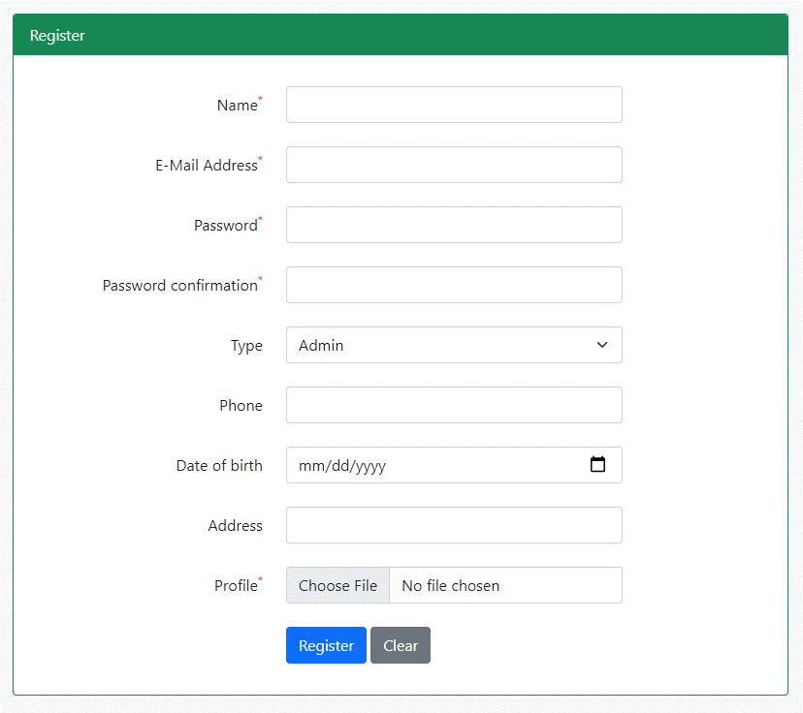

1

2

3

4

5

6

7

8

9

10
11

 | Validation Messages

 | When click register button, while Name, Email, Password and Password confirmation, Profile are blanked.
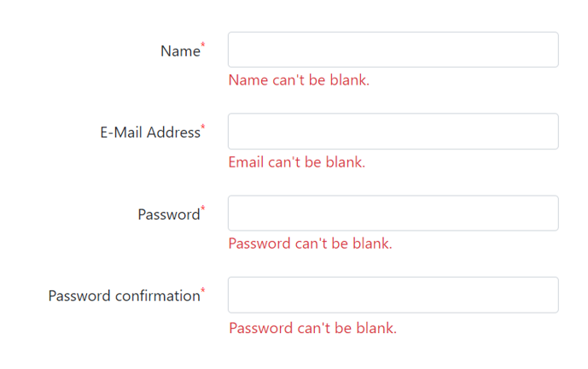

 | When Email format is not incorrected. |  |  |  |  |  |  |  | When password and password confirmation is not match.

№ | Name | Type | Tab IDX | I/O | 単項目チェック |  |  | 初期値 | DB (CRUD) |  | Remarks
 |  |  |  |  | Required | Digits
 |  |  |  |  |  | Min | Max |  | Table Name | Column Name
1 | Name | Textbox |  | I | 〇 |  |  |  |  |  | User's Name
2 | Email Address | Textbox |  | I | 〇 |  |  |  |  |  | User's Email Address
3 | Password | Textbox |  | I | 〇 |  |  |  |  |  | User's Password
4 | Confirm Password | Textbox |  | I | 〇 |  |  |  |  |  | User's Confirm Password
5 | Type | Dropdown |  | I | 〇 |  |  |  |  |  | User's Type (Admin or User)
6 | Phone | Textbox |  | I | × |  |  |  |  |  | Users's Phone
7 | Date of Birth | Date Picker |  | I | × |  |  |  |  |  | User's Birthdate
8 | Address | Text Area |  | I | 〇 |  |  |  |  |  | User's Address
9 | Profile | File |  | I | 〇 |  | 2 mb |  |  |  | User's Profile
10 | Register | Button |  |  |  |  |  |  |  |  | Go to Confirm User Page
11 | Clear | Button |  |  |  |  |  |  |  |  | Clear All User Information

Confirm User
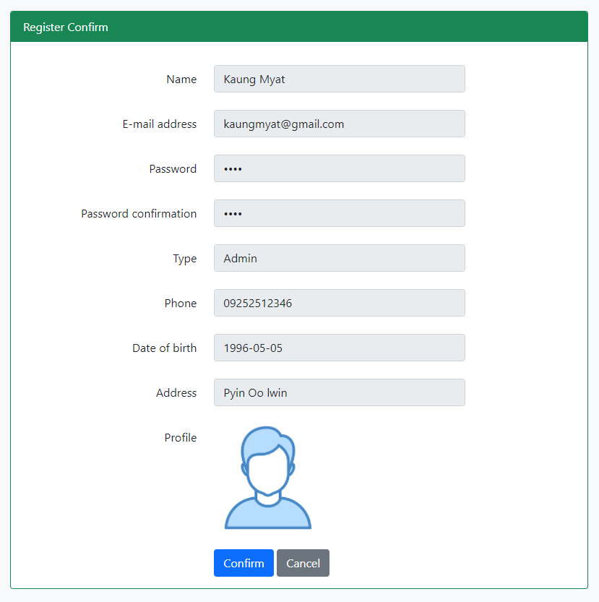

1

2

3

4

5

6

7

8

9

10
11

 | When click Confirm button, Display successful message.

№ | Name | Type | Tab IDX | I/O | 単項目チェック |  |  | 初期値 | DB (CRUD) |  | Remarks
 |  |  |  |  | Required | Digits
 |  |  |  |  |  | Min | Max |  | Table Name | Column Name
1 | Name | Textbox |  | I |  |  |  |  |  |  | Name from Create User Page
2 | Email Address | Textbox |  | I |  |  |  |  |  |  | Email from Create User Page
3 | Password | Textbox |  | I |  |  |  |  |  |  | Password from Create User Page
4 | Confirm Password | Textbox |  | I |  |  |  |  |  |  | Confirm Password from Create User
5 | Type | Dropdown |  | I |  |  |  |  |  |  | Type from Create User Page
6 | Phone | Textbox |  | I |  |  |  |  |  |  | Phone from Create User Page
7 | Date of Birth | Date Picker |  | I |  |  |  |  |  |  | Date of Birth from Create User Page
8 | Address | Text Area |  | I |  |  |  |  |  |  | Address from Create User Page
9 | Profile | File |  | I |  |  |  |  |  |  | Profile from Create User Page
10 | Confirm | Button |  |  |  |  |  |  |  |  | If error, go to Create User Page with previous filled value else Save user to database
11 | Cancel | Button |  |  |  |  |  |  |  |  | Go back to Create User Page with previous filled input value

User Detail
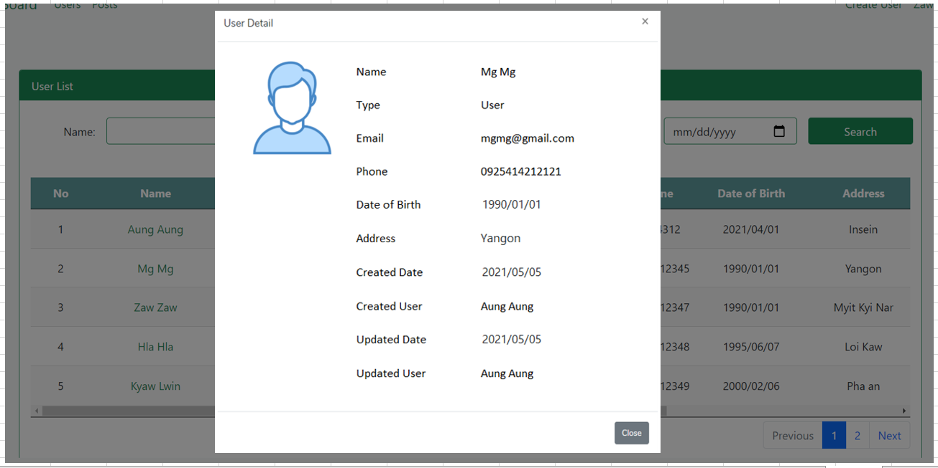

2

3
4

1
5

6
7

8

9

10

11

12

№ | Name | Type | Tab IDX | I/O | 単項目チェック |  |  | 初期値 | DB (CRUD) |  | Remarks
 |  |  |  |  | Required | Digits
 |  |  |  |  |  | Min | Max |  | Table Name | Column Name
1 | Profile Image | File |  | O |  |  |  |  | users | profile | Load profile image from storage using saved image name
2 | Name | Label |  | O |  |  |  |  | users | name | User's name from database
3 | Type | Label |  | O |  |  |  |  | users | type | User's type from database
4 | Email | Label |  | O |  |  |  |  | users | email | User's email from database
5 | Phone | Label |  | O |  |  |  |  | users | phone | User's phone from database
6 | Date of Birth | Label |  | O |  |  |  |  | users | dob | User's birthdate from database
7 | Address | Label |  | O |  |  |  |  | users | address | User's address from database
8 | Created Date | Label |  | O |  |  |  |  | users | created_at | User's created date
9 | Created User | Label |  | O |  |  |  |  | users | create_user_id | Admin ID for user
10 | Updated Date | Label |  | O |  |  |  |  | users | updated_at | updated date for user
11 | Updated User | Label |  | O |  |  |  |  | users | update_user_id | updated user id for user
12 | Close | Button |  | O |  |  |  |  |  |  | Close User Deatails Modal

Delete User
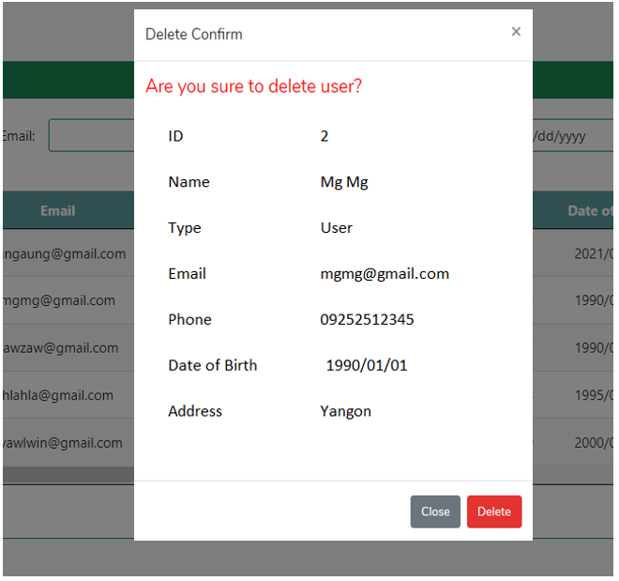

1

2

3

4

5

6

7

8
9

 | After delete correctly, Successful message display in user list page.

№ | Name | Type | Tab IDX | I/O | 単項目チェック |  |  | 初期値 | DB (CRUD) |  | Remarks
 |  |  |  |  | Required | Digits
 |  |  |  |  |  | Min | Max |  | Table Name | Column Name
1 | ID | Label |  | O |  |  |  |  | users | id | User ID from database
2 | Name | Label |  | O |  |  |  |  | users | name | User Name from database
3 | Type | Label |  | O |  |  |  |  | users | type | User Type from database
4 | Email | Label |  | O |  |  |  |  | users | email | User Email from database
5 | Phone | Label |  | O |  |  |  |  | users | phone | User Phone from database
6 | Date of Birth | Label |  | O |  |  |  |  | users | dob | User Date of Birth from database
7 | Address | Label |  | O |  |  |  |  | users | address | User Address from database
8 | Close | Button |  |  |  |  |  |  |  |  | Close Modal
9 | Delete | Button |  |  |  |  |  |  |  |  | Delete User from database

Profile
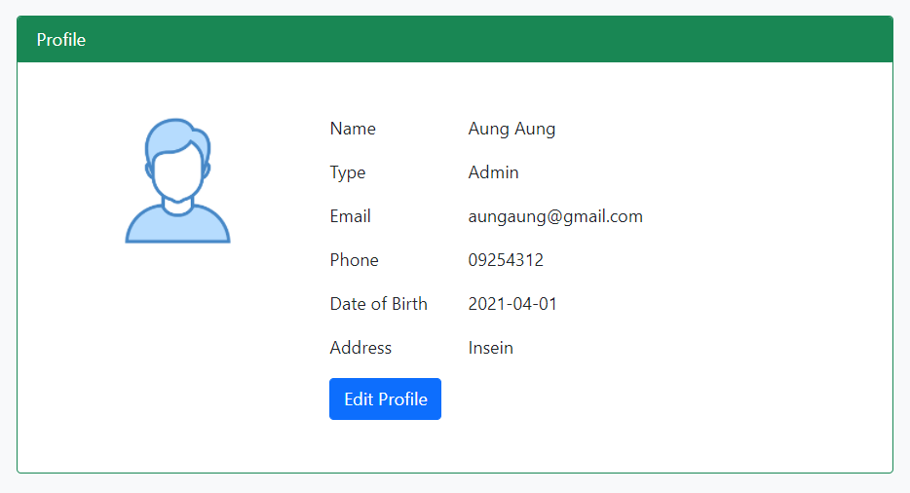

2

3

4
5
1
6

7

8

№ | Name | Type | Tab IDX | I/O | 単項目チェック |  |  | 初期値 | DB (CRUD) |  | Remarks
 |  |  |  |  | Required | Digits
 |  |  |  |  |  | Min | Max |  | Table Name | Column Name
1 | profile image | File |  | O |  |  |  |  | users | profile | User's Profile Image
2 | Name | Label |  | O |  |  |  |  | users | name | User's Name
3 | Type | Label |  | O |  |  |  |  | users | type | User's Type
4 | Email | Label |  | O |  |  |  |  | users | email | User's Email
5 | Phone | Label |  | O |  |  |  |  | users | phone | User's Phone
6 | Date of Birth | Label |  | O |  |  |  |  | users | dob | User's Birthdate
7 | Address | Label |  | O |  |  |  |  | users | address | User's Address
8 | Edit Profile | Button |  |  |  |  |  |  |  |  | Go to Edit Profile Page

Edit Profile
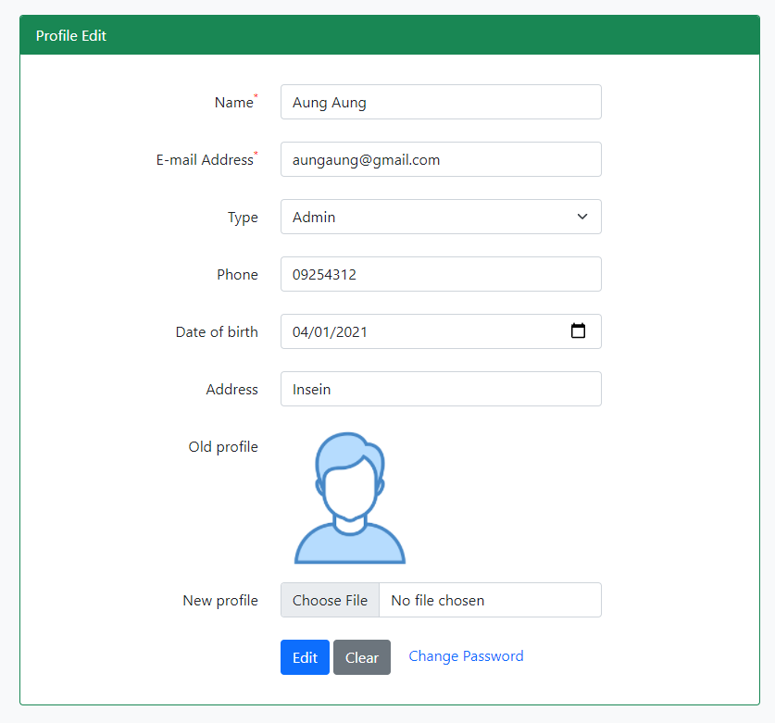

1

2

3

4

5

6

7

8

9

10
11

 | Validation Messages =>

 |  | When Click Edit button, while Name and Email Address is blanked. |  |  |  |  |  |  |  | While email format is not incorrected.

 | Success Alert Messages =>

 | When profile correctly edited, display success message on user list pages.

№ | Name | Type | Tab IDX | I/O | 単項目チェック |  |  | 初期値 | DB (CRUD) |  | Remarks
 |  |  |  |  | Required | Digits
 |  |  |  |  |  | Min | Max |  | Table Name | Column Name
1 | Name | Textbox |  | I | 〇 |  |  |  |  |  | Name from profile page
2 | Email | Textbox |  | I | 〇 |  |  |  |  |  | Email from profile page
3 | Type | Dropdown |  | I | 〇 |  |  |  |  |  | Type from profile page
4 | Phone | Textbox |  | I | × |  |  |  |  |  | Phone from profile page
5 | Date of Birth | Date Picker |  | I | × |  |  |  |  |  | Birthdate from profile page
6 | Address | Text Area |  | I | 〇 |  |  |  |  |  | Address from profile page
7 | Old Profile | File |  | I | 〇 |  |  |  |  |  | Old Profile from profile page
8 | New Profile | File |  | I | × |  |  |  |  |  | Choose new profile image
9 | Change Password | Link |  |  |  |  |  |  |  |  | Go to Change Password Page
10 | Edit | Link
11 | Clear | Button |  |  |  |  |  |  |  |  | Clear All input value
12 | * | Label |  |  |  |  |  |  |  |  | Sign for required fields

Change Password
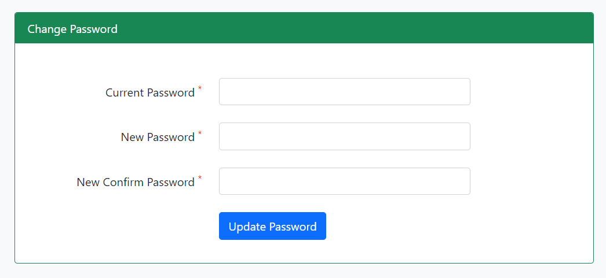

1

2

3

4

 | Validation Messages |  |  |  |  |  |  |  | Errors Messages

 |  | When the input fields are blanked. |  |  |  |  |  |  |  | When current password is not incorrected password.

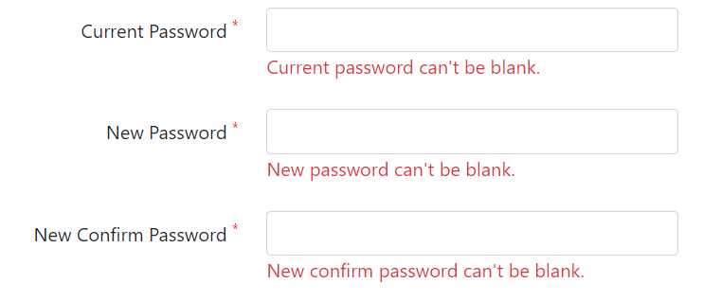

 |  |  |  |  |  |  |  |  |  | When entering new password and new confirm passward are not the same.

 | Successful Messages

 |  | When password is correctly updated.

№ | Name | Type | Tab IDX | I/O | 単項目チェック |  |  | 初期値 | DB (CRUD) |  | Remarks
 |  |  |  |  | Required | Digits
 |  |  |  |  |  | Min | Max |  | Table Name | Column Name
1 | Current Password | Textbox |  | I | 〇 | 6 |  |  |  |  | Current account password
2 | New Password | Textbox |  | I | 〇 | 6 |  |  |  |  | New password for current account
3 | New Confirm Password | Textbox |  | I | 〇 | 6 |  |  |  |  | Confirm new password
4 | Update Password | Button |  |  |  |  |  |  |  |  | Change current account password to new password and save new password to database

Forget Password
1

2

 | Validation Messages

 |  | When the input fields are blanked. |  |  |  |  |  |  |  | When email format is incorrected.

 | Errors Alert Messages

 |  | When Email is not existed in database.
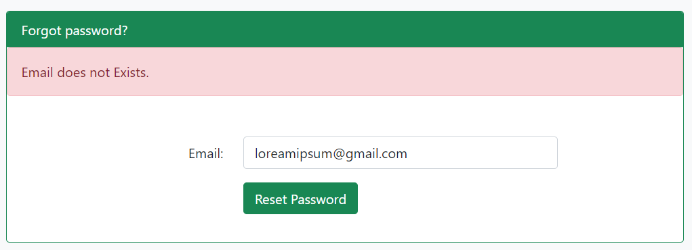

 | Successful Messages

 |  | When reset password link is correctly sent to email.

 | Check your Email with redirect Forget password Update.

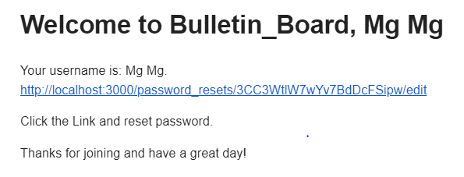

 |  |  |  |  |  |  |  |  |  |  | You can Click this Link.

№ | Name | Type | Tab IDX | I/O | 単項目チェック |  |  | 初期値 | DB (CRUD) |  | Remarks
 |  |  |  |  | Required | Digits
 |  |  |  |  |  | Min | Max |  | Table Name | Column Name
1 | Email | Textbox |  | I | 〇 |  |  |  |  |  | Enter email that you want to reset password.
2 | Reset Password | Button

Forget Password Update
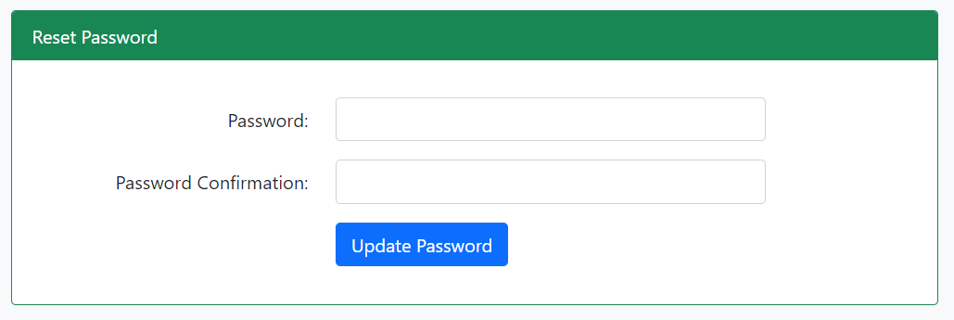

1

2

3

 | Validation Messages

 |  | When the input fields are blanked.
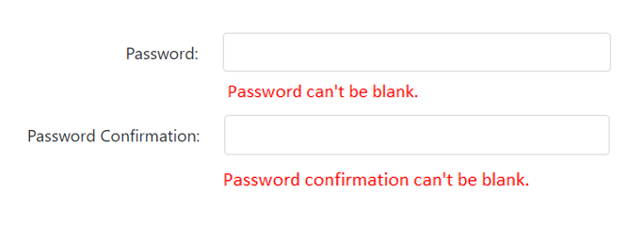

 | Errors Alert Messages

 |  | When Password and Password Confirmation does not match.
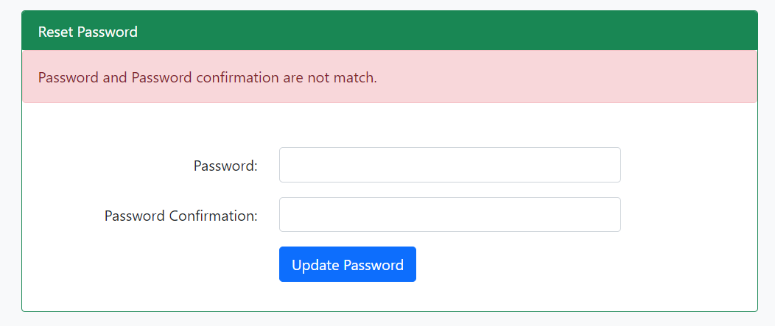

 | Successful Messages

 |  | When reset password link is correctly sent to email.

№ | Name | Type | Tab IDX | I/O | 単項目チェック |  |  | 初期値 | DB (CRUD) |  | Remarks
 |  |  |  |  | Required | Digits
 |  |  |  |  |  | Min | Max |  | Table Name | Column Name
1 | Password | Textbox |  | I | 〇 |  |  |  |  |  | Enter new Password.
2 | Password confirmation | Textbox |  | I | 〇 |  |  |  |  |  | Rewrite enter new Password again.
3 | Update Password | Button

Create account
 | Go Login Page.

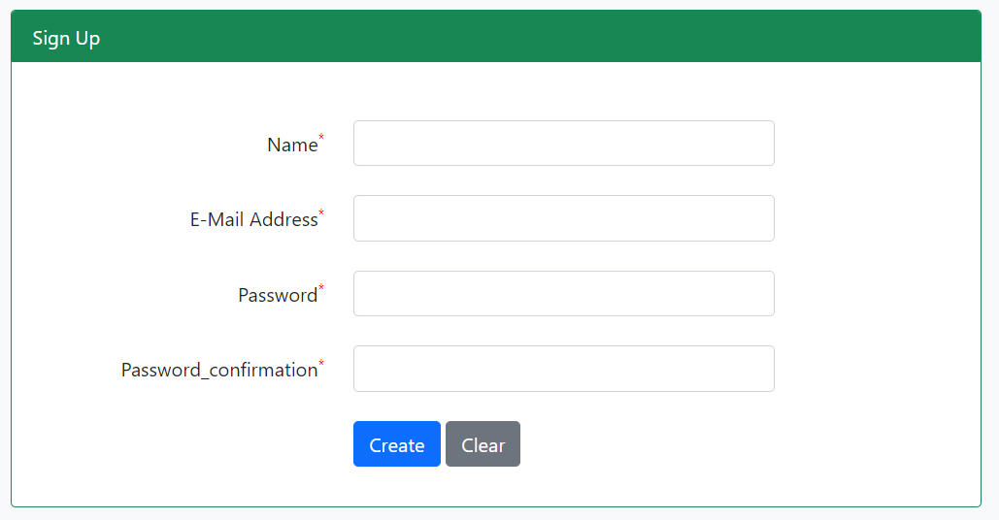

1

2

3

4

5
6

 | Validation Messages

 |  | When the input fields are blanked.
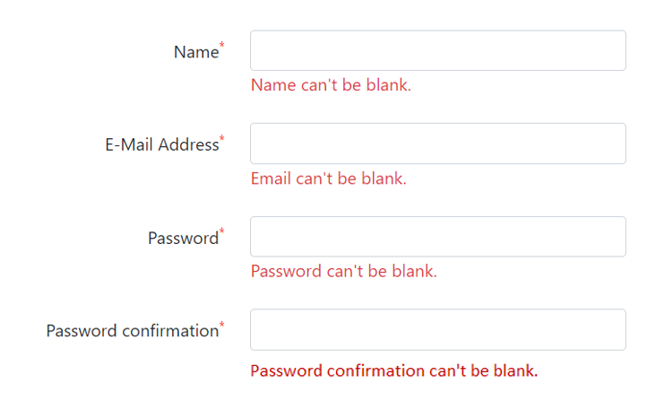

 | When Email format is incorrected. |  |  |  |  |  |  |  | When password and password confirmation is not match.

 | Successful Messages

 |  | When user sign up is corrected, success message on post list page.

№ | Name | Type | Tab IDX | I/O | 単項目チェック |  |  | 初期値 | DB (CRUD) |  | Remarks
 |  |  |  |  | Required | Digits
 |  |  |  |  |  | Min | Max |  | Table Name | Column Name
1 | Name | Textbox |  | I | 〇
2 | E-Mail Address | Textbox |  | I | 〇
3 | Password | Textbox |  | I | 〇
4 | Password confirmation | Textbox |  | I | 〇
5 | Create | Button |  |  |  |  |  |  |  |  | After sign up user correctly, Directly go to the post list page.(automaticaly login with sign up user)
6 | Clear | Button

