Master Lookup
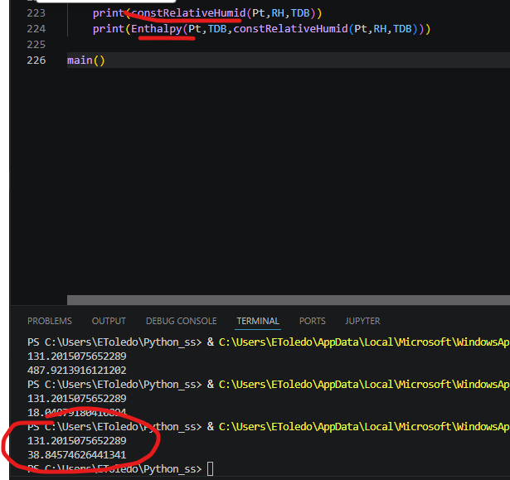
Psychrometric Graph, Z = 0 ft
 | 100% Sat Line |  | 90% Sat Line |  | 80% Sat Line |  | 70% Sat Line |  | 60% Sat Line |  | 50% Sat line |  | 40% Sat Line |  | 30% Sat Line |  | 20% Sat Line |  | 10% Sat line |  | Inputs:
31.8 | 24.332778562 | 31.8 | 21.88726878 | 31.8 | 19.444489342 | 31.8 | 17.00443568 | 31.8 | 14.567103233 | 31.8 | 12.132487452 | 31.8 | 9.7005837963 | 31.8 | 7.2713877378 | 31.8 | 4.8448947567 | 31.8 | 2.4211003439 | 90 | 103.93
33.6 | 26.229841471 | 33.6 | 23.592644386 | 33.6 | 20.958620935 | 33.6 | 18.327765393 | 33.6 | 15.700072048 | 33.6 | 13.075535203 | 33.6 | 10.454149173 | 33.6 | 7.8359082882 | 33.6 | 5.220806891 | 33.6 | 2.6088393382 | 55 | 61.29
35.4 | 28.257569379 | 35.4 | 25.415317836 | 35.4 | 22.576750768 | 35.4 | 19.741861013 | 35.4 | 16.910641433 | 35.4 | 14.083084902 | 35.4 | 11.259184318 | 35.4 | 8.4389325946 | 35.4 | 5.6223226636 | 35.4 | 2.8093474758 | 75 | 61.29
37.2 | 30.423797768 | 37.2 | 27.362298445 | 37.2 | 24.305071628 | 37.2 | 21.252108379 | 37.2 | 18.203399786 | 37.2 | 15.15893696 | 37.2 | 12.118711039 | 37.2 | 9.0827131841 | 37.2 | 6.0509345815 | 37.2 | 3.0233664418
39 | 32.736769715 | 39 | 29.440956735 | 39 | 26.150092412 | 39 | 22.864165609 | 39 | 19.583165222 | 39 | 16.30708018 | 39 | 13.035899447 | 39 | 9.7696120176 | 39 | 6.5082069203 | 39 | 3.2516732164
40.8 | 35.205155318 | 40.8 | 31.659041223 | 40.8 | 28.118652434 | 40.8 | 24.583975099 | 40.8 | 21.054995407 | 40.8 | 17.531699592 | 40.8 | 14.014073935 | 40.8 | 10.502104758 | 40.8 | 6.9957784286 | 40.8 | 3.4950813578
42.6 | 37.838072159 | 42.6 | 34.024696066 | 42.6 | 30.217936438 | 42.6 | 26.41777607 | 42.6 | 22.624197817 | 42.6 | 18.837184592 | 42.6 | 15.056719369 | 42.6 | 11.282785178 | 42.6 | 7.5153651111 | 42.6 | 3.7544423162
44.4 | 40.645106898 | 44.4 | 36.546479636 | 44.4 | 32.455490347 | 44.4 | 28.372117703 | 44.4 | 24.29634045 | 44.4 | 20.228137417 | 44.4 | 16.16748751 | 44.4 | 12.114369714 | 44.4 | 8.0687630905 | 44.4 | 4.0306467802
46.2 | 43.636338097 | 46.2 | 39.233384094 | 46.2 | 34.839237829 | 46.2 | 30.4538729 | 46.2 | 26.077263009 | 46.2 | 21.709381964 | 46.2 | 17.350203679 | 46.2 | 12.999702169 | 46.2 | 8.6578515538 | 46.2 | 4.3246260559
48 | 46.822360351 | 48 | 42.094856044 | 48 | 37.377497712 | 48 | 32.670252727 | 48 | 27.9730886 | 48 | 23.285972984 | 48 | 18.608873669 | 48 | 13.94175858 | 48 | 9.2845957836 | 48 | 4.6373534783
49.8 | 50.214309844 | 49.8 | 45.14081834 | 49.8 | 40.079002334 | 49.8 | 35.028821569 | 49.8 | 29.990235975 | 49.8 | 24.963205664 | 49.8 | 19.947690929 | 49.8 | 14.943652248 | 49.8 | 9.951050279 | 49.8 | 4.9698458577
51.6 | 53.823891462 | 51.6 | 48.381693152 | 51.6 | 42.952916884 | 51.6 | 37.537513066 | 51.6 | 32.135432349 | 51.6 | 26.746625626 | 51.6 | 21.371044033 | 51.6 | 16.008638943 | 51.6 | 10.659361969 | 51.6 | 5.3231649598
53.4 | 57.663407562 | 53.4 | 51.828426391 | 53.4 | 46.008859828 | 53.4 | 40.204646873 | 53.4 | 34.415726845 | 53.4 | 28.642039381 | 53.4 | 22.88352444 | 53.4 | 17.140122291 | 53.4 | 11.41177352 | 53.4 | 5.6984190215
55.2 | 61.745788567 | 55.2 | 55.492513592 | 55.2 | 49.256924485 | 55.2 | 43.038946323 | 55.2 | 36.838504604 | 55.2 | 30.655525246 | 55.2 | 24.489934583 | 55.2 | 18.341659364 | 55.2 | 12.210626748 | 55.2 | 6.0967643029
57 | 66.084625537 | 57 | 59.386027398 | 57 | 52.707701865 | 57 | 46.049557049 | 57 | 39.411501613 | 57 | 32.793444771 | 57 | 26.195296286 | 57 | 19.616966458 | 57 | 13.05836613 | 57 | 6.5194066754
58.8 | 70.694204875 | 58.8 | 63.52164676 | 58.8 | 56.372304861 | 58.8 | 49.246066642 | 58.8 | 42.142820291 | 58.8 | 35.062454716 | 58.8 | 28.004859541 | 58.8 | 20.969925099 | 58.8 | 13.957542424 | 58.8 | 6.9676032495
60.6 | 75.589545381 | 60.6 | 67.912688013 | 60.6 | 60.262393909 | 60.6 | 52.638525436 | 60.6 | 45.040945912 | 60.6 | 37.469519595 | 60.6 | 29.924111676 | 60.6 | 22.40458827 | 60.6 | 14.91081641 | 60.6 | 7.4426640392
62.4 | 80.786437844 | 62.4 | 72.573137989 | 62.4 | 64.390204238 | 62.4 | 56.237468497 | 62.4 | 48.114763911 | 62.4 | 40.021924854 | 62.4 | 31.958786913 | 62.4 | 23.92518688 | 62.4 | 15.920962742 | 62.4 | 7.9459536689
64.2 | 86.301487414 | 64.2 | 77.517689341 | 64.2 | 68.768574851 | 64.2 | 60.053938921 | 64.2 | 51.373578143 | 64.2 | 42.727290705 | 64.2 | 34.114876375 | 64.2 | 25.536136488 | 64.2 | 16.990873929 | 64.2 | 8.4788931192
66 | 92.152159004 | 66 | 82.761778277 | 66 | 73.410979374 | 66 | 64.099512556 | 66 | 54.827130183 | 66 | 45.593586685 | 66 | 36.39863855 | 66 | 27.242044293 | 66 | 18.123564443 | 66 | 9.0429615171
67.8 | 98.356826008 | 67.8 | 88.321624925 | 67.8 | 78.331558945 | 67.8 | 68.386324246 | 67.8 | 58.485619727 | 67.8 | 48.629146978 | 67.8 | 38.81661025 | 67.8 | 29.047716421 | 67.8 | 19.322174976 | 67.8 | 9.6396979691
69.6 | 104.93482263 | 69.6 | 94.214276559 | 69.6 | 83.545157315 | 69.6 | 72.927095744 | 69.6 | 62.359726212 | 69.6 | 51.842686568 | 69.6 | 41.375618101 | 69.6 | 30.958165503 | 69.6 | 20.589976825 | 69.6 | 10.27070344
71.4 | 111.90650022 | 71.4 | 100.45765395 | 71.4 | 89.067358359 | 71.4 | 77.735165429 | 71.4 | 66.460631717 | 71.4 | 55.243318276 | 71.4 | 44.082790605 | 71.4 | 32.978618589 | 71.4 | 21.930376447 | 71.4 | 10.937642677
73.2 | 119.29328788 | 73.2 | 107.07060117 | 73.2 | 94.91452622 | 73.2 | 82.824519983 | 73.2 | 70.800045287 | 73.2 | 58.840570771 | 73.2 | 46.945570803 | 73.2 | 35.114525401 | 73.2 | 23.346920163 | 73.2 | 11.642246187
75 | 127.11775793 | 75 | 114.07293904 | 75 | 101.1038483 | 75 | 88.209828189 | 75 | 75.390228771 | 75 | 62.644407599 | 75 | 49.971729598 | 75 | 37.37156696 | 75 | 24.843299041 | 75 | 12.386312261
76.8 | 135.40369655 | 76.8 | 121.48552283 | 76.8 | 107.65338141 | 76.8 | 93.906477056 | 76.8 | 80.244024312 | 76.8 | 66.665247341 | 76.8 | 53.169379781 | 76.8 | 39.7556646 | 76.8 | 26.423353953 | 76.8 | 13.171709047
78.6 | 144.17618021 | 78.6 | 129.33030428 | 78.6 | 114.58210128 | 78.6 | 99.930610454 | 78.6 | 85.37488363 | 78.6 | 70.913984972 | 78.6 | 56.546990805 | 78.6 | 42.272989409 | 78.6 | 28.091080831 | 78.6 | 14.000376691
80.4 | 153.4616584 | 80.4 | 137.63039864 | 80.4 | 121.90995585 | 80.4 | 106.29917051 | 80.4 | 90.796899246 | 80.4 | 75.402014526 | 80.4 | 60.113404373 | 80.4 | 44.929972114 | 80.4 | 29.850636114 | 80.4 | 14.874329518
82.2 | 163.28804342 | 82.2 | 146.41015712 | 82.2 | 129.65792263 | 82.2 | 113.02994196 | 82.2 | 96.524837817 | 82.2 | 80.14125317 | 82.2 | 63.877850904 | 82.2 | 47.733313449 | 82.2 | 31.706342423 | 82.2 | 15.795658287
84 | 173.68480771 | 84 | 155.69524521 | 84 | 137.84807053 | 84 | 120.14159985 | 84 | 102.57417576 | 84 | 85.144166806 | 84 | 67.849966936 | 84 | 50.68999504 | 84 | 33.662694457 | 84 | 16.766532499
85.8 | 184.68308989 | 85.8 | 165.51272757 | 85.8 | 146.5036266 | 85.8 | 127.6537607 | 85.8 | 108.96113739 | 85.8 | 90.423797323 | 85.8 | 72.039813536 | 85.8 | 53.807290837 | 85.8 | 35.724365128 | 85.8 | 17.789202778
87.6 | 196.31580997 | 87.6 | 175.89116018 | 87.6 | 155.64904812 | 87.6 | 135.58703764 | 87.6 | 115.70273575 | 87.6 | 95.993791648 | 87.6 | 76.457895821 | 87.6 | 57.092779137 | 87.6 | 37.896211963 | 87.6 | 18.866003311
89.4 | 208.61779514 | 89.4 | 186.86069029 | 89.4 | 165.31010067 | 89.4 | 143.96309984 | 89.4 | 122.81681641 | 89.4 | 101.86843273 | 89.4 | 81.115183639 | 89.4 | 60.554355251 | 89.4 | 40.183283776 | 89.4 | 19.999354367
91.2 | 221.62591695 | 91.2 | 198.45316529 | 91.2 | 175.51394263 | 91.2 | 152.8047365 | 91.2 | 130.32210452 | 91.2 | 108.06267265 | 91.2 | 86.023133542 | 91.2 | 64.200244838 | 91.2 | 42.590827629 | 91.2 | 21.191764893
93 | 235.3792413 | 93 | 210.70225112 | 93 | 186.2892169 | 93 | 162.13592611 | 93 | 138.23825533 | 93 | 114.59216801 | 93 | 91.193712125 | 93 | 68.039017981 | 93 | 45.12429611 | 93 | 22.44583518
94.8 | 249.91919273 | 94.8 | 223.6435615 | 94.8 | 197.66615047 | 94.8 | 171.98191122 | 94.8 | 146.58590866 | 94.8 | 121.47331782 | 94.8 | 96.63942086 | 94.8 | 72.079604047 | 94.8 | 47.789354942 | 94.8 | 23.764259621
96.6 | 265.2897343 | 96.6 | 237.314799 | 96.6 | 209.67666268 | 96.6 | 182.36927949 | 96.6 | 155.38674743 | 96.6 | 128.72330409 | 96.6 | 102.37332254 | 96.6 | 76.331307388 | 96.6 | 50.591890947 | 96.6 | 25.149829553
98.4 | 281.53756532 | 98.4 | 251.75590926 | 98.4 | 222.35448313 | 98.4 | 193.32605141 | 98.4 | 164.66356096 | 98.4 | 136.36013538 | 98.4 | 108.40906947 | 98.4 | 80.803823959 | 98.4 | 53.538020384 | 98.4 | 26.605436193
100.2 | 298.71233854 | 100.2 | 267.00924989 | 100.2 | 235.73528025 | 100.2 | 204.88177563 | 100.2 | 174.44031319 | 100.2 | 144.40269358 | 100.2 | 114.76093355 | 100.2 | 85.507258912 | 100.2 | 56.6340977 | 100.2 | 28.134073669
102 | 316.86689938 | 102 | 283.11977569 | 102 | 249.85680154 | 102 | 217.06763244 | 102 | 184.74221649 | 102 | 152.87078417 | 102 | 121.44383841 | 102 | 90.452145247 | 102 | 59.886724704 | 102 | 29.738842158
103.8 | 336.05754982 | 103.8 | 300.13524192 | 103.8 | 264.759027 | 103.8 | 229.91654638 | 103.8 | 195.59581155 | 103.8 | 161.78519031 | 103.8 | 128.47339375 | 103.8 | 95.649463598 | 103.8 | 63.302760217 | 103.8 | 31.42295113
105.6 | 356.34433974 | 105.6 | 318.10642793 | 105.6 | 280.48433694 | 105.6 | 243.46330892 | 105.6 | 207.02905387 | 105.6 | 171.16773118 | 105.6 | 135.86593215 | 105.6 | 101.11066325 | 105.6 | 66.889330198 | 105.6 | 33.18972271
107.4 | 377.79138943 | 107.4 | 337.08738344 | 107.4 | 297.07769604 | 107.4 | 257.74471218 | 107.4 | 219.0714077 | 107.4 | 181.04132475 | 107.4 | 143.63854841 | 107.4 | 106.84768448 | 107.4 | 70.653838421 | 107.4 | 35.042595157
109.2 | 400.46724684 | 109.2 | 357.13570014 | 109.2 | 314.58685527 | 109.2 | 272.79969501 | 109.2 | 231.75394797 | 109.2 | 191.43005574 | 109.2 | 151.80914186 | 109.2 | 112.87298234 | 109.2 | 74.6039777 | 109.2 | 36.985126476
111 | 424.44528439 | 111 | 378.31281178 | 111 | 333.06257391 | 111 | 288.66950276 | 111 | 245.10947112 | 111 | 202.35924888 | 111 | 160.39646169 | 111 | 119.19955192 | 111 | 78.74774174 | 111 | 39.020998168
112.8 | 449.80414012 | 112.8 | 400.68432627 | 112.8 | 352.55886392 | 112.8 | 305.39786206 | 112.8 | 259.17261585 | 112.8 | 213.85554835 | 112.8 | 169.42015571 | 112.8 | 125.84095542 | 112.8 | 83.093437622 | 112.8 | 41.154019119
114.6 | 476.6282094 | 114.6 | 424.32039375 | 114.6 | 373.13325942 | 114.6 | 323.03117266 | 114.6 | 273.97999461 | 114.6 | 225.94700367 | 114.6 | 178.90082274 | 114.6 | 132.81135087 | 114.6 | 87.649699005 | 114.6 | 43.388129647
116.4 | 505.0081938 | 116.4 | 449.29611535 | 116.4 | 394.84711416 | 116.4 | 341.61871786 | 116.4 | 289.57033723 | 116.4 | 238.66316295 | 116.4 | 188.86006911 | 116.4 | 140.12552289 | 116.4 | 92.425500065 | 116.4 | 45.727405712
118.2 | 535.04171514 | 118.2 | 475.69199787 | 118.2 | 417.76593068 | 118.2 | 361.212896 | 118.2 | 305.98464776 | 118.2 | 252.03517408 | 118.2 | 199.32056947 | 118.2 | 147.79891562 | 118.2 | 97.430170242 | 118.2 | 48.176063296
120 | 566.83400381 | 120 | 503.59446048 | 120 | 441.95972485 | 120 | 381.86947536 | 120 | 323.26637617 | 120 | 266.09589472 | 120 | 210.30613247 | 120 | 155.84766778 | 120 | 102.67340986 | 120 | 50.738462968
State 1: | COOLING EXAMPLE
TDB | 90 | SPECIFIC ENTHALPY | HUMIDITY RATIO | SPECIFIC VOLUME | WET BULB
RH [%] | 50 | 38.09 | 103.93317937 | 14.17212715 | 74.449232574
 |  | [BTU/lbda] | [Grains/lbda] | [ft^3/lbda] | [F]

TDB | 100 | SPECIFIC ENTHALPY | HUMIDITY RATIO | SPECIFIC VOLUME | RELATIVE HUM
WET BULB | 60 | 25.68 | 13.15647494 | 13.883540726 | 4.9602016175
 |  | [BTU/lbda] | [Grains/lbda] | [ft^3/lbda] | [F]

TDB | 100 | SPECIFIC ENTHALPY | WET BULB | SPECIFIC VOLUME | RELATIVE HUM
HUMIDITY RATIO | 200 | 56.02 | 89.612036415 | 14.703578863 | 72.310115011
 |  | [BTU/lbda] | [Grains/lbda] | [ft^3/lbda] | [F]

State 2:
TDB [F] | 55 | SPECIFIC ENTHALPY | HUMIDITY RATIO | SPECIFIC VOLUME | WET BULB
RH [%] | 100 | 22.54 | 61.29 | 13.123554353 | 53.626352699
 |  | [BTU/lbda] | [Grains/lbda] | [ft^3/lbda] | [F]

TDB | 100 | SPECIFIC ENTHALPY | HUMIDITY RATIO | SPECIFIC VOLUME | RELATIVE HUM
WET BULB | 60 | 25.68 | 13.16 | 12.980480769 | 4.9602016175
 |  | [BTU/lbda] | [Grains/lbda] | [ft^3/lbda] | [F]
State 3:
TDB | 75 | SPECIFIC ENTHALPY | WET BULB | SPECIFIC VOLUME | RELATIVE HUM
HUMIDITY RATIO | 61.29 | 27.53 | 61.518072689 | 13.645303508 | 48.935262946
 |  | [BTU/lbda] | [Grains/lbda] | [ft^3/lbda] | [F]

*To change elevation make issue on github*

 | *Tabulated data is off by <10% from texas A and M use wisely*
 | *Specific Volume and Wetbulb Vary from texas A and M use wisely*
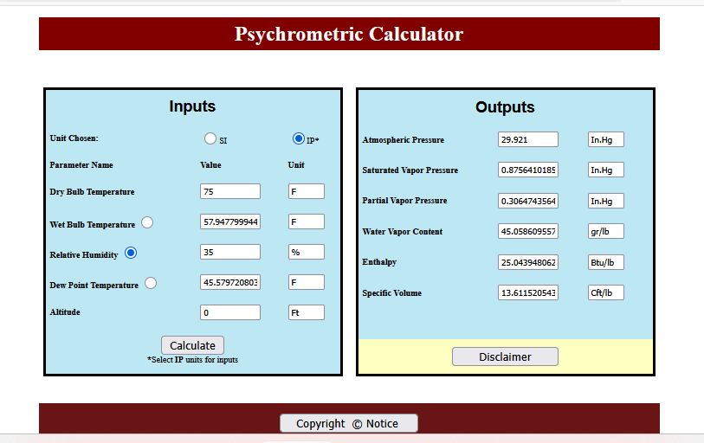

 |  |  |  |  | SPECIFIC ENTHALPY DIFF | *Note state points need to be changed on graph and enthalpy diff. if using different parameters than defaulted*
 |  |  |  |  | 15.55
 |  |  |  |  | [BTU/lbda]
 |  |  |  |  |  | *Code is correct tabulated data is slightly off*

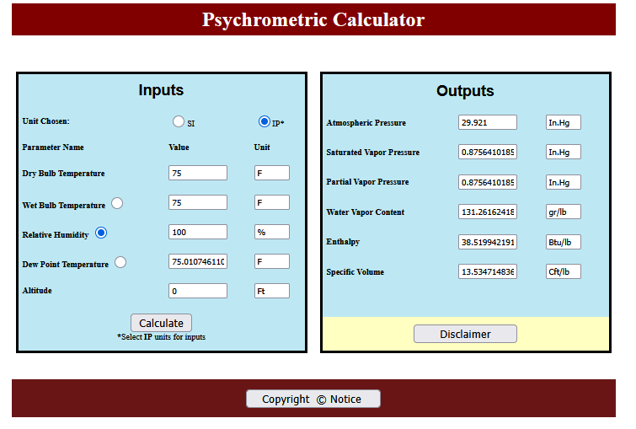 |  |  |  |  |  |  | Percent Diff on Enthalpy values in comparision to texas a and m | Percent Diff on moisture values in comparision to texas a and m
 |  |  |  |  |  |  |  |  | 90db 40%
 |  |  |  |  |  |  |  |  | 90db 30%
 |  |  |  |  |  |  |  |  | 90db 50%
 |  |  |  |  |  |  |  |  | 90db 60%
 |  |  |  |  |  |  |  |  | 90db 100%
 |  |  |  |  |  |  |  |  | 40db 100%
 |  |  |  |  |  |  |  |  | 40db 50%

