Sheet5
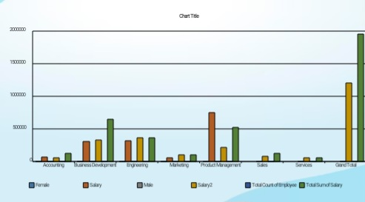
 | Column Labels
 | Female |  | Male |  | Total Count of Emp ID | Total Sum of Salary
Row Labels | Count of Emp ID | Sum of Salary | Count of Emp ID | Sum of Salary
Accounting | 2 | 124069.85 |  |  | 2 | 124069.85
Business Development | 8 | 644238.4 |  |  | 8 | 644238.4
Engineering |  |  | 5 | 371589.22 | 5 | 371589.22
Marketing |  |  | 3 | 179993.92 | 3 | 179993.92
Product Management | 5 | 359504.15 |  |  | 5 | 359504.15
Sales | 2 | 94387.62 | 3 | 89691 | 5 | 184078.62
Services |  |  | 2 | 73487.16 | 2 | 73487.16
Grand Total | 17 | 1222200.02 | 13 | 714761.3 | 30 | 1936961.32

