1. Title Page
Data Analysis

Project Name: Analysis of orders, products and customers
Date: 20.06.2024
Analyst Name: Mariana Oliveira

Contents: | Data Source
Population Flow | The data was provided by CareerFoundry from
Consistency checks | "The Instacart Online Grocery Shopping Dataset 2017”,
Wrangling steps | Accessed from www.instacart.com/datasets/grocery-shopping-2017
Column derivations | via Kaggle on 10.05.2024
Visualizations
Recommendations

2. Population Flow
Title page

Population flow

Exclusion flag
Condition: max_order <
Obervations to be removed:
Final total count of order_products_all:

Orders_products_combined
Orders_products_merged
Orders_products_all

Total: 32.404.859
Total: 32.404.859
Total: 32.434.489

1.) The grey boxes in the first row of the population flow represent the original data sets as they were when you downloaded them. In the Total fields you need to add the count of the rows when you imported the data set into Jupyter.
2.) The second row of boxes (coloured) represents the data sets after you manipulated them, e.g., removed missing values and duplicates. In the Total fields you need to add the count of the rows after conducting these operations. This offers a visual oveview of how the data flows throughout the data consistency checks.
3.) The third row, where also the arrows are coloured, represents the merges you performed between the datasets. In the Total fields you need to add the count of the rows in the merged datasets, so that you end up with the final dataset (in the red box). Keep in mind the final dataset should be without exclusions (based on the exclusion flag).

3. Consistency checks
 |  |  |  | Title page
Consistency checks

Dataset | Missing values | Missing values treatment | Duplicates
orders | 206209 values missing day_since_prior_order | Nothing at first. The number match the number of customers- This makes sence because first orders do not have "prior". If needed later I can work with the problem. | none
products | 16 product_name NaN | Ignore them because it is just a few | 5 duplicates droped
orders_products_prior | none | not needed | none
customers | 11259 first names | Ignore them because they will be excluded anyway | none

4. Wrangling steps
 |  |  |  |  |  | Title page
Wrangling steps

Dataset | Columns dropped | Columns renamed from | Columns renamed to | Columns' type changed | Comment/Reason
orders.csv | eval_set |  |  |  | not needed
 |  | order_dow | orders_day_of_week |  | clear to undestand
 |  |  |  | order_id - string
 |  |  |  | order_number - string
 |  | order_since_prior_order | days_since_last_order |  | clear to undestand
customers.csv | First Name |  |  |  | not needed
 | Surname |  |  |  | not needed
 | Gender |  |  |  | not needed
 | date_joined |  |  |  | not needed
 |  | Age | age |  | consistency
 |  | STATE | state |  | consistency
ords_prods_cust | order_number |  |  |  | dropped only for the analysis in exercise, they were not dropped in the df
 | days_since_last_order
 | product_id
 | add_to_cart_order
 | product_name
 | aisle_id

5. Column derivations
 |  |  |  | Title page

Column derivations and aggregations

In this tab you should add tables below that the frequences of flags/label variables that you produced after deriving them. NB: don't do this for continuous variables, only for flags.
Dataset | New column | Column/s it was derived from | Conditions
orders_products_merged.pkl | price_range | prices | If price <=5, then "Low-range product" If else price > 5 and <=15, then "Mid-range product" If else price >15, then "High-range product"
 | busiest_day | order_dow | If day == 0, then "Busiest day" If day == 4, then "Least busy" If else, then "Regularly busy"
 | busiest_days | order_dow | If day == 0 or == 1 then "Busiest days" If day == 4 or == 3 then "Least busy days" If else, then "Normal busy"
 | busiest_hours | order_hour_of_day | If value <= 5, then "Fewest orders" If value <= 15 & value > 9 , then "Most orders" else, then "Average orders"
ords_prods_merge_flags.pkl | max_order | user_id, order_number | Maximum numbers of orders per user_id
 | loyalty_flag | max_order | If max_order > 40, then "Loyal customer" If max order <= 40 and >10, then "Regular customer" If max order <= 10 then "New customer"
 | average_price | user_id, prices | Average prices of products ordered by user.
 | spender_flag | average_price | If mean price < 10, then low spender If mean price >= 10, then high spender.
 | frequency_customer |  | Median number of days since prior orders
 | order_frequency_flag | median_days_since_prior_order | If frequency_customer > 20, then "Non-frequent customer" If frequency_customer <= 20 and > 10, then "Regular customer" If frequency_customer <= 10 then "Frequent customer"
 | activity_flag | max_order

6. Visualizations
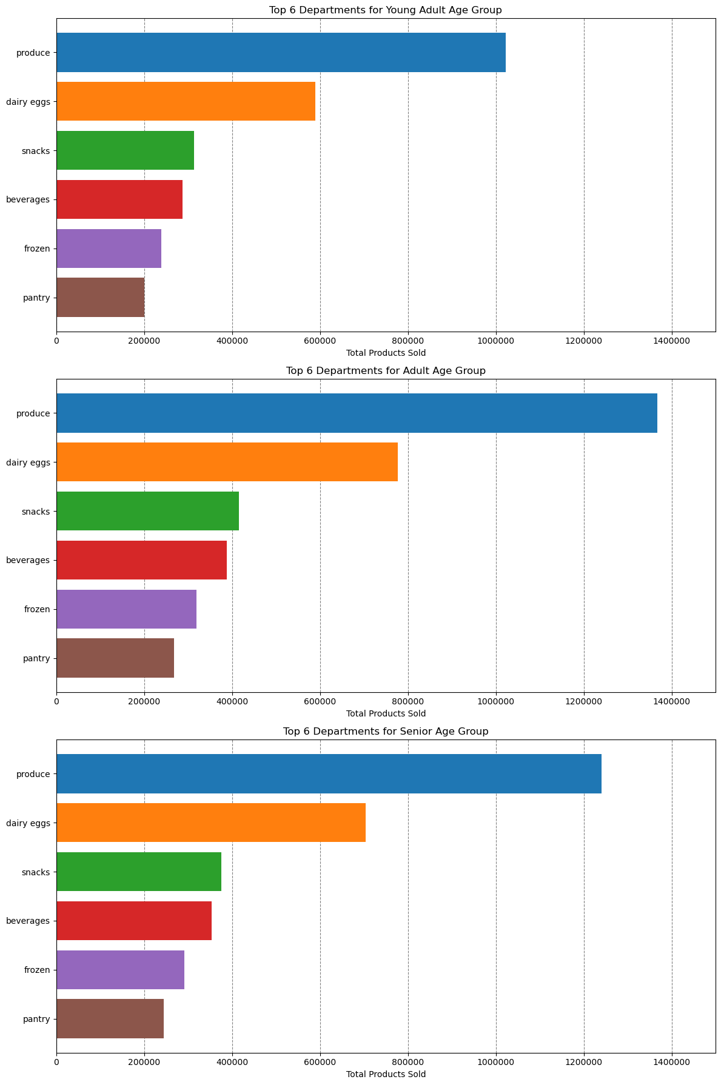
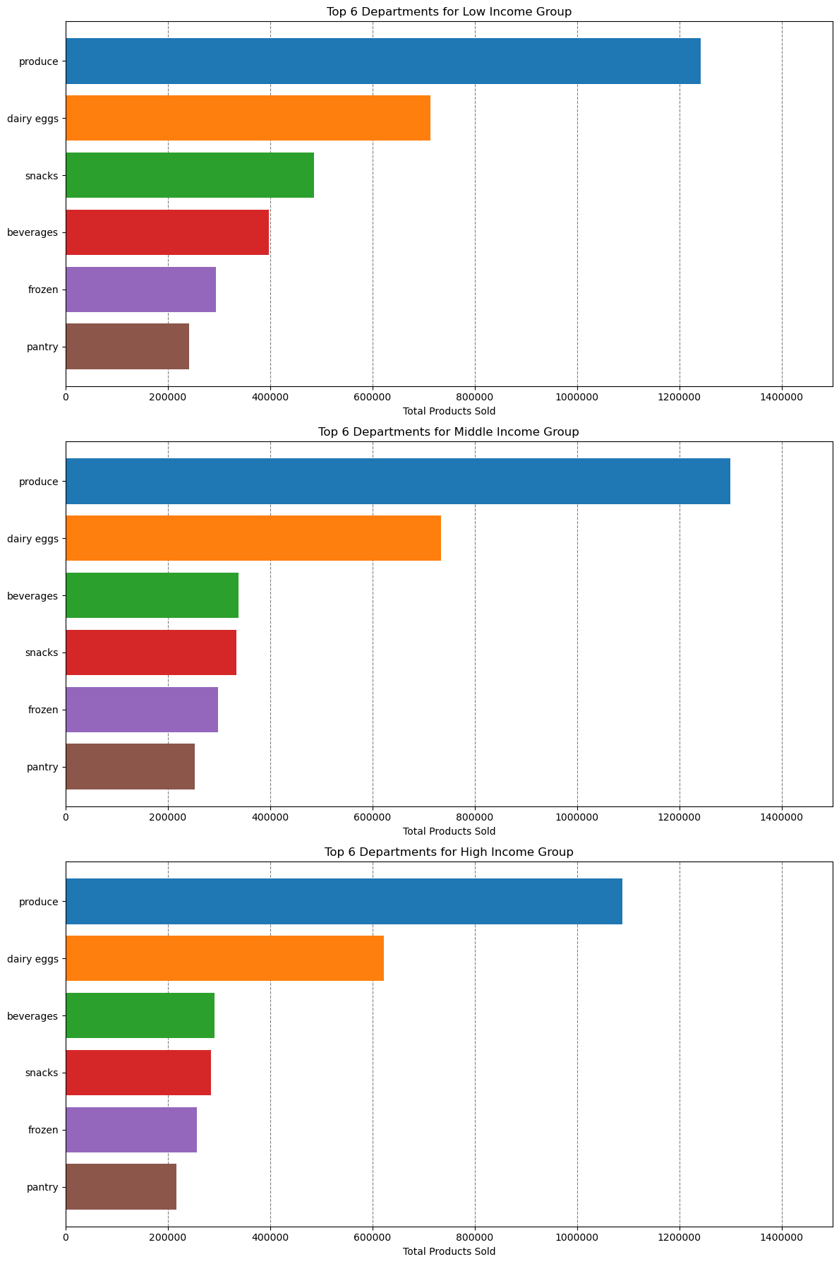
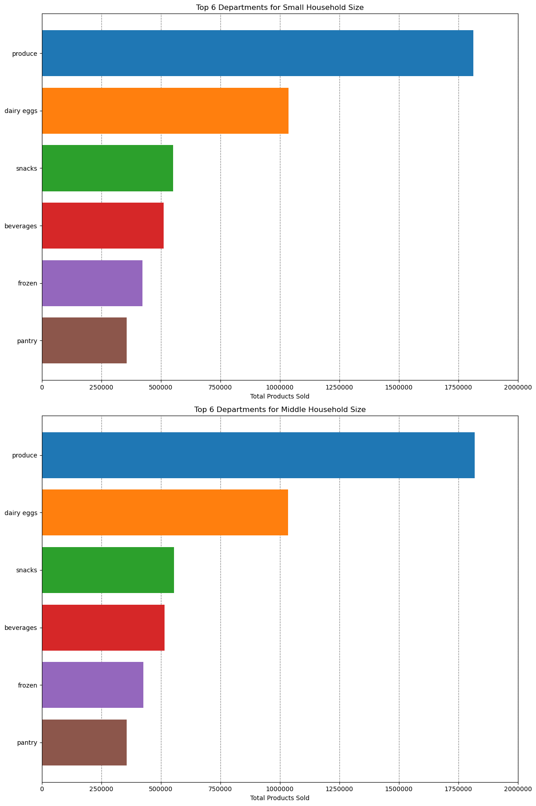
 |  |  |  |  |  | Title page

Visualisations

What days of the week and hours of the day are busiest?
 | Saturday and Sunday are the busiest and between 10:00 and 16:00 are the most orders

 |  | Numbers of orders per week day |  |  | Numbers of orders per week day



 |  |  |  |  |  |  | Legend
 |  |  |  |  |  |  | Number | Day
 |  |  |  |  |  |  | 0 | Saturday
Frequency
 |  |  |  |  |  |  | 1 | Sunday
 |  |  |  |  |  |  | 2 | Monday
 |  |  |  |  |  |  | 3 | Tuesday
 |  |  |  |  |  |  | 4 | Wednesday
 |  |  |  |  |  |  | 5 | Thursday
 |  |  |  |  |  |  | 6 | Friday

Hour of the day

What times of the day people spend the most money?
 | The is no statistically significant answer to that. Between 9:00 and 13:00 people spent apparently less than in the other hours.


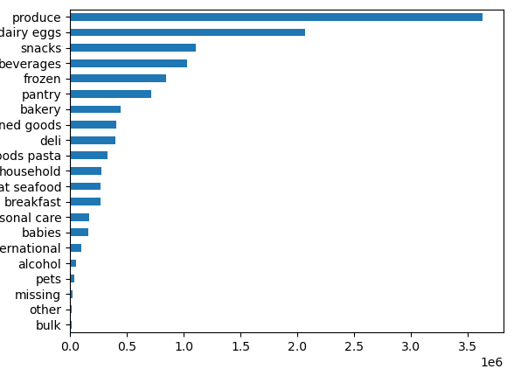
Which departments have the highest frequency of product orders?
 |  |  |  | Department, Counts
 |  |  | 1 | produce 3631549
 |  |  | 2 | dairy eggs 2070536
 |  |  | 3 | snacks 1105797
 |  |  | 4 | beverages 1027086
 |  |  | 5 | frozen 849358
 |  |  | 6 | pantry 712871
 |  |  | 7 | bakery 448698
 |  |  | 8 | canned goods 404854
 |  |  | 9 | deli 401834
 |  |  | 10 | dry goods pasta 328615
 |  |  | 11 | household 279941
 |  |  | 12 | meat seafood 269980
 |  |  | 13 | breakfast 268843
 |  |  | 14 | personal care 169975
 |  |  | 15 | babies 164381
 |  |  | 16 | international 103037
 |  |  | 17 | alcohol 57625
 |  |  | 18 | pets 37270
 |  |  | 19 | missing 25888
Number of orders
 |  |  | 20 | other 13834
 |  |  | 21 | bulk 13412

What’s the distribution among users in regards to their brand loyalty?

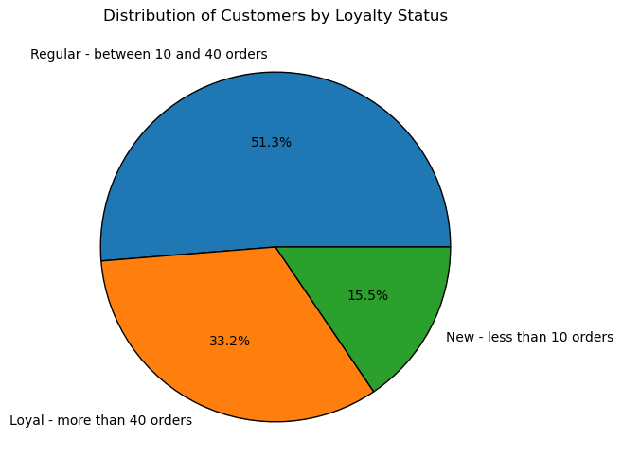

Are there differences in ordering habits based on a customer’s loyalty status?
 | Loyal costumers purchase more and more often
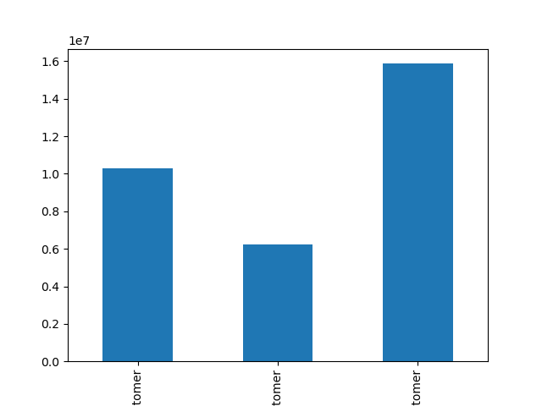
Loyal customer
New customer
Regular customer
Number of orders
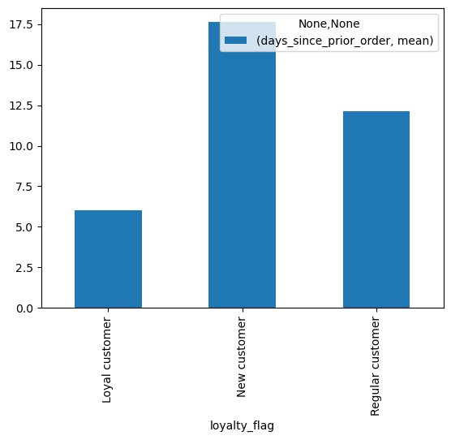
Loyal customer
New customer
Regular customer
Mean of days since prior order

Are there differences in ordering habits based on a customer’s region?
 | In all regions are much less "high spender" than "low spender".
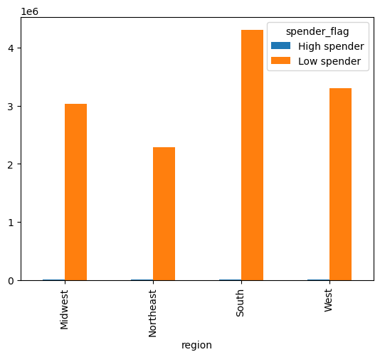

Is there a connection between age in terms of ordering habits?
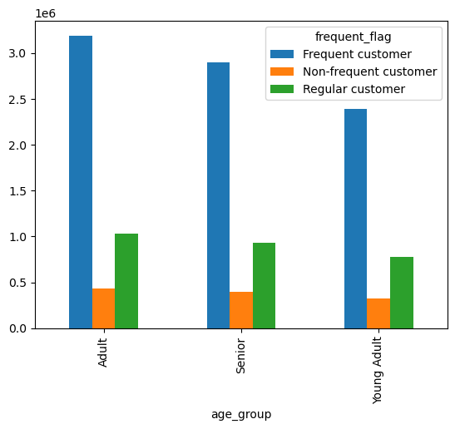
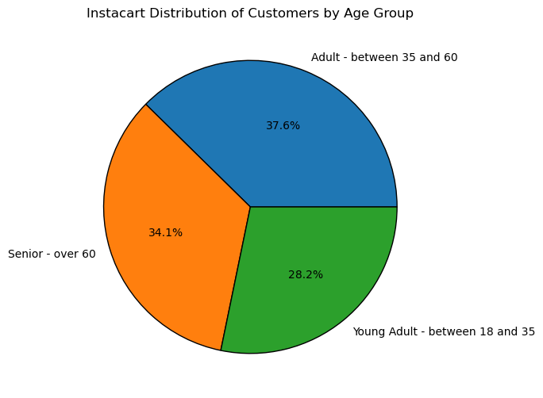

What differences can you find in preferece for departments for different customer profiles?

7. Recommendations
 |  |  |  | Title page
Recommendations

In this tab you should include any recommendations you would made to Instcart in terms of their marketing strategy based on the questions posed in the brief. Every key question has been covered in the Tasks of the Exercises - here you need to add an item - a visualisation or table/crosstable that is showing the answer in the data, acompanied by a comment from you. Please, list the questions below and add the answer underneath.

 | Question | Answer | Recommendation

4.7 | What days of the week and hours of the day are busiest? | Saturday and Sunday are the busiest days. Wednesday and Tuesday are the least busy. Between 8:00 and 18:00 are the most busy hours. Between 0:00 and 6:00 are the least busy hours. | Wednesday and Tuesday are the days where we can boost sales. Scheduling ads at sleeping times seems to me not very productive, maybe just before 8:00 or after 18:00, when people have time to check the ads?

 | What times of the day people spend the most money? | Between 13:00 to 09:00 in the morning is slightly better than 9:00 to 13:00. However there is not a strong statistical confidence for that. | Advertise pricier products in the interval of ß9:00 to 13:00.

 | Which departments have the highest frequency of product orders? | Top 5: Produce, diary & eggs, snacks, beverages and frozen products (in decrescent order) | Increase advertisement on the lowest ranking (higher potential to increase sales): Bulk, Pets, International, Baby products and Personal care

 | What’s the distribution among users in regards to their brand loyalty? | Regular customers - 51.3 % Loyal customers - 33.2% New customers - 15.5% | Huge potential to expand the customers base since the new customers only make up 15.5% of total customers.

 | Are there differences in ordering habits based on a customer’s loyalty status? | Yes, loyal customers make orders more frequently | Maybe a loyalty bonus program to make often purchases more interesting

 | Are there differences in ordering habits based on a customer’s region? | In all regions are much less "high spender" than "low spender". Some regions have a higher total number of customers than others. | Maybe try a more proper threshold or another variable to evaluate it.

 | Is there a connection between age in terms of ordering habits? | Considering the distribution of the age groups, there is no significant difference | There is no need to do different advertisements to target the different groups

 | What differences can you find in preferece for departments for different customer profiles? | Almost insignificant, the choice for departments follow the same order in similar proportions to all groups | There is no need to do different advertisements to target the different groups

