potential resources
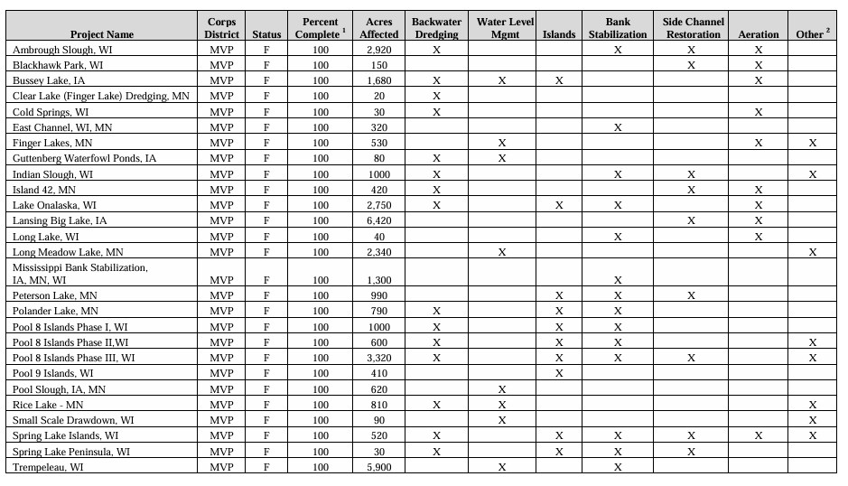
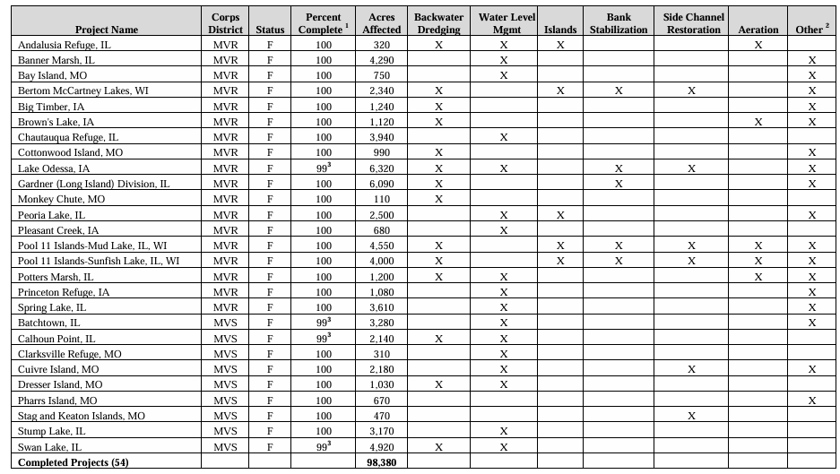
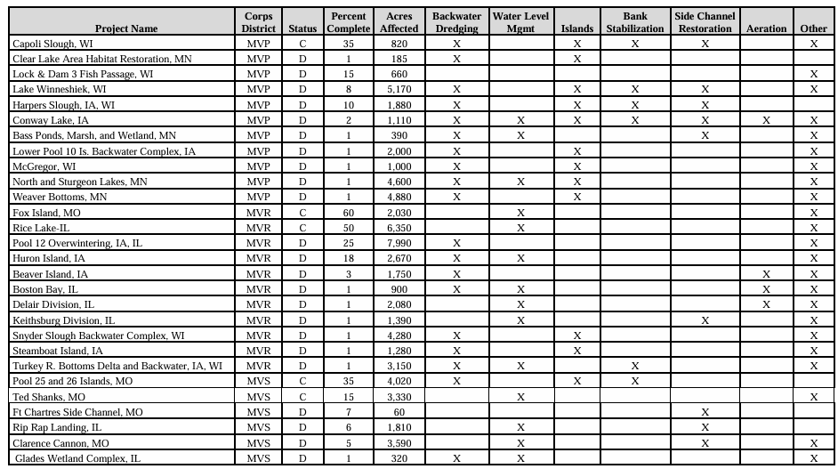
Potential resources for helping to identify learning opportunities based on "project type" | Source
 | UMRR Design Handbook, Chapter 2

