Sheet1
Molecule chemBL ID | Smiles | Kd(nM) | ΔG1 | ΔG2 | ΔG3
chemBL1210272 | Cc1ccc(-n2nncc2-c2cc(-c3ccccc3)sc2C(=O)O)cc1 | 1.35E+04 | -3.5 |  | -3.5 | 2.70E+06
chemBL561360 | CC(C)N(c1cc(-c2ccccc2)sc1C(=O)O)C(=O)[C@H]1CC[C@H](C)CC1 | 2.30E+02 | -4.2 | -4.2 | -4.2 | 8.28E+05
chemBL223720 | CN(C)CC1COc2ccc3nc4n(c3c2C1)CC(CN(C)C)CN4 | 7.20E+02 | -2.8 | -2.9 | -2.7 | 1.04E+07
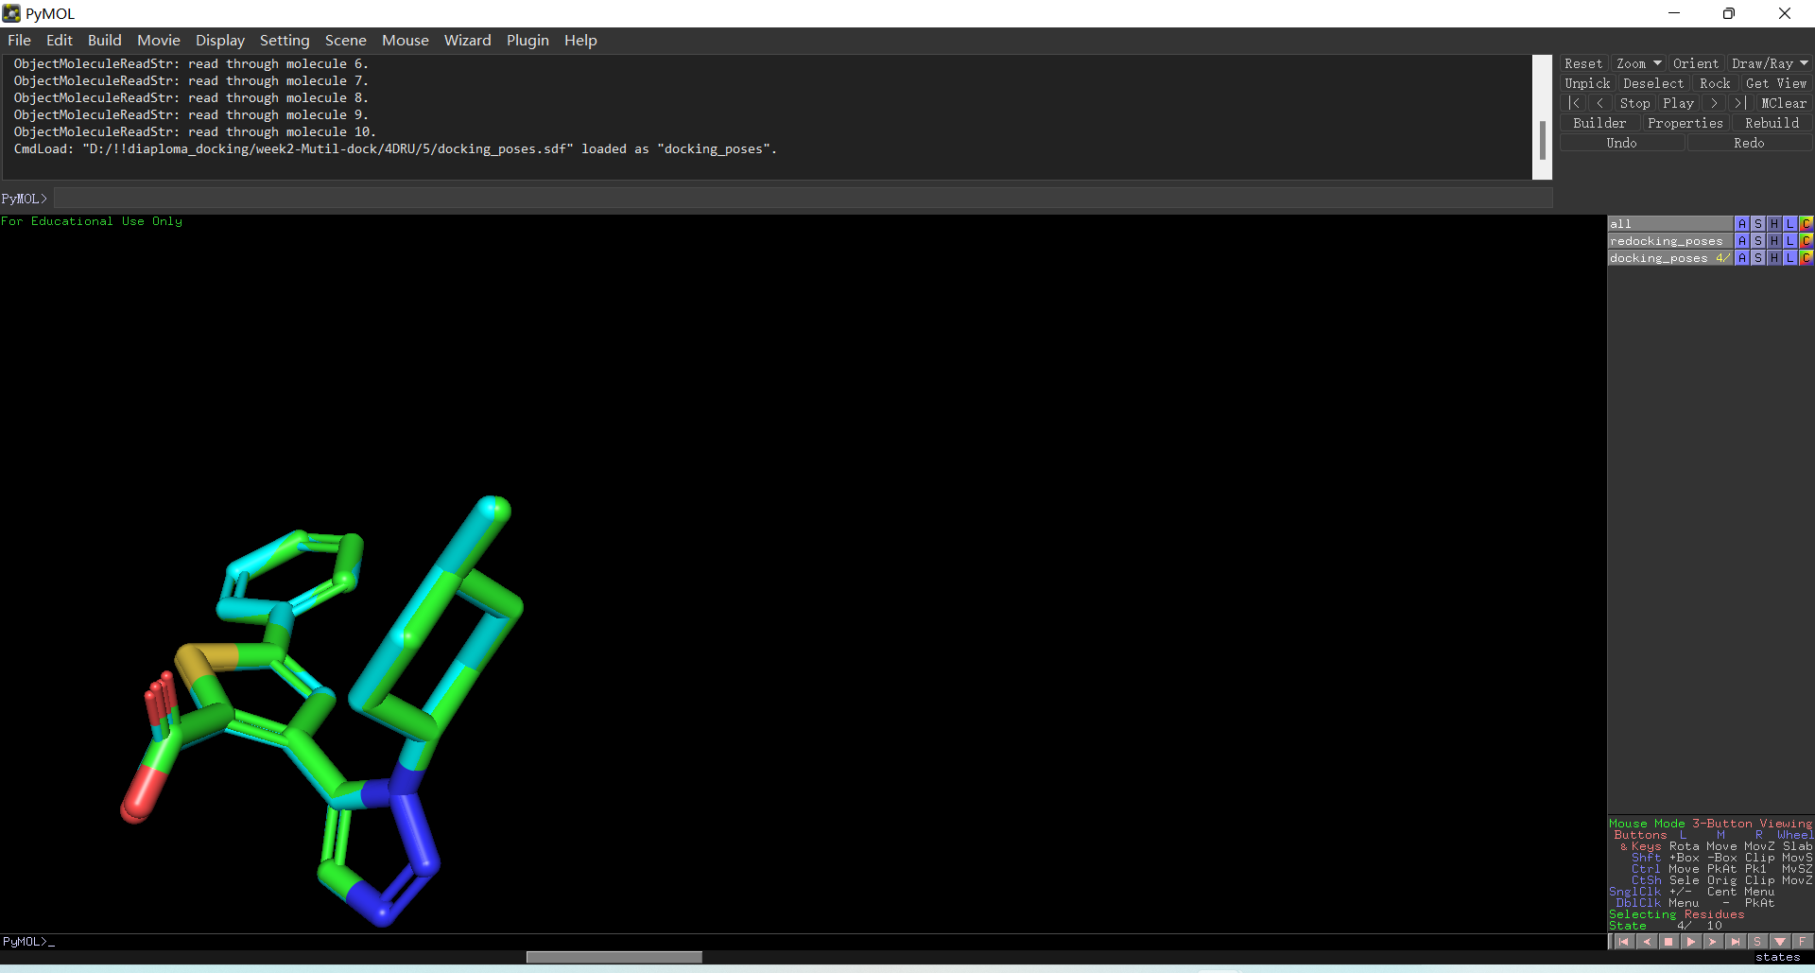
chemBL3909178 | CN1CCCCCNC(=O)C2=Cc3ccc(Cl)cc3-c3c(C4CCCCC4)c4ccc(cc4n3C2)C(=O)NS1(=O)=O | 4.00E+02 | -5.2 | -5.2 | -5.2 | 1.53E+05 | more close
chemBL1210273 | C[C@H]1CC[C@H](n2nncc2-c2cc(-c3ccccc3)sc2C(=O)O)CC1 | 2.54E+03 | -3.3 | -3.2 | -3.3 | 3.79E+06 | most close of prepare ligand size and predict size
chemBL2043025 | COc1ccc2c(c1)C=C1Cn3c-2c(C2CCCCC2)c2ccc(cc23)C(=O)NS(=O)(=O)N(C)CCOCCN(C)C1=O | 1.57E+03 | -5.2 | -5.2 | -5.2 | 1.53E+05
chemBL3957774 | COc1ccc2c(c1)C(C)=C1Cn3c-2c(C2CCCCC2)c2ccc(cc23)C(=O)NS(=O)(=O)N(C)CCOCCN(C)C1=O | 1.60E+00 | -5.2 | -5.2 | -5.2 | 1.53E+05
chemBL2043027 | COc1ccc2c(c1)C=C1Cn3c-2c(C2CCCCC2)c2ccc(cc23)C(=O)NS(=O)(=O)N(C)CCCCN(C)C1=O | 2.40E+00 | -5.1 | -5.1 | -5.1 | 1.81E+05
chemBL3983049 | COc1ccc2c(c1)C(C)=C1Cn3c-2c(C2CCCCC2)c2ccc(cc23)C(=O)NS(=O)(=O)N(C)CCCCN(C)C1=O | 1.80E+01 |  | -5.1 | -5.1 | 1.81E+05
chemBL2043035 | CN1CCCCN(C)S(=O)(=O)NC(=O)c2ccc3c(C4CCCCC4)c4n(c3c2)CC(=Cc2ccc(Cl)cc2-4)C1=O | 6.12E+00 |  | -5.1 | -5.1 | 1.81E+05
chemBL388502 | CN(C)CCCn1c(N)nc2ccc3c(c21)CC(CN(C)C)O3 | 1.70E+03 |  | -2.3 | -2.2 | 2.43E+07
chemBL427101 | CN(C)CCCn1c(N)nc2ccccc21 | 1.00E+05 |  | -2.3 | -2.2 | 2.43E+07
chemBL2043036 | COc1ccc2c(c1)C=C1Cn3c-2c(C2CCCCC2)c2ccc(cc23)C(=O)NS(=O)(=O)N(C)CCCCNC1=O | 7.70E+00 |  | -5.2 | -5.2 | 1.53E+05
chemBL2043037 | COc1ccc2c(c1)C=C1Cn3c-2c(C2CCCCC2)c2ccc(cc23)C(=O)NS(=O)(=O)NCCCCN(C)C1=O | 1.10E+01 |  | -4.8 | -4.7 | 3.56E+05
chemBL2043039 | COc1ccc2c(c1)C=C1Cn3c-2c(C2CCCCC2)c2ccc(cc23)C(=O)NS(=O)(=O)N(C(C)C)CCCCN(C)C1=O | 9.00E+00 |  | -5.7 | -5.6 | 7.77E+04

