Лист1
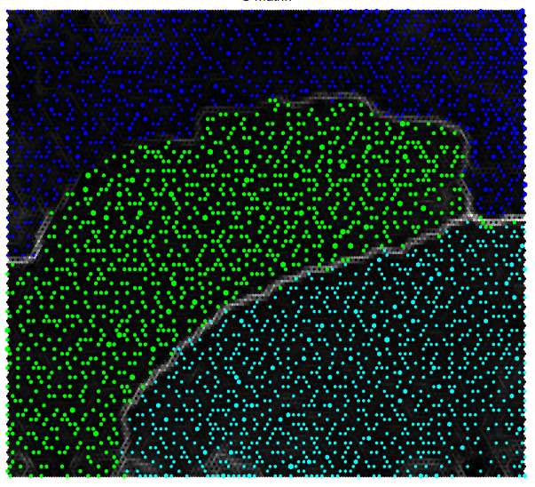
Final quantization error | 0.010650
Final topographic error | 0.041443

Dictors | fsp1-3
Utterances | train1

Sammon Iterations | 500

Map Size | [100, 100]

