Tabelle1
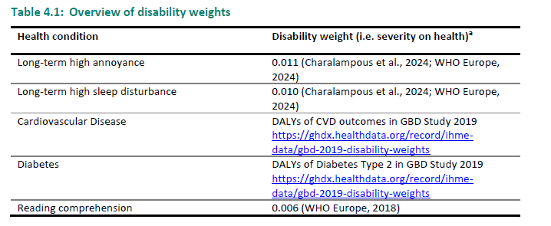
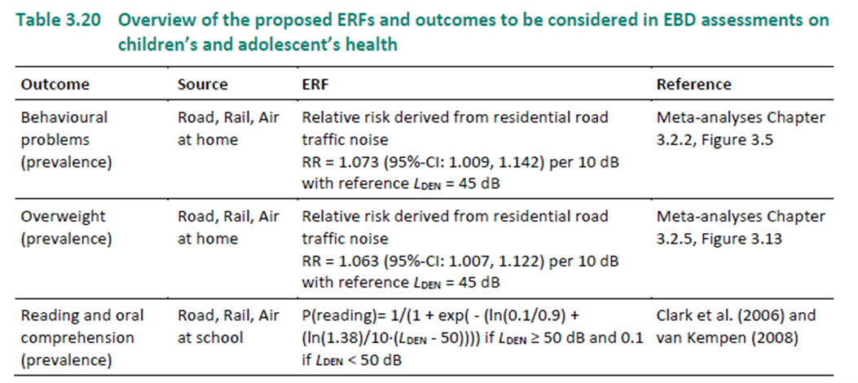
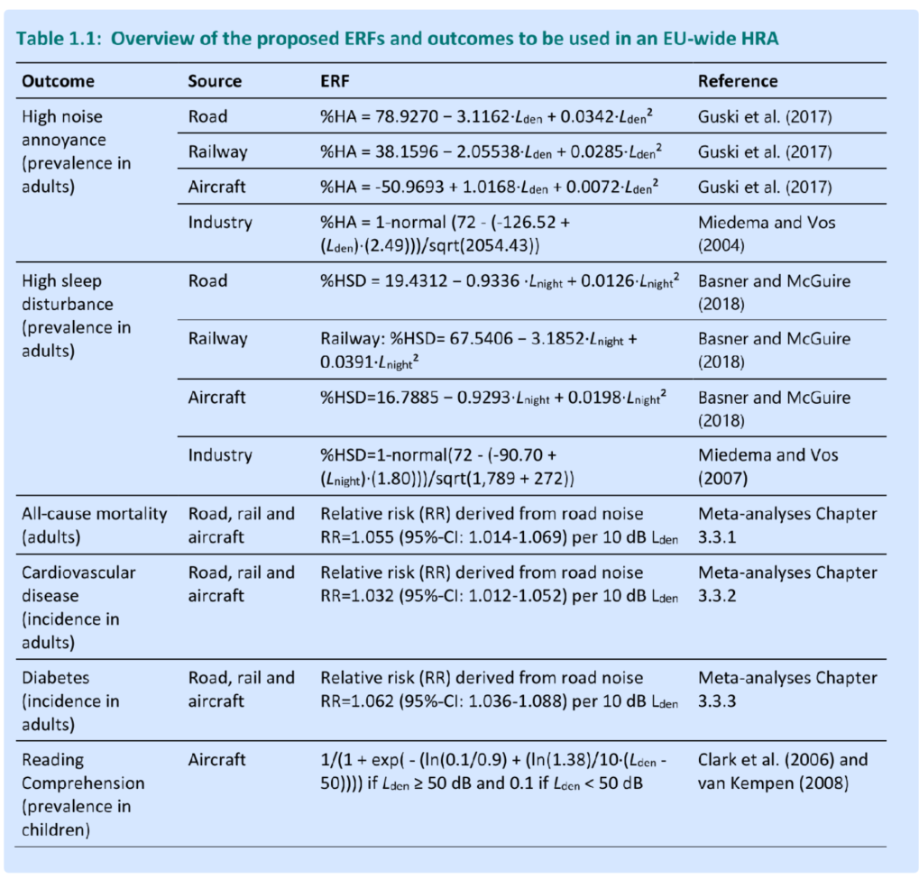
outcome | risk_type | outcome_type | population_type | noise_source | ERF | metric | reference | END_model | ETCHE23_model | ETCHE24_model | threshold | DW
High noise annoyance | absolute_risk | prevalence | adults | road | (78.9270 - 3.1162 * c + 0.0342 * c^2)/100 | lden | Guski et al. (2017) | 1 | 1 | 0 | 45 | 0.011
High noise annoyance | absolute_risk | prevalence | adults | rail | (38.1596 - 2.05538 * c + 0.0285 * c^2)/100 | lden | Guski et al. (2017) | 1 | 1 | 0 | 45 | 0.011
High noise annoyance | absolute_risk | prevalence | adults | air | (-50.9693 + 1.0168 * c + 0.0072 * c^2)/100 | lden | Guski et al. (2017) | 1 | 1 | 0 | 45 | 0.011
High noise annoyance | absolute_risk | prevalence | adults | industry | 1-pnorm((72-(-126.52+c*2.49))/sqrt(2054.43)) | lden | Miedema and Vos (2004) | 0 | 1 | 0 | 45 | 0.011
High sleep disturbance | absolute_risk | prevalence | adults | road | (19.4312 - 0.9336 * c + 0.0126 * c^2)/100 | lnight | Basner and McGuire (2018) | 1 | 1 | 0 | 40 | 0.01
High sleep disturbance | absolute_risk | prevalence | adults | rail | (67.5406 - 3.1852 * c + 0.0391 * c^2)/100 | lnight | Basner and McGuire (2018) | 1 | 1 | 0 | 40 | 0.01
High sleep disturbance | absolute_risk | prevalence | adults | air | (16.7885 - 0.9293 * c + 0.0198 * c^2)/100 | lnight | Basner and McGuire (2018) | 1 | 1 | 0 | 40 | 0.01
High sleep disturbance | absolute_risk | prevalence | adults | industry | 1-pnorm((72-(-90.70+(c)*(1.80)))/sqrt(1789+272)) | lnight | Miedema and Vos (2007) | 0 | 1 | 0 | 40 | 0.01
All-cause mortality | relative_risk | incidence | adults | road | exp(log(1.055)/10*(c-threshold)) | lden | Engelmann et al. (2025), ch. 3.3.1 | 0 | 1 | 0 | 45
All-cause mortality | relative_risk | incidence | adults | rail | exp(log(1.055)/10*(c-threshold)) | lden | Engelmann et al. (2025), ch. 3.3.1 | 0 | 1 | 0 | 45
All-cause mortality | relative_risk | incidence | adults | air | exp(log(1.055)/10*(c-threshold)) | lden | Engelmann et al. (2025), ch. 3.3.1 | 0 | 1 | 0 | 45
Cardiovascular disease | relative_risk | incidence | adults | road | exp(log(1.032)/10*(c-threshold)) | lden | Engelmann et al. (2025), ch. 3.3.2 | 0 | 1 | 0 | 45
Cardiovascular disease | relative_risk | incidence | adults | rail | exp(log(1.032)/10*(c-threshold)) | lden | Engelmann et al. (2025), ch. 3.3.2 | 0 | 1 | 0 | 45
Cardiovascular disease | relative_risk | incidence | adults | air | exp(log(1.032)/10*(c-threshold)) | lden | Engelmann et al. (2025), ch. 3.3.2 | 0 | 1 | 0 | 45
IHD | relative_risk | incidence | adults | road | exp(log(1.08)/10*(c-threshold)) | lden | END | 1 | 0 | 0 | 53
Diabetes | relative_risk | incidence | adults | road | exp(log(1.062)/10*(c-threshold)) | lden | Engelmann et al. (2025), ch. 3.3.3 | 0 | 1 | 0 | 45
Diabetes | relative_risk | incidence | adults | rail | exp(log(1.062)/10*(c-threshold)) | lden | Engelmann et al. (2025), ch. 3.3.3 | 0 | 1 | 0 | 45
Diabetes | relative_risk | incidence | adults | air | exp(log(1.062)/10*(c-threshold)) | lden | Engelmann et al. (2025), ch. 3.3.3 | 0 | 1 | 0 | 45
Reading Comprehension | absolute_risk | prevalence | children | air | ifelse (c >= threshold, 1 / (1 + exp(-(log(0.1 / 0.9) + (log(1.38) / 10 * (c - threshold))))), 0.1) | lden | Clark et al. (2006) and van Kempen (2008) | 0 | 1 | 1 | 50 | 0.006
Reading Comprehension | absolute_risk | prevalence | children | rail | ifelse (c >= threshold, 1 / (1 + exp(-(log(0.1 / 0.9) + (log(1.38) / 10 * (c - threshold))))), 0.1) | lden | Engelmann ETC HE Report 2024/11 | 0 | 0 | 1 | 50 | 0.006
Reading Comprehension | absolute_risk | prevalence | children | road | ifelse (c >= threshold, 1 / (1 + exp(-(log(0.1 / 0.9) + (log(1.38) / 10 * (c - threshold))))), 0.1) | lden | Engelmann ETC HE Report 2024/11 | 0 | 0 | 1 | 50 | 0.006
Behavioural problems | relative_risk | prevalence | children | road | exp(log(1.073)/10*(c-threshold)) | lden | Engelmann ETC HE Report 2024/11, ch 3.3.2 | 0 | 0 | 1 | 45
Behavioural problems | relative_risk | prevalence | children | rail | exp(log(1.073)/10*(c-threshold)) | lden | Engelmann ETC HE Report 2024/11, ch 3.3.2 | 0 | 0 | 1 | 45
Behavioural problems | relative_risk | prevalence | children | air | exp(log(1.073)/10*(c-threshold)) | lden | Engelmann ETC HE Report 2024/11, ch 3.3.2 | 0 | 0 | 1 | 45
Overweight | relative_risk | prevalence | children | road | exp(log(1.063)/10*(c-threshold)) | lden | Engelmann ETC HE Report 2024/11, ch 3.3.5 | 0 | 0 | 1 | 45
Overweight | relative_risk | prevalence | children | rail | exp(log(1.063)/10*(c-threshold)) | lden | Engelmann ETC HE Report 2024/11, ch 3.3.5 | 0 | 0 | 1 | 45
Overweight | relative_risk | prevalence | children | air | exp(log(1.063)/10*(c-threshold)) | lden | Engelmann ETC HE Report 2024/11, ch 3.3.5 | 0 | 0 | 1 | 45

