ERF HRA
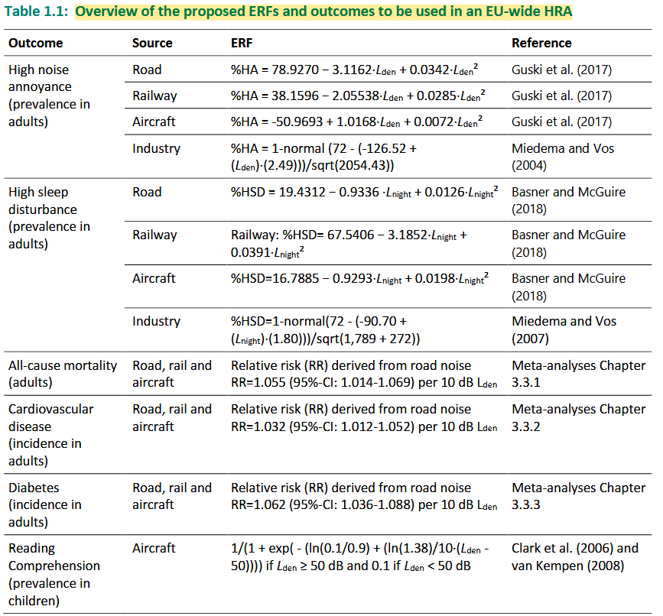
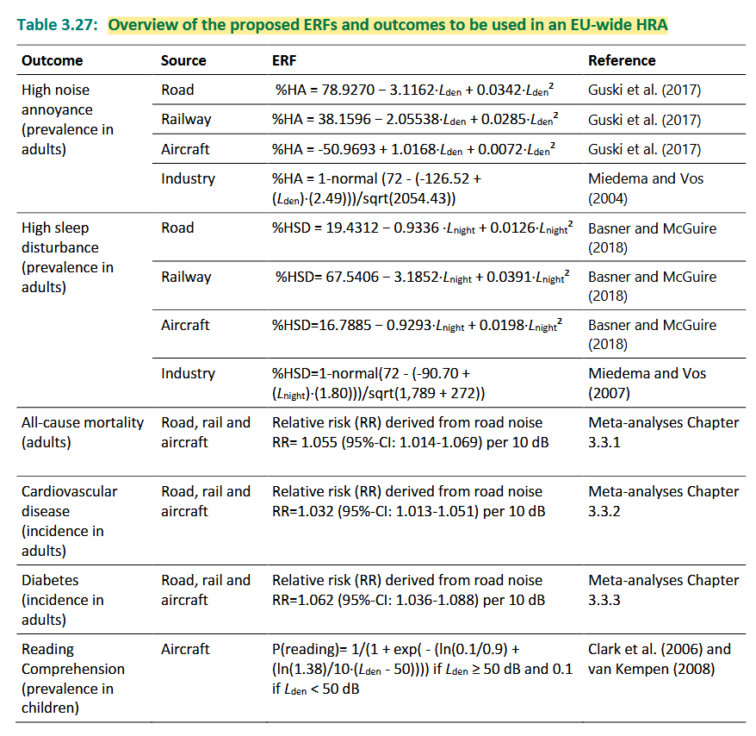

5dB to 1dB refinement
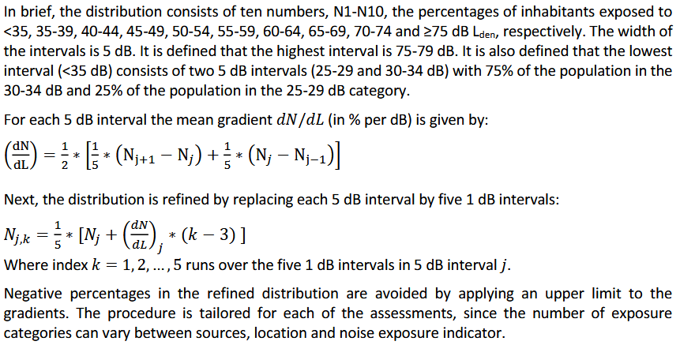
Methodology to improve the transfer process from 5 dB to 1 dB exposure distribution

