survey
 |  |  | 1./(1.+mfexp(A*(lbinmidpt-mfexp(survey_selpars))/mfexp(survey_selpars)));

 |  |  |  | cod |  | herring |  | mackerel |  | dogfish
 | ln 19 | 2.9444389792 | -2.9444389792 | 29 | 0.044262874918 | 8 | 0.0037107822863 | 12 | 0.0059837410814 | 30 | 0.049627222011
 | c | 4 |  | 58 | 0.600679277 | 16 | 0.0096354862517 | 24 | 0.024784361973 | 60 | 0.65663626022
 | d | 3.2 |  | 87 | 0.97994325337 | 24 | 0.024784361973 | 36 | 0.096897367065 | 90 | 0.98592242466
 |  |  |  | 116 | 0.99937025266 | 32 | 0.062253135199 | 48 | 0.31175612982 | 120 | 0.99961026324
 |  |  |  | 145 | 0.99998059955 | 40 | 0.14778295452 | 60 | 0.65663626022 | 150 | 0.99998935387

cod
herring
mackerel
dogfish

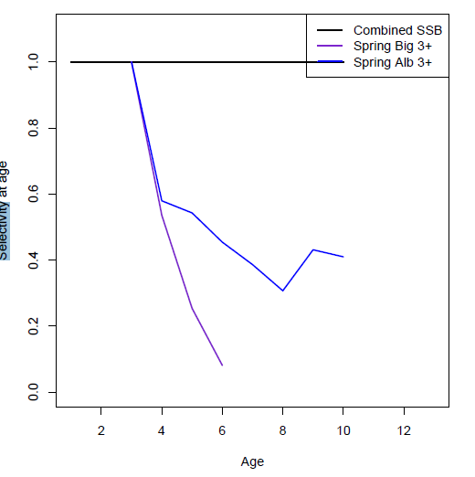
cod spring albatross |  |  |  | herring |  |  |  |  | mackerel |  |  |  |  | dogfish NEFSC spring
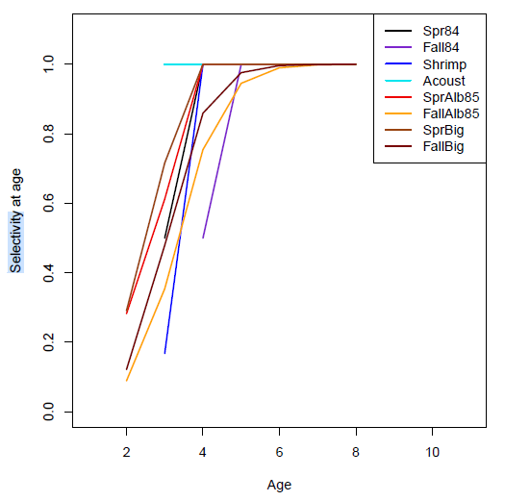
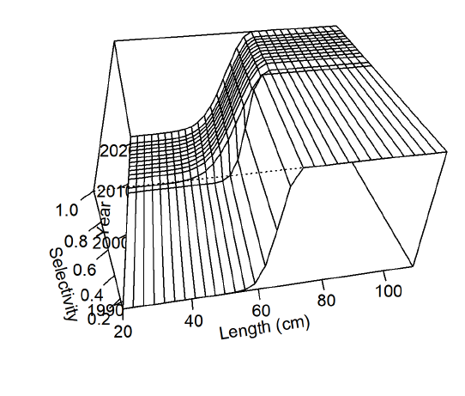

 |  |  |  |  |  |  | 1 | 20.431063968 | 0.1 | 0.1 |  | 1 | 10.508783603 | 0 | 1 | 8.0610277969 | 1 |  |  | 50 | 0.1
 |  |  |  |  |  |  | 2 | 37.200475526 | 0.2 | 0.4 |  | 2 | 17.209479868 | 0.2 | 2 | 14.621358847 | 1 |  |  | 55 | 0.2
 |  |  |  |  |  |  | 3 | 50.964475502 | 0.35 | 0.35 |  | 3 | 21.482032441 | 0.4 | 3 | 19.960373247 | 1 |  |  | 60 | 0.3
 |  |  |  |  |  |  | 4 | 62.261693338 | 0.6 | 0.35 |  | 4 | 24.206332242 | 0.8 | 4 | 24.30543976 | 0.6 |  |  | 65 | 0.6
 |  |  |  |  |  |  | 5 | 71.534225382 | 1 | 0.45 |  | 5 | 25.943422488 | 1 | 5 | 27.841598607 | 0.4 |  |  | 70 | 0.8
 |  |  |  |  |  |  | 6 | 79.144935537 | 1 | 0.5 |  | 6 | 27.051040131 | 1 | 6 | 30.71944164 | 0.4 |  |  | 75 | 1
 |  |  |  |  |  |  | 7 | 85.391655289 | 1 | 0.7 |  | 7 | 27.757288321 | 1 | 7 | 33.061525489 | 0.4 |  |  | 80 | 1
 |  |  |  |  |  |  | 8 | 90.518838805 | 1 | 1 |  | 8 | 28.207612049 | 1 | 8 | 34.967590792 | 0.4 |  |  | 85 | 1
 |  |  |  |  |  |  | 9 | 94.727129212 | 1 | 1 |  | 9 | 28.494751135 | 1 | 9 | 36.518809781 | 0.4 |  |  | 90 | 1
 |  |  |  |  |  |  | 10 | 98.181210404 | 1 | 1 |  | 10 | 28.6778391 | 1 | 10 | 37.781243104 | 0.4 |  |  | 95 | 1
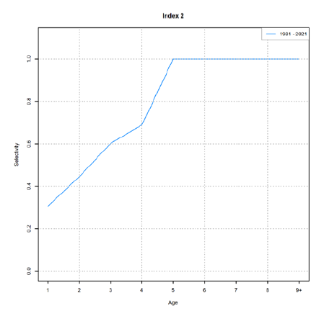
cod fall albatross |  |  |  |  |  |  | 11 | 101.01625165 | 1 | 1 |  | 11 | 28.794581141 | 1 | 11 | 38.808653098 | 0.4 |  |  | 100 | 1

Demersals
Pelagics
 | herring |  | mackerel |  | estimate
10.508783603 | 0 | 8.0610277969 | 1 | 2 | 0.026698017251
17.209479868 | 0.2 | 14.621358847 | 1 | 4 | 0.032469015926
21.482032441 | 0.4 | 19.960373247 | 1 | 6 | 0.039482353782
24.206332242 | 0.8 | 24.30543976 | 0.6 | 8 | 0.048003029603
25.943422488 | 1 | 27.841598607 | 0.4 | 10 | 0.058351402376
27.051040131 | 1 | 30.71944164 | 0.4 | 12 | 0.070914200738
27.757288321 | 1 | 33.061525489 | 0.4 | 14 | 0.086157455817
28.207612049 | 1 | 34.967590792 | 0.4 | 16 | 0.10464156323
28.494751135 | 1 | 36.518809781 | 0.4 | 18 | 0.12703863215
28.6778391 | 1 | 37.781243104 | 0.4 | 20 | 0.15415218371
28.794581141 | 1 | 38.808653098 | 0.4 | 22 | 0.18693909409
 |  |  |  | 24 | 0.22653340898
 |  |  |  | 26 | 0.27427124613
 |  |  |  | 28 | 0.33171540566
 |  |  |  | 30 | 0.40067747563
 |  |  |  | 32 | 0.48323411224
 |  |  |  | 34 | 0.58173278063
 |  |  |  | 36 | 0.69878061529
 |  |  |  | 38 | 0.83720836756
 |  |  |  | 40 | 1
 |  |  |  | 42
 |  |  |  | 44
 |  |  |  | 46
 |  |  |  | 48
 |  |  |  | 50
 |  |  |  | 52
 |  |  |  | 54
 |  |  |  | 56
 |  |  |  | 58
 |  |  |  | 60
 |  |  |  | 62
 |  |  |  | 64
 |  |  |  | 66
 |  |  |  | 68
 |  |  |  | 70
 |  |  |  | 72
 |  |  |  | 74
 |  |  |  | 76
 |  |  |  | 78
 |  |  |  | 80
 |  |  |  | 82
 |  |  |  | 84
 |  |  |  | 86
 |  |  |  | 88
 |  |  |  | 90
 |  |  |  | 92
 |  |  |  | 94
 |  |  |  | 96
 |  |  |  | 98
 |  |  |  | 100
 |  |  |  |  |  |  |  |  |  |  |  |  |  |  |  |  |  |  | 62
 |  |  |  |  |  |  |  |  |  |  |  |  |  |  |  |  |  |  | 30
 |  |  |  |  |  |  |  |  |  |  |  |  |  |  |  |  |  |  | 4.127134385
 |  |  |  |  |  |  |  |  |  |  |  |  |  |  |  |  |  |  | 3.4011973817
 |  |  |  |  |  |  |  |  |  |  |  |  |  |  |  |  |  | 2 | 0.0027624309392 | 0.026698017251
 |  |  |  |  |  |  |  |  |  |  |  |  |  |  |  |  |  | 4 | 0.0033595533824 | 0.032469015926
 |  |  |  |  |  |  |  |  |  |  |  |  |  |  |  |  |  | 6 | 0.0040852200602 | 0.039482353782
 |  |  |  |  |  |  |  |  |  |  |  |  |  |  |  |  |  | 8 | 0.0049668502685 | 0.048003029603
 |  |  |  |  |  |  |  |  |  |  |  |  |  |  |  |  |  | 10 | 0.006037591397 | 0.058351402376
 |  |  |  |  |  |  |  |  |  |  |  |  |  |  |  |  |  | 12 | 0.0073374580707 | 0.070914200738
 |  |  |  |  |  |  |  |  |  |  |  |  |  |  |  |  |  | 14 | 0.0089146703051 | 0.086157455817
 |  |  |  |  |  |  |  |  |  |  |  |  |  |  |  |  |  | 16 | 0.010827211964 | 0.10464156323
 |  |  |  |  |  |  |  |  |  |  |  |  |  |  |  |  |  | 18 | 0.013144625859 | 0.12703863215
 |  |  |  |  |  |  |  |  |  |  |  |  |  |  |  |  |  | 20 | 0.015950051932 | 0.15415218371
cod fall bigelow |  |  |  |  |  |  |  |  |  |  |  |  |  |  |  |  |  | 22 | 0.0193424977 | 0.18693909409
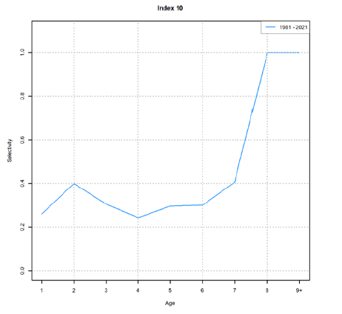
 |  |  |  |  |  |  |  |  |  |  |  |  |  |  |  |  |  | 24 | 0.023439302322 | 0.22653340898
 |  |  |  |  |  |  |  |  |  |  |  |  |  |  |  |  |  | 26 | 0.028378713255 | 0.27427124613
 |  |  |  |  |  |  |  |  |  |  |  |  |  |  |  |  |  | 28 | 0.034322432674 | 0.33171540566
 |  |  |  |  |  |  |  |  |  |  |  |  |  |  |  |  |  | 30 | 0.041457904717 | 0.40067747563
 |  |  |  |  |  |  |  |  |  |  |  |  |  |  |  |  |  | 32 | 0.05 | 0.48323411224
 |  |  |  |  |  |  |  |  |  |  |  |  |  |  |  |  |  | 34 | 0.060191609604 | 0.58173278063
 |  |  |  |  |  |  |  |  |  |  |  |  |  |  |  |  |  | 36 | 0.072302492476 | 0.69878061529
 |  |  |  |  |  |  |  |  |  |  |  |  |  |  |  |  |  | 38 | 0.086625545088 | 0.83720836756
 |  |  |  |  |  |  |  |  |  |  |  |  |  |  |  |  |  | 40 | 0.1034695166 | 1
 |  |  |  |  |  |  |  |  |  |  |  |  |  |  |  |  |  | 42 | 0.12314713803
 |  |  |  |  |  |  |  |  |  |  |  |  |  |  |  |  |  | 44 | 0.1459577602
 |  |  |  |  |  |  |  |  |  |  |  |  |  |  |  |  |  | 46 | 0.17216401435
 |  |  |  |  |  |  |  |  |  |  |  |  |  |  |  |  |  | 48 | 0.20196282696
 |  |  |  |  |  |  |  |  |  |  |  |  |  |  |  |  |  | 50 | 0.23545238646
 |  |  |  |  |  |  |  |  |  |  |  |  |  |  |  |  |  | 52 | 0.27259828551
 |  |  |  |  |  |  |  |  |  |  |  |  |  |  |  |  |  | 54 | 0.31320375084
 |  |  |  |  |  |  |  |  |  |  |  |  |  |  |  |  |  | 56 | 0.35689008626
 |  |  |  |  |  |  |  |  |  |  |  |  |  |  |  |  |  | 58 | 0.40309351825
 |  |  |  |  |  |  |  |  |  |  |  |  |  |  |  |  |  | 60 | 0.45108298913
 |  |  |  |  |  |  |  |  |  |  |  |  |  |  |  |  |  | 62 | 0.5
 |  |  |  |  |  |  |  |  |  |  |  |  |  |  |  |  |  | 64 | 0.54891701087
 |  |  |  |  |  |  |  |  |  |  |  |  |  |  |  |  |  | 66 | 0.59690648175
 |  |  |  |  |  |  |  |  |  |  |  |  |  |  |  |  |  | 68 | 0.64310991374
 |  |  |  |  |  |  |  |  |  |  |  |  |  |  |  |  |  | 70 | 0.68679624916
 |  |  |  |  |  |  |  |  |  |  |  |  |  |  |  |  |  | 72 | 0.72740171449
 |  |  |  |  |  |  |  |  |  |  |  |  |  |  |  |  |  | 74 | 0.76454761354
 |  |  |  |  |  |  |  |  |  |  |  |  |  |  |  |  |  | 76 | 0.79803717304
 |  |  |  |  |  |  |  |  |  |  |  |  |  |  |  |  |  | 78 | 0.82783598565
 |  |  |  |  |  |  |  |  |  |  |  |  |  |  |  |  |  | 80 | 0.8540422398
 |  |  |  |  |  |  |  |  |  |  |  |  |  |  |  |  |  | 82 | 0.87685286197
 |  |  |  |  |  |  |  |  |  |  |  |  |  |  |  |  |  | 84 | 0.8965304834
 |  |  |  |  |  |  |  |  |  |  |  |  |  |  |  |  |  | 86 | 0.91337445491
 |  |  |  |  |  |  |  |  |  |  |  |  |  |  |  |  |  | 88 | 0.92769750752
 |  |  |  |  |  |  |  |  |  |  |  |  |  |  |  |  |  | 90 | 0.9398083904
 |  |  |  |  |  |  |  |  |  |  |  |  |  |  |  |  |  | 92 | 0.95
 |  |  |  |  |  |  |  |  |  |  |  |  |  |  |  |  |  | 94 | 0.95854209528
 |  |  |  |  |  |  |  |  |  |  |  |  |  |  |  |  |  | 96 | 0.96567756733
 |  |  |  |  |  |  |  |  |  |  |  |  |  |  |  |  |  | 98 | 0.97162128675
 |  |  |  |  |  |  |  |  |  |  |  |  |  |  |  |  |  | 100 | 0.97656069768

fishery
 |  |  |  |  |  |  |  |  |  | -1.386294361 | 0.2 | -1.6094379124
 | 1./(1.+mfexp(neglog19*(lbinmidpt(spp,isizebin)-fishsel_c(1,fleet))/fishsel_d(2,fleet)))

cod
herring
mackerel
dogfish
OM |  |  |  | length bin | cod | herring | mackerel | dogfish
 |  |  |  | 1 | 29 | 8 | 12 | 30
 |  |  |  | 2 | 58 | 16 | 24 | 60
 |  |  |  | 3 | 87 | 24 | 36 | 90
 |  |  |  | 4 | 116 | 32 | 48 | 120
 |  |  |  | 5 | 145 | 40 | 60 | 150

 |  |  |  | length bin | cod | herring | mackerel | dogfish
ln 19 | 2.9444389792 | -2.9444389792 |  | 1 | 0.047838827638 | 6.599963061E-07 | 2.2916303811E-05 | 0.054976616521
c | 3.9 | 3.18 |  | 2 | 0.7790877022 | 0.00079510010555 | 0.48963566155 | 0.82542555556
d | 3 | 1.2 |  | 3 | 0.99597666393 | 0.48963566155 | 0.99997510236 | 0.9974045521
 |  |  |  | 4 | 0.99994245392 | 0.9991362133 | 0.99999999941 | 0.99996798413
 |  |  |  | 5 | 0.99999918013 | 0.99999928294 | 1 | 0.99999960607

cod
herring
mackerel
dogfish
SS reports |  |  |  | length bin | cod | herring | mackerel | dogfish
 |  |  |  | 1 | 29 | 8 | 12 | 30
 |  |  |  | 2 | 58 | 16 | 24 | 60
 |  |  |  | 3 | 87 | 24 | 36 | 90
 |  |  |  | 4 | 116 | 32 | 48 | 120
 |  |  |  | 5 | 145 | 40 | 60 | 150

 |  |  | length bin | age bin | cod age | herring age | mackerel age | dogfish length
ln 19 | 2.9444389792 | -2.9444389792 | 20 | 1 | 0.015619698744 | 0.13988676618 | 0.25009691429 | 5.89530582E-07
 |  |  | 30 | 2 | 0.086464608867 | 0.22762708465 | 0.49627584062 | 8.5224014577E-06
 |  |  | 40 | 3 | 0.36084593903 | 0.34812599948 | 0.74427380308 | 0.0001231888158
 | c | d | 50 | 4 | 0.77104091141 | 0.49179702772 | 0.89580888352 | 0.0017779152388
cod | 1.2 | 0.5 | 60 | 5 | 0.9525782204 | 0.63683588463 | 0.96211937573 | 0.025101652159
herring | 1.4 | 1.6 | 70 | 6 | 0.9917231632 | 0.76062864465 | 0.98684741807 | 0.27125495583
mackerel | 0.7 | 1 | 80 | 7 | 0.99860278435 | 0.85202860203 | 0.99550862957 | 0.84328419458
dogfish | 4.3 | 2.4 | 90 | 8 | 0.99976548774 | 0.91254181183 | 0.99847509102 | 0.98730793258
 |  |  | 100 | 9 | 0.99996067696 |  | 0.99948328025 | 0.99911154665
 |  |  | 110 | 10 | 0.99999340738 |  | 0.99982502485 | 0.99993849154
 |  |  | 120 |  |  |  |  | 0.99999574499 |  |  | cod |  |  | herring |  |  | mackerel |  |  |  | dogfish
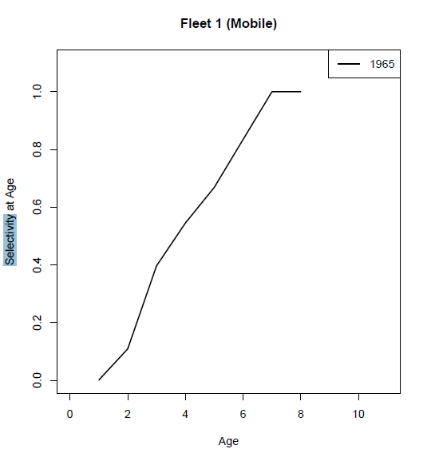
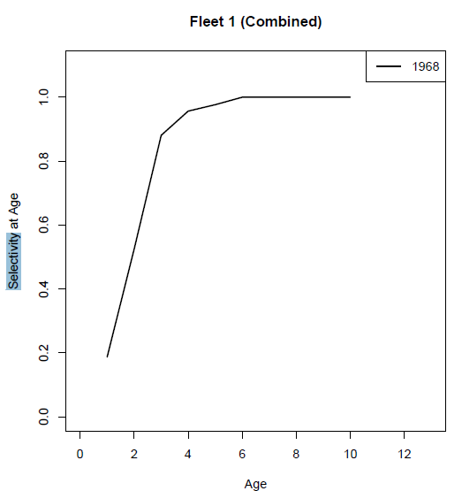
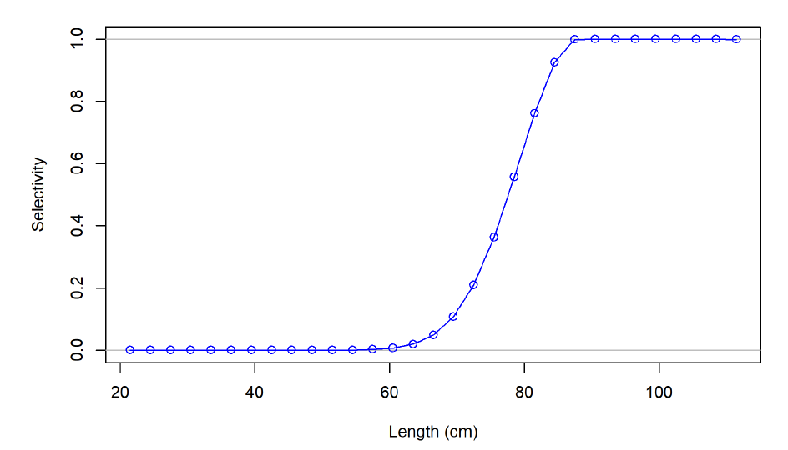

 |  |  |  |  |  |  |  | age | cod | from report |  |  |  |  |  |  |  |  |  |  |  | dogfish
 |  |  |  |  |  |  |  | 1 | 20.431063968 | 0 |  |  | 1 | 10.508783603 | 0 | 1 | 8.0610277969 | 0 |  |  | 50 | 0
 |  |  |  |  |  |  |  | 2 | 37.200475526 | 0.15 |  |  | 2 | 17.209479868 | 0.1 | 2 | 14.621358847 | 0.2 |  |  | 55 | 0
 |  |  |  |  |  |  |  | 3 | 50.964475502 | 0.45 |  |  | 3 | 21.482032441 | 0.4 | 3 | 19.960373247 | 0.7 |  |  | 60 | 0
 |  |  |  |  |  |  |  | 4 | 62.261693338 | 0.75 |  |  | 4 | 24.206332242 | 0.6 | 4 | 24.30543976 | 0.9 |  |  | 65 | 0.05
 |  |  |  |  |  |  |  | 5 | 71.534225382 | 1 |  |  | 5 | 25.943422488 | 0.7 | 5 | 27.841598607 | 1 |  |  | 70 | 0.1
 |  |  |  |  |  |  |  | 6 | 79.144935537 | 1 |  |  | 6 | 27.051040131 | 0.8 | 6 | 30.71944164 | 1 |  |  | 75 | 0.3
 |  |  |  |  |  |  |  | 7 | 85.391655289 | 1 |  |  | 7 | 27.757288321 | 1 | 7 | 33.061525489 | 1 |  |  | 80 | 0.6
 |  |  |  |  |  |  |  | 8 | 90.518838805 | 1 |  |  | 8 | 28.207612049 | 1 | 8 | 34.967590792 | 1 |  |  | 85 | 0.8
 |  |  |  |  |  |  |  | 9 | 94.727129212 | 1 |  |  | 9 | 28.494751135 | 1 | 9 | 36.518809781 | 1 |  |  | 90 | 1
 |  |  |  |  |  |  |  | 10 | 98.181210404 | 1 |  |  | 10 | 28.6778391 | 1 | 10 | 37.781243104 | 1 |  |  | 95 | 1
 |  |  |  |  |  |  |  | 11 | 101.01625165 | 1 |  |  | 11 | 28.794581141 | 1 | 11 | 38.808653098 | 1 |  |  | 100 | 1

Demersals
Pelagics
 |  |  |  |  |  |  |  |  |  |  |  |  |  |  |  |  |  |  |  | 60 | 20
 |  |  |  |  |  |  |  |  |  |  |  |  |  |  |  |  |  |  |  | 25 | 8
 |  |  |  |  |  |  |  |  |  |  |  |  |  |  |  |  |  |  |  | 4.0943445622 | 2.9957322736
 |  |  |  |  |  |  |  |  |  |  |  |  |  |  |  |  |  |  |  | 3.2188758249 | 2.0794415417
 |  |  |  |  |  |  |  |  |  |  |  |  |  |  |  |  |  |  | 2 | 0.0010785070873 | 0.0013250386894
 |  |  |  |  |  |  |  |  |  |  |  |  |  |  |  |  |  |  | 4 | 0.0013645796795 | 0.0027624309392
 |  |  |  |  |  |  |  |  |  |  |  |  |  |  |  |  |  |  | 6 | 0.0017264015106 | 0.0057501178601
 |  |  |  |  |  |  |  |  |  |  |  |  |  |  |  |  |  |  | 8 | 0.0021839515258 | 0.011930457849
 |  |  |  |  |  |  |  |  |  |  |  |  |  |  |  |  |  |  | 10 | 0.0027624309392 | 0.024589264027
 |  |  |  |  |  |  |  |  |  |  |  |  |  |  |  |  |  |  | 12 | 0.0034935999962 | 0.05
 |  |  |  |  |  |  |  |  |  |  |  |  |  |  |  |  |  |  | 14 | 0.0044174399508 | 0.099005010697
 |  |  |  |  |  |  |  |  |  |  |  |  |  |  |  |  |  |  | 16 | 0.0055842091307 | 0.18660549686
 |  |  |  |  |  |  |  |  |  |  |  |  |  |  |  |  |  |  | 18 | 0.0070569701744 | 0.32385542055
 |  |  |  |  |  |  |  |  |  |  |  |  |  |  |  |  |  |  | 20 | 0.0089146703051 | 0.5
 |  |  |  |  |  |  |  |  |  |  |  |  |  |  |  |  |  |  | 22 | 0.011255854014 | 0.67614457945
 |  |  |  |  |  |  |  |  |  |  |  |  |  |  |  |  |  |  | 24 | 0.014203071563 | 0.81339450314
 |  |  |  |  |  |  |  |  |  |  |  |  |  |  |  |  |  |  | 26 | 0.017908007708 | 0.9009949893
 |  |  |  |  |  |  |  |  |  |  |  |  |  |  |  |  |  |  | 28 | 0.022557278817 | 0.95
 |  |  |  |  |  |  |  |  |  |  |  |  |  |  |  |  |  |  | 30 | 0.028378713255 | 0.97541073597
 |  |  |  |  |  |  |  |  |  |  |  |  |  |  |  |  |  |  | 32 | 0.035647713715 | 0.98806954215
 |  |  |  |  |  |  |  |  |  |  |  |  |  |  |  |  |  |  | 34 | 0.044692971251 | 0.99424988214
 |  |  |  |  |  |  |  |  |  |  |  |  |  |  |  |  |  |  | 36 | 0.055900332093 | 0.99723756906
 |  |  |  |  |  |  |  |  |  |  |  |  |  |  |  |  |  |  | 38 | 0.069713001623 | 0.99867496131
 |  |  |  |  |  |  |  |  |  |  |  |  |  |  |  |  |  |  | 40 | 0.086625545088 | 0.99936490296
 |  |  |  |  |  |  |  |  |  |  |  |  |  |  |  |  |  |  | 42 | 0.107168447 | 0.99969570457
 |  |  |  |  |  |  |  |  |  |  |  |  |  |  |  |  |  |  | 44 | 0.13187960949 | 0.99985422741
 |  |  |  |  |  |  |  |  |  |  |  |  |  |  |  |  |  |  | 46 | 0.16125958992 | 0.99993017347
 |  |  |  |  |  |  |  |  |  |  |  |  |  |  |  |  |  |  | 48 | 0.19570924743 | 0.99996655372
 |  |  |  |  |  |  |  |  |  |  |  |  |  |  |  |  |  |  | 50 | 0.23545238646 | 0.99998397983
 |  |  |  |  |  |  |  |  |  |  |  |  |  |  |  |  |  |  | 52 | 0.28045203561 | 0.9999923267
 |  |  |  |  |  |  |  |  |  |  |  |  |  |  |  |  |  |  | 54 | 0.33033609308 | 0.99999632468
 |  |  |  |  |  |  |  |  |  |  |  |  |  |  |  |  |  |  | 56 | 0.38435349916 | 0.99999823961
 |  |  |  |  |  |  |  |  |  |  |  |  |  |  |  |  |  |  | 58 | 0.44138201095 | 0.99999915682
 |  |  |  |  |  |  |  |  |  |  |  |  |  |  |  |  |  |  | 60 | 0.5 | 0.99999959614
 |  |  |  |  |  |  |  |  |  |  |  |  |  |  |  |  |  |  | 62 | 0.55861798905 | 0.99999980656
 |  |  |  |  |  |  |  |  |  |  |  |  |  |  |  |  |  |  | 64 | 0.61564650084 | 0.99999990735
 |  |  |  |  |  |  |  |  |  |  |  |  |  |  |  |  |  |  | 66 | 0.66966390692 | 0.99999995562
 |  |  |  |  |  |  |  |  |  |  |  |  |  |  |  |  |  |  | 68 | 0.71954796439 | 0.99999997874
 |  |  |  |  |  |  |  |  |  |  |  |  |  |  |  |  |  |  | 70 | 0.76454761354 | 0.99999998982
 |  |  |  |  |  |  |  |  |  |  |  |  |  |  |  |  |  |  | 72 | 0.80429075257 | 0.99999999512
 |  |  |  |  |  |  |  |  |  |  |  |  |  |  |  |  |  |  | 74 | 0.83874041008 | 0.99999999766
 |  |  |  |  |  |  |  |  |  |  |  |  |  |  |  |  |  |  | 76 | 0.86812039051 | 0.99999999888
 |  |  |  |  |  |  |  |  |  |  |  |  |  |  |  |  |  |  | 78 | 0.892831553 | 0.99999999946
 |  |  |  |  |  |  |  |  |  |  |  |  |  |  |  |  |  |  | 80 | 0.91337445491 | 0.99999999974
 |  |  |  |  |  |  |  |  |  |  |  |  |  |  |  |  |  |  | 82 | 0.93028699838 | 0.99999999988
 |  |  |  |  |  |  |  |  |  |  |  |  |  |  |  |  |  |  | 84 | 0.94409966791 | 0.99999999994
 |  |  |  |  |  |  |  |  |  |  |  |  |  |  |  |  |  |  | 86 | 0.95530702875 | 0.99999999997
 |  |  |  |  |  |  |  |  |  |  |  |  |  |  |  |  |  |  | 88 | 0.96435228628 | 0.99999999999
 |  |  |  |  |  |  |  |  |  |  |  |  |  |  |  |  |  |  | 90 | 0.97162128675 | 0.99999999999
 |  |  |  |  |  |  |  |  |  |  |  |  |  |  |  |  |  |  | 92 | 0.97744272118 | 1
 |  |  |  |  |  |  |  |  |  |  |  |  |  |  |  |  |  |  | 94 | 0.98209199229 | 1
 |  |  |  |  |  |  |  |  |  |  |  |  |  |  |  |  |  |  | 96 | 0.98579692844 | 1
 |  |  |  |  |  |  |  |  |  |  |  |  |  |  |  |  |  |  | 98 | 0.98874414599 | 1
 |  |  |  |  |  |  |  |  |  |  |  |  |  |  |  |  |  |  | 100 | 0.99108532969 | 1

