survey
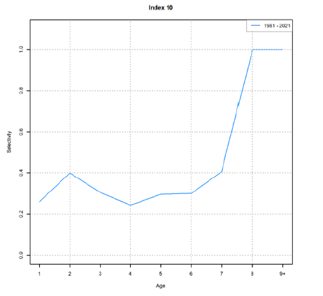
 |  |  | 1./(1.+mfexp(A*(lbinmidpt-mfexp(survey_selpars))/mfexp(survey_selpars)));

 |  |  |  | cod |  | herring |  | mackerel |  | dogfish
 | ln 19 | 2.9444389792 | -2.9444389792 | 29 | 0.044262874918 | 8 | 0.0037107822863 | 12 | 0.0059837410814 | 30 | 0.049627222011
 | c | 4 |  | 58 | 0.600679277 | 16 | 0.0096354862517 | 24 | 0.024784361973 | 60 | 0.65663626022
 | d | 3.2 |  | 87 | 0.97994325337 | 24 | 0.024784361973 | 36 | 0.096897367065 | 90 | 0.98592242466
 |  |  |  | 116 | 0.99937025266 | 32 | 0.062253135199 | 48 | 0.31175612982 | 120 | 0.99961026324
 |  |  |  | 145 | 0.99998059955 | 40 | 0.14778295452 | 60 | 0.65663626022 | 150 | 0.99998935387

cod
herring
mackerel
dogfish

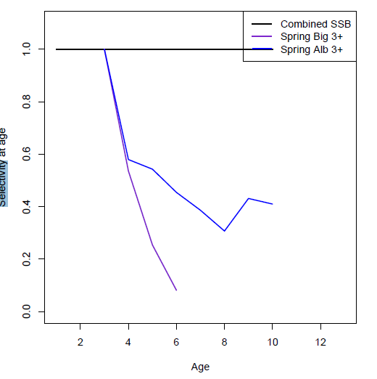
cod spring albatross |  |  |  | herring |  |  |  |  | mackerel |  |  | dogfish NEFSC spring
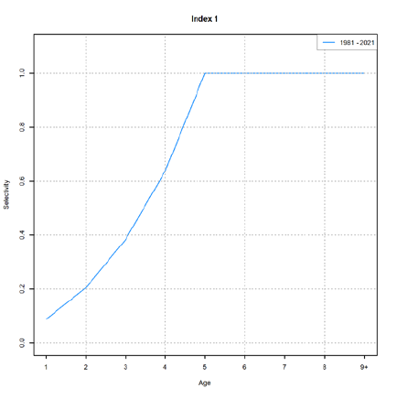
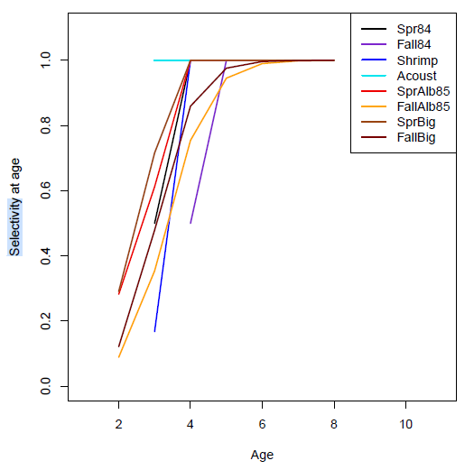
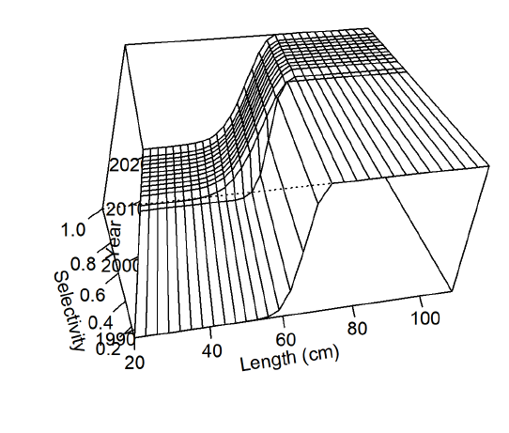

cod spring bigelow
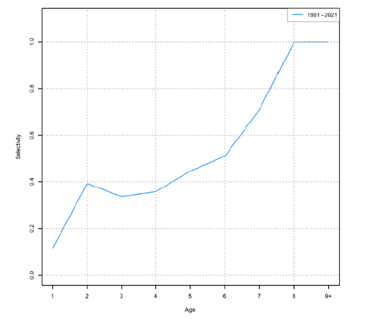

cod fall albatross
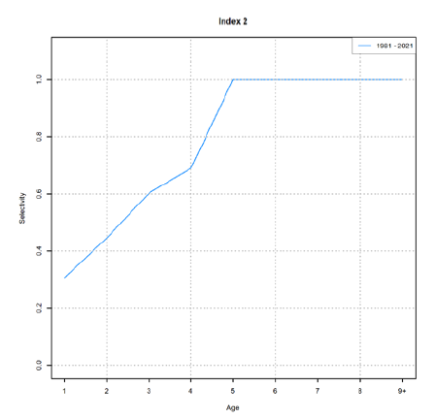

cod fall bigelow

fishery
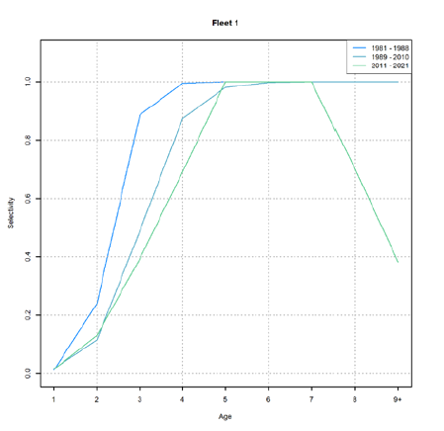
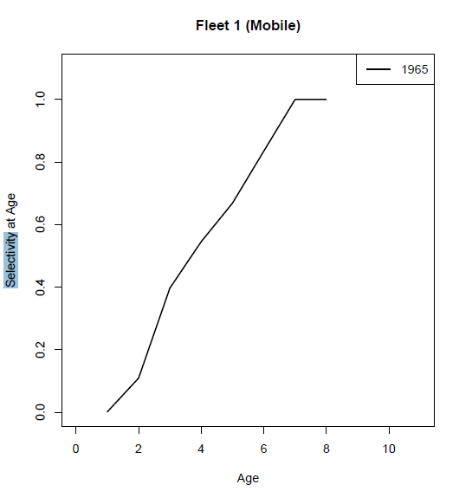
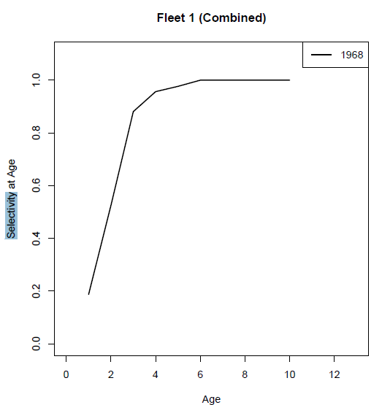
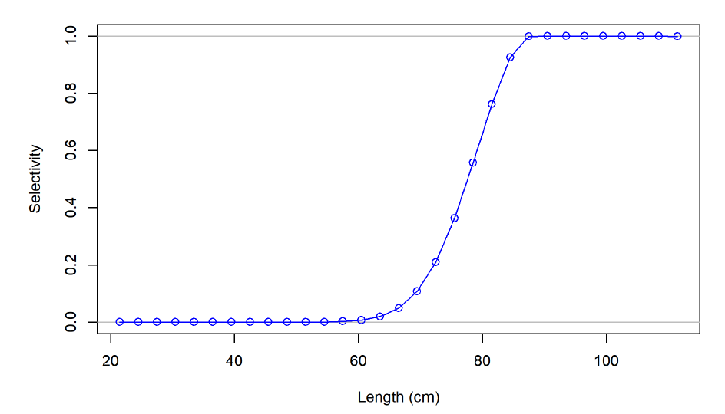
 |  |  |  |  |  |  |  |  | -1.386294361 | 0.2 | -1.6094379124
 | 1./(1.+mfexp(neglog19*(lbinmidpt(spp,isizebin)-fishsel_c(1,fleet))/fishsel_d(2,fleet)))

cod
herring
mackerel
dogfish
OM |  |  |  | length bin | cod | herring | mackerel | dogfish
 |  |  |  | 1 | 29 | 8 | 12 | 30
 |  |  |  | 2 | 58 | 16 | 24 | 60
 |  |  |  | 3 | 87 | 24 | 36 | 90
 |  |  |  | 4 | 116 | 32 | 48 | 120
 |  |  |  | 5 | 145 | 40 | 60 | 150

 |  |  |  | length bin | cod | herring | mackerel | dogfish
ln 19 | 2.9444389792 | -2.9444389792 |  | 1 | 0.047838827638 | 6.599963061E-07 | 2.2916303811E-05 | 0.054976616521
c | 3.9 | 3.18 |  | 2 | 0.7790877022 | 0.00079510010555 | 0.48963566155 | 0.82542555556
d | 3 | 1.2 |  | 3 | 0.99597666393 | 0.48963566155 | 0.99997510236 | 0.9974045521
 |  |  |  | 4 | 0.99994245392 | 0.9991362133 | 0.99999999941 | 0.99996798413
 |  |  |  | 5 | 0.99999918013 | 0.99999928294 | 1 | 0.99999960607

cod
herring
mackerel
dogfish
SS reports |  |  |  | length bin | cod | herring | mackerel | dogfish
 |  |  |  | 1 | 29 | 8 | 12 | 30
 |  |  |  | 2 | 58 | 16 | 24 | 60
 |  |  |  | 3 | 87 | 24 | 36 | 90
 |  |  |  | 4 | 116 | 32 | 48 | 120
 |  |  |  | 5 | 145 | 40 | 60 | 150

 |  |  | length bin | age bin | cod age | herring age | mackerel age | dogfish length
ln 19 | 2.9444389792 | -2.9444389792 | 20 | 1 | 0.015619698744 | 0.13988676618 | 0.25009691429 | 5.89530582E-07
 |  |  | 30 | 2 | 0.086464608867 | 0.22762708465 | 0.49627584062 | 8.5224014577E-06
 |  |  | 40 | 3 | 0.36084593903 | 0.34812599948 | 0.74427380308 | 0.0001231888158
 | c | d | 50 | 4 | 0.77104091141 | 0.49179702772 | 0.89580888352 | 0.0017779152388
cod | 1.2 | 0.5 | 60 | 5 | 0.9525782204 | 0.63683588463 | 0.96211937573 | 0.025101652159
herring | 1.4 | 1.6 | 70 | 6 | 0.9917231632 | 0.76062864465 | 0.98684741807 | 0.27125495583
mackerel | 0.7 | 1 | 80 | 7 | 0.99860278435 | 0.85202860203 | 0.99550862957 | 0.84328419458
dogfish | 4.3 | 2.4 | 90 | 8 | 0.99976548774 | 0.91254181183 | 0.99847509102 | 0.98730793258
 |  |  | 100 | 9 | 0.99996067696 |  | 0.99948328025 | 0.99911154665
 |  |  | 110 | 10 | 0.99999340738 |  | 0.99982502485 | 0.99993849154
 |  |  | 120 |  |  |  |  | 0.99999574499 |  | cod |  | herring | mackerel | dogfish

