Sheet1
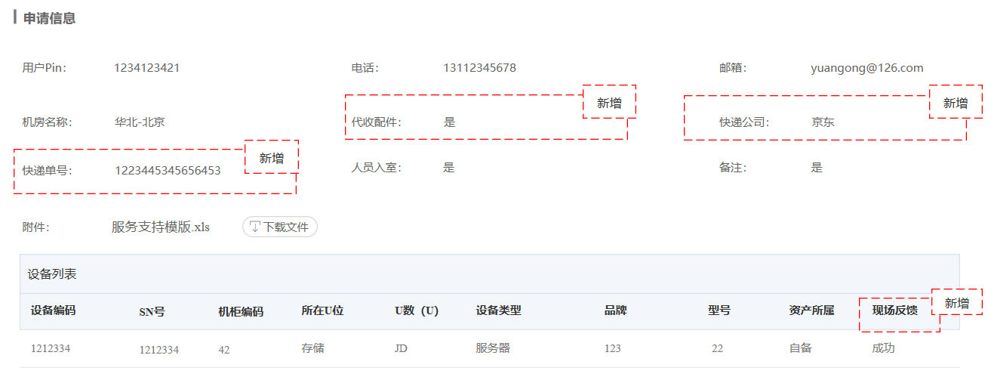
代收配件 | Agency Collection of Accessories
快递公司 | Express Company
快递单号 | Courier Number
现场反馈 | Field Feedback
请选择代收配件 | Please select Agency Collection of Accessories
请选择人员是否入室 | Please select whether or not to enter the room

请提交 | Please submit
请描述清楚要查看的设备信息 | Please make a clear description on the device information to be viewed
请描述清楚指定的端口信息 | Please make a clear description on the port information specified
请描述清楚外设信息 | Please make a clear description on the external device information | 外设有歧义，请确认是否指外部设备。
请为设备指定IP地址、网关地址、子网掩码、DNS地址等网络配置信息，如果有多个设备，可通过附件形式添加。 | Please specify network configuration information such as IP address, gateway address, subnet mask, and DNS address. If there are two devices or more, you can add by attachment.
请描述具体服务内容 | Please make a clear description on the service content
内容 | Content
请输入电话 | Please enter the phone number
请输入邮箱 | Please enter your Email address
上传文件只能是 xls, xlsx, doc, docx, jpg 格式! | The files uploaded can only be in xls, xlsx, doc, docx and jpg formats!
请输入条件搜索 | Please enter the condition to search
已选择{0}个设备 | {0} device(s) has/have been selected
请填写{0} | Please fill in {0}

