Скриншоты
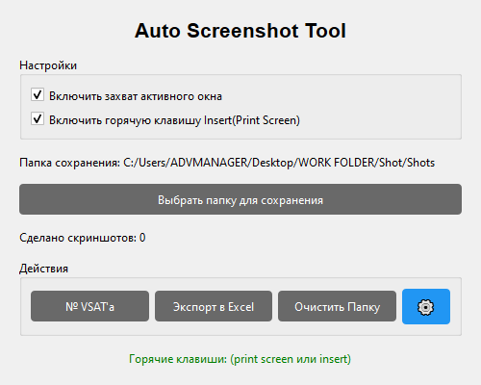
screenshot_0000.png | 2025-10-22 11:11:55

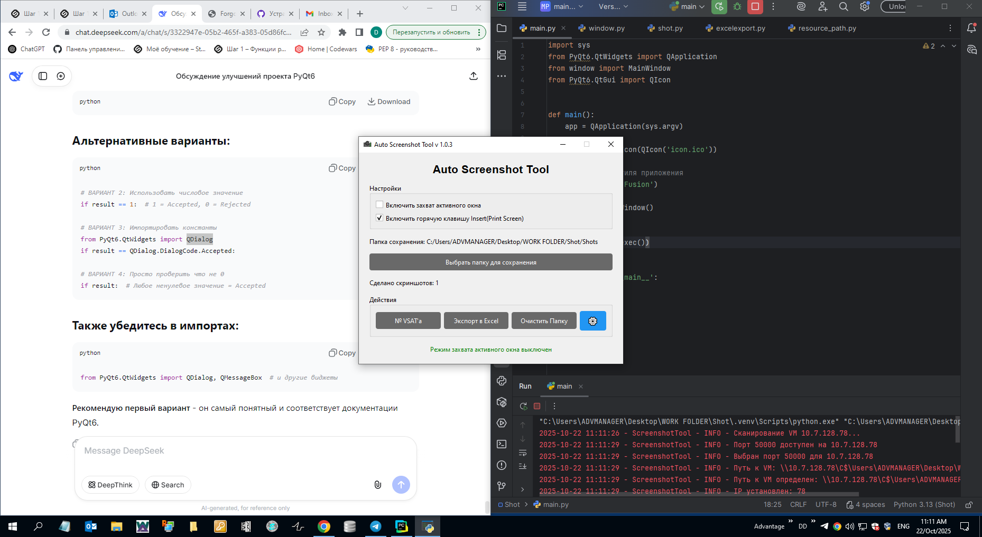
screenshot_0001.png | 2025-10-22 11:11:57


screenshot_0002.png | 2025-10-22 11:11:59

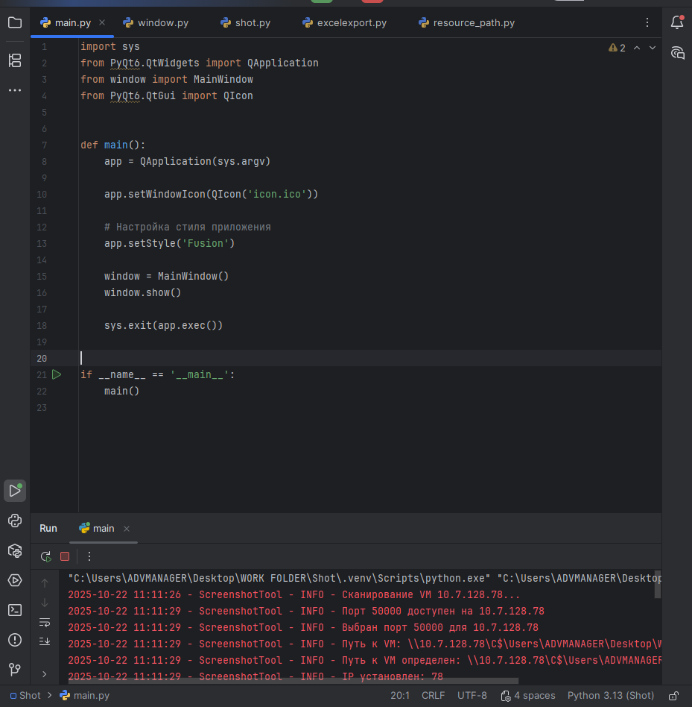
screenshot_0003.png | 2025-10-22 11:12:02

