Extra
TAMS 3 EXPLANATORY NOTES |  |  |  | https://assets.gov.ie/static/documents/tams-3-explanatory-notes-on-costings-rev7.pdf |  | Slurry Storage: The Role of TAMS | Tirlán FarmLife | Number of Irish farms without covered slurry storage down by 36pc since 2010 | Irish Independent

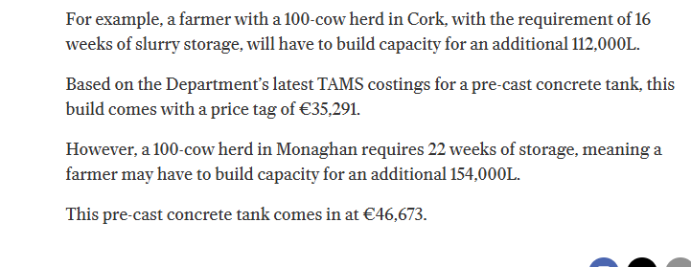
Geomembrane lined slurry + COVER
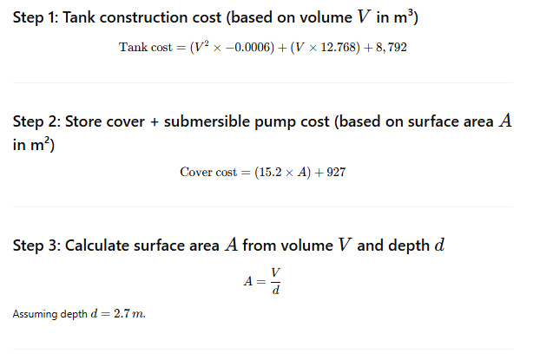

 |  |  |  |  | Now, calculate example costs for 100 cows, 22 weeks storage, slurry generation rate 0.41 m³/cow/week:
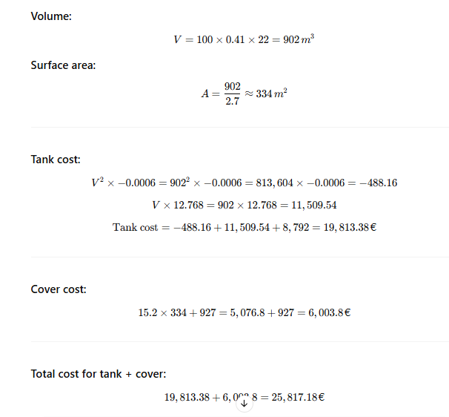

 | COST PER COW |  | 258.17

 | Weeks OF STORAGE | Cost per cow (€)
 | 16 | 215.29
 | 18 | 229.63
 | 20 | 244.05
 | 22 | 258.17
 |  | 236.785

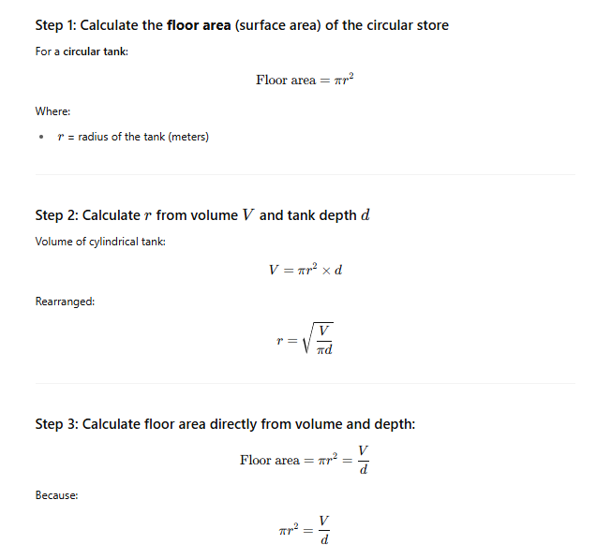
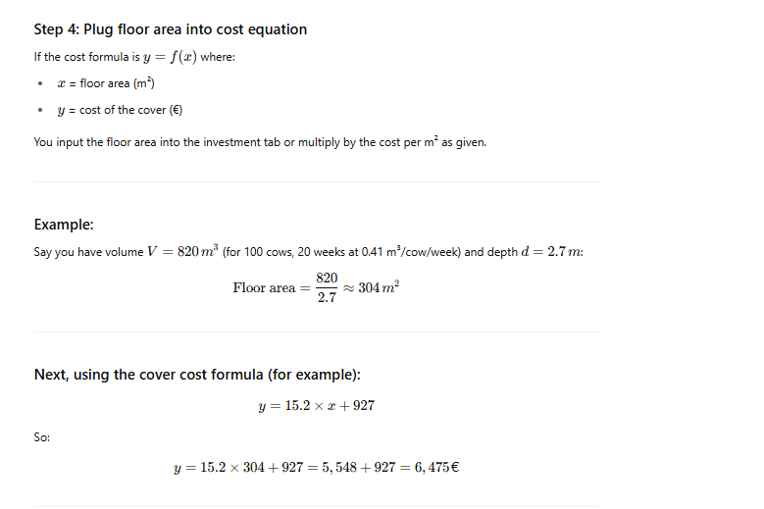
Only cover
 |  |  |  |  |  |  | Storage Weeks | Cover Cost (€) | Cost per Cow (€)
 |  |  |  |  |  |  | 16 | 4,621 | 46.21
 |  |  |  |  |  |  | 18 | 5,077 | 50.77
 |  |  |  |  |  |  | 20 | 6,475 | 64.75
 |  |  |  |  |  |  | 22 | 6,004 | 60.04
 |  |  |  |  |  |  |  |  | 55.4425

Extra_2
 |  |  |  |  |  |  |  | Cost
Method |  | Mitigation Potential |  | Source |  |  | Species | Acidification | Manure Storage Covers | Daily/Weekly Manure Removal
 |  | CH₄ | N₂O |  |  |  | Asses | 0 | 0 | 100
Daily/Weekly Manure Removal | DWR | 0.55 | 0.41 | Mohankumar Sajeev, Winiwarter & Amon (2018) |  |  | Buffalo | 350 | 19.529 | 100
Anaerobic Digestion | ANDIG | 0.29 | 0.23 | Mohankumar Sajeev, Winiwarter & Amon (2018) |  |  | Camels | 0 | 0 | 100
Acidification | ACD | 0.74 | 0.17 | Mukherji et al. (2023) |  |  | Cattle, dairy | 350 | 19.529 | 100
Manure Storage Covers | MSC | 0.12 | -5 | Mohankumar Sajeev, Winiwarter & Amon (2018) |  |  | Cattle, non-dairy | 350 | 19.529 | 100
 |  |  |  |  |  |  | Goats | 0 | 0 | 100
 |  |  |  |  |  |  | Horses | 417 | 15.408 | 100
 | Gas | CO2_eq Potential |  |  |  |  | Llamas | 0 | 0 | 100
 | CH4 | 28 |  |  |  |  | Mules and hinnies | 0 | 0 | 100
 | N2O | 265 | CONSISTENT WITH NIR |  |  |  | Sheep | 417 | 15.408 | 100
 |  |  |  |  |  |  | Swine, breeding | 483 | 11.288 | 100
 |  |  |  |  |  |  | Swine, market | 483 | 11.288 | 100
 |  |  |  |  |  |  | Poultry | 417 | 15.408 | 100

Tech Description | Tech Name | Mitigation Potential |  | Cost [DKK/KtCO2_eq] | Source
 |  | CH₄ | N₂O
Acidification | ACD | 55% | 41% | 350 | Mohankumar Sajeev, Winiwarter & Amon (2018)
Daily/Weekly Manure Removal | DWR | 74% | 17% | 19.529 | Mukherji et al. (2023)
Manure Storage Covers | MSC | 12% | -500% | 100 | Mohankumar Sajeev, Winiwarter & Amon (2018)

 | Technology Combination | CH₄ | N₂O | Combined Reduction (%)=1−(1−R1​)×(1−R2​)
 | ACD | 0.550 | 0.410 | This method is standard in IPCC guidelines and life cycle assessments when combining mitigation actions
 | DWR | 0.740 | 0.170

 | MSC | 0.120 | 0.0000
 | ACD_DWR | 0.883 | 0.510
 | DWR_MSC | 0.771 | 0.170
 | MSC_ACD | 0.947 | 0.410
 | ACD_DWR_MSC | 0.897 | 0.510

 | Species | Cost (DKK/Ktco2EQ)
 |  | Acidification | Manure Storage Covers | Daily/Weekly Manure Removal | ACD_DWR | DWR_MSC | MSC_ACD | ACD_DWR_MSC
 | Cattle, dairy | 350 | 971 | 100 | 225 | 535.5 | 660.5 | 473.666667
 | Cattle, non-dairy | 350 | 971 | 100 | 225 | 535.5 | 660.5 | 473.666667
 | Swine, breeding | 483 | 44 | 100 | 291.5 | 72 | 263.5 | 209.000000
 | Swine, market | 483 | 44 | 100 | 291.5 | 72 | 263.5 | 209.000000
 | Poultry | 417 | 507 | 100 | 258.5 | 303.5 | 462 | 341.333333

 | Converting cost to MEUR / KTCO2EQ

 | Species | Cost (MEUR/Ktco2EQ)
 |  | Acidification | Manure Storage Covers | Daily/Weekly Manure Removal | ACD_DWR | DWR_MSC | MSC_ACD | ACD_DWR_MSC
 | Cattle, dairy | 4.6979865772E-05 | 0.00013033557047 | 1.3422818792E-05 | 3.0201342282E-05 | 7.1879194631E-05 | 8.8657718121E-05 | 6.3579418345E-05
 | Cattle, non-dairy | 4.6979865772E-05 | 0.00013033557047 | 1.3422818792E-05 | 3.0201342282E-05 | 7.1879194631E-05 | 8.8657718121E-05 | 6.3579418345E-05
 | Swine, breeding | 6.4832214765E-05 | 5.9060402685E-06 | 1.3422818792E-05 | 3.9127516779E-05 | 9.6644295302E-06 | 3.5369127517E-05 | 2.8053691275E-05
 | Swine, market | 6.4832214765E-05 | 5.9060402685E-06 | 1.3422818792E-05 | 3.9127516779E-05 | 9.6644295302E-06 | 3.5369127517E-05 | 2.8053691275E-05
 | Poultry | 5.5973154362E-05 | 6.8053691275E-05 | 1.3422818792E-05 | 3.4697986577E-05 | 4.0738255034E-05 | 6.2013422819E-05 | 4.581655481E-05

Animal stock 1000 head | 2020
Dairy Cows | 1511.85
All Other Cattle | 5713.062
Total Sheep | 5310.996383
Total Pigs | 1630.6
Total Poultry | 19300.065867
Horses | 88.3
Mules | 10
Goats | 8.8
Farmed Deer | 1.2
Mink | 73.640522876
Fox | 0

