Manure to energy
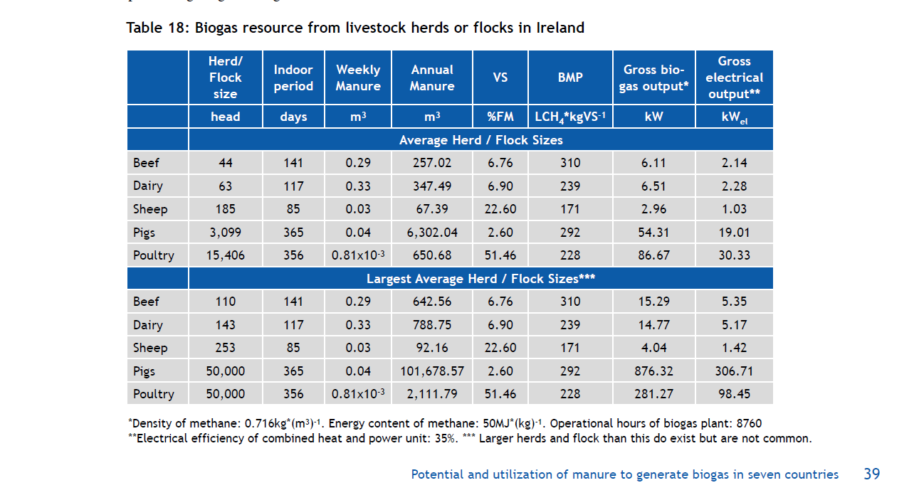

 |  |  |  |  |  |  | Total manure in tonnes | Gross energy output in GJ | Energy per tonne manure | CRT 2025

 |  |  |  |  |  |  |  |  |  | Cattle | 2018
 |  |  |  |  |  |  |  |  |  | Number of days housed
 |  |  |  |  |  |  |  |  |  | Dairy Cows | 124
 |  |  |  |  |  | Beef | 257.02 | 192.68496 | 0.74968858455 | Suckler Cows | 151
 |  |  |  |  |  | Dairy | 347.49 | 205.29936 | 0.59080652681 | Dairy Heifer | 151
 |  |  |  |  |  | Sheep | 67.39 | 91.4544 | 1.3570915566 | Other Heifer | 151
 |  |  |  |  |  | Pigs | 6302.4 | 1712.72016 | 0.27175681645 | Under 1yr-male | 148
 |  |  |  |  |  | Poultry | 650.68 | 2733.22512 | 4.2005672835 | Under 1yr-female | 148
 |  |  |  |  |  |  |  |  |  | One to 2yrs-male | 147
 |  |  |  |  |  |  |  |  |  | One to 2yrs-female | 151
 |  |  |  |  |  |  |  |  |  | Over 2yrs-male | 152
 |  |  |  |  |  | Beef | 642.56 | 482.18544 | 0.75041309761 | Over 2yrs-female | 145
 |  |  |  |  |  | Dairy | 788.75 | 465.78672 | 0.59053783835 | Bulls | 155
 |  |  |  |  |  | Sheep | 92.16 | 127.40544 | 1.3824375
 |  |  |  |  |  | Pigs | 101678.57 | 27635.62752 | 0.27179402228 | Pigs
 |  |  |  |  |  | Poultry | 2111.79 | 8870.13072 | 4.2002901425 | Gilts in pig | 365
 |  |  |  |  |  |  |  |  |  | Gilts not yet served | 365
 |  |  |  |  |  |  |  |  |  | Sows in pig | 365
 |  |  |  |  |  |  |  |  |  | Other sows for breeding | 365
 |  |  |  |  |  |  |  |  |  | Boars | 365
 |  |  |  |  |  |  |  |  |  | Pigs > 20 kg | 365
 |  |  |  |  |  |  |  |  |  | Pigs < 20 kg | 365
 |  |  |  |  |  |  |  |  |  | Poultry
 |  |  |  |  |  |  |  |  |  | Laying hens | 365
 |  |  |  |  |  |  |  |  |  | Broilers | 365
AD for cattle, pigs and poultry |  |  |  |  |  |  |  |  |  | Turkeys | 365
 |  |  |  |  |  |  |  |  |  | Ducks | 365
Livestock | Weekly manure | Housing period (days) | Housing in weeks | Annual manure (m3) per head | tonnne per head |  |  |  |  | Geese | 365
Dairy | 0.29 | 124 | 17.714285714 | 5.1371428571 | 5.1371428571 |  |  |  |  | Animal Category | Days housed
Non dairy | 0.33 | 151 | 21.571428571 | 7.1185714286 | 7.1185714286
pig | 0.04 | 365 | 52.142857143 | 2.0857142857 | 2.0857142857 |  |  |  |  | Sheep
poultry | 0.00081 | 365 | 52.142857143 | 0.042235714286 | 0.042235714286 |  |  |  |  | Lowland Ewes | 84
Sheep | 0.03 | 85 | 12.142857143 | 0.36428571429 | 0.36428571429 |  |  |  |  | Upland Ewes | 85
 |  |  |  |  |  |  |  |  |  | Lowland Rams | 56
 |  |  |  |  |  |  |  |  |  | Upland Rams | 56
 |  |  |  |  |  |  |  |  |  | Lowland Other Sheep>1yrs | 67
 |  |  |  |  |  |  |  |  |  | Upland Other Sheep>1yrs | 67
 |  |  |  |  |  |  |  |  |  | Lowland lambs | 28
 |  |  |  |  |  |  |  |  |  | Upland lambs | 28

