Cover
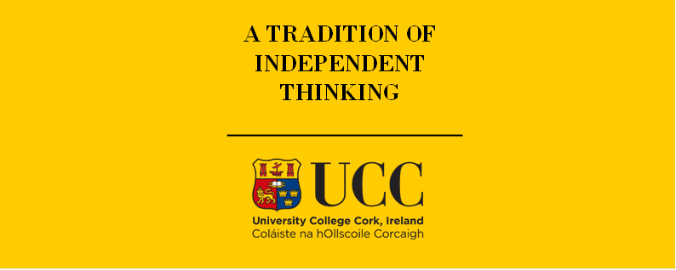

TIMLEAF Model

Document type: | CCUS Technologies
Sector(s): | Cross-sector
Purpose: | Specify CCUS technologies

Original developer(s): | Andrew Smith (UCC, asmith@ucc.ie)
 | Hannah Daly (UCC, h.daly@ucc.ie)
 | Olexandr Balyk (UCC, olexandr.balyk@ucc.ie)
Current maintainer(s): | Weipeng Xie (UCC, weipeng.xie@ucc.ie)
 | *This file is a simple version of DAC representation by Neha Jaggeshar (Neha.Jaggeshar@ucc.ie)

Part of TIM version: | 1.0
Model repository: | https://github.com/MaREI-EPMG/TIMES-Ireland-model
Licence: | CC BY-NC-SA 4.0 (unless specified otherwise)
 | https://creativecommons.org/licenses/by-nc-sa/4.0/

