Cover


TIMES-Ireland Model

Document type: | Scenario
Sector(s): | All
Purpose: | Specify a carbon budget for TIMLEAF MAC analysis

Original developer(s): | Neha Jaggeshar (UCC, Neha.Jaggeshar@ucc.ie)

Current maintainer(s): | Neha Jaggeshar (UCC, Neha.Jaggeshar@ucc.ie)

Part of TIM version:
Model repository:
Licence:

config
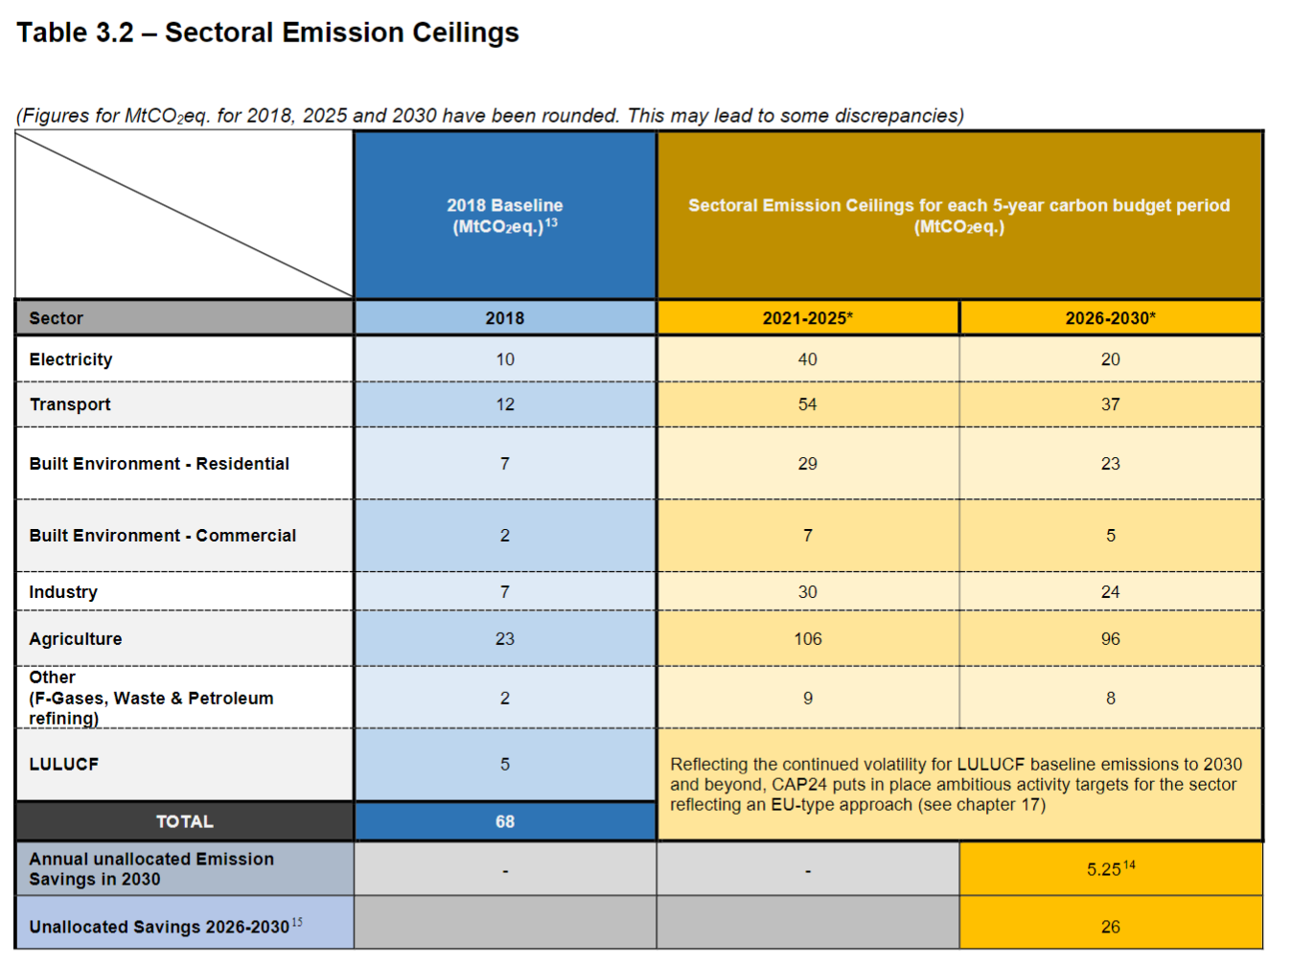
UC_N | UC_CB_1150_Mt_2021-2050 | UC_CB_476_Mt_2021-2030 | UC_CB_674_Mt_2031-2050 | UC_CB_0_Mt_2051-2100
UC_desc | Carbon budget 1150 Mt 2021-2050 | Carbon budget 476 Mt 2021-2030 | Carbon budget 674 Mt 2031-2050 | Carbon budget 0 Mt 2051-2100
Year | 2021-2050 | 2021-2030 | 2031-2050 | 2051-2100
Value | 1150 | 476 | 674 | 0
Pset_PN | T-A*INT*,T-NAV* | T-A*INT*,T-NAV* | T-A*INT*,T-NAV* | T-A*INT*,T-NAV*
Cset_CN | TOTGHG | TOTGHG | TOTGHG | TOTGHG
Cset_Set | ENV | ENV | ENV | ENV
Other_indexes | NET | NET | NET | NET
LimType | UP | UP | UP | UP
UC_CUMFLO | -1 | -1 | -1 | -1
UC_CUMCOM | 1 | 1 | 1 | 1

 | Ireland's CB (million tonne) | 1150

 | Original values
 | Year | 2021-2025 | 2026-2030 | 2031-2050 | 2051-2100
 | Value | 271.2 | 205 | 673.8 | 0

 | Reference: Climate Action Plan 2024

