Cover
TIMLEAF Model
Document type: Base year template
Sector(s): Forest sector (FOR)
Purpose: Define roundwood harvesting for biomass
Original developer(s): Neha Jaggeshar (UCC, Neha.Jaggeshar@ucc.ie)
Current maintainer(s): Neha Jaggeshar (UCC, Neha.Jaggeshar@ucc.ie)
Part of TIMLEAF version: 1.0
Model repository:

Raw data
 | Forest Statistics 2025 |  |  |  |  |  |  |  |  |  |  |  |  |  |  | Forest Stock | 778900 | Hectares

Forecast of net realisable volume (000 m3 overbark) |  |  |  |  |  | Forecast Harvest Area |  |  |  |  |  |  |  |  |  | Based on harvested area, assumption on how forest area will change, given no afforestation undertaken
 |  |  |  | Gross Volume |  |  | Private sector |  | Coillte |  | DAERA FS |  | Tota; |  | Total harvest area | Remaining stock
 | Year | Total ROI |  |  |  | Year | Thin | Clearfell | Thin | Clearfell | Thin | Clearfell | Thin | Clearfell |  |  | in Mha
 | 2021 | 4224 |  | 4589 |  | 2021 | 9079 | 3245 | 16448 | 5863 | 1322 | 901 | 26849 | 10009 | 36858 | 742042 | 0.742 | 0.036182588048 | 0.013488454831
 | 2022 | 4499 |  | 4906 |  | 2022 | 11124 | 3539 | 16448 | 5863 | 1322 | 901 | 28894 | 10303 | 39197 | 739703 | 0.74 | 0.039061623381 | 0.013928563221
 | 2023 | 5142 |  | 5602 |  | 2023 | 12577 | 4914 | 16448 | 5863 | 1322 | 901 | 30347 | 11678 | 42025 | 736875 | 0.737 | 0.041183375742 | 0.015848006785
 | 2024 | 4165 |  | 5623 |  | 2024 | 12043 | 4652 | 16448 | 5863 | 1322 | 901 | 29813 | 11416 | 41229 | 737671 | 0.738 | 0.040415035971 | 0.015475733762
 | 2025 | 5229 |  | 5699 |  | 2025 | 13100 | 5105 | 16448 | 5863 | 1322 | 901 | 30870 | 11869 | 42739 | 736161 | 0.736 | 0.041933761772 | 0.016122831826
 | 2026 | 5309 |  | 5768 |  | 2026 | 19022 | 5476 | 15125 | 5,863 | 1333 | 1003 | 35480 | 12342 | 47822 | 731078 | 0.731 | 0.048531073292 | 0.016881919576
 | 2027 | 5482 |  | 5976 |  | 2027 | 16030 | 6081 | 15125 | 5,863 | 1333 | 1003 | 32488 | 12947 | 45435 | 733465 | 0.733 | 0.04429386542 | 0.017651830694
 | 2028 | 5484 |  | 5987 |  | 2028 | 15739 | 6308 | 15125 | 5,863 | 1333 | 1003 | 32197 | 13174 | 45371 | 733529 | 0.734 | 0.043893288473 | 0.017959753466
 | 2029 | 5716 |  | 6237 |  | 2029 | 15955 | 7006 | 15125 | 5,863 | 1333 | 1003 | 32413 | 13872 | 46285 | 732615 | 0.733 | 0.04424288337 | 0.018934911243
 | 2030 | 6059 |  | 6605 |  | 2030 | 17858 | 7787 | 15125 | 5,863 | 1333 | 1003 | 34316 | 14653 | 48969 | 729931 | 0.73 | 0.047012662841 | 0.020074500192
 | 2031 | 6456 |  | 7006 |  | 2031 | 17438 | 8995 | 14634 | 5,863 | 1189 | 1429 | 33261 | 16287 | 49548 | 729352 | 0.729 | 0.045603494609 | 0.022330781296
 | 2032 | 6759 |  | 7356 |  | 2032 | 15424 | 10494 | 14634 | 5,863 | 1189 | 1429 | 31247 | 17786 | 49033 | 729867 | 0.73 | 0.042811909567 | 0.024368823361
 | 2033 | 6668 |  | 7252 |  | 2033 | 15261 | 9620 | 14634 | 5,863 | 1189 | 1429 | 31084 | 16912 | 47996 | 730904 | 0.731 | 0.042528156913 | 0.023138469621
 | 2034 | 6680 |  | 7273 |  | 2034 | 15474 | 10328 | 14634 | 5,863 | 1189 | 1429 | 31297 | 17620 | 48917 | 729983 | 0.73 | 0.042873601166 | 0.024137548409
 | 2035 | 7145 |  | 7775 |  | 2035 | 14957 | 10986 | 14634 | 5,863 | 1189 | 1429 | 30780 | 18278 | 49058 | 729842 | 0.73 | 0.042173511527 | 0.025043776598
 | 2036 | 6880 |  | 7489 |  | 2036 | 14436 | 10378 | 10325 | 5942 | 1120 | 1276 | 25881 | 17596 | 43477 | 735423 | 0.735 | 0.035191991548 | 0.023926366187
 | 2037 | 6880 |  | 7483 |  | 2037 | 12843 | 10000 | 10325 | 5942 | 1120 | 1276 | 24288 | 17218 | 41506 | 737394 | 0.737 | 0.03293761544 | 0.023349796717
 | 2038 | 6880 |  | 7448 |  | 2038 | 11675 | 7508 | 10325 | 5942 | 1120 | 1276 | 23120 | 14726 | 37846 | 741054 | 0.741 | 0.031198806025 | 0.01987169626
 | 2039 | 6880 |  | 7442 |  | 2039 | 12663 | 6958 | 10325 | 5942 | 1120 | 1276 | 24108 | 14176 | 38284 | 740616 | 0.741 | 0.032551281636 | 0.019140823315
 | 2040 | 6880 |  | 7419 |  | 2040 | 14341 | 6497 | 10325 | 5942 | 1120 | 1276 | 25786 | 13715 | 39501 | 739399 | 0.739 | 0.034874269508 | 0.018548848457

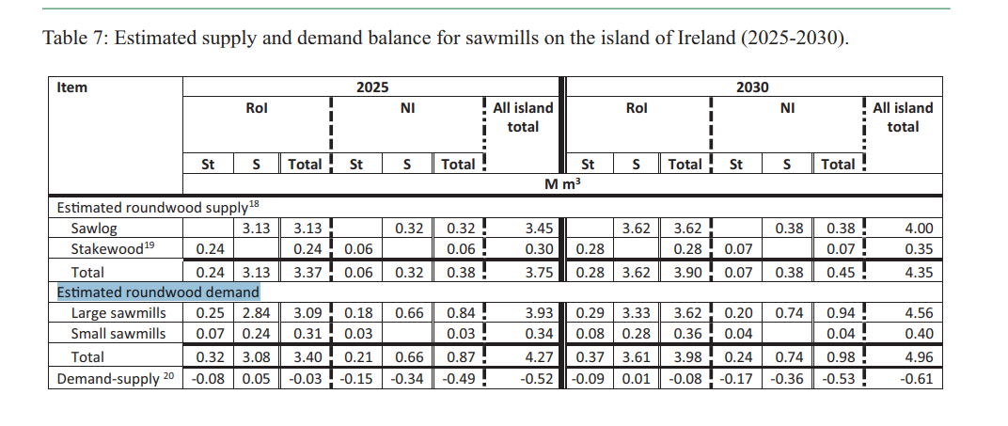
Forecast of wood fibre and potential for wood energy in ROI 000 m3
 | Year | Roundwood | Downgrade + wood residues | Harvesting residues | Total | Energy Content Millions (GJ)
 | 2021 | 184 | 589 | 113 | 886 | 6.1
 | 2022 | 258 | 708 | 93 | 1059 | 7.3
 | 2023 | 348 | 1005 | 112 | 1465 | 101.1
 | 2024 | 325 | 1002 | 86 | 1413 | 9.8
 | 2025 | 357 | 1013 | 95 | 1465 | 10.1
 | 2026 | 394 | 982 | 145 | 1521 | 10.5
 | 2027 | 396 | 1052 | 164 | 1612 | 11.1
 | 2028 | 363 | 1037 | 153 | 1553 | 10.7
 | 2029 | 405 | 1129 | 145 | 1679 | 11.6
 | 2030 | 467 | 1280 | 146 | 1893 | 13.1
 | 2031 | 505 | 1416 | 91 | 2012 | 13.9
 | 2032 | 591 | 1538 | 98 | 2227 | 15.4
 | 2033 | 496 | 1492 | 86 | 2074 | 14.3
 | 2034 | 593 | 1432 | 96 | 2121 | 14.6
 | 2035 | 528 | 1683 | 96 | 2307 | 15.9
 | 2036 | 394 | 1550 | 55 | 1999 | 13.8
 | 2037 | 371 | 1440 | 47 | 1858 | 13.5
 | 2038 | 327 | 1512 | 32 | 1871 | 12.9
 | 2039 | 310 | 1497 | 35 | 1842 | 12.7
 | 2040 | 301 | 1472 | 45 | 1818 | 12.5

