Calculations
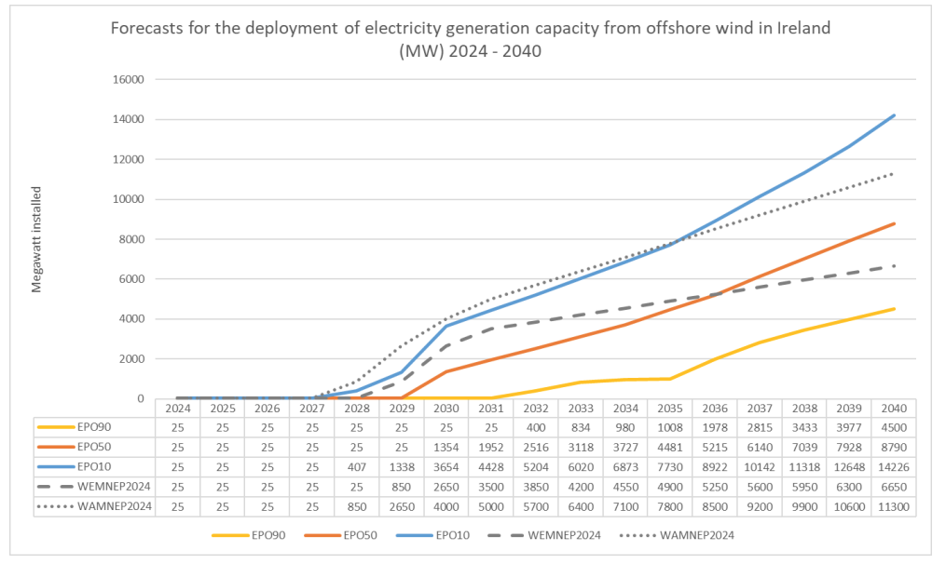
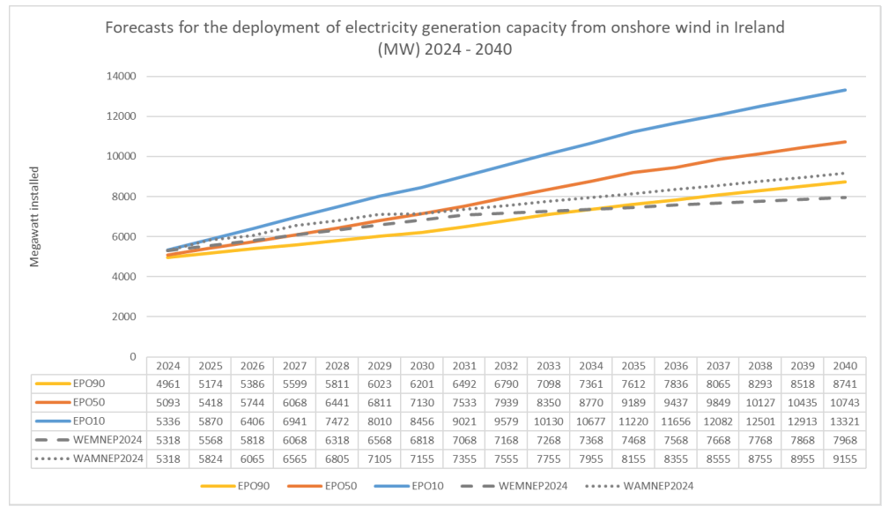
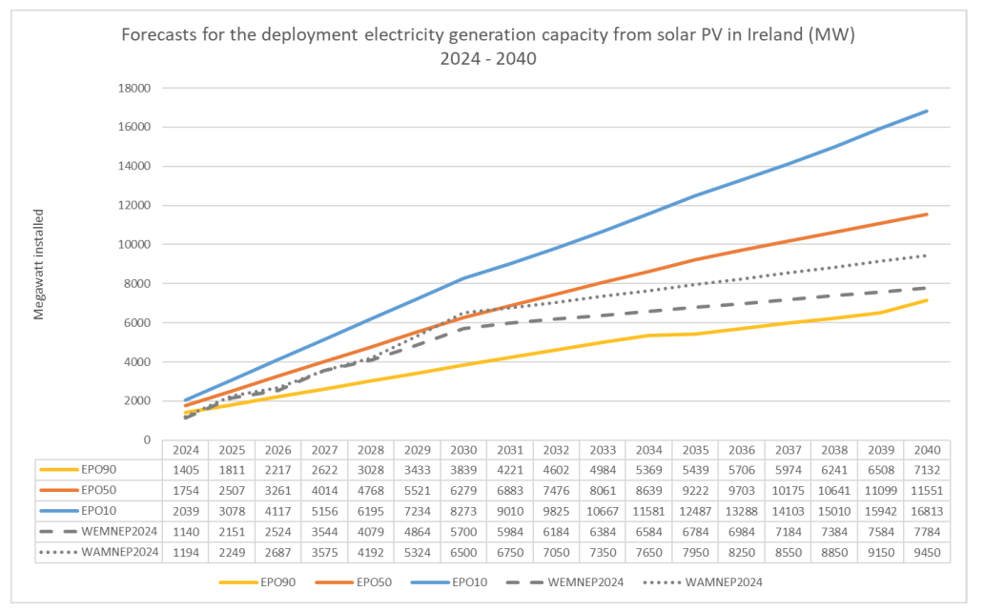
 |  | 1 | 2 | 3 | 4 | 5 | 6 | 7 | 8 | 9 | 10 | 11 | 12 | 13
WEM | Units | 2018 | 2019 | 2020 | 2021 | 2022 | 2023 | 2024 | 2025 | 2026 | 2027 | 2028 | 2029 | 2030 | 2031 | 2032 | 2033 | 2034 | 2035 | 2036 | 2037 | 2038 | 2039 | 2040 | 2041 | 2042 | 2043 | 2044 | 2045 | 2046 | 2047 | 2048 | 2049 | 2050
Retrofits | # Homes B2 (total) | 2566 | 4989 | 8264 | 12603 | 21079 | 38679 | 60496 | 86728 | 114601.4 | 146308.5 | 181849.3 | 221223.8 | 264432
 | (annual) | 811 | 2423 | 3275 | 4339 | 8476 | 17600 | 21817 | 26232 | 27873.4 | 31707.1 | 35540.8 | 39374.5 | 43208.2

 | elec gen renewables copied from 2025 SEAI dess rates of gen tech deployment report: https://www.seai.ie/sites/default/files/publications/dess-rates-of-generation-technology-deployment.pdf

