CSTSD
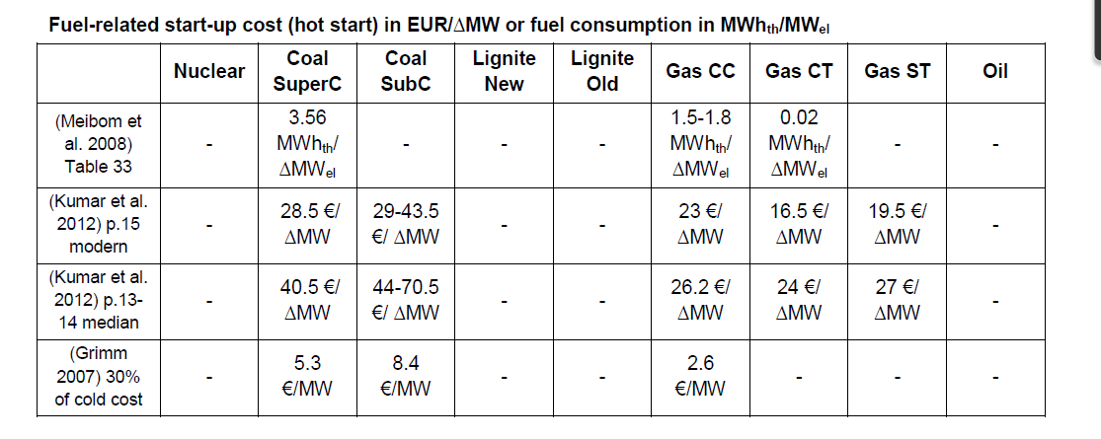
Start-up costs

 | ~TFM_INS
 | Pset_PN | Other_Indexes | Attribute | LimType | AllRegions
Gas CCGT | P*CCGT-GAS* | HOT | ACT_CSTSD | UP | 0.026 | 26
Gas OCGT | P*OCGT-GAS* | HOT | ACT_CSTSD | UP | 0.024 | 24
Gas ST | P*GAS*,-P*CCGT-GAS*,-P*OCGT-GAS* | HOT | ACT_CSTSD | UP | 0.024 | 24
Coal SC | P*SC-COA*,P*SC-PEA* | HOT | ACT_CSTSD | UP | 0.04 | 40
Coal Old | P*COA*,P*PEA*,-P*SC-COA*,-P*SC-PEA* | HOT | ACT_CSTSD | UP | 0.07 | 70
Oil | P*OIL*,P*HFP* | HOT | ACT_CSTSD | UP | 0

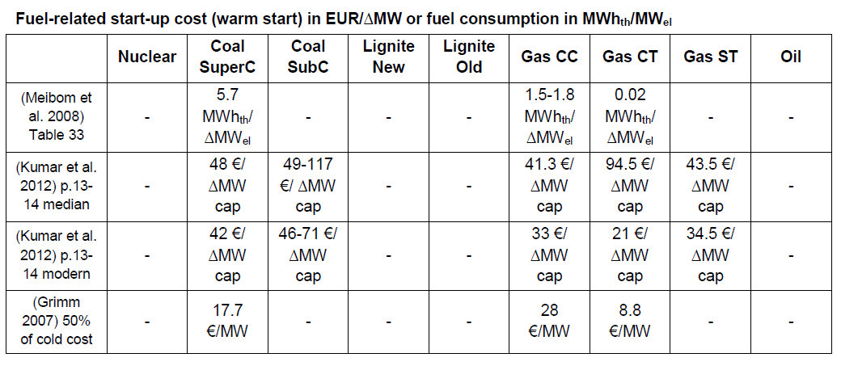
 | ~TFM_INS
 | Pset_PN | Other_Indexes | Attribute | LimType | AllRegions
Gas CCGT | P*CCGT-GAS* | WARM | ACT_CSTSD | UP | 0.041 | 41
Gas OCGT | P*OCGT-GAS* | WARM | ACT_CSTSD | UP | 0.0945 | 94.5
Gas ST | P*GAS*,-P*CCGT-GAS*,-P*OCGT-GAS* | WARM | ACT_CSTSD | UP | 0.0435 | 43.5
Coal SC | P*SC-COA*,P*SC-PEA* | WARM | ACT_CSTSD | UP | 0.048 | 48
Coal Old | P*COA*,P*PEA*,-P*SC-COA*,-P*SC-PEA* | WARM | ACT_CSTSD | UP | 0.117 | 117
Oil | P*OIL*,P*HFP* | WARM | ACT_CSTSD | UP | 0

 | ~TFM_INS
 | Pset_PN | Other_Indexes | Attribute | LimType | AllRegions
Gas CCGT | P*CCGT-GAS* | COLD | ACT_CSTSD | UP | 0.059 | 59
Gas OCGT | P*OCGT-GAS* | COLD | ACT_CSTSD | UP | 0.077 | 77
Gas ST | P*GAS*,-P*CCGT-GAS*,-P*OCGT-GAS* | COLD | ACT_CSTSD | UP | 0.056 | 56
Coal SC | P*SC-COA*,P*SC-PEA* | COLD | ACT_CSTSD | UP | 0.078 | 78
Coal Old | P*COA*,P*PEA*,-P*SC-COA*,-P*SC-PEA* | COLD | ACT_CSTSD | UP | 0.11 | 110
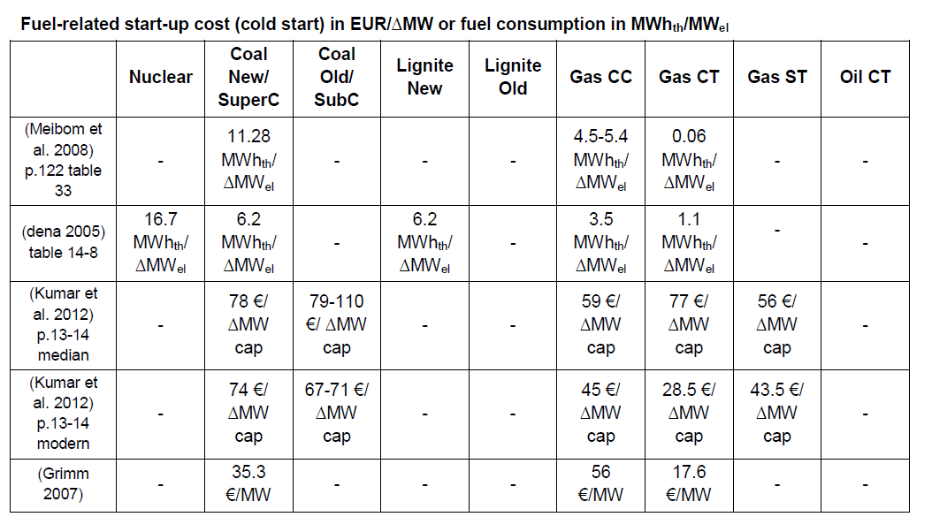
Oil | P*OIL*,P*HFP* | COLD | ACT_CSTSD | UP | 0

SDTIME
Start-up and Shut-down time

 | ~TFM_INS
 | Pset_PN | Other_Indexes | Attribute | LimType | AllRegions
 | P*TH*0* | HOT | ACT_SDTIME | LO | 3

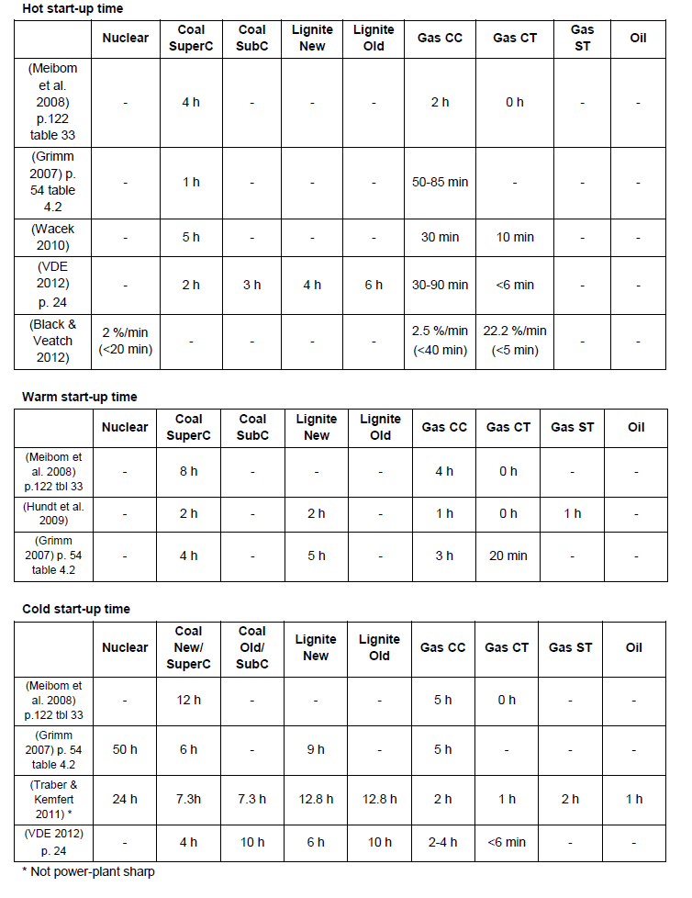
 | ~TFM_INS
 | Pset_PN | Other_Indexes | Attribute | LimType | AllRegions
Gas CCGT | P*CCGT-GAS*,-P-TH*00* | HOT | ACT_SDTIME | UP | 4
Gas OCGT | P*OCGT-GAS*,-P-TH*00* | HOT | ACT_SDTIME | UP | 0
Gas ST | P*GAS*,-P*CCGT-GAS*,-P*OCGT-GAS*,-P-TH*00* | HOT | ACT_SDTIME | UP | 4
Coal SC | P*SC-COA*,P*SC-PEA*,-P-TH*00* | HOT | ACT_SDTIME | UP | 6
Coal Old | P*COA*,P*PEA*,-P*SC-COA*,-P*SC-PEA*,-P-TH*00* | HOT | ACT_SDTIME | UP | 6
Oil | P*OIL*,P*HFO*,-P-TH*00* | HOT | ACT_SDTIME | UP | 6

 | ~TFM_INS
 | Pset_PN | Other_Indexes | Attribute | LimType | AllRegions
Gas CCGT | P*CCGT-GAS*,-P-TH*00* | WARM | ACT_TIME | UP | 2
Gas OCGT | P*OCGT-GAS*,-P-TH*00* | WARM | ACT_TIME | UP | 0
Gas ST | P*GAS*,-P*CCGT-GAS*,-P*OCGT-GAS*,-P-TH*00* | WARM | ACT_TIME | UP | 2
Coal SC | P*SC-COA*,P*SC-PEA*,-P-TH*00* | WARM | ACT_TIME | UP | 4
Coal Old | P*COA*,P*PEA*,-P*SC-COA*,-P*SC-PEA*,-P-TH*00* | WARM | ACT_TIME | UP | 6
Oil | P*OIL*,P*HFO*,-P-TH*00* | WARM | ACT_TIME | UP | 6

 | ~TFM_INS
 | Pset_PN | Other_Indexes | Attribute | LimType | AllRegions
Gas CCGT | P*CCGT-GAS*,-P-TH*00* | COLD | ACT_TIME | UP | 2
Gas OCGT | P*OCGT-GAS*,-P-TH*00* | COLD | ACT_TIME | UP | 0
Gas ST | P*GAS*,-P*CCGT-GAS*,-P*OCGT-GAS*,-P-TH*00* | COLD | ACT_TIME | UP | 2
Coal SC | P*SC-COA*,P*SC-PEA*,-P-TH*00* | COLD | ACT_TIME | UP | 4
Coal Old | P*COA*,P*PEA*,-P*SC-COA*,-P*SC-PEA*,-P-TH*00* | COLD | ACT_TIME | UP | 6
Oil | P*OIL*,P*HFO*,-P-TH*00* | COLD | ACT_TIME | UP | 6

UPS
Ramp up/down rate (%capacity per hour)

 | ~TFM_INS
 | Pset_PN | Other_Indexes | Attribute | LimType | AllRegions
 | P*TH*0* |  | ACT_UPS | LO | 0.4

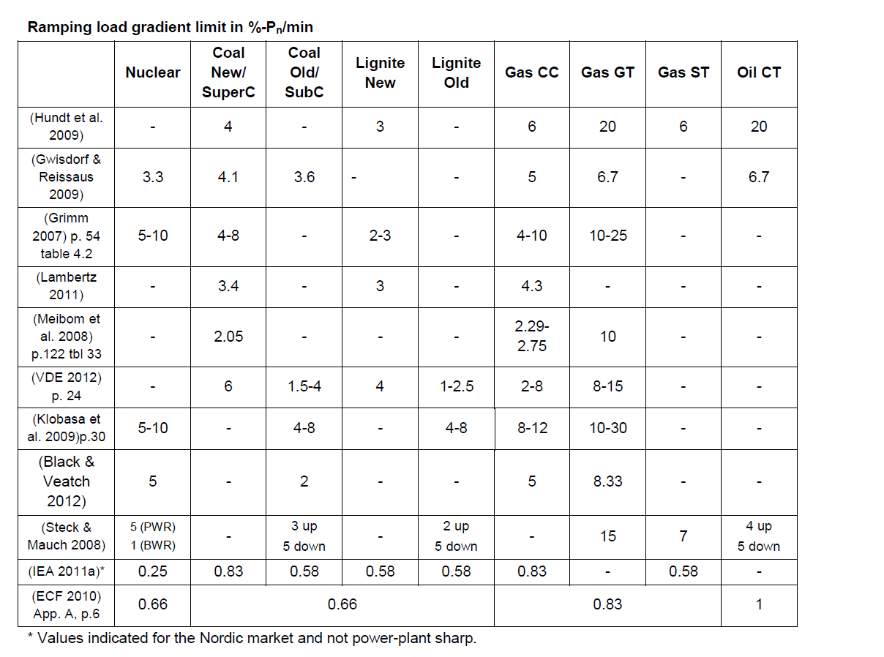
 | ~TFM_INS
 | Pset_PN | Other_Indexes | Attribute | LimType | AllRegions
Gas CCGT | P*CCGT-GAS*,-P-TH*00* |  | ACT_UPS | UP | 0.498
Gas OCGT | P*OCGT-GAS*,-P-TH*00* |  | ACT_UPS | UP | 0.348
Gas ST | P*GAS*,-P*CCGT-GAS*,-P*OCGT-GAS*,-P-TH*00* |  | ACT_UPS | UP | 0.348
Coal SC | P*SC-COA*,P*SC-PEA*,-P-TH*00* |  | ACT_UPS | UP | 0.498
Coal Old | P*COA*,P*PEA*,-P*SC-COA*,-P*SC-PEA*,-P-TH*00* |  | ACT_UPS | UP | 0.348
Oil | P*OIL*,P*HFO*,-P-TH*00* |  | ACT_UPS | UP | 0.348

MINLD
Minimum Statble load level (% Capacity)

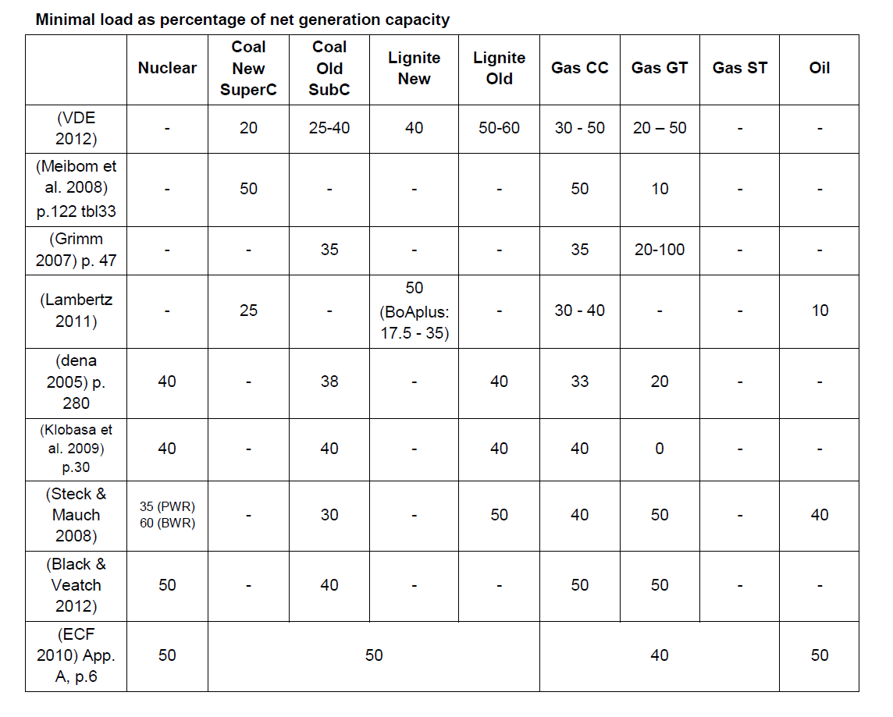
~TFM_INS
Pset_PN | Other_Indexes | Attribute | LimType | AllRegions
P*TH*0*,-P-TH*00* |  | ACT_MINLD |  | 0.4

TIME
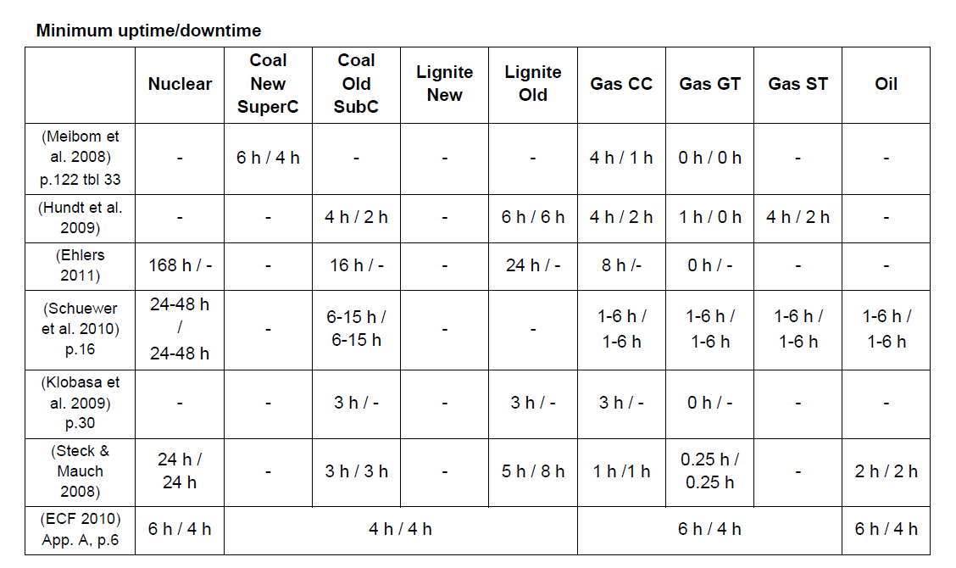
Minimum up/downtime
 | ~TFM_INS
 | Pset_PN | Other_Indexes | Attribute | LimType | AllRegions
Gas CCGT | P*CCGT-GAS*,-P-TH*00* |  | ACT_TIME | UP | 4
Gas OCGT | P*OCGT-GAS*,-P-TH*00* |  | ACT_TIME | UP | 0
Gas ST | P*GAS*,-P*CCGT-GAS*,-P*OCGT-GAS*,-P-TH*00* |  | ACT_TIME | UP | 4
Coal SC | P*SC-COA*,P*SC-PEA*,-P-TH*00* |  | ACT_TIME | UP | 6
Coal Old | P*COA*,P*PEA*,-P*SC-COA*,-P*SC-PEA*,-P-TH*00* |  | ACT_TIME | UP | 6
Oil | P*OIL*,P*HFO*,-P-TH*00* |  | ACT_TIME | UP | 6

 | ~TFM_INS
 | Pset_PN | Other_Indexes | Attribute | LimType | AllRegions
Gas CCGT | P*CCGT-GAS*,-P-TH*00* |  | ACT_TIME | LO | 2
Gas OCGT | P*OCGT-GAS*,-P-TH*00* |  | ACT_TIME | LO | 0
Gas ST | P*GAS*,-P*CCGT-GAS*,-P*OCGT-GAS*,-P-TH*00* |  | ACT_TIME | LO | 2
Coal SC | P*SC-COA*,P*SC-PEA*,-P-TH*00* |  | ACT_TIME | LO | 4
Coal Old | P*COA*,P*PEA*,-P*SC-COA*,-P*SC-PEA*,-P-TH*00* |  | ACT_TIME | LO | 6
Oil | P*OIL*,P*HFO*,-P-TH*00* |  | ACT_TIME | LO | 6

