Cover



Irish TIMES Energy System Model

Document type: | Base Year Template
Sector: | Transport sector (TRA)
Developer: | Energy Policy Modelling Group, UCC

CAR Daily Traffic Profile
Sept 2013 AADT Proportion/Hours | 0 | 1 | 2 | 3 | 4 | 5 | 6 | 7 | 8 | 9 | 10 | 11 | 12 | 13 | 14 | 15 | 16 | 17 | 18 | 19 | 20 | 21 | 22 | 23 | Total
LV Hourly Traffic | 0.72% | 0.35% | 0.23% | 0.24% | 0.43% | 0.94% | 2.62% | 6.78% | 8.37% | 6.30% | 5.02% | 5.06% | 5.36% | 5.69% | 5.90% | 6.56% | 7.94% | 9.04% | 7.57% | 5.25% | 3.81% | 2.74% | 1.91% | 1.20% | 100%
HV Hourly Traffic | 1.10% | 0.94% | 0.91% | 1.09% | 1.55% | 2.64% | 4.59% | 6.30% | 6.37% | 7.01% | 6.89% | 7.03% | 7.03% | 6.75% | 6.89% | 6.78% | 6.23% | 5.10% | 4.18% | 3.26% | 2.49% | 1.94% | 1.60% | 1.33% | 100%
HGV Sub Class- OGV1 Hourly Traffic | 0.54% | 0.48% | 0.51% | 0.71% | 1.12% | 2.13% | 4.14% | 6.55% | 7.19% | 7.83% | 7.49% | 7.66% | 7.67% | 7.23% | 7.77% | 7.74% | 7.08% | 5.32% | 3.70% | 2.56% | 1.74% | 1.22% | 0.91% | 0.71% | 100%
HGV Sub Class- Artic Hourly Traffic | 1.42% | 1.29% | 1.24% | 1.40% | 1.93% | 3.16% | 5.06% | 6.18% | 5.82% | 6.45% | 6.61% | 6.82% | 6.83% | 6.61% | 6.44% | 6.15% | 5.54% | 4.73% | 4.13% | 3.48% | 2.80% | 2.31% | 1.99% | 1.63% | 100%
BUS Hourly Traffic | 1.23% | 0.68% | 0.59% | 0.75% | 0.97% | 1.54% | 3.59% | 5.99% | 6.40% | 7.12% | 6.23% | 5.81% | 5.76% | 5.64% | 6.11% | 6.72% | 7.08% | 6.50% | 6.33% | 4.75% | 3.65% | 2.63% | 2.00% | 1.94% | 100%
Total Hourly Traffic | 0.75% | 0.39% | 0.28% | 0.30% | 0.51% | 1.06% | 2.76% | 6.75% | 8.23% | 6.35% | 5.15% | 5.20% | 5.48% | 5.76% | 5.97% | 6.57% | 7.82% | 8.76% | 7.33% | 5.11% | 3.72% | 2.68% | 1.89% | 1.21% | 100%

Daily Traffic Profile

Source: NRA Traffic Data Monitoring Sites (Taken from all the Data sites for the month of September 2013) | Motorbike |  | Private Car |  | LGV |  | Bus |  | HGV
Hour | Weekday | Weekend | Weekday | Weekend | Weekday | Weekend | Weekday | Weekend | Weekday | Weekend
0 | 1% | 1% | 1% | 1% | 1% | 1% | 1% | 2% | 1% | 3%
1 | 0% | 0% | 0% | 1% | 0% | 1% | 1% | 1% | 1% | 2%
2 | 0% | 0% | 0% | 1% | 0% | 1% | 1% | 1% | 1% | 2%
3 | 0% | 0% | 0% | 1% | 0% | 1% | 1% | 1% | 1% | 2%
4 | 1% | 1% | 0% | 1% | 1% | 1% | 1% | 1% | 2% | 2%
5 | 1% | 1% | 1% | 1% | 1% | 1% | 2% | 1% | 3% | 3%
6 | 3% | 1% | 3% | 1% | 3% | 2% | 4% | 2% | 5% | 4%
7 | 7% | 2% | 7% | 2% | 8% | 3% | 6% | 4% | 6% | 5%
8 | 8% | 3% | 9% | 3% | 7% | 4% | 6% | 5% | 6% | 6%
9 | 6% | 5% | 6% | 4% | 7% | 5% | 7% | 7% | 7% | 6%
10 | 5% | 7% | 5% | 5% | 6% | 6% | 6% | 6% | 7% | 6%
11 | 5% | 8% | 5% | 7% | 6% | 7% | 6% | 6% | 7% | 6%
12 | 6% | 9% | 5% | 8% | 6% | 7% | 6% | 6% | 7% | 6%
13 | 6% | 9% | 6% | 8% | 6% | 8% | 6% | 6% | 7% | 6%
14 | 6% | 9% | 6% | 8% | 7% | 7% | 6% | 6% | 7% | 5%
15 | 7% | 8% | 7% | 8% | 7% | 7% | 7% | 6% | 7% | 5%
16 | 8% | 8% | 8% | 7% | 8% | 6% | 7% | 6% | 6% | 5%
17 | 9% | 8% | 9% | 7% | 8% | 7% | 7% | 6% | 5% | 5%
18 | 7% | 7% | 8% | 7% | 6% | 6% | 6% | 7% | 4% | 5%
19 | 5% | 5% | 5% | 7% | 4% | 5% | 5% | 6% | 3% | 4%
20 | 3% | 3% | 4% | 5% | 3% | 4% | 4% | 5% | 2% | 4%
21 | 2% | 2% | 3% | 3% | 2% | 3% | 3% | 4% | 2% | 3%
22 | 2% | 1% | 2% | 2% | 1% | 2% | 2% | 3% | 2% | 2%
23 | 1% | 1% | 1% | 2% | 1% | 1% | 2% | 3% | 1% | 2%

CAR On-Road Factor
Recommended by ICCT to use for private cars
 | 2001 | 2002 | 2003 | 2004 | 2005 | 2006 | 2007 | 2008 | 2009 | 2010 | 2011 | 2012 | 2013
Spritmonitor.de (Germany) | 7% | 9% | 10% | 11% | 13% | 12% | 13% | 16% | 17% | 20% | 23% | 25% | 30%
HonestJohn.co.uk (UK) | 10% | 10% | 8% | 12% | 12% | 12% | 14% | 17% | 18% | 23% | 27% | 23% | 33%
What Car? (UK) |  |  |  |  |  |  |  |  |  |  |  | 25% | 26%
Auto Motor und Sport (Germany) |  |  | 21% | 24% | 25% | 24% | 27% | 31% | 32% | 37% | 42% | 46% | 44%
AUTO BILD (Germany) |  |  |  |  |  |  |  | 14% | 17% | 17% | 20% | 22% | 27%
Travelcard (Netherlands) |  |  |  | 11% | 14% | 13% | 14% | 17% | 19% | 22% | 28% | 37% | 51%
LeasePlan (Germany) |  |  |  |  |  | 21% | 21% | 22% | 24% | 28% | 33% | 35% | 38%
TCS (Switzerland) | 7% | 12% | 9% | 9% | 12% | 13% | 13% | 10% | 14% | 16% | 18% | 22% | 20%

Source: From Laboratory to Road - ICCT available from http://www.theicct.org/sites/default/files/publications/ICCT_LaboratoryToRoad_2014_Report_English.pdf
 | TCS (Switzerland) | Auto Motor und Sport (Germany) | AUTO BILD (Germany) | HonestJohn.co.uk (UK) | Spritmonitor.de (Germany) | What Car? (UK) | LeasePlan (Germany) | Travelcard (Netherlands) | #REF!
2001 | 0.068679140063 | 0 | 0 | 0.096126859471 | 0.072628136507 | 0 | 0 | 0 | 1
2002 | 0.11527562309 | 0 | 0 | 0.10182537474 | 0.085604210445 | 0 | 0 | 0
2003 | 0.085265862074 | 0.20843373494 | 0 | 0.078879941804 | 0.10243916189 | 0 | 0 | 0
2004 | 0.093013148653 | 0.24296296296 | 0 | 0.12328824075 | 0.10789143129 | 0 | 0 | 0.11035783293
2005 | 0.12340923324 | 0.25172413793 | 0 | 0.1172048 | 0.12654186044 | 0 | 0 | 0.13679223012
2006 | 0.12717727938 | 0.2421875 | 0 | 0.12191773467 | 0.12382434246 | 0 | 0.21 | 0.13179790953
2007 | 0.12574043886 | 0.26918604651 | 0 | 0.13608158365 | 0.13240868844 | 0 | 0.21 | 0.13549252707
2008 | 0.096733522455 | 0.30649350649 | 0.144059932 | 0.1737120372 | 0.1618536492 | 0 | 0.22 | 0.17066930771
2009 | 0.14404330989 | 0.31679389313 | 0.166542628 | 0.1785995726 | 0.16988336921 | 0 | 0.24 | 0.18804609384
2010 | 0.16266958436 | 0.37453194187 | 0.166211677 | 0.22733381238 | 0.20209504623 | 0 | 0.28 | 0.21771527887
2011 | 0.17937810602 | 0.42091967073 | 0.200390687 | 0.26559082978 | 0.23295867177 | 0 | 0.33 | 0.27519364905
2012 | 0.21849733138 | 0.46032075562 | 0.221583787 | 0.22646736836 | 0.24980340422 | 0.25246594857 | 0.3534 | 0.36807
2013 | 0.20131021749 | 0.43729781345 | 0.272419416 | 0.32886220503 | 0.29944683479 | 0.25748985329 | 0.3768 | 0.51169

CAR Occupancy
Source: http://www.nra.ie/policy-publications/project-appraisal-guideli/Unit-6.11-National-Parameter-Value-Sheets.pdf

Flow Groups |  |  |  | Flow Group |  |  |  |  |  |  |  |  |  |  |  | Flow Group
Flow Group 1/6 | 0:00:00 |  |  | 1 | 2 | 3 | 4 | 6 | 7 | 8 | 9 |  |  |  |  | 1 | 2 | 3 | 4 | 6 | 7 | 8 | 9
 | 0:30:00 |  |  | Weekday Hours |  |  |  | Weekend Hours |  |  |  |  |  |  |  | Weekday Hours |  |  |  | Weekend Hours
 | 1:00:00 |  | No. of Hours in Flow Group | 2540 | 2680 | 522 | 522 | 1300 | 780 | 208 | 208 | Total Hours | 8760 |  | No. of Hours in Flow Group | 2540 | 2680 | 522 | 522 | 1300 | 780 | 208 | 208 | Total Hours | 8760
 | 1:30:00 |  | Time of Day | Overnight Off-Peak | Daytime Off-Peak | Adjacent to Peak | Peak | Overnight Off-Peak | Daytime Off-Peak | Adjacent to Peak | Peak | Total Average Occupancy Rate | 1.49 |  | Time of Day | Overnight Off-Peak | Daytime Off-Peak | Adjacent to Peak | Peak | Overnight Off-Peak | Daytime Off-Peak | Adjacent to Peak | Peak | Total Average Occupancy Rate | 7.23
 | 2:00:00 | Work | Vehicle Occupancy Rates | 1.24 | 1.25 | 1.26 | 1.26 | 1.33 | 1.34 | 1.38 | 1.38 |  |  | Work | Vehicle Occupancy Rates | 1.35 | 1.35 | 1.35 | 1.35 | 1.35 | 1.35 | 1.35 | 1.35
 | 2:30:00 |  | Vehicle Proportions | 10.30% | 16.90% | 13.30% | 12.00% | 4.50% | 1.80% | 2.70% | 2.70% |  |  |  | Vehicle Proportions | 10.20% | 10.20% | 10.20% | 10.20% | 10.20% | 10.20% | 10.20% | 10.20%
 | 3:00:00 | Commuting | Vehicle Occupancy Rates | 1.21 | 1.22 | 1.23 | 1.23 | 1.2 | 1.23 | 1.22 | 1.22 |  |  | Commuting | Vehicle Occupancy Rates | 2.5 | 2.5 | 2.5 | 2.5 | 2.5 | 2.5 | 2.5 | 2.5 | Bus Occupancy Rate | 39.86
 | 3:30:00 |  | Vehicle Proportions | 42.20% | 36.70% | 44.20% | 42.90% | 24.20% | 7.90% | 6.50% | 6.50% |  |  |  | Vehicle Proportions | 18.90% | 18.90% | 18.90% | 18.90% | 18.90% | 18.90% | 18.90% | 18.90%
 | 4:00:00 | Other-non Work | Vehicle Occupancy Rates | 1.64 | 1.65 | 1.66 | 1.68 | 1.7 | 1.83 | 1.85 | 1.85 |  |  | Other-non Work | Vehicle Occupancy Rates | 9.35 | 9.35 | 9.35 | 9.35 | 9.35 | 9.35 | 9.35 | 9.35
 | 4:30:00 |  | Vehicle Proportions | 47.50% | 46.40% | 42.50% | 45.10% | 71.30% | 90.30% | 90.90% | 90.90% |  |  |  | Vehicle Proportions | 70.80% | 70.80% | 70.80% | 70.80% | 70.80% | 70.80% | 70.80% | 70.80%
 | 5:00:00 | All | Vehicle Occupancy Rates | 1.42 | 1.42 | 1.42 | 1.44 | 1.56 | 1.77 | 1.80 | 1.80 |  |  | All | Vehicle Occupancy Rates | 7.23 | 7.23 | 7.23 | 7.23 | 7.23 | 7.23 | 7.23 | 7.23
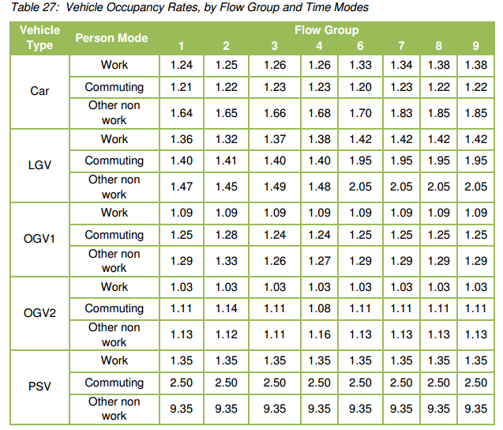
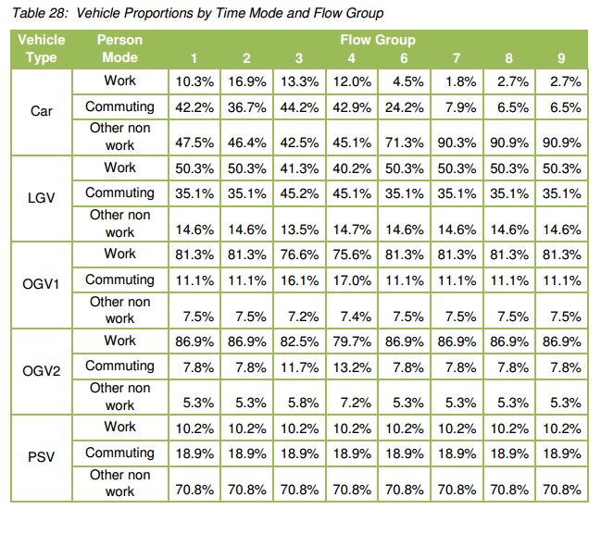
 | 5:30:00
Flow Group 2/7 | 6:00:00
 | 6:30:00
 | 7:00:00
Flow Group 3/8 | 7:30:00
Flow Group 4/9 | 8:00:00
 | 8:30:00
Flow Group 3/8 | 9:00:00
Flow Group 2/7 | 9:30:00
 | 10:00:00
 | 10:30:00
 | 11:00:00
 | 11:30:00
 | 12:00:00
 | 12:30:00
 | 13:00:00
 | 13:30:00
 | 14:00:00
 | 14:30:00
 | 15:00:00
 | 15:30:00
 | 16:00:00
Flow Group 3/8 | 16:30:00
Flow Group 4/9 | 17:00:00
 | 17:30:00
Flow Group 3/8 | 18:00:00
Flow Group 2/7 | 18:30:00
 | 19:00:00
 | 19:30:00
 | 20:00:00
Flow Group 1/6 | 20:30:00
 | 21:00:00
 | 21:30:00
 | 22:00:00
 | 22:30:00
 | 23:00:00
 | 23:30:00

