Cover
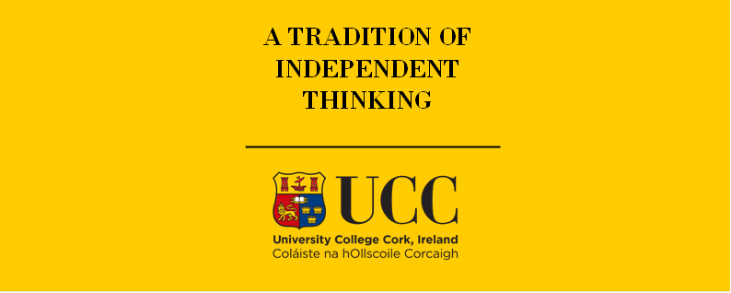

TIMES-Ireland Model

Document type: | Scenario
Sector(s): | Power sector (PWR)
Purpose: | Set max renewable potentials for wind, solar, wave, tidal and hydro

Original developer(s): | Xiufeng Yue (UCC, xiufeng.yue@ucc.ie)
 | James Glynn (UCC, james.glynn@ucc.ie)

Current maintainer(s): | Olexandr Balyk (UCC, olexandr.balyk@ucc.ie)

Part of TIM version: | 1.0
Model repository: | https://github.com/MaREI-EPMG/TIMES-Ireland-model
Licence: | CC BY-NC-SA 4.0 (unless specified otherwise)
 | https://creativecommons.org/licenses/by-nc-sa/4.0/

OCE
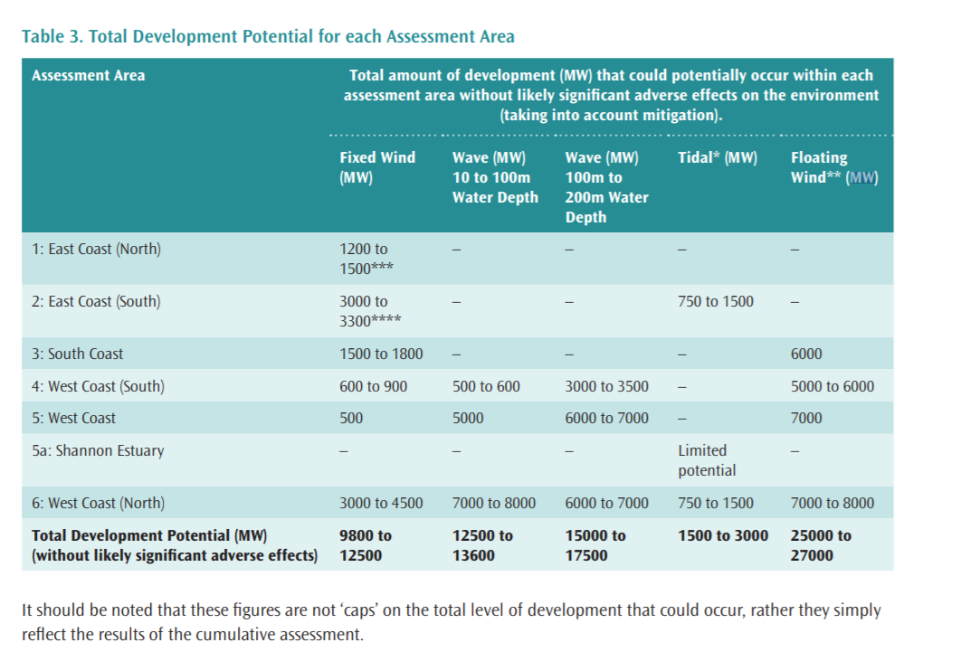
~TFM_INS
TimeSlice | LimType | Attribute | Year | Attrib_Cond | Val_Cond | IE | National | Pset_Set | Pset_PN
 | UP | CAP_BND | 2030 |  |  | 3.78 | 3.78 |  | P-RNW-OCE-WAV01
 | UP | CAP_BND | 2040 |  |  | 15.6 | 15.6 |  | P-RNW-OCE-WAV01
 | UP | CAP_BND | 2050 |  |  | 31.1 | 31.1 |  | P-RNW-OCE-WAV01
 | UP | CAP_BND | 0 |  |  | 5 | 5 |  | P-RNW-OCE-WAV01

~TFM_INS
TimeSlice | LimType | Attribute | Year | Attrib_Cond | Val_Cond | IE | National | Pset_Set | Pset_PN
 | UP | CAP_BND | 2030 |  |  | 0.25 | 0.25 |  | P-RNW-OCE-TID02
 | UP | CAP_BND | 2040 |  |  | 0.5 | 0.5 |  | P-RNW-OCE-TID02
 | UP | CAP_BND | 2050 |  |  | 1 | 1 |  | P-RNW-OCE-TID02 | idal potential (O’Rourke et al., 2010) 2.63TWh/year
 | UP | CAP_BND | 0 |  |  | 5 | 5 |  | P-RNW-OCE-TID02 | 1.000761035

