OCE
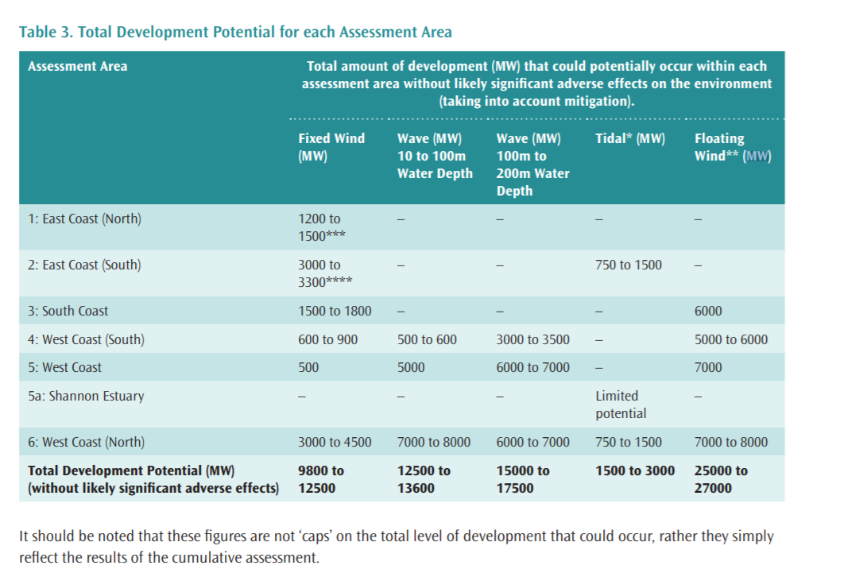
~TFM_INS
TimeSlice | LimType | Attribute | Year | Attrib_Cond | Val_Cond | IE | National | Pset_Set | Pset_PN | Pset_PD | Pset_CI | Pset_CO | Cset_Set | Cset_CN | Cset_CD
 | UP | CAP_BND | 2030 |  |  | 3.78 | 3.78 |  | P-RNW-OCE-WAV01
 | UP | CAP_BND | 2040 |  |  | 15.6 | 15.6 |  | P-RNW-OCE-WAV01
 | UP | CAP_BND | 2050 |  |  | 31.1 | 31.1 |  | P-RNW-OCE-WAV01

~TFM_INS
TimeSlice | LimType | Attribute | Year | Attrib_Cond | Val_Cond | IE | National | Pset_Set | Pset_PN | Pset_PD | Pset_CI | Pset_CO | Cset_Set | Cset_CN | Cset_CD
 | UP | CAP_BND | 2030 |  |  | 0.25 | 0.25 |  | P-RNW-OCE-TID02
 | UP | CAP_BND | 2040 |  |  | 0.5 | 0.5 |  | P-RNW-OCE-TID02
 | UP | CAP_BND | 2050 |  |  | 1 | 1 |  | P-RNW-OCE-TID02 |  |  |  |  |  |  | idal potential (O’Rourke et al., 2010) 2.63TWh/year
 |  |  |  |  |  |  |  |  |  |  |  |  |  |  |  | 1.000761035

