Cover



Irish TIMES Energy System Model

Document type: | SubRes (Technology Database)
Sector: | Hydrogen chain
Developer: | Energy Policy Modelling Group, UCC
Source data

ETRI
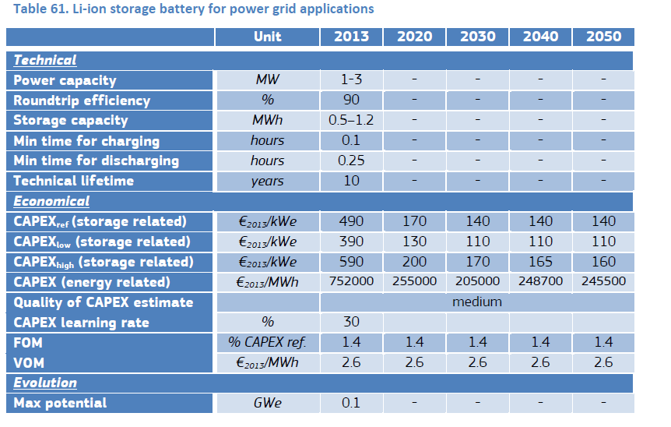
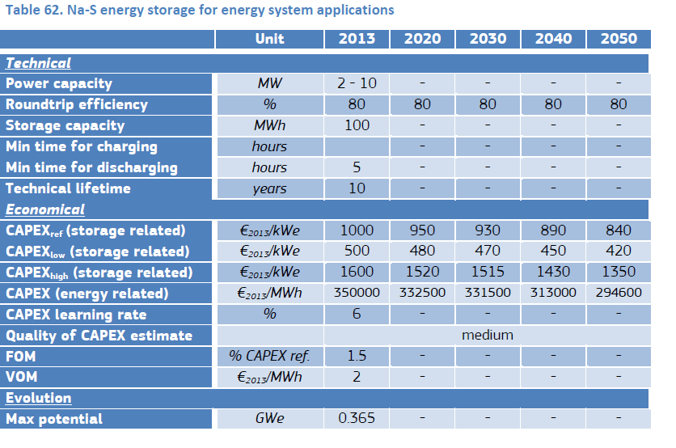

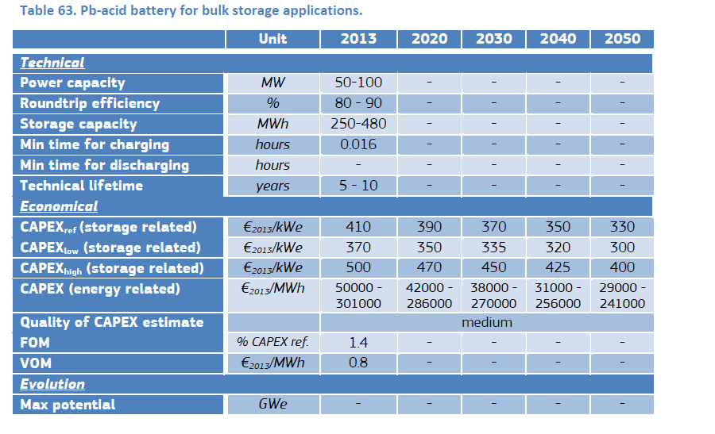

GCS
