Cover
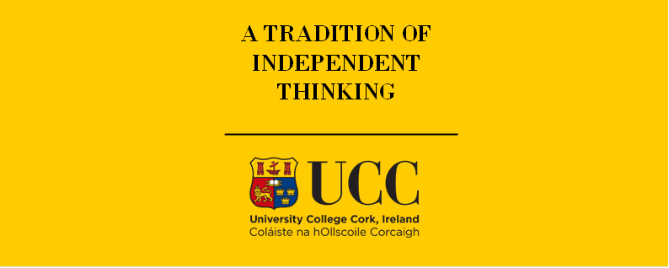

TIMES-Ireland Model

Document type: | Template type
Sector(s): | Sector name
Purpose: | Brief description of what this file is for

Original developer(s): | Full Name(s) (Affiliation, email)

Current maintainer(s): | Full Name(s) (Affiliation, email)

Part of TIM version: | 1.0
Model repository: | https://github.com/MaREI-EPMG/TIMES-Ireland-model
Licence: | CC BY-NC-SA 4.0 (unless specified otherwise)
 | https://creativecommons.org/licenses/by-nc-sa/4.0/

Cover_old

Irish TIMES Energy System Model

Document type: | Base Year Template
Sector: | Transport sector (TRA)
Developer: | Energy Policy Modelling Group, UCC

Intro
Table of contents
Sheet | Description
EB2018 | SEAI 2018 energy balance in ktoe
Commodities | TIMES commodities list for the sector
TRA_FuelTechs | Fuel sectoral technologies/infrastructure
TRA_FuelBlending | Fuel blending
Demands | Energy service demands for the transport sector
Emi | Emission coefficients for the transport sector
CAR | TIMES inputs for Cars
MOTO | TIMES inputs for Moto
FREH | TIMES inputs for Freight
Light-duty vehicle (numbers, km/yr)
Eff = BV.km/PJ
Energy (PJ)
Million B.km
Occupancy rate (Passenger/Vehicle)
Demand:
Billion P.km
PUB | TIMES inputs for Public
NAV | TIMES inputs for Navigation
AVI | TIMES inputs for Aviation
… | Data elaboration sheets

Tab colour legend
 | General inputs
 | Private cars
 | Motorcycles
 | Freight
 | Public
 | Navigation
 | Aviation

Units
Capacity | V or PJa
Consumption | PJ
Currency (year) | Milion Euro 2018
Base year | 2018

On-Road Fac.
On-road factor
 | Diesel | Petrol | All vehicle
HONESTJOHN.CO.UK (UK) | 36% | 34% | 35%
ALLSTAR FUEL CARD (UK) | 41% | 41% | 41%
Company cars | 45% | 45% | 45%
All data sources | 40% | 40% | 40%

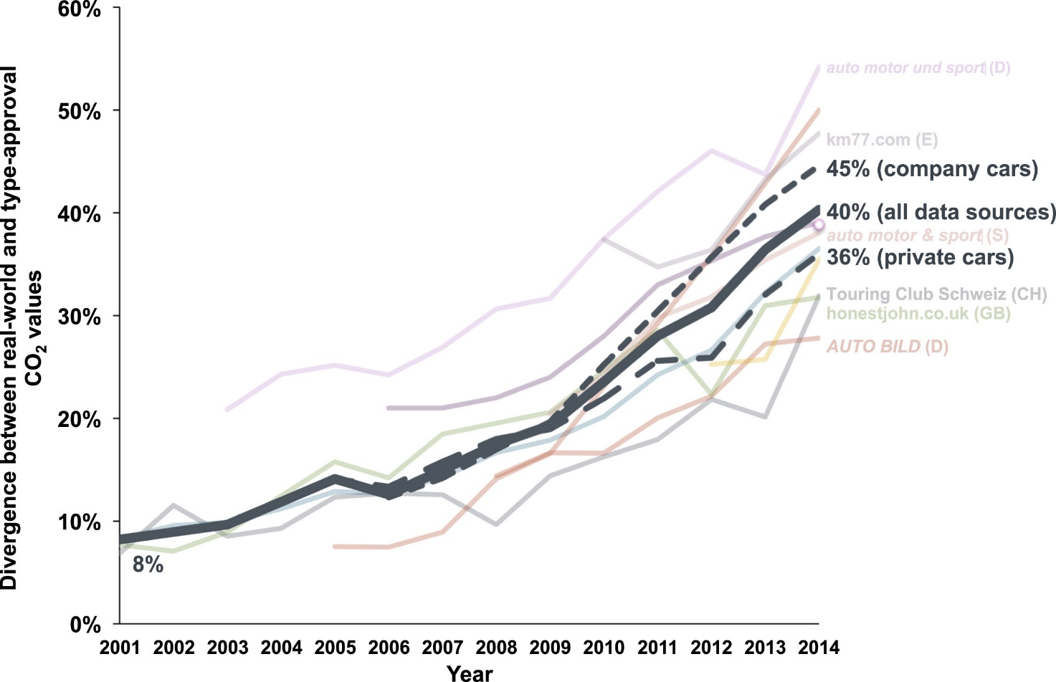

Source: | Tietge U, Mock P, Franco V, Zacharof N. From laboratory to road: Modeling the divergence between official and real-world fuel consumption and CO2 emission values in the German passenger car market for the years 2001–2014. Energy Policy. 2017 Apr 1;103:212-22.
 | Tietge U, Zacharof N, Mock P, Franco V, German J, Bandivadekar A, Ligterink N, Lambrecht U. From laboratory to road. communications. 2017;49(30):847129-102.

 | HONESTJOHN.CO.UK (UNITED KINGDOM)
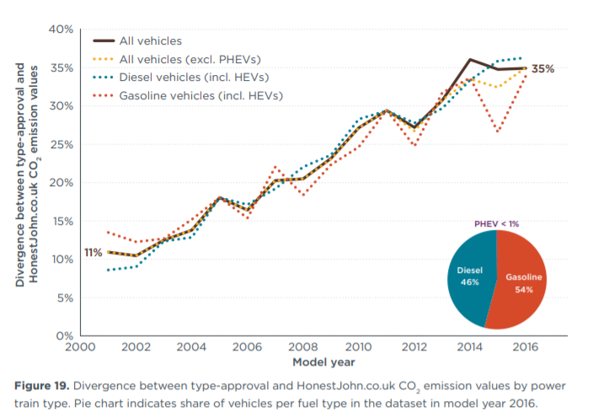

 | https://theicct.org/sites/default/files/publications/Lab-to-road-2017_ICCT-white%20paper_06112017_vF.pdf

 | ALLSTAR FUEL CARD (UNITED KINGDOM)
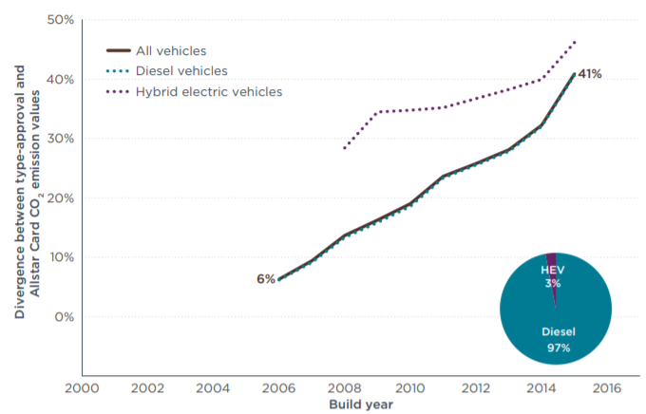

 | https://theicct.org/sites/default/files/publications/Lab-to-road-2017_ICCT-white%20paper_06112017_vF.pdf

