Cover



 |  | Description of the commercial other sector

Irish TIMES Energy System Model

Document type: | Base Year Template
Sector: | Commercial
Developer: | Energy Policy Modelling Group, UCC
Source data
SEAI (https://www.seai.ie/resources/publications/Extensive-Survey-of-Commercial-Buildings-Stock-i)
CSO (http://cso.ie/en/releasesandpublications/er/ndber/non-domesticbuildingenergyratingsq22017/)

Public BOC
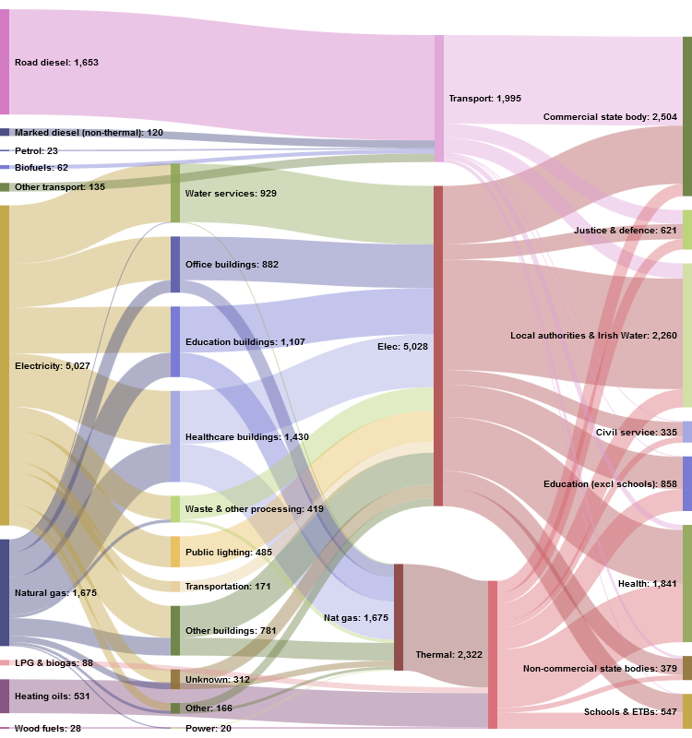
Source: http://boc.ie/Insights/Public-sector-energy-consumption-in-Ireland

