Legend
TIMES-GEO model


Document type: | Technology database (SubRes)
Sector: | Upstream | UPS
Original developer: | E4SMA S.r.l.
 | University College Cork
Description: | Hydrogen/Ammonia supply module (production, delivery, storage)
Part of TIMES-GEO version: | 1.0
Model repository: | https://github.com/MaREI-EPMG/TIMES-GEO
Licence: | CC BY-NC-SA 4.0 (unless specified otherwise)
 | https://creativecommons.org/licenses/by-nc-sa/4.0/

Conventions
Cell colour legend
aaa | Model input
aaa | Model input based on own assumptions
 | Calculated value (not recommended to directly modify)

Tab colour legend
 | VEDA-TIMES data input tables
 | Elaborations and other assumptions
 | External data sources

Table of contents
Sheet | Description
Input data (H2 Prod) | Input data for the characterization of hydrogen production processes
Input data (H2 Conv) | Input data for the characterization of hydrogen conversion processes
Input data (H2 Storages) | Input data for the characterization of hydrogen storage technologies
Input data (H2 Distr) | Input data for the characterization of hydrogen distribution processes (infrastructures)
Commodities | Veda inputs: Definition of sector commodities
H2 Prod | Veda inputs: Characterization of hydrogen production processes
H2 Conv | Veda inputs: Characterization of hydrogen conversion processes
Storages | Veda inputs: Characterization of storage technologies
H2 Distr | Veda inputs: Characterization of hydrogen distribution processes (Fuel Techs)

Simplified RES:
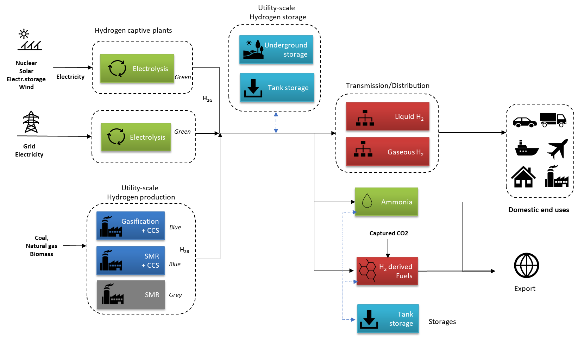

Currency conversion
€2015 | 1.14 | USD2021
€2010 | 1.24 | USD2021
USD2017 | 1.11 | USD2021
USD2019 | 1.06 | USD2021
Other conversions
USD/GJ | 31.54 | USD/KW

Source data:
ID | Source | Pub. year | Horizon |  | Access | Notes | Full title | URL
 |  |  | Start | End
S1 | EC | 2021 | 2020 | 2050 | Public |  | EU Reference scenario 2020 - technology assumptions | https://energy.ec.europa.eu/data-and-analysis/energy-modelling/eu-reference-scenario-2020_en
S2 | IEA | 2020 | 2020 | 2050 | Public |  | Global average levelised cost of hydrogen production by energy source and technology, 2019 and 2050 | IEA (2020), CCUS in Clean Energy Transitions, IEA, Paris https://www.iea.org/reports/ccus-in-clean-energy-transitions
S3 | JRC | 2019 |  |  | Public |  | JRC-EU-TIMES Hydrogen Module | https://zenodo.org/record/3719092#.Ys06v3ZBxnI
S4 | JRC | 2019 |  |  | Public |  | JRC-EU-TIMES CCU Module
S5 | IEA | 2020 | 2020 | 2050 | Public |  | The Future of Hydrogen | https://www.iea.org/reports/the-future-of-hydrogen
S6 | IEA-AMF | 2020 |  |  | Public |  | Ammonia Application in IC Engines | https://www.iea-amf.org/content/fuel_information/ammonia#properties
S7 | Journal paper | 2020 |  |  | Public |  | Dias Véronique, Pochet Maxime, Contino Francesco, Jeanmart Hervé, Energy and Economic Costs of Chemical Storage, Frontiers in Mechanical Engineering,Vol.6,2020,https://www.frontiersin.org/articles/10.3389/fmech.2020.00021,DOI 10.3389/fmech.2020.00021,ISSN 2297-3079 | www.frontiersin.org/articles/10.3389/fmech.2020.00021
S8 | Multiple references |  |  |  | Public |  | Collection of multiple references on Ammonia
S9 | Multiple references |  |  |  | Public |  | H2 liquefaction data

