Legend
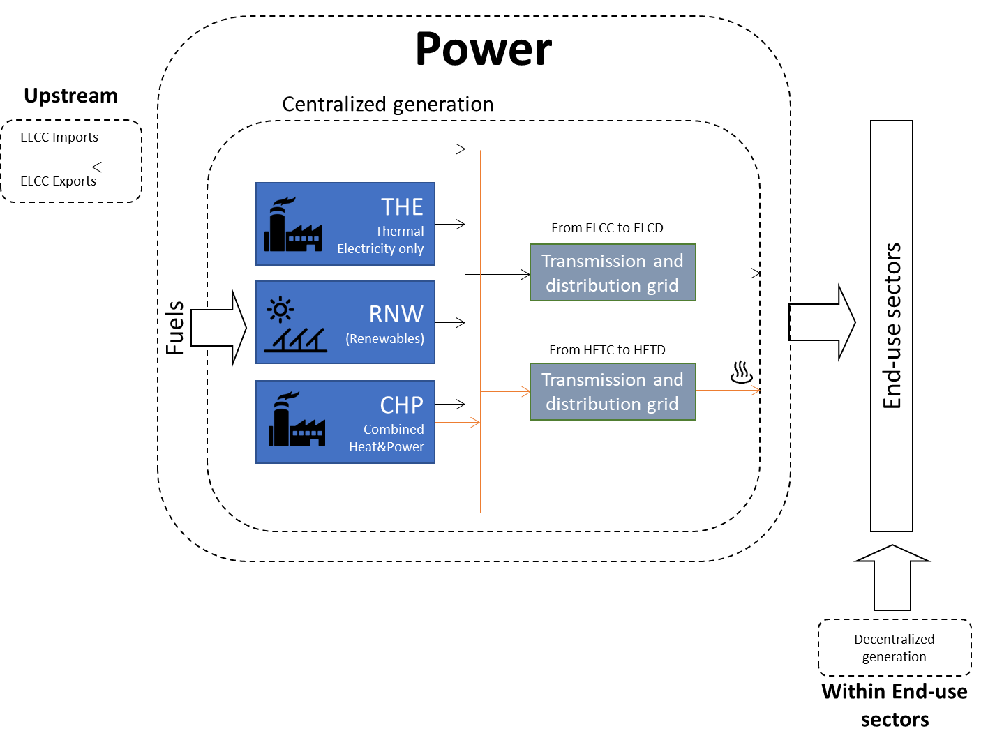
TIMES-GEO model


Document type: | Base Year template
Base-year | 2018
Sector: | Power Electricity and Heat | PWR
Original developer: | E4SMA S.r.l.
 | University College Cork
Document description: | This template holds the structure of the Power sector
Part of TIMES-GEO version: | 1.0
Model repository: | https://github.com/MaREI-EPMG/TIMES-GEO
Licence: | CC BY-NC-SA 4.0 (unless specified otherwise)
 | https://creativecommons.org/licenses/by-nc-sa/4.0/

Conventions
Cell colour legend
aaa | Model input
aaa | Model input based on own assumptions
 | Calculated value (not recommended to directly modify)

Tab colour legend
 | VEDA-TIMES data input tables
 | Energy balance breakdown and other elaborations
 | External data sources

Table of contents
Sheet | Description
List of technologies | List and codes of all technologies
Key inputs_Electricity EB | Energy balance elaboration of power sector
Key inputs_Heat EB | Energy balance elaboration of heat sector
Key inputs_BY Capacities | Elaborations to estimate capacities
Key inputs_NT | List of key input assumption and calculations for new technologies
Processes | Veda inputs: Definition of sector processes
Commodities | Veda inputs: Definition of sector commodities
Fuel Techs | Veda inputs: Description of the sectoral infrastructure technologies (fuel techs)
BY Techs_ELE | Veda inputs: Characterization of base-year electric-only plants (centralized & autoproducers)
BY Techs_CHP | Veda inputs: Characterization of base-year CHP plants (centralized & autoproducers)
BY Techs_HPL | Veda inputs: Characterization of base-year Heat-only plants (centralized & autoproducers)
New Techs_Fossil | Veda inputs: Characterization of future fossil technologies
New Techs_RNW | Veda inputs: Characterization of future renewable technologies
New Techs_HPL | Veda inputs: Characterization of future heat-only technologies
Grid Losses | Veda inputs: Characterization of transmission/distribution grid losses

Conversion Factors
From - To | Value
From MWh to GJ | 3.60
Conversion from EUR2015 to USD21 | 1.14

Reference currency
US Dollars (2021) | USD21

Codes for processes and commodities names
Energy Commodities
Description | Code | Note
Energy commodities
Coal | PWRCOA
Lignite | PWRCOL
Diesel | PWRDSL
Crude oil | PWRCRD
Oil | PWROIL
Natural gas | PWRGAS
Solid biofuels | PWRBIO
Liquid biofuels | PWRBLQ
Biogas | PWRBGS
Waste | PWRWAS
Nuclear | PWRNUC
Geothermal | PWRGEO
Hydro | PWRHYD
Wind | PWRWON | onshore
Wind | PWRWOF | offshore
Solar | PWRSOL
Ocean | PWROCE
Hydrogen | PWRH2G
NG-H2 blend | PWRH2B | H2B
Ammonia | PWRAMM | AMM
Electricity | ELCC | Centralized electricity
Electricity | ELCD | Decentralized electricity
Heat | HETC | Centralized heat
Heat | HETD | Decentralized heat
Grid technology
Transmission and distribution grid | TD-GRID
Plant Type
Thermal electricity plant | THE
Combined heat & power | CHP
Renewable | RNW
Heating Plant | HPL
Storage | STG
Technology Type
Generic Plant | GP
Boiler | BL
Steam Turbine | ST
Steam Turbine + CCS | ST-CCS
Combined Cycle | CC
Combined Cycle + CCS | CC-CCS
Gas Turbine | GT
Engine | EN
Fuel cell | FC
Dam | HD
Pumped | HP
Run-of-River | HR
Offshore | OF
Onshore | ON
Photovoltaic | PV
Concentrated | CS
Tidal/Wave | TW
Emission Commodities
CH4 emissions | PWRCH4 | Methane
N2O emissions | PWRN2O | Nitrous oxide
CO2 emissions | PWRCO2 | Carbon dioxide
CO2eq emissions | PWRCO2e | CO2 equivalent: includes all GHG (e.g. CO2, CH4, N2O)

Model regions
Model regions | Description | List of countries
AFE | Eastern Africa | Ethiopia,Kenya,Sudan,Mauritius,Eritrea,South Sudan,Burundi,Comoros,Djibouti,Madagascar,Réunion,Rwanda,Somalia,Uganda
AFN | Northern Africa | Egypt,Algeria,Morocco,Libya,Tunisia
AFZ | Southern Africa | Tanzania,Angola,Mozambique,Zimbabwe,Zambia,Botswana,Namibia
AFW | Western Africa | Nigeria,Democratic Republic of the Congo,Cote dIvoire,Ghana,Cameroon,Gabon,Benin,Senegal,Togo,Niger,The Republic of Congo,Burkina Faso,Cape Verde,Central African Republic,Chad,Equatorial Guinea,Gambia,Guinea,Guinea-Bissau,Lesotho,Liberia,Malawi,Mali,Mauritania,Sao Tome and Principe,Seychelles,Sierra Leone,Swaziland
ANZ | Australia and New Zealand | Australia,New Zealand
ARG | Argentina | Argentina
ASC | Central Asia | Pakistan,Kazakhstan,Uzbekistan,Turkmenistan,Azerbaijan,Mongolia,Georgia,Kyrgyzstan,Armenia,Tajikistan
ASE | Southeast Asia | Thailand,Malaysia,Viet Nam,Philippines,Singapore,Myanmar,Cambodia,Brunei Darussalam
ASO | South Asia | Bangladesh,Nepal,Sri Lanka
ASR | Asia Region | Taiwan,Hong Kong (China),Democratic People's Republic of Korea,Afghanistan,Bhutan,Cook Islands,East Timor,Fiji,French Polynesia,Kiribati,Lao People’s Democratic Republic,Macau,Maldives,New Caledonia,Palau,Papua New Guinea,Samoa,Solomon Islands,Tonga,Vanuatu
BRA | Brazil | Brazil
CAN | Canada | Canada
CHN | China Mainland | People's Republic of China
ENE | Non-EU Eastern Europe | Ukraine,Belarus,Serbia,Bosnia and Herzegovina,Moldova,Former Yugoslav Republic of Macedonia,Kosovo,Albania,Montenegro
ENW | Non-EU Western Europe | Norway,Switzerland,Iceland
EUE | Eastern Europe Union | Poland,Czech Republic,Romania,Hungary,Bulgaria,Slovak Republic,Croatia,Lithuania,Slovenia,Estonia,Latvia,Cyprus,Malta
EUW | Western Europe Union | Germany,France,Italy,Spain,Netherlands,Belgium,Sweden,Austria,Finland,Greece,Portugal,Denmark,Ireland,Luxembourg
GBR | United Kingdom | United Kingdom,Gibraltar
IDN | Indonesia | Indonesia
IND | India | India
IRN | Islamic Republic of Iran | Islamic Republic of Iran
JPN | Japan | Japan
KOR | Korea | Korea
LAM | Latin America | Venezuela,Chile,Colombia,Peru,Trinidad and Tobago,Ecuador,Guatemala,Cuba,Bolivia,Dominican Republic,Honduras,Paraguay,Uruguay,Costa Rica,El Salvador,Haiti,Panama,Nicaragua,Jamaica,Curacao,Suriname,Antigua and Barbuda,Aruba,Bahamas,Barbados,Belize,Bermuda,British Virgin Islands,Cayman Islands,Dominica,Falkland Islands (Malvinas),French Guiana,Grenada,Guadeloupe,Cooperative Republic of Guyana,Martinique,Montserrat,Puerto Rico,Saba,Saint Eustatius,Saint Kitts and Nevis,Saint Lucia,Saint Pierre and Miquelon,Saint Vincent and the Grenadines,Sint Maarten,the Turks and Caicos Islands
MEA | Middle East | United Arab Emirates,Iraq,Qatar,Kuwait,Oman,Israel,Bahrain,Syrian Arab Republic,Jordan,Lebanon,Yemen
MEX | Mexico | Mexico
RUS | Russian Federation | Russian Federation
SAU | Saudi Arabia | Saudi Arabia
TUR | Turkey | Turkey
USA | United States | United States
ZAF | South Africa | South Africa

 |  |  | Sector structure (high-level Reference Energy System)

