Legend
TIMES-GEO model


Document type: | Base Scenario Template
Region: | Global
Sector: | Services | SRV
Base-year | 2018
Original developer: | E4SMA S.r.l.
 | University College Cork
Document description: | This template holds the structure of the Final Energy Consumption in the Services sector
Part of TIMES-GEO version: | 1.0
Model repository: | https://github.com/MaREI-EPMG/TIMES-GEO
Licence: | CC BY-NC-SA 4.0 (unless specified otherwise)
 | https://creativecommons.org/licenses/by-nc-sa/4.0/

Conventions
Cell colour legend
aaa | Model input
aaa | Model input based on own assumptions
 | Calculated value (not recommended to directly modify)

Tab colour legend
 | VEDA-TIMES data input tables
 | Energy balance breakdown and other elaborations
 | External data sources

Table of contents
Sheet | Description
Key inputs_EB | Energy balance breakdown for the sector
Key Inputs_BY Techs | List of key input assumption and calculations for base-year technologies
Key Inputs_New Techs | List of key input assumption and calculations for new/future technologies
Commodities & Processes | Veda inputs: Definition of sector commodities and processes
Fuel Techs | Veda inputs: Description of the sectoral infrastructure technologies (fuel techs)
SRV_BY Techs | Veda inputs: Characterization of base-year sector technologies
SRV_New Techs | Veda inputs: Characterization of future sector technologies
Demands | Veda inputs: Characterization of base year demands

Conversion factors
EUR2015 | 1.14 | USD2021
USD2011 | 1.20 | USD2021
From GWh to PJ | 0.0036

Codes for processes and commodities names
Dimension | Code | Description
Service types
Thermal uses | TH | Space & water heating
Air conditioning | AC
Cooking | CK
Street lighting | SLIG
Lighting | LIG
Electric Appliances | EAP
Other uses | OTH
Technology types
Boiler | BLR
Heat pump (Air) | HPA | Ambient heat source
Heat pump (Ground) | HPG | Ground heat source
Resistance | RST
Stove | STV
Heat exchanger | HEX
Fuel types
Biogas | SRVBGS
Coal | SRVCOA
Oil | SRVOIL
Electricity | SRVELC
Geothermal | SRVGEO
Heat | SRVHET | District heating
Liquid biofuels | SRVBLQ
LPG | SRVLPG
Natural gas | SRVGAS
Solar | SRVSOL
Biomass | SRVBIO
Waste | SRVWAS
Hydrogen | SRVH2G
Natural gas blend H2 | SRVH2B
H2 derived fuel | SRVH2F | H2 derived fuel (synthetic)
Emissions
CO2eq | SRVCO2e | CO2 equivalent: includes all GHG (e.g. CO2, CH4, N2O)
CO2 | SRVCO2 | Carbon dioxide
CH4 | SRVCH4 | Methane
N2O | SRVN2O | Nitrous oxide

Sources
Component | Source n. | Source | Access | URL
Services energy balance | S1 | UNSD Energy Balances | Public
Services technology database | S2 | EU Reference scenario 2020 - technology assumptions | Public | https://energy.ec.europa.eu/data-and-analysis/energy-modelling/eu-reference-scenario-2020_en
IEA ETSAP technology database | S3 | IEA ETSAP - Technology Brief R02 – June 2012 | Public | https://iea-etsap.org/index.php/energy-technology-data/energy-demand-technologies-data
HDD and CDD | S4 | Degree Days | Public | www.degreedays.net
2019 Share of heat pump consumption | S5 | IEA Heat Pumps | Public | IEA (2022), Heat Pumps, IEA, Paris https://www.iea.org/reports/heat-pumps
GDP, Population data | S6 | World Bank data | Public | https://www.worldbank.org/en/home

Sector structure (high-level Reference Energy System)
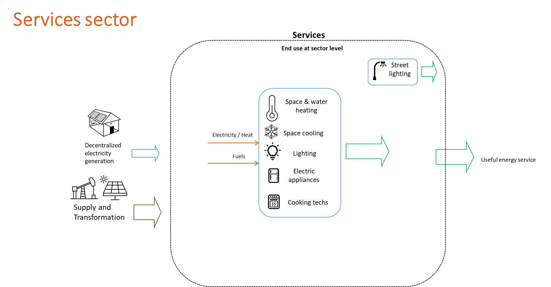

Model regions
Model regions | Description | List of countries
AFE | Eastern Africa | Ethiopia,Kenya,Sudan,Mauritius,Eritrea,South Sudan,Burundi,Comoros,Djibouti,Madagascar,Réunion,Rwanda,Somalia,Uganda
AFN | Northern Africa | Egypt,Algeria,Morocco,Libya,Tunisia
AFZ | Southern Africa | Tanzania,Angola,Mozambique,Zimbabwe,Zambia,Botswana,Namibia
AFW | Western Africa | Nigeria,Democratic Republic of the Congo,Cote dIvoire,Ghana,Cameroon,Gabon,Benin,Senegal,Togo,Niger,The Republic of Congo,Burkina Faso,Cape Verde,Central African Republic,Chad,Equatorial Guinea,Gambia,Guinea,Guinea-Bissau,Lesotho,Liberia,Malawi,Mali,Mauritania,Sao Tome and Principe,Seychelles,Sierra Leone,Swaziland
ANZ | Australia and New Zealand | Australia,New Zealand
ARG | Argentina | Argentina
ASC | Central Asia | Pakistan,Kazakhstan,Uzbekistan,Turkmenistan,Azerbaijan,Mongolia,Georgia,Kyrgyzstan,Armenia,Tajikistan
ASE | Southeast Asia | Thailand,Malaysia,Viet Nam,Philippines,Singapore,Myanmar,Cambodia,Brunei Darussalam
ASO | South Asia | Bangladesh,Nepal,Sri Lanka
ASR | Asia Region | Taiwan,Hong Kong (China),Democratic People's Republic of Korea,Afghanistan,Bhutan,Cook Islands,East Timor,Fiji,French Polynesia,Kiribati,Lao People’s Democratic Republic,Macau,Maldives,New Caledonia,Palau,Papua New Guinea,Samoa,Solomon Islands,Tonga,Vanuatu
BRA | Brazil | Brazil
CAN | Canada | Canada
CHN | China Mainland | People's Republic of China
ENE | Non-EU Eastern Europe | Ukraine,Belarus,Serbia,Bosnia and Herzegovina,Moldova,Former Yugoslav Republic of Macedonia,Kosovo,Albania,Montenegro
ENW | Non-EU Western Europe | Norway,Switzerland,Iceland
EUE | Eastern Europe Union | Poland,Czech Republic,Romania,Hungary,Bulgaria,Slovak Republic,Croatia,Lithuania,Slovenia,Estonia,Latvia,Cyprus,Malta
EUW | Western Europe Union | Germany,France,Italy,Spain,Netherlands,Belgium,Sweden,Austria,Finland,Greece,Portugal,Denmark,Ireland,Luxembourg
GBR | United Kingdom | United Kingdom,Gibraltar
IDN | Indonesia | Indonesia
IND | India | India
IRN | Islamic Republic of Iran | Islamic Republic of Iran
JPN | Japan | Japan
KOR | Korea | Korea
LAM | Latin America | Venezuela,Chile,Colombia,Peru,Trinidad and Tobago,Ecuador,Guatemala,Cuba,Bolivia,Dominican Republic,Honduras,Paraguay,Uruguay,Costa Rica,El Salvador,Haiti,Panama,Nicaragua,Jamaica,Curacao,Suriname,Antigua and Barbuda,Aruba,Bahamas,Barbados,Belize,Bermuda,British Virgin Islands,Cayman Islands,Dominica,Falkland Islands (Malvinas),French Guiana,Grenada,Guadeloupe,Cooperative Republic of Guyana,Martinique,Montserrat,Puerto Rico,Saba,Saint Eustatius,Saint Kitts and Nevis,Saint Lucia,Saint Pierre and Miquelon,Saint Vincent and the Grenadines,Sint Maarten,the Turks and Caicos Islands
MEA | Middle East | United Arab Emirates,Iraq,Qatar,Kuwait,Oman,Israel,Bahrain,Syrian Arab Republic,Jordan,Lebanon,Yemen
MEX | Mexico | Mexico
RUS | Russian Federation | Russian Federation
SAU | Saudi Arabia | Saudi Arabia
TUR | Turkey | Turkey
USA | United States | United States
ZAF | South Africa | South Africa

