Cover


TIMES-Ireland Model

Document type: | Scenario
Sector(s): | All sectors
Purpose: | Specify various assumptions to reflect current policies

Original developer(s): | Olexandr Balyk (UCC, olexandr.balyk@ucc.ie)
 | Hannah Daly (UCC, h.daly@ucc.ie)

Current maintainer(s): | Olexandr Balyk (UCC, olexandr.balyk@ucc.ie)

Part of TIM version: | 1.0
Model repository: | https://github.com/MaREI-EPMG/TIMES-Ireland-model
Licence: | CC BY-NC-SA 4.0 (unless specified otherwise)
 | https://creativecommons.org/licenses/by-nc-sa/4.0/

PWR
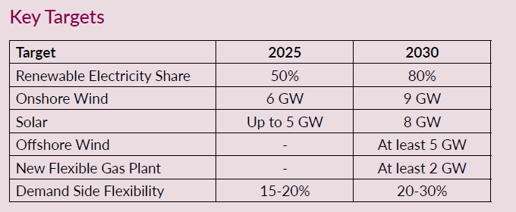
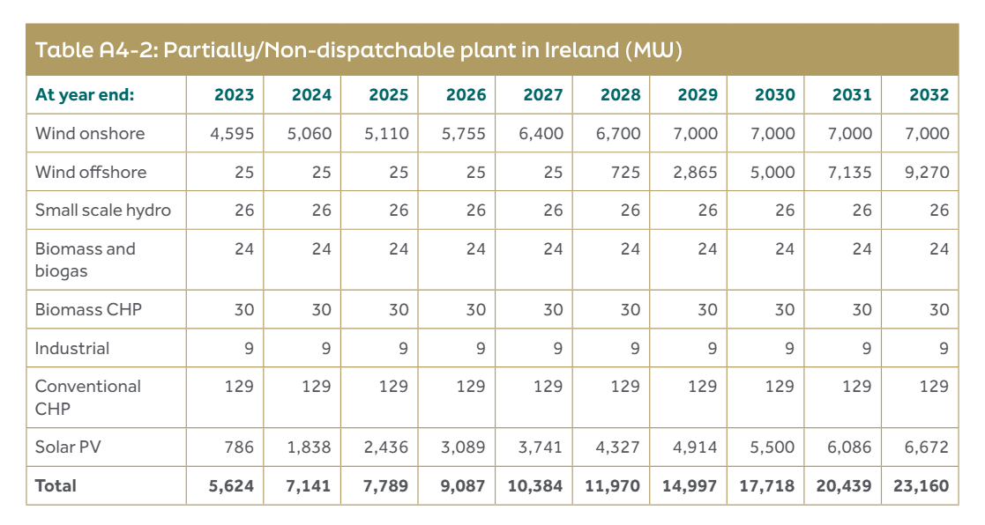
~UC_Sets: R_E: |  |  |  |  |  |  |  |  |  | ~UC_Sets: R_E:
~UC_Sets: T_E: |  |  |  |  |  |  |  |  |  | ~UC_Sets: T_E:
 |  |  |  |  | ~UC_T |  |  |  |  |  |  |  |  |  | ~UC_T
UC_N | Pset_Set | Pset_PN | Cset_CN | Year | LimType | UC_CAP | UC_RHSRTS | UC_Desc |  | UC_N | Pset_Set | Pset_PN | Cset_CN | Year | LimType | UC_CAP | UC_RHSRTS | UC_RHSRTS~0 | UC_Desc
UC_Max_PV_Cap |  | P*SOL-PV* |  | 2023 | FX | 1 | 0.8 | Minimum solar PV capacity |  | UC_Max_BECCS_Cap |  | P-RNW-ST-BIO-CCS05 |  | 2023 | UP | 1 | 0.5 | 5 | Maximum BECCS capacity allowed to install
UC_Min_PV_Cap |  | P*SOL-PV* |  | 2025 | LO | 1 | 2.5 | Maximum solar PV capacity
UC_Max_PV_Cap |  | P*SOL-PV* |  | 2025 | UP | 1 | 5 | Maximum solar PV capacity
UC_Max_PV_Cap |  | P*SOL-PV* |  | 2030 | UP | 1 | 8 | Maximum solar PV capacity
UC_Max_PV_Cap |  | P*SOL-PV* |  | 2040 | UP | 1 | 10 | Maximum solar PV capacity
 |  |  |  | 0 | UP |  | 5

~TFM_INS
TimeSlice | LimType | Attribute | Year | IE | National | Pset_Set | Pset_PN | Cset_CN
 |  | NCAP_ILED |  | 5 | 5 |  | P*CCS* |  | - 5-year lead time for CCS
ANNUAL | UP | ACT_BND | 2023 | 5 | 5 |  | P*COA*,P*PEA* |  | - limit on coal power generation from 2023
ANNUAL | UP | ACT_BND | 2025 | 0 | 0 |  | P*COA*,P*PEA* |  | - no coal from 2025
ANNUAL | UP | ACT_BND | 0 | 5 | 5 |  | P*COA*,P*PEA*

~TFM_INS
TimeSlice | LimType | Attribute | Year | IE | National | Pset_Set | Pset_PN | Cset_CN
ANNUAL | UP | ACT_BND | 2023 | 1.5 | 1.5 |  | FT-PWRDIS |  | - limit on oil-based power generation
ANNUAL | UP | ACT_BND | 2023 | 13.8 | 13.8 |  | FT-PWRHFO |  | - limit on oil-based power generation
ANNUAL | UP | ACT_BND | 2026 | 0 | 0 |  | FT-PWRDIS,FT-PWRHFO |  | - no oil-based power generation
ANNUAL | UP | ACT_BND | 0 | 5 | 5 |  | FT-PWRDIS,FT-PWRHFO
ANNUAL | UP | ACT_BND | 2026 | 0 | 0 |  | P-TH*DIS*,P-TH*HFO*
ANNUAL | UP | ACT_BND | 0 | 5 | 5 |  | P-TH*DIS*,P-TH*HFO*
ANNUAL | UP | ACT_BND | 2023 | 110 | 110 |  | FT-PWRGAS |  | - limit on gas-based power generation
ANNUAL | UP | ACT_BND | 2050 | 110 | 110 |  | FT-PWRGAS |  | - limit on gas-based power generation
ANNUAL | UP | ACT_BND | 0 | 5 | 5 |  | FT-PWRGAS

~TFM_UPD
TimeSlice | LimType | Attribute | Year | IE | National | Pset_Set | Pset_PN | Cset_CN
 |  | NCAP_START |  | 2035 | 2035 |  | P*OCE*
 |  | NCAP_START |  | 2025 | 2025 |  | P*W*OF* |  | - no new offshore before 2025
 |  | NCAP_START |  | 2100 | 2100 |  | P*HY*DAM* |  | - no new hydro (dam) during the modelling horizon
 |  | NCAP_START |  | 2100 | 2100 |  | P*HY*ROR* |  | - no new hydro (ror) during the modelling horizon
 |  | NCAP_START |  | 2100 | 2100 |  | P-RNW-SOL-CSP* |  | - no new CSP during the modelling horizon
 |  | NCAP_START |  | 2100 | 2100 |  | P-RNW-GEO* |  | - no new GEO during the modelling horizon
 |  | NCAP_START |  | 2030 | 2030 |  | P*CCS* |  | - no CCS before 2035

 |  |  |  |  | ~UC_T
UC_N | Pset_Set | Pset_PN | Cset_CN | Year | LimType | UC_CAP | UC_RHSRTS | UC_Desc
UC_Max_WIN-Off_Cap |  | P*WIN*OF* |  | 2027 | UP | 1 | 0.2 | Max Wind Offshore Capacity
UC_Max_WIN-Off_Cap |  | P*WIN*OF* |  | 2028 | UP | 1 | 1.5 | Max Wind Offshore Capacity
UC_Max_WIN-Off_Cap |  | P*WIN*OF* |  | 2029 | UP | 1 | 3 | Max Wind Offshore Capacity
UC_Max_WIN-Off_Cap |  | P*WIN*OF* |  | 2030 | UP | 1 | 6 | Max Wind Offshore Capacity
UC_Max_WIN-Off_Cap |  | P*WIN*OF* |  | 2031 | UP | 1 | 8 | Max Wind Offshore Capacity
UC_Max_WIN-Off_Cap |  | P*WIN*OF* |  | 2032 | UP | 1 | 10 | Max Wind Offshore Capacity
UC_Max_WIN-On_Cap |  | P*WIN*ON* |  | 2025 | UP | 1 | 6 | Maximum Wind Onshore Capacity
UC_Max_WIN-On_Cap |  | P*WIN*ON* |  | 2030 | UP | 1 | 9 | Maximum Wind Onshore Capacity
UC_Max_WIN-On_Cap |  | P*WIN*ON* |  | 2050 | UP | 1 | 30.6 | Maximum Wind Onshore Capacity
 |  |  |  | 0 | UP |  | 5

Source: CLIMATE ACTION PLAN 2023, CAP23 |  |  |  |  |  |  |  | https://cms.eirgrid.ie/sites/default/files/publications/19035-EirGrid-Generation-Capacity-Statement-Combined-2023-V5-Jan-2024.pdf

