Cover


TIMES-Ireland Model

Document type: | New Technologies
Sector(s): | Power sector (PWR)
Purpose: | Specify DH extension costs

Original developer(s): | Jason Mc Guire ( MaREI, jason.mcguire@ucc.ie)
 | Olexandr Balyk ( MaREI, olexandr.balyk@ucc.ie)

Current maintainer(s): | Jason Mc Guire ( MaREI, jason.mcguire@ucc.ie)
 | Olexandr Balyk ( MaREI, olexandr.balyk@ucc.ie)

Part of TIM version: | 1.0
Model repository: | https://github.com/MaREI-EPMG/TIMES-Ireland-model
Licence: | CC BY-NC-SA 4.0 (unless specified otherwise)
 | https://creativecommons.org/licenses/by-nc-sa/4.0/

Sheet1
Member State | Excess Heat Available (PJ) |  |  |  |  | Excess Heat Available (TWh)
 | Total | Power Plants | Existing Waste Incineration | Potential Waste Incineration | Industrial Excess Heat | Total | Power Plants | Existing Waste Incineration | Potential Waste Incineration | Industrial Excess Heat
IE | 114 | 94.9 | 2.8 |  | 15.9 | 32 | 26 | 1 | 0 | 4

Power Plants
Year | 2015 | 2020 | 2030
Electricity Demand |  | 31.9 | 36.3
RES-E % |  | 40% | 70%
Power Plant Production % |  | 19.14 | 10.89
Power Plant CHP Elec Eff (%) |  | 50% | 50%
Power Plant CHP Heat Eff (%) |  | 40% | 40%
Power Plant Heat Available (TWh) |  | 15.3 | 8.7
Power Plant Heat Available (TJ) |  | 55123.2 | 31363.2
Power Plant Heat Available (PJ) | 94.9 | 55.1 | 31.4

Excess Renewable Electricity via Heat Pump
Year |  | 2020 | 2030
Total Renewable Electricity Production |  | 12.76 | 25.41
Dispatch Down Levels (% of RES-E) |  | 12.70% | 10.00%
Dispatch Down (TWh) |  | 1.86 | 2.82
Heat Pump COP |  | 3 | 3
Excess Heat from Dispatch Down (TWh) |  | 5.57 | 8.47
Excess Heat from Dispatch Down (TJ) |  | 20048 | 30492
Excess Heat from Dispatch Down (PJ) |  | 20.0 | 30.5

Waste Incinteration
Year | 2015 | 2020 | 2030 |  |  |  |  | 4th generation DH | Feasible with additional policy | Feasible | Very Feasible |  |  |  | https://data.cso.ie/table/E1005
Elec Capacity (MW) | 18 | 78 | 96.5 |  |  |  | 0 - 20TJ/km2 | 20 - 50 TJ/km2 | 50 - 120 TJ/km2 | 120 - 300 TJ/km2 | > 300 TJ/km2 |  |  |  | Dublin City | Very Feasible
Elec Eff | 25% | 25% | 25% |  |  | TJ heat | 312 | 8845 | 22462 | 28683 | 8654 |  |  |  | APT | 0.35792764327
Total Capacity | 72 | 312 | 386 |  |  | % heat demand | 0% | 8% | 21% | 27% | 8% |  | 65% | COM MAX | ATT | 0.59221785773
Capacity Factor (%) | 80% | 80% | 80% |  |  | €/GJ |  | 8.0 | 6.0 | 3.7 | 1.9 |  |  | 65% | DET | 0.052470383698
Heat Eff | 70% | 70% | 70% |  |  | € Capital costs (Millions) |  | 1387 | 2642 | 2080 | 322 |  |  |  | COM | 1.4264030225 | 211.79088675
Excess Heat Available (MWh) | 353203 | 1530547 | 1893562 |  |  | 10% continguency |  | 1526 | 2906 | 2288 | 354 |  |  |  | Galway,Dublin,Cork City | Feasible
Excess Heat Available (TWh) | 0.4 | 1.5 | 1.9 |  |  |  |  |  |  |  |  |  |  |  | APT | 0.31966635215
Excess Heat Available (TJ) | 1272 | 5510 | 6817 |  |  | *Above are upfront capital costs, not annualised |  |  |  |  |  |  |  |  | ATT | 0.6040422181
Excess Heat Available (PJ) | 1.27 | 5.51 | 6.82 |  |  |  |  |  |  |  |  |  |  |  | DET | 0.076291429754
 |  |  |  |  |  | SUPPLY CUM BOUND |  |  |  |  |  | 2018 |  |  | COM
Industrial Excess Heat |  |  |  |  | RES | Total Heating in 2018 |  | 101.7 | PJ |  | APT | 4.69 | PJ
Year | 2015 |  | 2030 |  | SRV | Total Heating in 2019 |  | 26.74 | PJ |  | ATT | 37.79 | PJ |  | Galway,Dublin, Fingal, Rathdown,Kildare,Louth,Meath,Limerick,Waterford,Galway | Feasible with additional policy + 4th Generation
Industrial Excess Heat (PJ/year) | 15.86 |  | 15.86 |  |  |  |  | 128.44 | PJ |  | DET | 59.22 | PJ |  | APT | 0.20014125552
 |  |  |  |  |  |  |  |  |  |  |  |  |  |  | ATT | 0.5476138856
 |  |  |  |  |  |  |  |  |  |  |  |  |  |  | DET | 0.25224485887
Data Centres |  |  |  |  |  |  |  |  |  |  |  |  |  |  | COM
Year | 2018 | 2020 | 2030 |  | Growth in Data Centres: http://www.eirgridgroup.com/site-files/library/EirGrid/EirGrid-Group-All-Island-Generation-Capacity-Statement-2019-2028.pdf
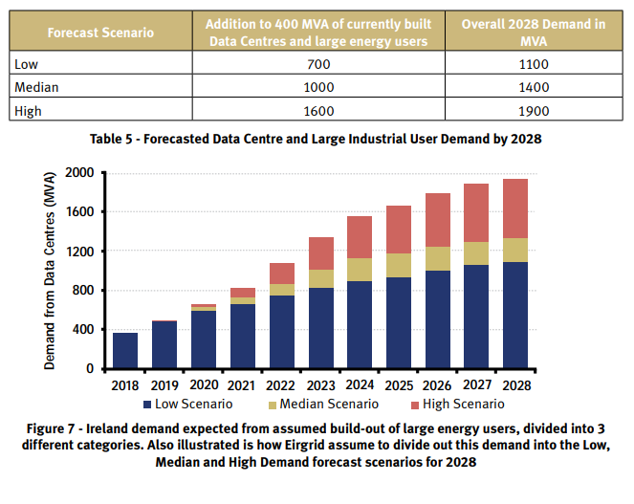
Elec Capacity - Medium Scenario (MW) | 400 | 700 | 1400
Elec to Heat Ratio (Donna - closer to 75% but kept at 50% in case elec capacity is over estimated) | 50% | 50% | 50%
Excess Heat Available (MW) | 200 | 350 | 700
Operating Hours | 100% | 100% | 100%
Excess Heat Production (MWh) | 1752000 | 3066000 | 6132000
Excess Heat Production (TWh) | 1.8 | 3.1 | 6.1
Excess Heat Production (TJ) | 6307 | 11038 | 22075
Excess Heat Production (PJ) | 6.31 | 11.04 | 22.08

Excess Heat Production (PJ) | 2020 | 2030
Power Plants | 55.1 | 31.4
Excess Renewable Electricity via Heat Pump | 20 | 30
Waste Incinteration | 5.5 | 6.8
Industrial Excess Heat | 15.9 | 15.9
Data Centres | 11.0 | 22.1
Total | 107.6 | 106.6

