Cover


TIMES-Ireland Model

Document type: | Scenario
Sector(s): | Power (PWR), Transport (TRA) and Service (SRV) sectors
Purpose: | Specify growth rates

Original developer(s): | Hannah Daly (UCC, h.daly@ucc.ie)
 | Vahid Aryanpur (UCC, vahid.aryanpur@ucc.ie)
 | Olexandr Balyk (UCC, olexandr.balyk@ucc.ie)
Current maintainer(s): | Bakytzhan Suleimenov (UCC, bsuleimenov@ucc.ie)
 | Vahid Aryanpur (UCC, vahid.aryanpur@ucc.ie)

Part of TIM version: | 1.0
Model repository: | https://github.com/MaREI-EPMG/TIMES-Ireland-model
Licence: | CC BY-NC-SA 4.0 (unless specified otherwise)
 | https://creativecommons.org/licenses/by-nc-sa/4.0/

PWR
 | ~UC_Sets: R_E: IE,National
 | ~UC_Sets: T_E: |  |  |  |  |  |  |  |  |  | ~UC_Sets: R_E:
 |  |  |  |  | ~UC_T |  |  |  |  |  | ~UC_Sets: T_E:
 | UC_N | UC_ATTR | Pset_PN | Year | LimType | UC_CAP | UC_CAP~RHS | UC_RHSRTS~2018 | UC_RHSRTS~0 | UC_Desc |  |  |  |  |  |  |  | ~UC_T
 | UC_PWR_MaxGrowth_CCS | CAP, GROWTH | P*CCS* | 2022 | LO | 2.00 | 1 | -0.800 | 5 | PWR maximum growth rate of CCS | UC_N | UC_ATTR | Pset_Set | Pset_CI | Pset_CO | Pset_PN | Year | LimType | UC_ACT | UC_ACT~RHS | UC_RHSRTS | UC_RHSRTS~0 | UC_Desc
 | UC_PWR_MaxGrowth_Wave | CAP, GROWTH | P*OCE*WAV* | 2035 | LO | 1.20 | 1 | -0.400 | 5 | PWR maximum growth rate of Wave | UC_PWRMSW_NODECAY | ACT, GROWTH |  |  | PWRMSW | FT* | 2022 | UP | 1.00 | 1 | 0.000 | 5 | Non-decay constraint for waste incineration
 | UC_PWR_MaxGrowth_Tidal | CAP, GROWTH | P*OCE*TID* | 2035 | LO | 1.20 | 1 | -0.100 | 5 | PWR maximum growth rate of Tidal
 | UC_PWR_MaxGrowth_H2GT | CAP, GROWTH | P-TH*H2-* | 2022 | LO | 1.75 | 1 | -0.500 | 5 | PWR maximum growth rate of H2GT
 | UC_PWR_MaxGrowth_PV | CAP, GROWTH | P*SOL*PV* | 2022 | LO | 2.00 | 1 | -1.000 | 5 | PWR maximum growth rate of PV
 | UC_PWR_MaxGrowth_CSP | CAP, GROWTH | P*SOL*CSP* | 2022 | LO | 2.00 | 1 | -0.500 | 5 | PWR maximum growth rate of CSP

 |  | Max growth rate | Starting value (GW)
PWR | CCS | 100% | 0.8
PWR | Wave | 20% | 0.4
PWR | Tidal | 20% | 0.1
PWR | H2GT | 75% | 0.5
PWR | PV | 100% | 1
PWR | CSP | 100% | 0.5

 |  |  |  |  | ~UC_T
 | UC_N | UC_ATTR | Pset_PN | Year | LimType | UC_NCAP | UC_RHSRTS | UC_RHSRTS~0 | UC_Desc
 | UC_PWR_MaxNCap_WON |  | P*WIN*ON* | 2019 | UP | 1.00 | 0.600 | 3 | PWR maximum new capacity of wind onshore
 |  |  | P*WIN*ON* | 2020 | UP | 1.00 | 0.500
 |  |  | P*WIN*ON* | 2024 | UP | 1.00 | 0.708
 |  |  | P*WIN*ON* | 2025 | UP | 1.00 | 0.050
 |  |  | P*WIN*ON* | 2026 | UP | 1.00 | 0.665
 |  |  | P*WIN*ON* | 2027 | UP | 1.00 | 0.645
 |  |  | P*WIN*ON* | 2028 | UP | 1.00 | 0.300
 |  |  | P*WIN*ON* | 2029 | UP | 1.00 | 0.300
 | UC_PWR_MaxNCap_WOF |  | P*WIN*OF* | 2028 | UP | 1.00 | 0.700 | 3 | PWR maximum new capacity of wind offshore
 |  |  | P*WIN*OF* | 2029 | UP | 1.00 | 2.140
 |  |  | P*WIN*OF* | 2030 | UP | 1.00 | 2.135
 |  |  | P*WIN*OF* | 2031 | UP | 1.00 | 2.135
 |  |  | P*WIN*OF* | 2032 | UP | 1.00 | 2.135

 | https://cms.eirgrid.ie/sites/default/files/publications/19035-EirGrid-Generation-Capacity-Statement-Combined-2023-V5-Jan-2024.pdf
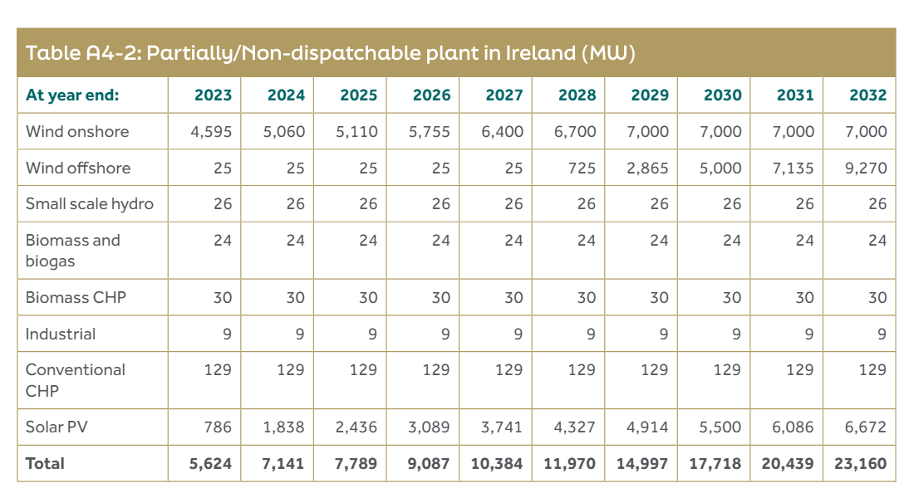

 | Installed Capacity (MW) | 2022 | 2023
 | Wind | 4,536 | 4,739
 | Solar PV (AC) | 201 | 716
 | Hydro | 237 | 237

